Sheet1
Signal Layer | Reference Layer | Impedance Type | Trace Width（mil) | Trace Spacing（mil) | Impedance(ohm)±10% | Position
L1 | L2 | Single Ended (Non Coplanar) | 7.34 | NA | 50 | RF
L1 | L2 | Differential Pair (Non Coplanar) | 6.3 | 5.91 | 90 | 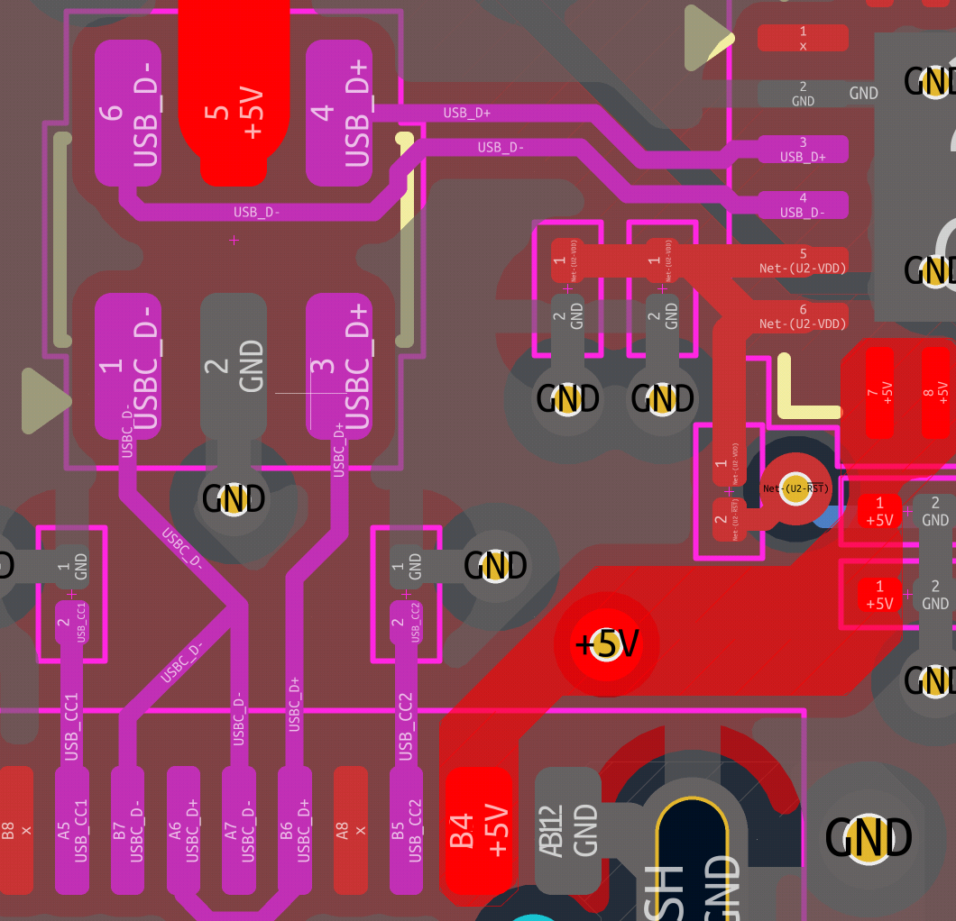 USB

