Sheet1
Pin number | Type | Usage | Used
21 | SDA / (I/O) | i2c bus | x
22 | SCL / (I/O) | i2c bus | x
14 | I/O | pwm pump approv 1 | x
32 | I/O | pwm pump approv 2 | x
15 | I/O | pwm pump sensor 1 | x
33 | I/O | pwm pump sensor 2 | x
27 | I/O | pwm culture chamber pump 1 pin 1 | x
12 | I/O | pwm culture chamber pump 1 pin 2 | x
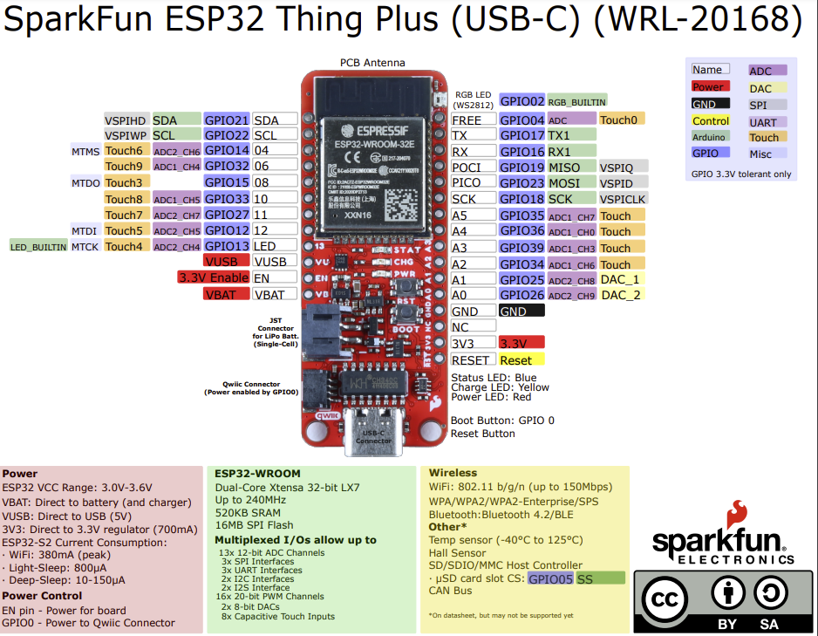
13 | I/O | pwm culture chamber pump 2 pin 1 | x
4 | I/O | pwm culture chamber pump 2 pin 2 | x
17 | TX1 / (I/O) | Uart pyroscience | x
16 | RX1 | Uart pyroscience | x
19 | MISO / (I/O) | relay heater fan | x
23 | MOSI / (I/O) | ssr relay heater | x
18 | SCK / (I/O) | relay patch heater | x
35 | Input
36 | Input
39 | Input
34 | Input
25 | Input
26 | Input

