FIELDS TO INPUT

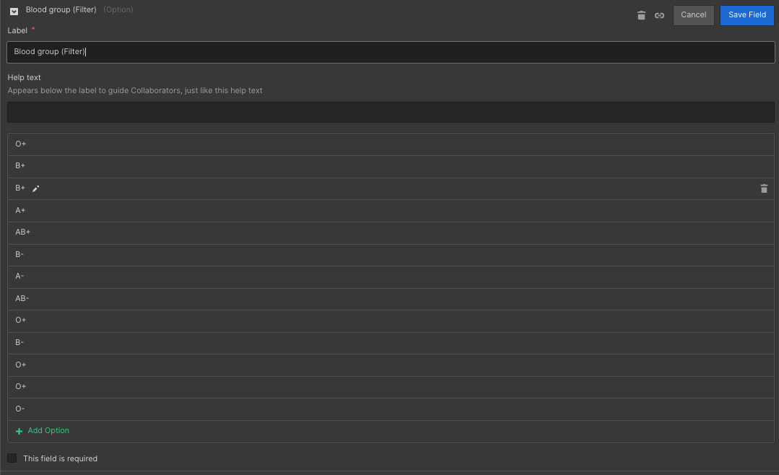
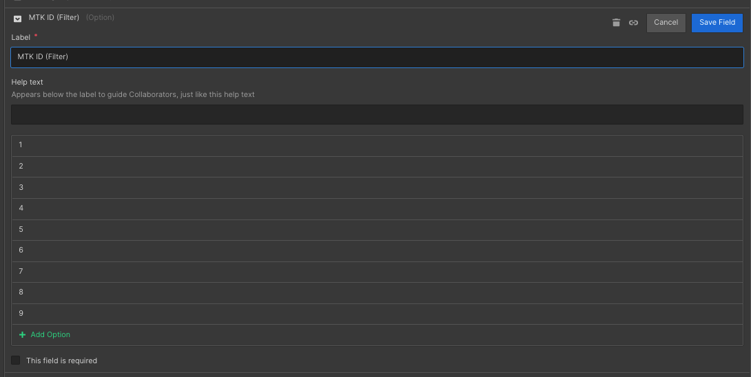
FIELD | TYPE
AADHAR | NUMBER
AREA JOIN | DATE
Area Name | TEXT | Gevra
BFORM NUM | NUMBER
BLOOD GROUP | OPTION

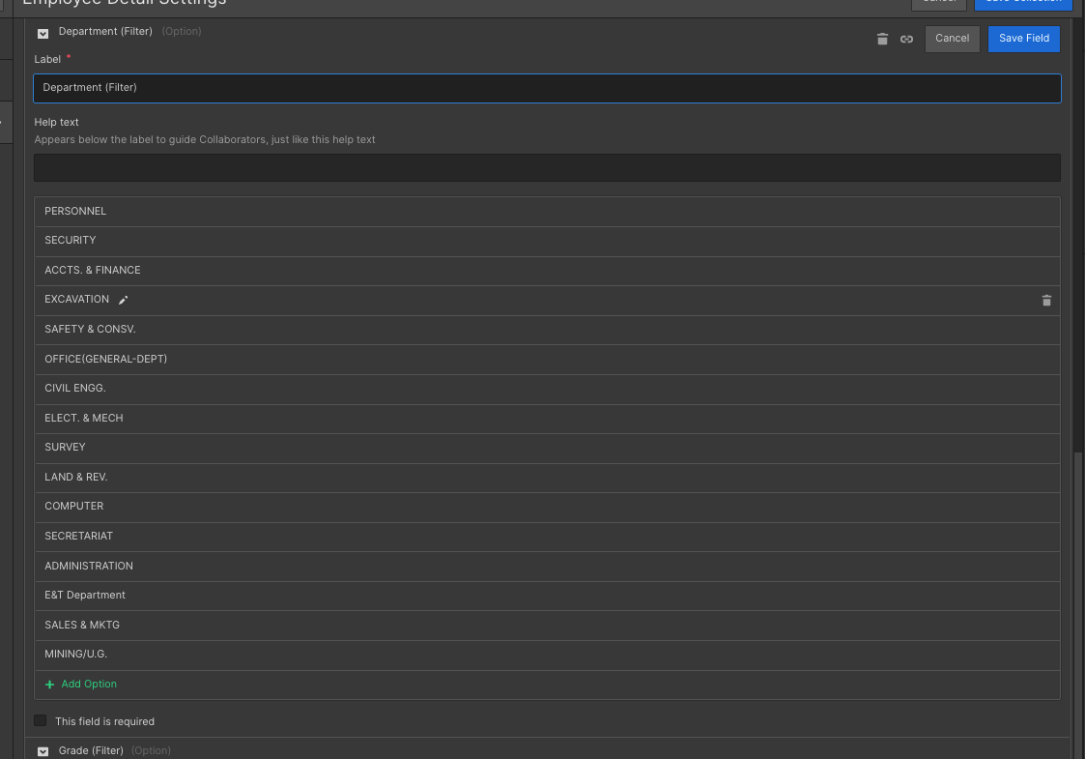
CATEGORY | OPTION(4) | DAILY RATED, MONTHLY RATED, TRAINEE, EXECUTIVE | Worker, Supervisor, Officer, Trainee
DEPT DESC | OPTION
DESIGNATION | OPTION
DISCIPLINE | OPTION
DOB | DATE
DT APPT | DATE
EMP CODE | NUMBER
FATHER NAME | TEXT
GENDER | OPTION
GRADE | OPTION
MTK ID | NUMBER
NAME | TEXT
PAN | NUMBER
PHONE | NUMBER/TEL
PRESENT ADDRESS | TEXT
Unit Name | TEXT | Gevra

