КП
Time - Время обучения.
Acc - Максимальная точность, достигнутая в процессе обучения.
Loss - Лучший результат, достигнутый функцией потерь, в процессе обучения (минимальная ошибка)
AV_lbl - Среднее арифметическое (выборочное среднее) для label значений (Истинных значений)
AV_pred - Среднее арифметическое (выборочное среднее) для prediction значений (Предугаданных значений)
Stand_dev - стандартное отклонение
Error - Процентное соотношение между стандартным отклонением и средним арифметическим
Max_err - Максимальная ошибка в процентах
Rel - (relation) Процентное соотношение между предугаданным значением и истинным значением ( (pred/lbl) * 100 )
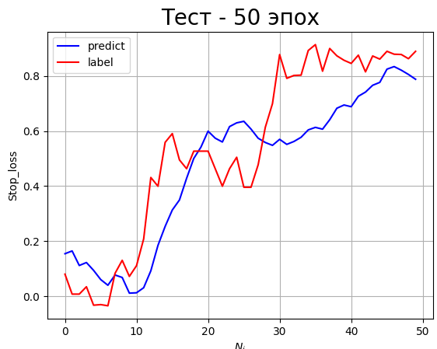
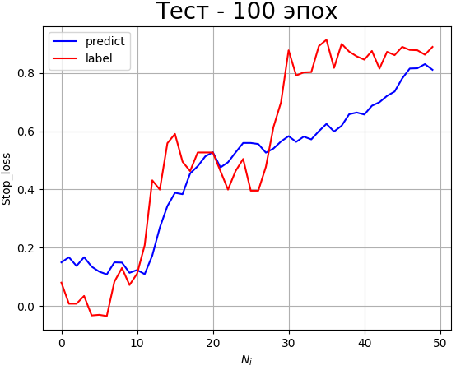
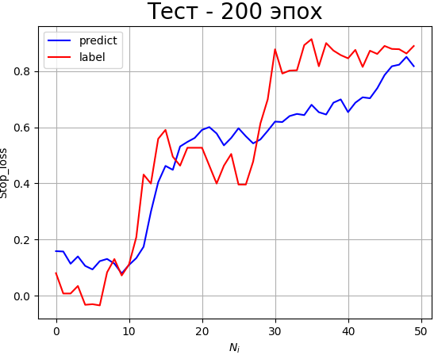
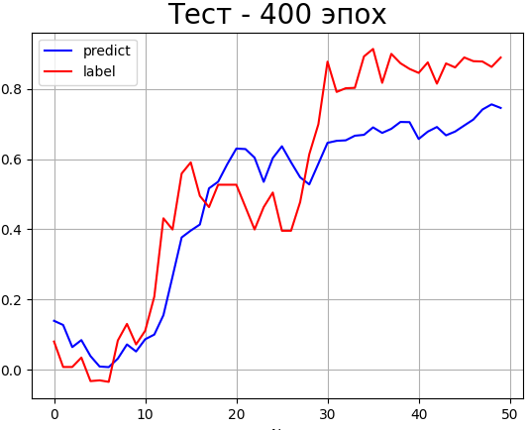
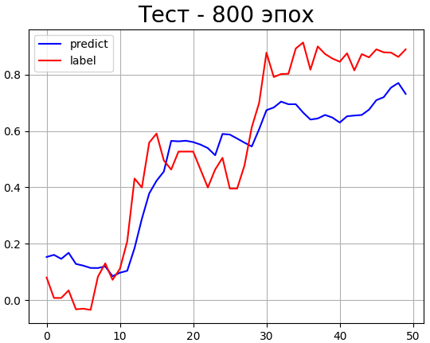
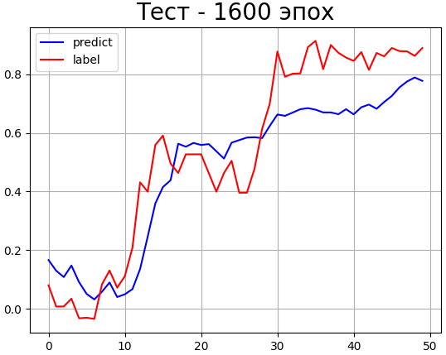
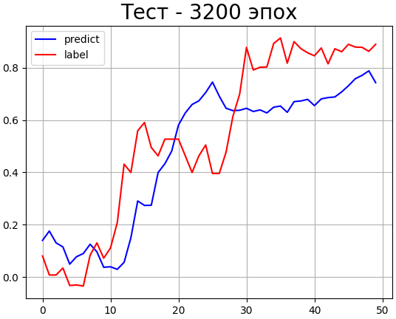
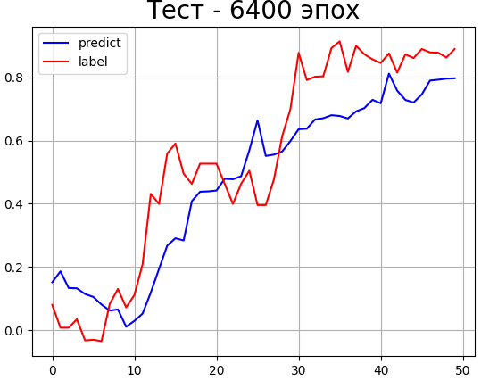
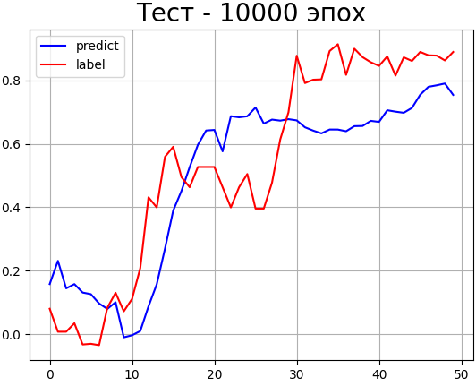
MSE | train | MLP | Time | Accuracy | Loss | Average_label | Average_prediction | Standard_deviation | Error | Max_error | MSE | test | MLP | Time | Relation | Average_label | Average_prediction | Standard_deviation | Error | Max_error
 |  | 50 | 1.00 | 0.215 | 0.003 | 0.6151 | 0.6138 | 0.055 | 8.960 | 153.20 |  |  | 50 | 0.00 | 137.84 | 0.535 | 0.468 | 0.1673 | 31.267 | 1922.733
 |  | 100 | 2.00 | 0.27 | 0.0016 | 0.6151 | 0.6188 | 0.044 | 7.078 | 55.59 |  |  | 100 | 0.00 | 143.74 | 0.535 | 0.472 | 0.155 | 28.934 | 1955.51
 |  | 200 | 3.586 | 0.585 | 0.0002 | 0.6151 | 0.6116 | 0.02 | 3.313 | 32.32 |  |  | 200 | 0.00 | 139.27 | 0.535 | 0.494 | 0.138 | 25.881 | 1834.29
 |  | 400 | 6.72 | 0.715 | 0.00009 | 0.6151 | 0.6143 | 0.014 | 2.376 | 27.536 |  |  | 400 | 0.00 | 134.61 | 0.535 | 0.474 | 0.145 | 27.122 | 1467.21
MLP MSE test
 |  | 800 | 13.572 | 0.98 | 0.00002 | 0.6151 | 0.6142 | 0.009 | 1.473 | 19.183 |  |  | 800 | 0.00 | 190.50 | 0.535 | 0.484 | 0.148 | 27.637 | 1874.25
 |  | 1600 | 27.8 | 1.00 | 0.000006 | 0.6151 | 0.61501 | 0.0026 | 0.427 | 7.186 |  |  | 1600 | 0.00 | 156.85 | 0.535 | 0.479 | 0.139 | 26.07 | 1497.168
 |  | 3200 | 56.043 | 1.00 | 0.0000006 | 0.6151 | 0.61483 | 0.00344 | 0.559 | 9.845 |  |  | 3200 | 0.00 | 174.42 | 0.535 | 0.475 | 0.181 | 33.815 | 2058.79
Кол-во эпох
 |  | 6400 | 195.29 | 1.00 | 0.0000003 | 0.6151 | 0.61495 | 0.0033 | 0.539 | 5.37 |  |  | 6400 | 0.00 | 178.58 | 0.535 | 0.467 | 0.148 | 27.786 | 2187.48
 |  | 10000 | 180.47 | 1.00 | 0.0000003 | 0.6151 | 0.61502 | 0.0012 | 0.204 | 2.355 |  |  | 10000 | 0.00 | 204.036 | 0.535 | 0.497 | 0.176 | 32.951 | 2739.29

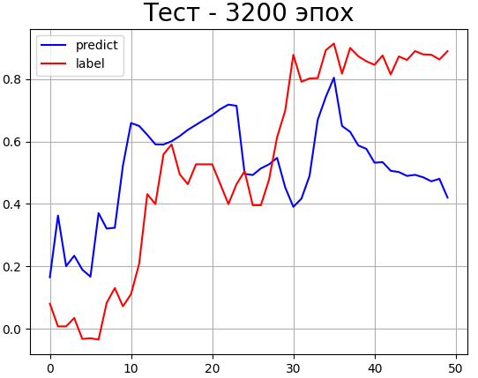
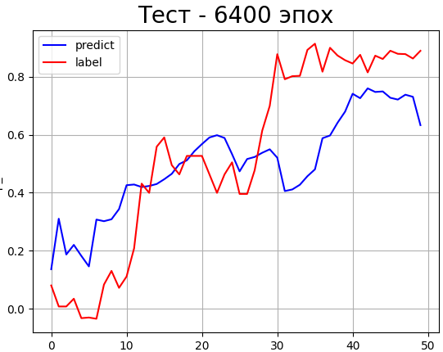
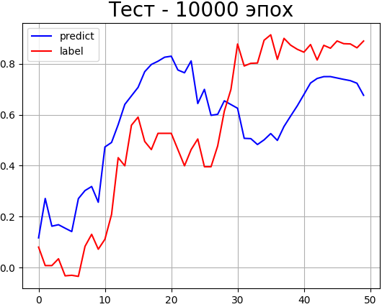
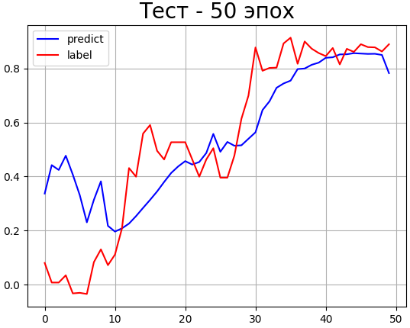
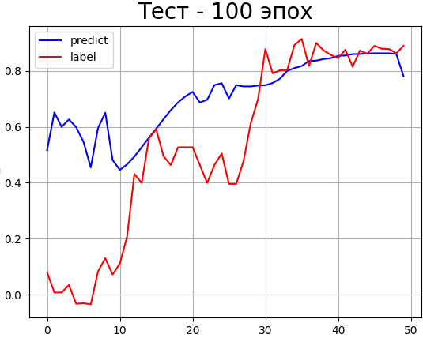
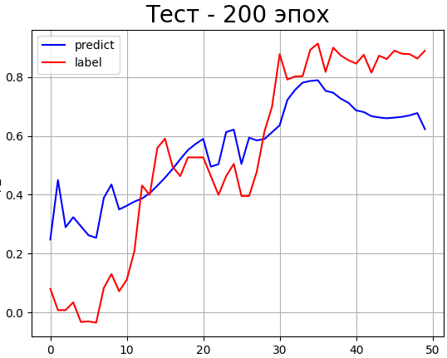
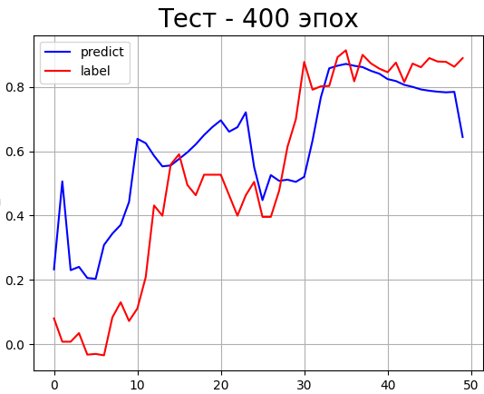
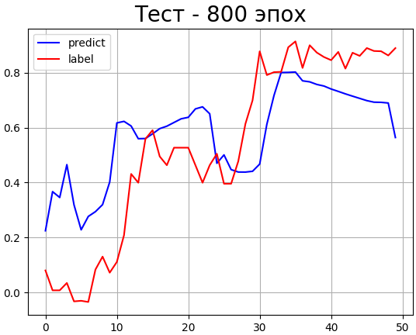
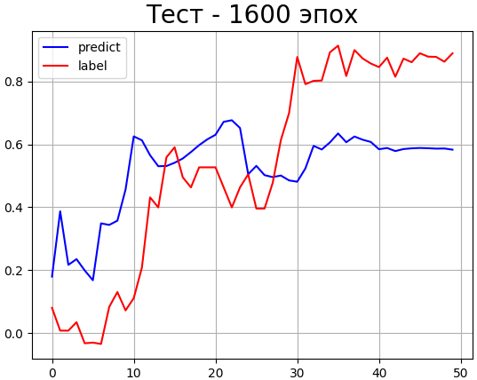
 |  | CNN | Time | Accuracy | Loss | Average_label | Average_prediction | Standard_deviation | Error | Max_error |  |  | CNN | Time | Relation | Average_label | Average_prediction | Standard_deviation | Error | Max_error
 |  | 50 | 3.484 | 0.07 | 0.0217 | 0.6151 | 0.598 | 0.1477 | 24.022 | 232.08 |  |  | 50 | 0.00 | 402.567 | 0.535 | 0.5478 | 0.185 | 34.658 | 5327.65
 |  | 100 | 4.673 | 0.10 | 0.0146 | 0.6151 | 0.6085 | 0.1298 | 21.117 | 232.21 |  |  | 100 | 0.00 | 594.99 | 0.535 | 0.707 | 0.281 | 52.643 | 7893.84
 |  | 200 | 8.708 | 0.125 | 0.0104 | 0.6151 | 0.609 | 0.1033 | 16.793 | 280.85 |  |  | 200 | 0.00 | 364.604 | 0.535 | 0.5522 | 0.187 | 35.014 | 5421.75
 |  | 400 | 13.039 | 0.235 | 0.00313 | 0.6151 | 0.61321 | 0.0702 | 11.413 | 110.8 |  |  | 400 | 0.00 | 369.137 | 0.535 | 0.6143 | 0.198 | 37.153 | 6113.93
MSE - Mean Square Error
MAE - Mean Absolute Error
train - Метрики на этапе обучения НС (С обучающим ДС)
test - Метрики на этапе тестирования НС (с тестовым ДС, который НС ещё не видела)
MLP - Результаты Перцептрона
CNN - Результаты сверточной НС
 |  | 800 | 25.757 | 0.415 | 0.0013 | 0.6151 | 0.61134 | 0.05 | 8.193 | 97.023 |  |  | 800 | 0.00 | 373.84 | 0.535 | 0.576 | 0.216 | 40.412 | 4404.93
 |  | 1600 | 48.983 | 0.535 | 0.00064 | 0.6151 | 0.61734 | 0.07 | 11.361 | 149.358 |  |  | 1600 | 0.00 | 323.284 | 0.535 | 0.5205 | 0.2455 | 45.865 | 4651.082
CNN MSE test
 |  | 3200 | 98.291 | 0.73 | 0.00029 | 0.6151 | 0.62016 | 0.021 | 3.5232 | 66.7594 |  |  | 3200 | 0.00 | 315.9405 | 0.535 | 0.5173 | 0.2813 | 52.557 | 4351.543
 |  | 6400 | 193.839 | 0.955 | 0.00003 | 0.6151 | 0.6145 | 0.00741 | 1.205 | 24.537 |  |  | 6400 | 0.00 | 277.633 | 0.535 | 0.50 | 0.21 | 39.297 | 3712.01
 |  | 10000 | 299.83 | 1.00 | 0.000028 | 0.6151 | 0.61665 | 0.0114 | 1.86 | 50.341 |  |  | 10000 | 0.00 | 268.801 | 0.535 | 0.5724 | 0.2393 | 44.707 | 3230.797

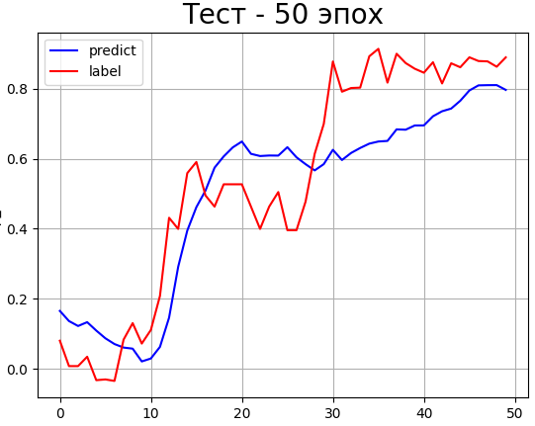
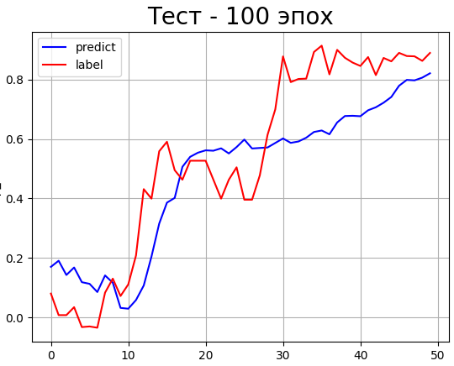
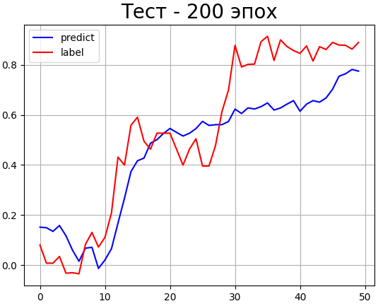
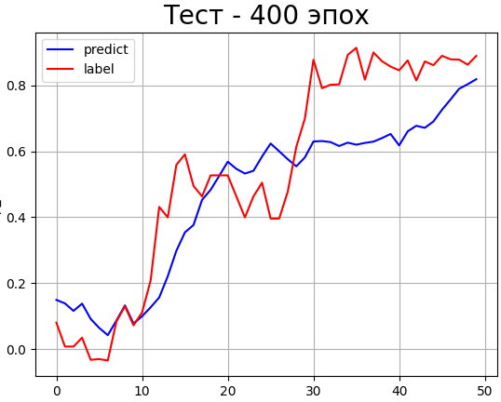
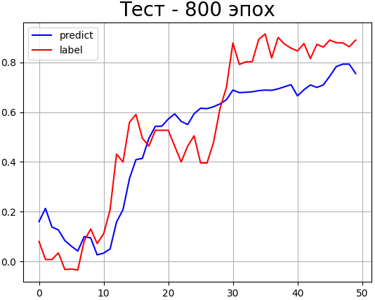
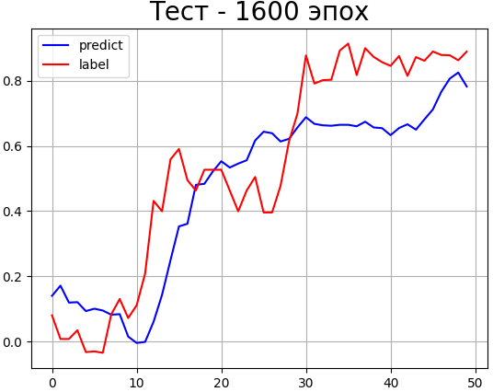
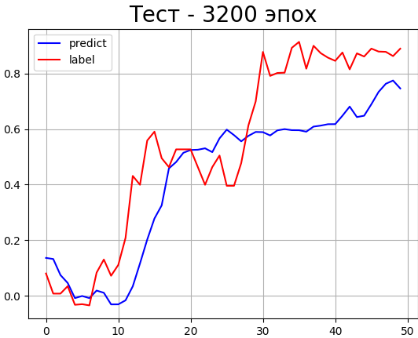
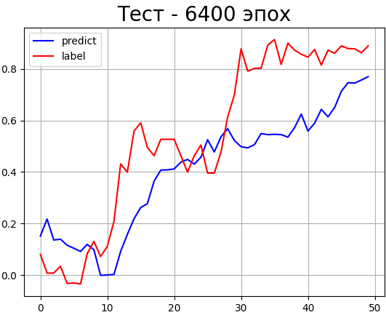
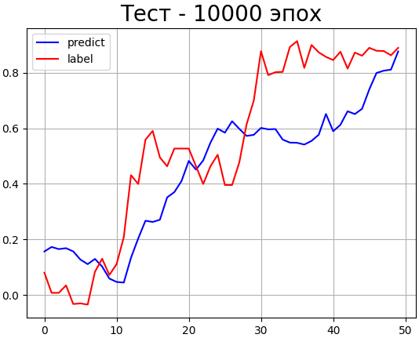
MAE | train | MLP | Time | Accuracy | Loss | Average_label | Average_prediction | Standard_deviation | Error | Max_error | MAE | test | MLP | Time | Relation | Average_label | Average_prediction | Standard_deviation | Error | Max_error
 |  | 50 | 1.00 | 0.22 | 0.0395 | 0.6151 | 0.61235 | 0.0675 | 10.974 | 161.89 |  |  | 50 | 0.00 | 169.03 | 0.535 | 0.497 | 0.146 | 27.40 | 1578.07
 |  | 100 | 2.00 | 0.37 | 0.0226 | 0.6151 | 0.6058 | 0.0436 | 7.09 | 62.462 |  |  | 100 | 0.00 | 190.92 | 0.535 | 0.478 | 0.157 | 29.377 | 2242.90
 |  | 200 | 3.455 | 0.425 | 0.0165 | 0.6151 | 0.61425 | 0.0236 | 3.846 | 53.93 |  |  | 200 | 0.00 | 165.598 | 0.535 | 0.4595 | 0.1549 | 28.949 | 1736.29
 |  | 400 | 7.208 | 0.62 | 0.0099 | 0.6151 | 0.6128 | 0.02307 | 3.751 | 26.671 |  |  | 400 | 0.00 | 162.802 | 0.535 | 0.467 | 0.1578 | 29.493 | 1603.944
 |  | 800 | 14.6937 | 0.87 | 0.00546 | 0.6151 | 0.61486 | 0.0088 | 1.44288 | 19.525 |  |  | 800 | 0.00 | 185.6651 | 0.535 | 0.4895 | 0.1408 | 26.307 | 2519.20
 |  | 1600 | 28.3952 | 0.94 | 0.0041 | 0.6151 | 0.61565 | 0.0078 | 1.273 | 22.8 |  |  | 1600 | 0.00 | 171.482 | 0.535 | 0.46968 | 0.1644 | 30.724 | 2006.28
MLP MAE test
 |  | 3200 | 58.797 | 1.00 | 0.00254 | 0.6151 | 0.6143 | 0.009 | 1.45709 | 15.371 |  |  | 3200 | 0.00 | 122.962 | 0.535 | 0.42448 | 0.1856 | 34.688 | 1528.04
 |  | 6400 | 117.31 | 1.00 | 0.00178 | 0.6151 | 0.61526 | 0.00531 | 0.863 | 11.782 |  |  | 6400 | 0.00 | 179.869 | 0.535 | 0.40775 | 0.20698 | 38.668 | 2573.78
 |  | 10000 | 187.9521 | 1.00 | 0.00162 | 0.6151 | 0.61479 | 0.002762 | 0.44912 | 10.241 |  |  | 10000 | 0.00 | 191.47079 | 0.535 | 0.4445 | 0.1911 | 35.71387 | 2024.406

 |  | CNN | Time | Accuracy | Loss | Average_label | Average_prediction | Standard_deviation | Error | Max_error |  |  | CNN | Time | Relation | Average_label | Average_prediction | Standard_deviation | Error | Max_error
 |  | 50 | 3.895 | 0.12 | 0.1522 | 0.6151 | 0.6462 | 0.221 | 36.074 | 912.814 |  |  | 50 | 0.00 | 555.525 | 0.535 | 0.7153 | 0.288 | 53.7921 | 9219.84
 |  | 100 | 4.762 | 0.155 | 0.0887 | 0.6151 | 0.65 | 0.1405 | 22.852 | 340.091 |  |  | 100 | 0.00 | 411.85 | 0.535 | 0.5652 | 0.185 | 34.721 | 6026.34
 |  | 200 | 8.21 | 0.21 | 0.7 | 0.6151 | 0.6293 | 0.127 | 20.756 | 149.159 |  |  | 200 | 0.00 | 469.323 | 0.535 | 0.6572 | 0.2043 | 38.17 | 5913.56
 |  | 400 | 13.41 | 0.355 | 0.039 | 0.6151 | 0.61 | 0.079 | 12.923 | 142.243 |  |  | 400 | 0.00 | 315.993 | 0.535 | 0.5331 | 0.1729 | 32.3109 | 4811.598
 |  | 800 | 25.776 | 0.44 | 0.024 | 0.6151 | 0.61833 | 0.0457 | 7.442 | 124.144 |  |  | 800 | 0.00 | 335.96 | 0.535 | 0.6463 | 0.1865 | 34.846 | 4975.766
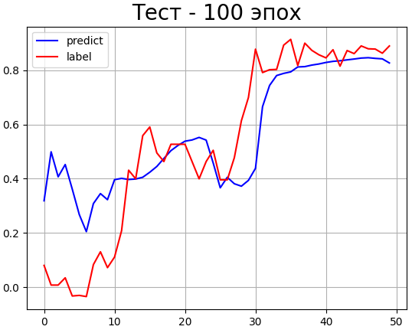
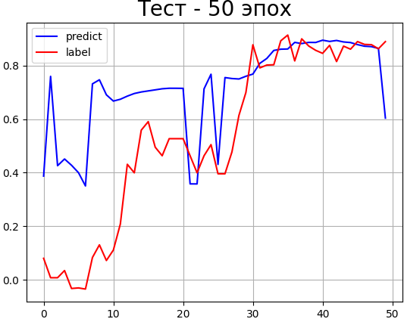
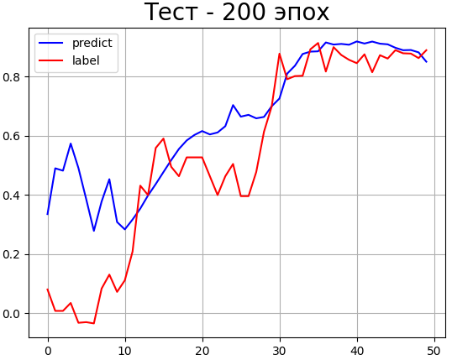
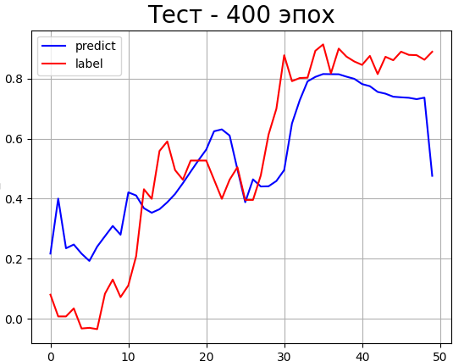
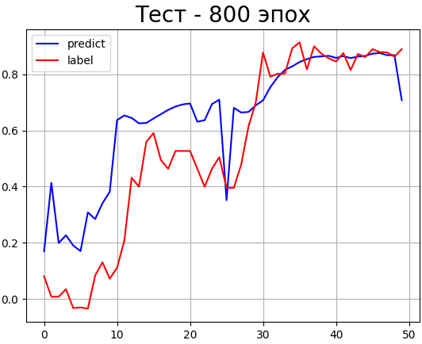
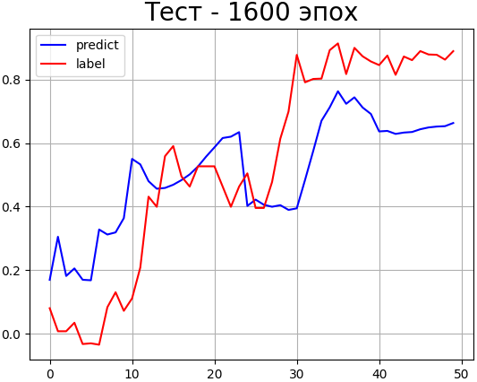
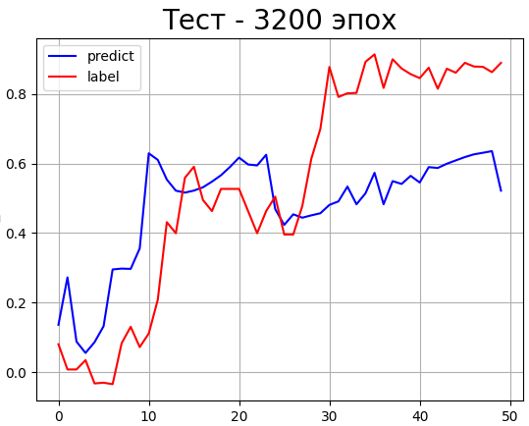
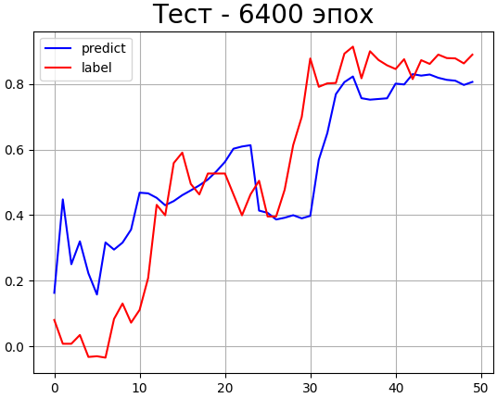
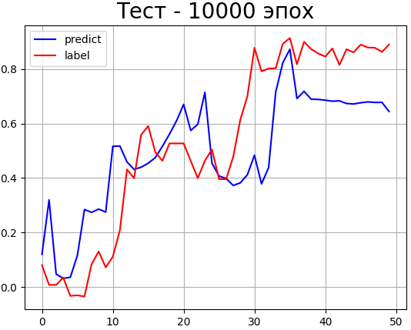
 |  | 1600 | 51.802 | 0.605 | 0.0143 | 0.6151 | 0.6161 | 0.03 | 4.928 | 38.164 |  |  | 1600 | 0.00 | 280.75 | 0.535 | 0.5064 | 0.208 | 38.92 | 3648.10
 |  | 3200 | 102.44 | 0.715 | 0.0106 | 0.6151 | 0.6144 | 0.02558 | 4.1605 | 71.385 |  |  | 3200 | 0.00 | 230.609 | 0.535 | 0.4783 | 0.2408 | 44.9939 | 3247.14
 |  | 6400 | 202.842 | 0.855 | 0.0065 | 0.6151 | 0.6155 | 0.0144 | 2.34 | 21.444 |  |  | 6400 | 0.00 | 342.341 | 0.535 | 0.5502 | 0.1789 | 33.423 | 5398.51
 |  | 10000 | 317.748 | 0.935 | 0.00416 | 0.6151 | 0.613 | 0.0113 | 1.841 | 16.953 |  |  | 10000 | 0.00 | 222.241 | 0.535 | 0.50 | 0.1937 | 36.192 | 3826.922

 |  | Full time of test
 |  | 4,85 часа
CNN MAE test

MSE | train | MLP | Time | Accuracy | Loss | Average_label | Average_prediction | Standard_deviation | Error, % | Max_error, % | MSE | test | MLP | Time | Relation | Average_label | Average_prediction | Standard_deviation | Error, % | Max_error, % | MSE | train | MLP | Average | Mediana | MSE | test | MLP | Average | Mediana
 |  | 50 | 1.00 | 0.215 | 0.003 | 0.6151 | 0.6138 | 0.055 | 8.960 | 153.20 |  |  | 50 | 0.00 | 137.84 | 0.535 | 0.468 | 0.1673 | 31.267 | 1922.733 |  |  | Average_label | 0.6151 | 0.6151 |  |  | Average_label | 0.5350 | 0.5350
 |  | 100 | 2.00 | 0.27 | 0.0016 | 0.6151 | 0.6188 | 0.044 | 7.078 | 55.59 |  |  | 100 | 0.00 | 143.74 | 0.535 | 0.472 | 0.155 | 28.934 | 1955.51 |  |  | Average_prediction | 0.6147 | 0.6148 |  |  | Average_prediction | 0.4789 | 0.4750
 |  | 200 | 3.586 | 0.585 | 0.0002 | 0.6151 | 0.6116 | 0.02 | 3.313 | 32.32 |  |  | 200 | 0.00 | 139.27 | 0.535 | 0.494 | 0.138 | 25.881 | 1834.29 |  |  | Standard_deviation | 0.0169 | 0.0090 |  |  | Relation | 162.2051 | 156.8500
 |  | 400 | 6.72 | 0.715 | 0.00009 | 0.6151 | 0.6143 | 0.014 | 2.376 | 27.536 |  |  | 400 | 0.00 | 134.61 | 0.535 | 0.474 | 0.145 | 27.122 | 1467.21 |  |  | Error, % | 2.7699 | 1.4730 |  |  | Standard_deviation | 0.1553 | 0.1480
 |  | 800 | 13.572 | 0.98 | 0.00002 | 0.6151 | 0.6142 | 0.009 | 1.473 | 19.183 |  |  | 800 | 0.00 | 190.50 | 0.535 | 0.484 | 0.148 | 27.637 | 1874.25 |  |  | Max_error, % | 34.7317 | 19.1830 |  |  | Error, % | 29.0514 | 27.7860
 |  | 1600 | 27.8 | 1.00 | 0.000006 | 0.6151 | 0.61501 | 0.0026 | 0.427 | 7.186 |  |  | 1600 | 0.00 | 156.85 | 0.535 | 0.479 | 0.139 | 26.07 | 1497.168 |  |  |  |  |  |  |  | Max_error, % | 1948.5246 | 1922.7330
 |  | 3200 | 56.043 | 1.00 | 0.0000006 | 0.6151 | 0.61483 | 0.00344 | 0.559 | 9.845 |  |  | 3200 | 0.00 | 174.42 | 0.535 | 0.475 | 0.181 | 33.815 | 2058.79
 |  | 6400 | 195.29 | 1.00 | 0.0000003 | 0.6151 | 0.61495 | 0.0033 | 0.539 | 5.37 |  |  | 6400 | 0.00 | 178.58 | 0.535 | 0.467 | 0.148 | 27.786 | 2187.48 |  |  | CNN | Average | Mediana
 |  | 10000 | 180.47 | 1.00 | 0.0000003 | 0.6151 | 0.61502 | 0.0012 | 0.204 | 2.355 |  |  | 10000 | 0.00 | 204.036 | 0.535 | 0.497 | 0.176 | 32.951 | 2739.29 |  |  | Average_label | 0.6151 | 0.6151 |  |  | CNN | Average | Mediana
 |  |  |  |  |  |  |  |  |  |  |  |  |  |  |  |  |  |  |  |  |  |  | Average_prediction | 0.6121 | 0.6132 |  |  | Average_label | 0.5350 | 0.5350
 |  |  |  |  |  |  |  |  |  |  |  |  |  |  |  |  |  |  |  |  |  |  | Standard_deviation | 0.0679 | 0.0700 |  |  | Average_prediction | 0.5675 | 0.5522
 |  | CNN | Time | Accuracy | Loss | Average_label | Average_prediction | Standard_deviation | Error, % | Max_error, % |  |  | CNN | Time | Relation | Average_label | Average_prediction | Standard_deviation | Error, % | Max_error, % |  |  | Error, % | 11.0541 | 11.3610 |  |  | Relation | 365.6441 | 364.6040
 |  | 50 | 3.484 | 0.07 | 0.0217 | 0.6151 | 0.598 | 0.1477 | 24.022 | 232.08 |  |  | 50 | 0.00 | 402.567 | 0.535 | 0.5478 | 0.185 | 34.658 | 5327.65 |  |  | Max_error, % | 138.2176 | 110.8000 |  |  | Standard_deviation | 0.2270 | 0.2160
 |  | 100 | 4.673 | 0.10 | 0.0146 | 0.6151 | 0.6085 | 0.1298 | 21.117 | 232.21 |  |  | 100 | 0.00 | 594.99 | 0.535 | 0.707 | 0.281 | 52.643 | 7893.84 |  |  |  |  |  |  |  | Error, % | 42.4784 | 40.4120
 |  | 200 | 8.708 | 0.125 | 0.0104 | 0.6151 | 0.609 | 0.1033 | 16.793 | 280.85 |  |  | 200 | 0.00 | 364.604 | 0.535 | 0.5522 | 0.187 | 35.014 | 5421.75 |  |  |  |  |  |  |  | Max_error, % | 5011.9480 | 4651.0820
 |  | 400 | 13.039 | 0.235 | 0.00313 | 0.6151 | 0.61321 | 0.0702 | 11.413 | 110.8 |  |  | 400 | 0.00 | 369.137 | 0.535 | 0.6143 | 0.198 | 37.153 | 6113.93
 |  | 800 | 25.757 | 0.415 | 0.0013 | 0.6151 | 0.61134 | 0.05 | 8.193 | 97.023 |  |  | 800 | 0.00 | 373.84 | 0.535 | 0.576 | 0.216 | 40.412 | 4404.93
 |  | 1600 | 48.983 | 0.535 | 0.00064 | 0.6151 | 0.61734 | 0.07 | 11.361 | 149.358 |  |  | 1600 | 0.00 | 323.284 | 0.535 | 0.5205 | 0.2455 | 45.865 | 4651.082
 |  | 3200 | 98.291 | 0.73 | 0.00029 | 0.6151 | 0.62016 | 0.021 | 3.5232 | 66.7594 |  |  | 3200 | 0.00 | 315.9405 | 0.535 | 0.5173 | 0.2813 | 52.557 | 4351.543
 |  | 6400 | 193.839 | 0.955 | 0.00003 | 0.6151 | 0.6145 | 0.00741 | 1.205 | 24.537 |  |  | 6400 | 0.00 | 277.633 | 0.535 | 0.50 | 0.21 | 39.297 | 3712.01
 |  | 10000 | 299.83 | 1.00 | 0.000028 | 0.6151 | 0.61665 | 0.0114 | 1.86 | 50.341 |  |  | 10000 | 0.00 | 268.801 | 0.535 | 0.5724 | 0.2393 | 44.707 | 3230.797

MAE | train | MLP | Time | Accuracy | Loss | Average_label | Average_prediction | Standard_deviation | Error, % | Max_error, % | MAE | test | MLP | Time | Relation | Average_label | Average_prediction | Standard_deviation | Error, % | Max_error, % | MAE | train | MLP | Average | Mediana | MAE | test | MLP | Average | Mediana
 |  | 50 | 1.00 | 0.22 | 0.0395 | 0.6151 | 0.61235 | 0.0675 | 10.974 | 161.89 |  |  | 50 | 0.00 | 169.03 | 0.535 | 0.497 | 0.146 | 27.40 | 1578.07 |  |  | Average_label | 0.6151 | 0.6151 |  |  | Average_label | 0.5350 | 0.5350
 |  | 100 | 2.00 | 0.37 | 0.0226 | 0.6151 | 0.6058 | 0.0436 | 7.09 | 62.462 |  |  | 100 | 0.00 | 190.92 | 0.535 | 0.478 | 0.157 | 29.377 | 2242.90 |  |  | Average_prediction | 0.6133 | 0.6143 |  |  | Average_prediction | 0.4597 | 0.4670
 |  | 200 | 3.455 | 0.425 | 0.0165 | 0.6151 | 0.61425 | 0.0236 | 3.846 | 53.93 |  |  | 200 | 0.00 | 165.598 | 0.535 | 0.4595 | 0.1549 | 28.949 | 1736.29 |  |  | Standard_deviation | 0.0213 | 0.0090 |  |  | Relation | 171.0888 | 171.4820
 |  | 400 | 7.208 | 0.62 | 0.0099 | 0.6151 | 0.6128 | 0.02307 | 3.751 | 26.671 |  |  | 400 | 0.00 | 162.802 | 0.535 | 0.467 | 0.1578 | 29.493 | 1603.944 |  |  | Error, % | 3.4607 | 1.457 |  |  | Standard_deviation | 0.1672 | 0.1578
 |  | 800 | 14.6937 | 0.87 | 0.00546 | 0.6151 | 0.61486 | 0.0088 | 1.44288 | 19.525 |  |  | 800 | 0.00 | 185.6651 | 0.535 | 0.4895 | 0.1408 | 26.307 | 2519.20 |  |  | Max_error, % | 42.7413 | 22.80 |  |  | Error, % | 31.2578 | 29.4930
 |  | 1600 | 28.3952 | 0.94 | 0.0041 | 0.6151 | 0.61565 | 0.0078 | 1.273 | 22.8 |  |  | 1600 | 0.00 | 171.482 | 0.535 | 0.46968 | 0.1644 | 30.724 | 2006.28 |  |  |  |  |  |  |  | Max_error, % | 1979.2122 | 2006.28
 |  | 3200 | 58.797 | 1.00 | 0.00254 | 0.6151 | 0.6143 | 0.009 | 1.45709 | 15.371 |  |  | 3200 | 0.00 | 122.962 | 0.535 | 0.42448 | 0.1856 | 34.688 | 1528.04
 |  | 6400 | 117.31 | 1.00 | 0.00178 | 0.6151 | 0.61526 | 0.00531 | 0.863 | 11.782 |  |  | 6400 | 0.00 | 179.869 | 0.535 | 0.40775 | 0.20698 | 38.668 | 2573.78 |  |  | CNN | Average | Mediana
 |  | 10000 | 187.9521 | 1.00 | 0.00162 | 0.6151 | 0.61479 | 0.002762 | 0.44912 | 10.241 |  |  | 10000 | 0.00 | 191.47079 | 0.535 | 0.4445 | 0.1911 | 35.71387 | 2024.406 |  |  | Average_label | 0.6151 | 0.6151 |  |  | CNN | Average | Mediana
 |  |  |  |  |  |  |  |  |  |  |  |  |  |  |  |  |  |  |  |  |  |  | Average_prediction | 0.6236 | 0.6161 |  |  | Average_label | 0.5350 | 0.5350
 |  |  |  |  |  |  |  |  |  |  |  |  |  |  |  |  |  |  |  |  |  |  | Standard_deviation | 0.0772 | 0.046 |  |  | Average_prediction | 0.5724 | 0.5502
 |  | CNN | Time | Accuracy | Loss | Average_label | Average_prediction | Standard_deviation | Error, % | Max_error, % |  |  | CNN | Time | Relation | Average_label | Average_prediction | Standard_deviation | Error, % | Max_error, % |  |  | Error, % | 12.5907 | 7.442 |  |  | Relation | 351.6213 | 335.9600
 |  | 50 | 3.895 | 0.12 | 0.1522 | 0.6151 | 0.6462 | 0.221 | 36.074 | 912.814 |  |  | 50 | 0.00 | 555.525 | 0.535 | 0.7153 | 0.288 | 53.7921 | 9219.84 |  |  | Max_error, % | 201.8219 | 124.144 |  |  | Standard_deviation | 0.2065 | 0.194
 |  | 100 | 4.762 | 0.155 | 0.0887 | 0.6151 | 0.65 | 0.1405 | 22.852 | 340.091 |  |  | 100 | 0.00 | 411.85 | 0.535 | 0.5652 | 0.185 | 34.721 | 6026.34 |  |  |  |  |  |  |  | Error, % | 38.5965 | 36.192
 |  | 200 | 8.21 | 0.21 | 0.7 | 0.6151 | 0.6293 | 0.127 | 20.756 | 149.159 |  |  | 200 | 0.00 | 469.323 | 0.535 | 0.6572 | 0.2043 | 38.17 | 5913.56 |  |  |  |  |  |  |  | Max_error, % | 5229.7529 | 4975.77
 |  | 400 | 13.41 | 0.355 | 0.039 | 0.6151 | 0.61 | 0.079 | 12.923 | 142.243 |  |  | 400 | 0.00 | 315.993 | 0.535 | 0.5331 | 0.1729 | 32.3109 | 4811.598
 |  | 800 | 25.776 | 0.44 | 0.024 | 0.6151 | 0.61833 | 0.0457 | 7.442 | 124.144 |  |  | 800 | 0.00 | 335.96 | 0.535 | 0.6463 | 0.1865 | 34.846 | 4975.766
 |  | 1600 | 51.802 | 0.605 | 0.0143 | 0.6151 | 0.6161 | 0.03 | 4.928 | 38.164 |  |  | 1600 | 0.00 | 280.75 | 0.535 | 0.5064 | 0.208 | 38.92 | 3648.10
 |  | 3200 | 102.44 | 0.715 | 0.0106 | 0.6151 | 0.6144 | 0.02558 | 4.1605 | 71.385 |  |  | 3200 | 0.00 | 230.609 | 0.535 | 0.4783 | 0.2408 | 44.9939 | 3247.14
 |  | 6400 | 202.842 | 0.855 | 0.0065 | 0.6151 | 0.6155 | 0.0144 | 2.34 | 21.444 |  |  | 6400 | 0.00 | 342.341 | 0.535 | 0.5502 | 0.1789 | 33.423 | 5398.51
 |  | 10000 | 317.748 | 0.935 | 0.00416 | 0.6151 | 0.613 | 0.0113 | 1.841 | 16.953 |  |  | 10000 | 0.00 | 222.241 | 0.535 | 0.50 | 0.1937 | 36.192 | 3826.922

ВКР
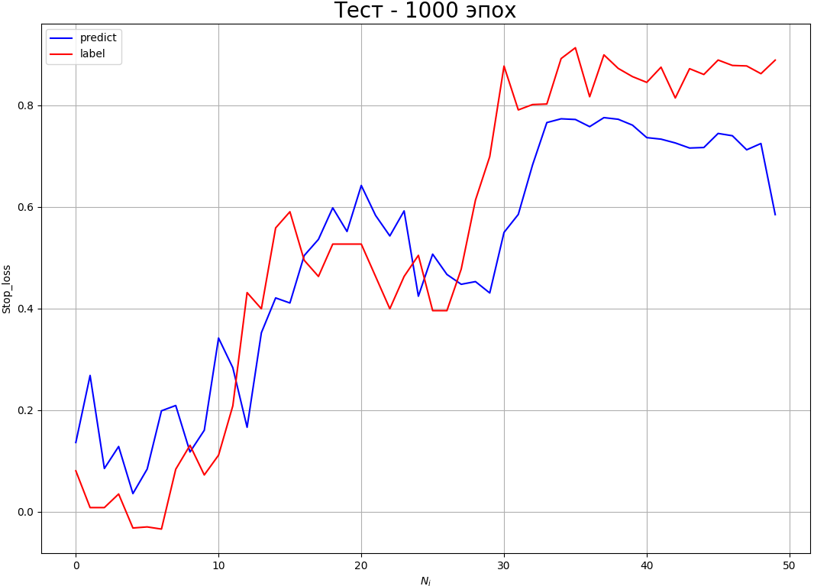
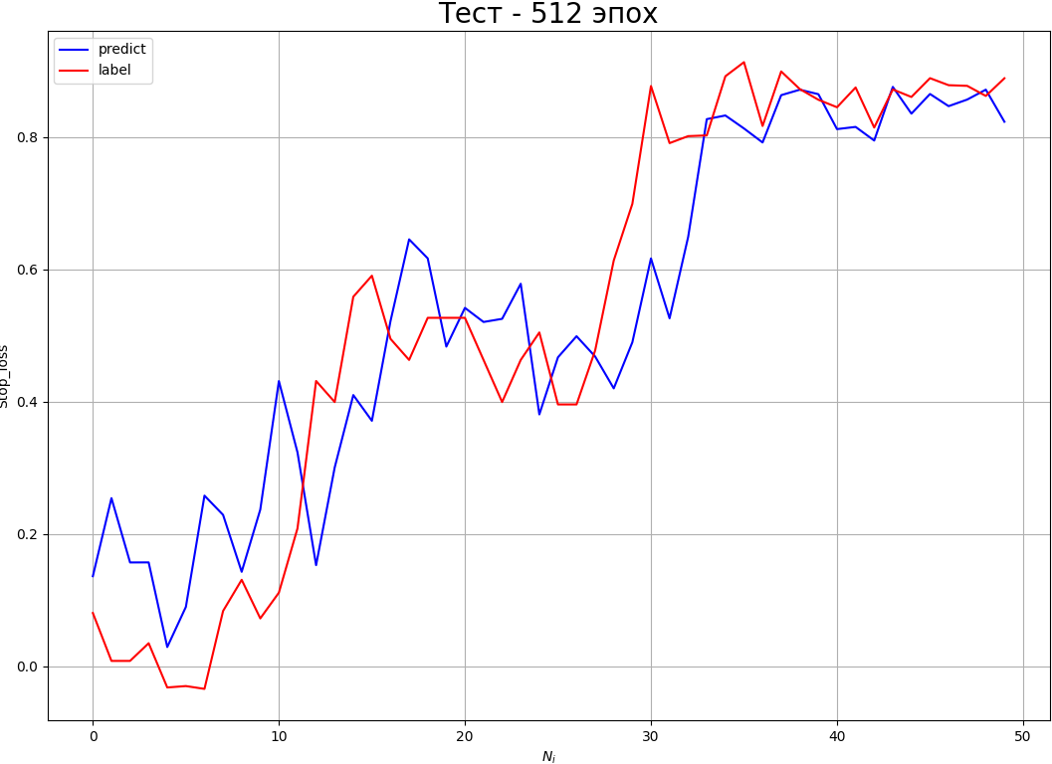
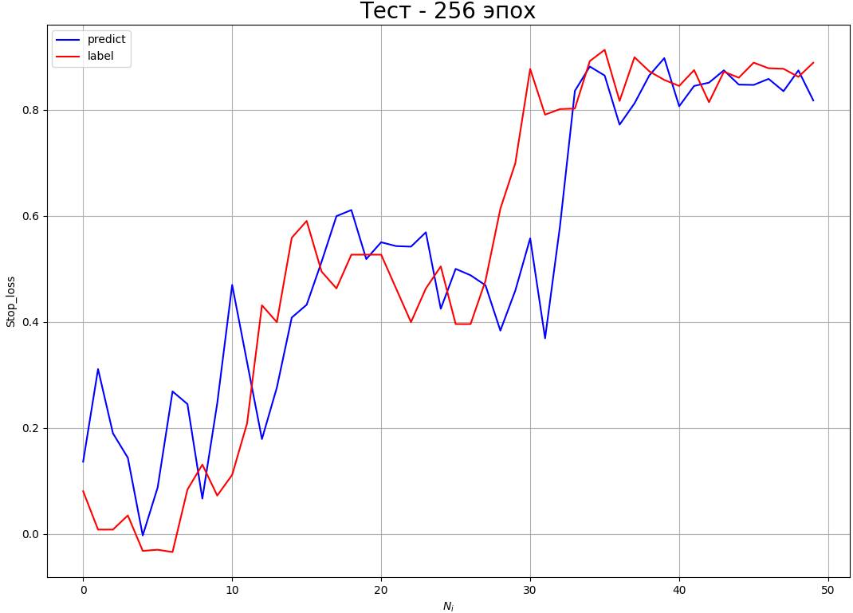
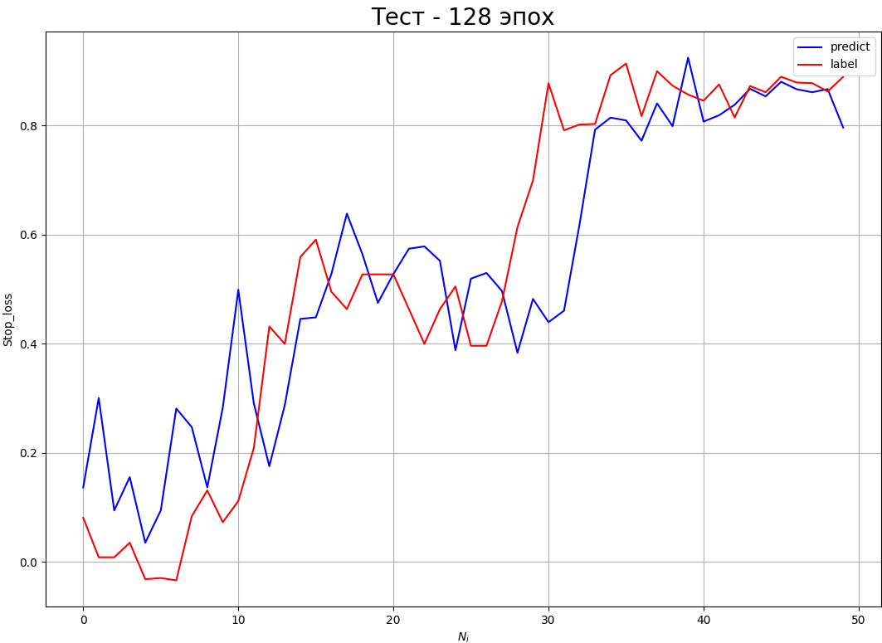
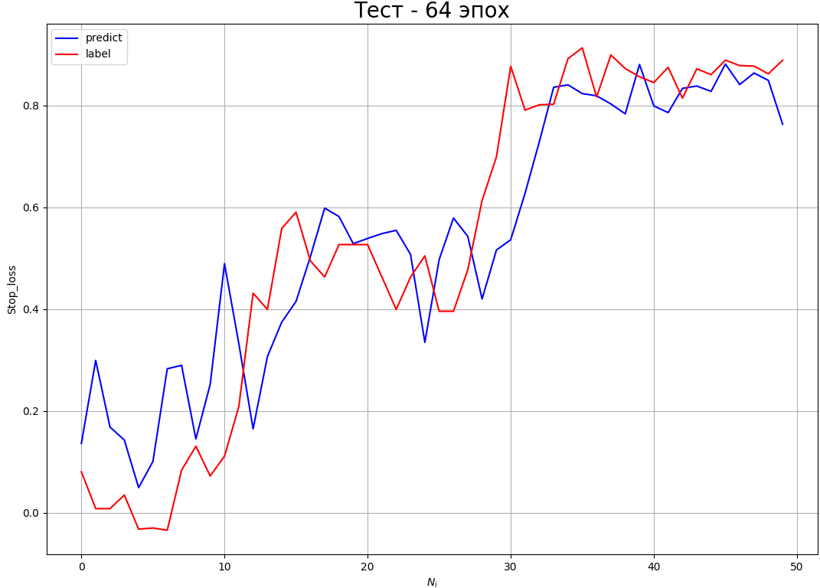
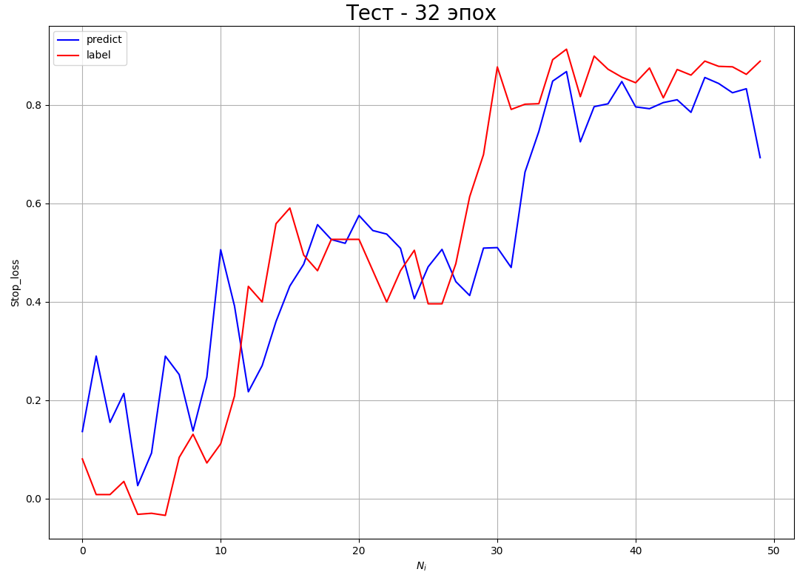
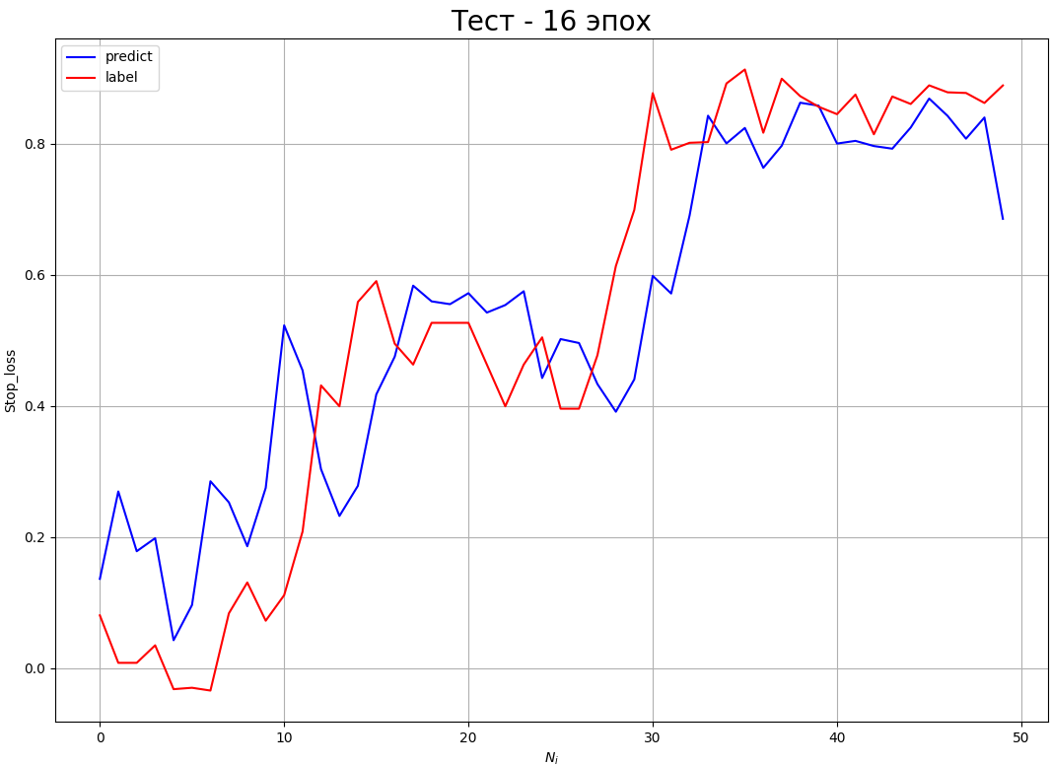
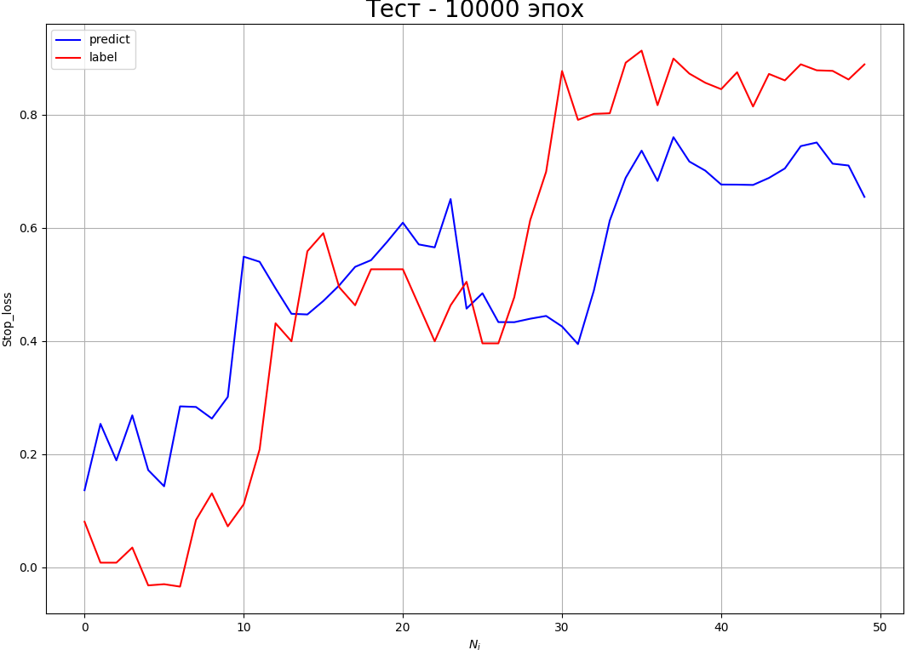
MSE | train | MLP | Time | Accuracy | Loss | Average_label | Average_prediction | Standard_deviation | Error, % | Max_error, % | MSE | test | MLP | Time | Relation | Average_label | Average_prediction | Standard_deviation | Error, % | Max_error, % | MSE | train | MLP | Average | Mediana | MSE | test | MLP | Average | Mediana | MAE | feedforward | CNN | Time | Relation | Average_label | Average_prediction | Standard_deviation | Error, % | Max_error, % | MAE | adittional | CNN | Time | Relation | Average_label | Average_prediction | Standard_deviation | Error, % | Max_error, %
 |  | 50 | 1.00 | 0.215 | 0.003 | 0.6151 | 0.6138 | 0.055 | 8.960 | 153.20 |  |  | 50 | 0.00 | 137.84 | 0.535 | 0.468 | 0.1673 | 31.267 | 1922.733 |  |  | Average_label | 0.6151 | 0.6151 |  |  | Average_label | 0.5350 | 0.5350 |  |  | 10000 | 303.76 | 266.883 | 0.5352 | 0.5137 | 0.1952 | 36.47 | 3012.5 |  |  | 1000 | 1351.0 | 206.03 | 0.5352 | 0.5003 | 0.1458 | 27.236 | 3192.7
 |  | 100 | 2.00 | 0.27 | 0.0016 | 0.6151 | 0.6188 | 0.044 | 7.078 | 55.59 |  |  | 100 | 0.00 | 143.74 | 0.535 | 0.472 | 0.155 | 28.934 | 1955.51 |  |  | Average_prediction | 0.6147 | 0.6148 |  |  | Average_prediction | 0.4789 | 0.4750 |  |  |  |  |  |  |  |  |  |  |  |  | 512 | 721.89 | 233.22 | 0.5352 | 0.5379 | 0.1344 | 25.122 | 3020.67
 |  | 200 | 3.586 | 0.585 | 0.0002 | 0.6151 | 0.6116 | 0.02 | 3.313 | 32.32 |  |  | 200 | 0.00 | 139.27 | 0.535 | 0.494 | 0.138 | 25.881 | 1834.29 |  |  | Standard_deviation | 0.0169 | 0.0090 |  |  | Relation | 162.2051 | 156.8500 |  |  |  |  |  |  |  |  |  |  |  |  | 256 | 368.28 | 253.41 | 0.5352 | 0.5371 | 0.151 | 28.122 | 3717.36
 |  | 400 | 6.72 | 0.715 | 0.00009 | 0.6151 | 0.6143 | 0.014 | 2.376 | 27.536 |  |  | 400 | 0.00 | 134.61 | 0.535 | 0.474 | 0.145 | 27.122 | 1467.21 |  |  | Error, % | 2.7699 | 1.4730 |  |  | Standard_deviation | 0.1553 | 0.1480 |  |  |  |  |  |  |  |  |  |  |  |  | 128 | 185.44 | 233.56 | 0.5352 | 0.5373 | 0.154 | 28.768 | 3584.97
 |  | 800 | 13.572 | 0.98 | 0.00002 | 0.6151 | 0.6142 | 0.009 | 1.473 | 19.183 |  |  | 800 | 0.00 | 190.50 | 0.535 | 0.484 | 0.148 | 27.637 | 1874.25 |  |  | Max_error, % | 34.7317 | 19.1830 |  |  | Error, % | 29.0514 | 27.7860 |  |  |  |  |  |  |  |  |  |  |  |  | 64 | 97.554 | 253.27 | 0.5352 | 0.5434 | 0.1441 | 26.919 | 3575.38
 |  | 1600 | 27.8 | 1.00 | 0.000006 | 0.6151 | 0.61501 | 0.0026 | 0.427 | 7.186 |  |  | 1600 | 0.00 | 156.85 | 0.535 | 0.479 | 0.139 | 26.07 | 1497.168 |  |  |  |  |  |  |  | Max_error, % | 1948.5246 | 1922.7330 |  |  |  |  |  |  |  |  |  |  |  |  | 32 | 49.222 | 246.968 | 0.5352 | 0.5265 | 0.1503 | 28.090 | 3455.447
 |  | 3200 | 56.043 | 1.00 | 0.0000006 | 0.6151 | 0.61483 | 0.00344 | 0.559 | 9.845 |  |  | 3200 | 0.00 | 174.42 | 0.535 | 0.475 | 0.181 | 33.815 | 2058.79 |  |  |  |  |  |  |  |  |  |  |  |  |  |  |  |  |  |  |  |  |  |  | 16 | 28.547 | 251.83 | 0.5352 | 0.5386 | 0.1512 | 28.260 | 3209.02
 |  | 6400 | 195.29 | 1.00 | 0.0000003 | 0.6151 | 0.61495 | 0.0033 | 0.539 | 5.37 |  |  | 6400 | 0.00 | 178.58 | 0.535 | 0.467 | 0.148 | 27.786 | 2187.48 |  |  | CNN | Average | Mediana
 |  | 10000 | 180.47 | 1.00 | 0.0000003 | 0.6151 | 0.61502 | 0.0012 | 0.204 | 2.355 |  |  | 10000 | 0.00 | 204.036 | 0.535 | 0.497 | 0.176 | 32.951 | 2739.29 |  |  | Average_label | 0.6151 | 0.6151 |  |  | CNN | Average | Mediana
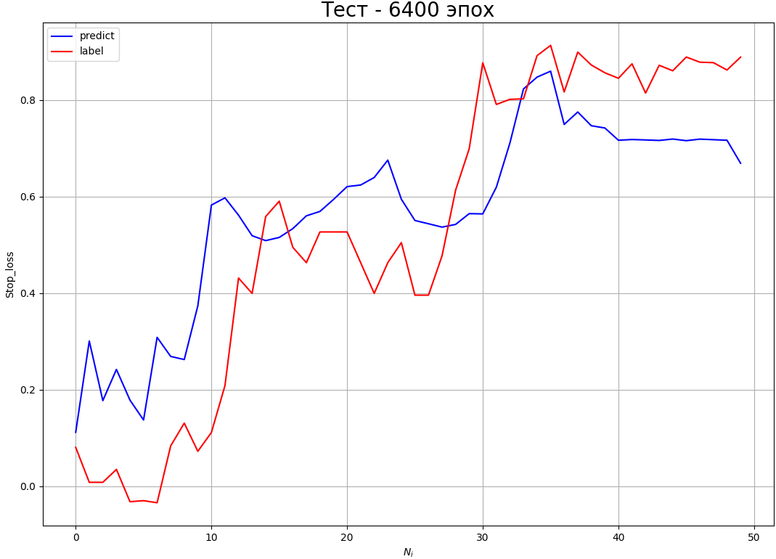
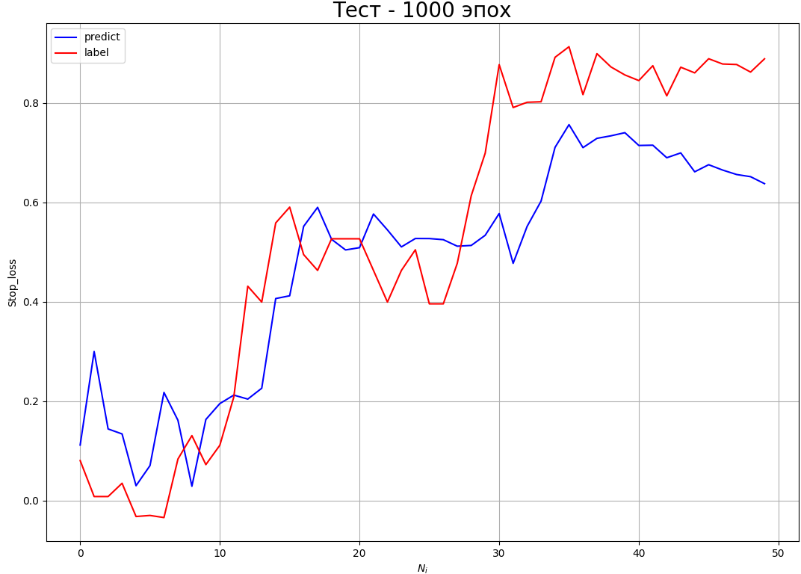
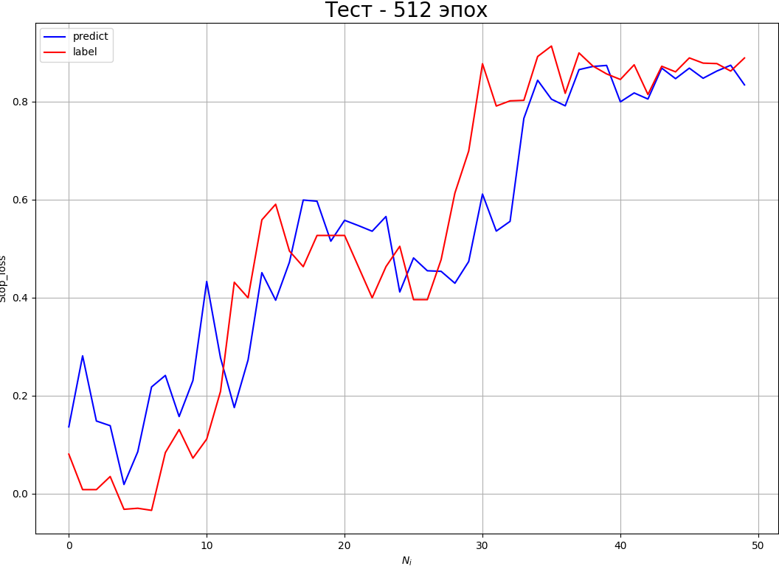
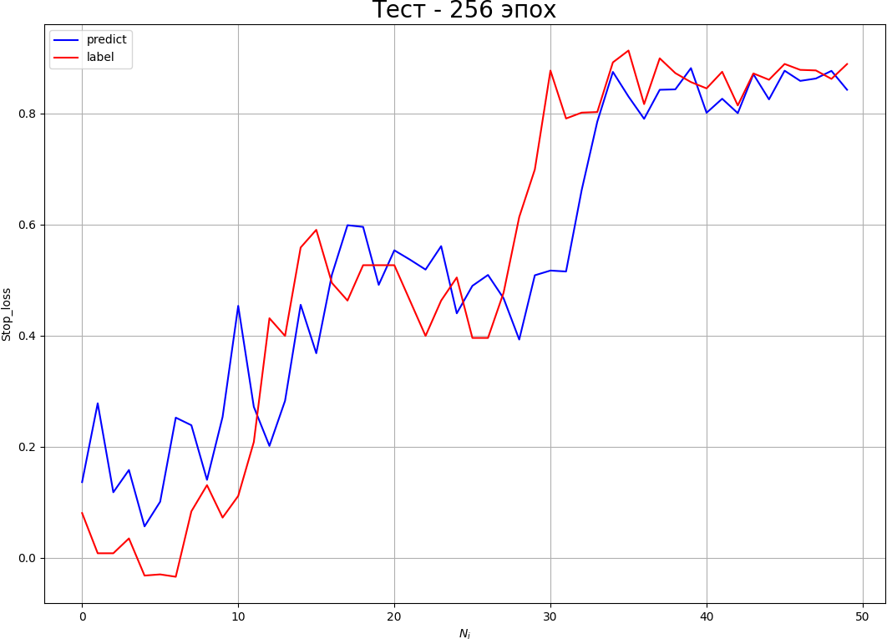
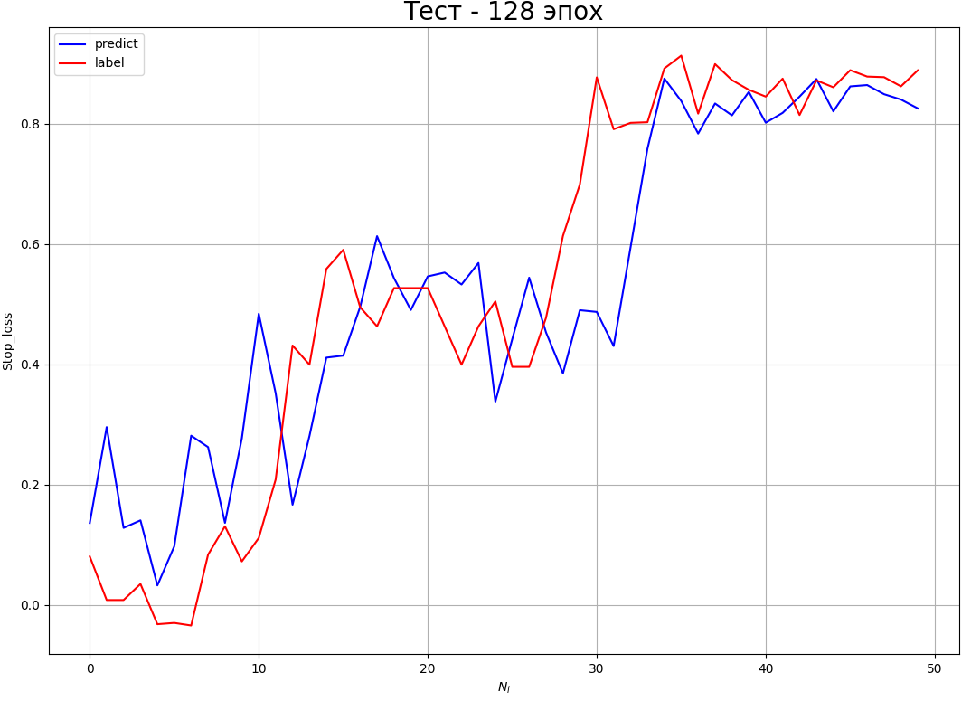
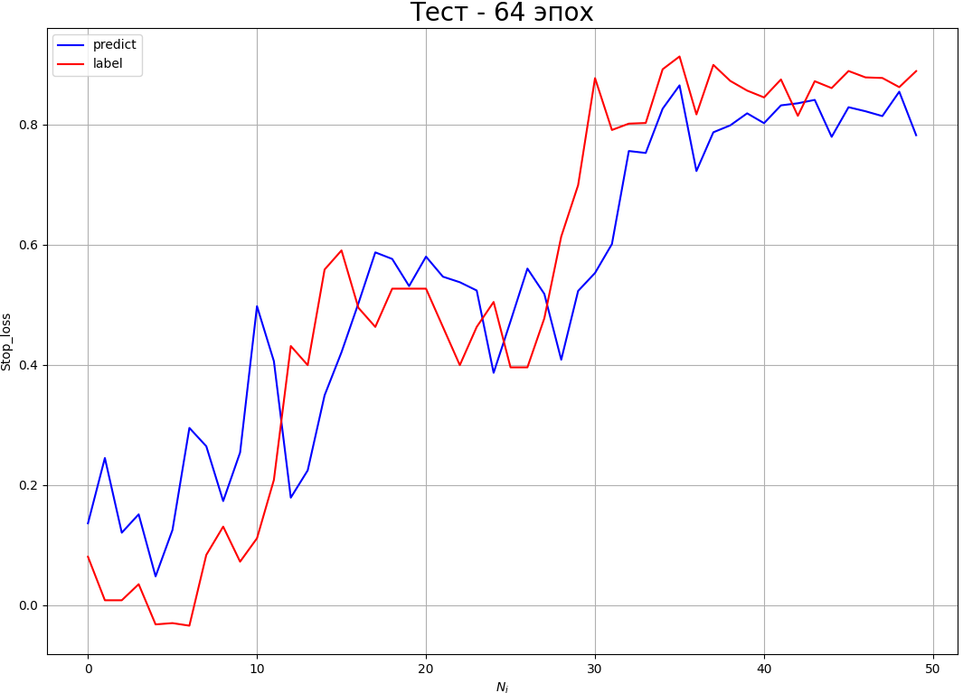


 |  |  |  |  |  |  |  |  |  |  |  |  |  |  |  |  |  |  |  |  |  |  | Average_prediction | 0.6121 | 0.6132 |  |  | Average_label | 0.5350 | 0.5350 |  |  | 6400 | 193.88 | 285.79 | 0.5352 | 0.5673 | 0.1774 | 33.1403 | 3593.116 |  |  | 1000 | 1375.9 | 219.95 | 0.5352 | 0.4766 | 0.1603 | 29.96 | 3581.503
 |  |  |  |  |  |  |  |  |  |  |  |  |  |  |  |  |  |  |  |  |  |  | Standard_deviation | 0.0679 | 0.0700 |  |  | Average_prediction | 0.5675 | 0.5522 |  |  |  |  |  |  |  |  |  |  |  |  | 512 | 736.57 | 232.84 | 0.5352 | 0.534 | 0.1317 | 24.61 | 3351.13
 |  | CNN | Time | Accuracy | Loss | Average_label | Average_prediction | Standard_deviation | Error, % | Max_error, % |  |  | CNN | Time | Relation | Average_label | Average_prediction | Standard_deviation | Error, % | Max_error, % |  |  | Error, % | 11.0541 | 11.3610 |  |  | Relation | 365.6441 | 364.6040 |  |  |  |  |  |  |  |  |  |  |  |  | 256 | 375.14 | 232.475 | 0.5352 | 0.5386 | 0.1362 | 25.443 | 3314.76
 |  | 50 | 3.484 | 0.07 | 0.0217 | 0.6151 | 0.598 | 0.1477 | 24.022 | 232.08 |  |  | 50 | 0.00 | 402.567 | 0.535 | 0.5478 | 0.185 | 34.658 | 5327.65 |  |  | Max_error, % | 138.2176 | 110.8000 |  |  | Standard_deviation | 0.2270 | 0.2160 |  |  |  |  |  |  |  |  |  |  |  |  | 128 | 190.38 | 239.09 | 0.5352 | 0.5313 | 0.1528 | 28.547 | 3529.4586
 |  | 100 | 4.673 | 0.10 | 0.0146 | 0.6151 | 0.6085 | 0.1298 | 21.117 | 232.21 |  |  | 100 | 0.00 | 594.99 | 0.535 | 0.707 | 0.281 | 52.643 | 7893.84 |  |  |  |  |  |  |  | Error, % | 42.4784 | 40.4120 |  |  |  |  |  |  |  |  |  |  |  |  | 64 | 98.92 | 230.41 | 0.5352 | 0.5364 | 0.1438 | 26.863 | 2906.67
 |  | 200 | 8.708 | 0.125 | 0.0104 | 0.6151 | 0.609 | 0.1033 | 16.793 | 280.85 |  |  | 200 | 0.00 | 364.604 | 0.535 | 0.5522 | 0.187 | 35.014 | 5421.75 |  |  |  |  |  |  |  | Max_error, % | 5011.9480 | 4651.0820 |  |  |  |  |  |  |  |  |  |  |  |  | 32 | 51.76 | 220.39 | 0.5352 | 0.5279 | 0.1480 | 27.660 | 3245.13
 |  | 400 | 13.039 | 0.235 | 0.00313 | 0.6151 | 0.61321 | 0.0702 | 11.413 | 110.8 |  |  | 400 | 0.00 | 369.137 | 0.535 | 0.6143 | 0.198 | 37.153 | 6113.93 |  |  |  |  |  |  |  |  |  |  |  |  |  |  |  |  |  |  |  |  |  |  | 16 | 28.315 | 250.86 | 0.5352 | 0.5322 | 0.1497 | 27.973 | 3462.689
 |  | 800 | 25.757 | 0.415 | 0.0013 | 0.6151 | 0.61134 | 0.05 | 8.193 | 97.023 |  |  | 800 | 0.00 | 373.84 | 0.535 | 0.576 | 0.216 | 40.412 | 4404.93
 |  | 1600 | 48.983 | 0.535 | 0.00064 | 0.6151 | 0.61734 | 0.07 | 11.361 | 149.358 |  |  | 1600 | 0.00 | 323.284 | 0.535 | 0.5205 | 0.2455 | 45.865 | 4651.082
 |  | 3200 | 98.291 | 0.73 | 0.00029 | 0.6151 | 0.62016 | 0.021 | 3.5232 | 66.7594 |  |  | 3200 | 0.00 | 315.9405 | 0.535 | 0.5173 | 0.2813 | 52.557 | 4351.543 |  |  |  |  |  |  |  |  |  |  |  |  | 3200 |  |  | 0.5352 |  |  |  |  |  |  | 1000 |  |  | 0.5352
 |  | 6400 | 193.839 | 0.955 | 0.00003 | 0.6151 | 0.6145 | 0.00741 | 1.205 | 24.537 |  |  | 6400 | 0.00 | 277.633 | 0.535 | 0.50 | 0.21 | 39.297 | 3712.01 |  |  |  |  |  |  |  |  |  |  |  |  |  |  |  |  |  |  |  |  |  |  | 512 |  |  | 0.5352
 |  | 10000 | 299.83 | 1.00 | 0.000028 | 0.6151 | 0.61665 | 0.0114 | 1.86 | 50.341 |  |  | 10000 | 0.00 | 268.801 | 0.535 | 0.5724 | 0.2393 | 44.707 | 3230.797 |  |  |  |  |  |  |  |  |  |  |  |  |  |  |  |  |  |  |  |  |  |  | 256 |  |  | 0.5352
 |  |  |  |  |  |  |  |  |  |  |  |  |  |  |  |  |  |  |  |  |  |  |  |  |  |  |  |  |  |  |  |  |  |  |  |  |  |  |  |  |  |  | 128 |  |  | 0.5352
 |  |  |  |  |  |  |  |  |  |  |  |  |  |  |  |  |  |  |  |  |  |  |  |  |  |  |  |  |  |  |  |  |  |  |  |  |  |  |  |  |  |  | 64 |  |  | 0.5352
MAE | train | MLP | Time | Accuracy | Loss | Average_label | Average_prediction | Standard_deviation | Error, % | Max_error, % | MAE | test | MLP | Time | Relation | Average_label | Average_prediction | Standard_deviation | Error, % | Max_error, % | MAE | train | MLP | Average | Mediana | MAE | test | MLP | Average | Mediana |  |  |  |  |  |  |  |  |  |  |  |  | 32 |  |  | 0.5352
 |  | 50 | 1.00 | 0.22 | 0.0395 | 0.6151 | 0.61235 | 0.0675 | 10.974 | 161.89 |  |  | 50 | 0.00 | 169.03 | 0.535 | 0.497 | 0.146 | 27.40 | 1578.07 |  |  | Average_label | 0.6151 | 0.6151 |  |  | Average_label | 0.5350 | 0.5350 |  |  |  |  |  |  |  |  |  |  |  |  | 16 |  |  | 0.5352
 |  | 100 | 2.00 | 0.37 | 0.0226 | 0.6151 | 0.6058 | 0.0436 | 7.09 | 62.462 |  |  | 100 | 0.00 | 190.92 | 0.535 | 0.478 | 0.157 | 29.377 | 2242.90 |  |  | Average_prediction | 0.6133 | 0.6143 |  |  | Average_prediction | 0.4597 | 0.4670
 |  | 200 | 3.455 | 0.425 | 0.0165 | 0.6151 | 0.61425 | 0.0236 | 3.846 | 53.93 |  |  | 200 | 0.00 | 165.598 | 0.535 | 0.4595 | 0.1549 | 28.949 | 1736.29 |  |  | Standard_deviation | 0.0213 | 0.0090 |  |  | Relation | 171.0888 | 171.4820
 |  | 400 | 7.208 | 0.62 | 0.0099 | 0.6151 | 0.6128 | 0.02307 | 3.751 | 26.671 |  |  | 400 | 0.00 | 162.802 | 0.535 | 0.467 | 0.1578 | 29.493 | 1603.944 |  |  | Error, % | 3.4607 | 1.457 |  |  | Standard_deviation | 0.1672 | 0.1578 |  |  | 1600 |  |  | 0.5352 |  |  |  |  |  |  | 1000 |  |  | 0.5352
 |  | 800 | 14.6937 | 0.87 | 0.00546 | 0.6151 | 0.61486 | 0.0088 | 1.44288 | 19.525 |  |  | 800 | 0.00 | 185.6651 | 0.535 | 0.4895 | 0.1408 | 26.307 | 2519.20 |  |  | Max_error, % | 42.7413 | 22.80 |  |  | Error, % | 31.2578 | 29.4930 |  |  |  |  |  |  |  |  |  |  |  |  | 512 |  |  | 0.5352
 |  | 1600 | 28.3952 | 0.94 | 0.0041 | 0.6151 | 0.61565 | 0.0078 | 1.273 | 22.8 |  |  | 1600 | 0.00 | 171.482 | 0.535 | 0.46968 | 0.1644 | 30.724 | 2006.28 |  |  |  |  |  |  |  | Max_error, % | 1979.2122 | 2006.28 |  |  |  |  |  |  |  |  |  |  |  |  | 256 |  |  | 0.5352
 |  | 3200 | 58.797 | 1.00 | 0.00254 | 0.6151 | 0.6143 | 0.009 | 1.45709 | 15.371 |  |  | 3200 | 0.00 | 122.962 | 0.535 | 0.42448 | 0.1856 | 34.688 | 1528.04 |  |  |  |  |  |  |  |  |  |  |  |  |  |  |  |  |  |  |  |  |  |  | 128 |  |  | 0.5352
 |  | 6400 | 117.31 | 1.00 | 0.00178 | 0.6151 | 0.61526 | 0.00531 | 0.863 | 11.782 |  |  | 6400 | 0.00 | 179.869 | 0.535 | 0.40775 | 0.20698 | 38.668 | 2573.78 |  |  | CNN | Average | Mediana |  |  |  |  |  |  |  |  |  |  |  |  |  |  |  |  |  | 64 |  |  | 0.5352
 |  | 10000 | 187.9521 | 1.00 | 0.00162 | 0.6151 | 0.61479 | 0.002762 | 0.44912 | 10.241 |  |  | 10000 | 0.00 | 191.47079 | 0.535 | 0.4445 | 0.1911 | 35.71387 | 2024.406 |  |  | Average_label | 0.6151 | 0.6151 |  |  | CNN | Average | Mediana |  |  |  |  |  |  |  |  |  |  |  |  | 32 |  |  | 0.5352
 |  |  |  |  |  |  |  |  |  |  |  |  |  |  |  |  |  |  |  |  |  |  | Average_prediction | 0.6236 | 0.6161 |  |  | Average_label | 0.5350 | 0.5350 |  |  |  |  |  |  |  |  |  |  |  |  | 16 |  |  | 0.5352
 |  |  |  |  |  |  |  |  |  |  |  |  |  |  |  |  |  |  |  |  |  |  | Standard_deviation | 0.0772 | 0.046 |  |  | Average_prediction | 0.5724 | 0.5502
 |  | CNN | Time | Accuracy | Loss | Average_label | Average_prediction | Standard_deviation | Error, % | Max_error, % |  |  | CNN | Time | Relation | Average_label | Average_prediction | Standard_deviation | Error, % | Max_error, % |  |  | Error, % | 12.5907 | 7.442 |  |  | Relation | 351.6213 | 335.9600
 |  | 50 | 3.895 | 0.12 | 0.1522 | 0.6151 | 0.6462 | 0.221 | 36.074 | 912.814 |  |  | 50 | 0.00 | 555.525 | 0.535 | 0.7153 | 0.288 | 53.7921 | 9219.84 |  |  | Max_error, % | 201.8219 | 124.144 |  |  | Standard_deviation | 0.2065 | 0.194 |  |  | 800 |  |  | 0.5352 |  |  |  |  |  |  | 1000 |  |  | 0.5352
 |  | 100 | 4.762 | 0.155 | 0.0887 | 0.6151 | 0.65 | 0.1405 | 22.852 | 340.091 |  |  | 100 | 0.00 | 411.85 | 0.535 | 0.5652 | 0.185 | 34.721 | 6026.34 |  |  |  |  |  |  |  | Error, % | 38.5965 | 36.192 |  |  |  |  |  |  |  |  |  |  |  |  | 512 |  |  | 0.5352
 |  | 200 | 8.21 | 0.21 | 0.7 | 0.6151 | 0.6293 | 0.127 | 20.756 | 149.159 |  |  | 200 | 0.00 | 469.323 | 0.535 | 0.6572 | 0.2043 | 38.17 | 5913.56 |  |  |  |  |  |  |  | Max_error, % | 5229.7529 | 4975.77 |  |  |  |  |  |  |  |  |  |  |  |  | 256 |  |  | 0.5352
 |  | 400 | 13.41 | 0.355 | 0.039 | 0.6151 | 0.61 | 0.079 | 12.923 | 142.243 |  |  | 400 | 0.00 | 315.993 | 0.535 | 0.5331 | 0.1729 | 32.3109 | 4811.598 |  |  |  |  |  |  |  |  |  |  |  |  |  |  |  |  |  |  |  |  |  |  | 128 |  |  | 0.5352
 |  | 800 | 25.776 | 0.44 | 0.024 | 0.6151 | 0.61833 | 0.0457 | 7.442 | 124.144 |  |  | 800 | 0.00 | 335.96 | 0.535 | 0.6463 | 0.1865 | 34.846 | 4975.766 |  |  |  |  |  |  |  |  |  |  |  |  |  |  |  |  |  |  |  |  |  |  | 64 |  |  | 0.5352
 |  | 1600 | 51.802 | 0.605 | 0.0143 | 0.6151 | 0.6161 | 0.03 | 4.928 | 38.164 |  |  | 1600 | 0.00 | 280.75 | 0.535 | 0.5064 | 0.208 | 38.92 | 3648.10 |  |  |  |  |  |  |  |  |  |  |  |  |  |  |  |  |  |  |  |  |  |  | 32 |  |  | 0.5352
 |  | 3200 | 102.44 | 0.715 | 0.0106 | 0.6151 | 0.6144 | 0.02558 | 4.1605 | 71.385 |  |  | 3200 | 0.00 | 230.609 | 0.535 | 0.4783 | 0.2408 | 44.9939 | 3247.14 |  |  |  |  |  |  |  |  |  |  |  |  |  |  |  |  |  |  |  |  |  |  | 16 |  |  | 0.5352
 |  | 6400 | 202.842 | 0.855 | 0.0065 | 0.6151 | 0.6155 | 0.0144 | 2.34 | 21.444 |  |  | 6400 | 0.00 | 342.341 | 0.535 | 0.5502 | 0.1789 | 33.423 | 5398.51
 |  | 10000 | 317.748 | 0.935 | 0.00416 | 0.6151 | 0.613 | 0.0113 | 1.841 | 16.953 |  |  | 10000 | 0.00 | 222.241 | 0.535 | 0.50 | 0.1937 | 36.192 | 3826.922
 |  |  |  |  |  |  |  |  |  |  |  |  |  |  |  |  |  |  |  |  |  |  |  |  |  |  |  |  |  |  |  |  | 400 |  |  | 0.5352 |  |  |  |  |  |  | 1000 |  |  | 0.5352
 |  |  |  |  |  |  |  |  |  |  |  |  |  |  |  |  |  |  |  |  |  |  |  |  |  |  |  |  |  |  |  |  |  |  |  |  |  |  |  |  |  |  | 512 |  |  | 0.5352
 |  |  |  |  |  |  |  |  |  |  |  |  |  |  |  |  |  |  |  |  |  |  |  |  |  |  |  |  |  |  |  |  |  |  |  |  |  |  |  |  |  |  | 256 |  |  | 0.5352
 |  |  |  |  |  |  |  |  |  |  |  |  |  |  |  |  |  |  |  |  |  |  |  |  |  |  |  |  |  |  |  |  |  |  |  |  |  |  |  |  |  |  | 128 |  |  | 0.5352
 |  |  |  |  |  |  |  |  |  |  |  |  |  |  |  |  |  |  |  |  |  |  |  |  |  |  |  |  |  |  |  |  |  |  |  |  |  |  |  |  |  |  | 64 |  |  | 0.5352
 |  |  |  |  |  |  |  |  |  |  |  |  |  |  |  |  |  |  |  |  |  |  |  |  |  |  |  |  |  |  |  |  |  |  |  |  |  |  |  |  |  |  | 32 |  |  | 0.5352
 |  |  |  |  |  |  |  |  |  |  |  |  |  |  |  |  |  |  |  |  |  |  |  |  |  |  |  |  |  |  |  |  |  |  |  |  |  |  |  |  |  |  | 16 |  |  | 0.5352

 |  |  |  |  |  |  |  |  |  |  |  |  |  |  |  |  |  |  |  |  |  |  |  |  |  |  |  |  |  |  |  |  | 200 |  |  | 0.5352 |  |  |  |  |  |  | 1000 |  |  | 0.5352
 |  |  |  |  |  |  |  |  |  |  |  |  |  |  |  |  |  |  |  |  |  |  |  |  |  |  |  |  |  |  |  |  |  |  |  |  |  |  |  |  |  |  | 512 |  |  | 0.5352
 |  |  |  |  |  |  |  |  |  |  |  |  |  |  |  |  |  |  |  |  |  |  |  |  |  |  |  |  |  |  |  |  |  |  |  |  |  |  |  |  |  |  | 256 |  |  | 0.5352
 |  |  |  |  |  |  |  |  |  |  |  |  |  |  |  |  |  |  |  |  |  |  |  |  |  |  |  |  |  |  |  |  |  |  |  |  |  |  |  |  |  |  | 128 |  |  | 0.5352
 |  |  |  |  |  |  |  |  |  |  |  |  |  |  |  |  |  |  |  |  |  |  |  |  |  |  |  |  |  |  |  |  |  |  |  |  |  |  |  |  |  |  | 64 |  |  | 0.5352
 |  |  |  |  |  |  |  |  |  |  |  |  |  |  |  |  |  |  |  |  |  |  |  |  |  |  |  |  |  |  |  |  |  |  |  |  |  |  |  |  |  |  | 32 |  |  | 0.5352
 |  |  |  |  |  |  |  |  |  |  |  |  |  |  |  |  |  |  |  |  |  |  |  |  |  |  |  |  |  |  |  |  |  |  |  |  |  |  |  |  |  |  | 16 |  |  | 0.5352

 |  |  |  |  |  |  |  |  |  |  |  |  |  |  |  |  |  |  |  |  |  |  |  |  |  |  |  |  |  |  |  |  | 100 |  |  | 0.5352 |  |  |  |  |  |  | 1000 |  |  | 0.5352
 |  |  |  |  |  |  |  |  |  |  |  |  |  |  |  |  |  |  |  |  |  |  |  |  |  |  |  |  |  |  |  |  |  |  |  |  |  |  |  |  |  |  | 512 |  |  | 0.5352
 |  |  |  |  |  |  |  |  |  |  |  |  |  |  |  |  |  |  |  |  |  |  |  |  |  |  |  |  |  |  |  |  |  |  |  |  |  |  |  |  |  |  | 256 |  |  | 0.5352
 |  |  |  |  |  |  |  |  |  |  |  |  |  |  |  |  |  |  |  |  |  |  |  |  |  |  |  |  |  |  |  |  |  |  |  |  |  |  |  |  |  |  | 128 |  |  | 0.5352
 |  |  |  |  |  |  |  |  |  |  |  |  |  |  |  |  |  |  |  |  |  |  |  |  |  |  |  |  |  |  |  |  |  |  |  |  |  |  |  |  |  |  | 64 |  |  | 0.5352
 |  |  |  |  |  |  |  |  |  |  |  |  |  |  |  |  |  |  |  |  |  |  |  |  |  |  |  |  |  |  |  |  |  |  |  |  |  |  |  |  |  |  | 32 |  |  | 0.5352
 |  |  |  |  |  |  |  |  |  |  |  |  |  |  |  |  |  |  |  |  |  |  |  |  |  |  |  |  |  |  |  |  |  |  |  |  |  |  |  |  |  |  | 16 |  |  | 0.5352

 |  |  |  |  |  |  |  |  |  |  |  |  |  |  |  |  |  |  |  |  |  |  |  |  |  |  |  |  |  |  |  |  | 50 |  |  | 0.5352 |  |  |  |  |  |  | 1000 |  |  | 0.5352
 |  |  |  |  |  |  |  |  |  |  |  |  |  |  |  |  |  |  |  |  |  |  |  |  |  |  |  |  |  |  |  |  |  |  |  |  |  |  |  |  |  |  | 512 |  |  | 0.5352
 |  |  |  |  |  |  |  |  |  |  |  |  |  |  |  |  |  |  |  |  |  |  |  |  |  |  |  |  |  |  |  |  |  |  |  |  |  |  |  |  |  |  | 256 |  |  | 0.5352
 |  |  |  |  |  |  |  |  |  |  |  |  |  |  |  |  |  |  |  |  |  |  |  |  |  |  |  |  |  |  |  |  |  |  |  |  |  |  |  |  |  |  | 128 |  |  | 0.5352
 |  |  |  |  |  |  |  |  |  |  |  |  |  |  |  |  |  |  |  |  |  |  |  |  |  |  |  |  |  |  |  |  |  |  |  |  |  |  |  |  |  |  | 64 |  |  | 0.5352
 |  |  |  |  |  |  |  |  |  |  |  |  |  |  |  |  |  |  |  |  |  |  |  |  |  |  |  |  |  |  |  |  |  |  |  |  |  |  |  |  |  |  | 32 |  |  | 0.5352
 |  |  |  |  |  |  |  |  |  |  |  |  |  |  |  |  |  |  |  |  |  |  |  |  |  |  |  |  |  |  |  |  |  |  |  |  |  |  |  |  |  |  | 16 |  |  | 0.5352

