main
top page
 | top page | login | sign up |  |  | my page | cart

 |  |  |  |  | Search

 | Category1 |  | scroll picture
 | Category2
 | Category3
 | Category4
 | Category5
 | Category6
 | Category7
 | Category8
 | Category9
 | Category10
 | Category11
 | Category12

search results
 | top page | login | sign up |  |  | my page | cart

 |  |  |  |  | Search

 | Filter
picture
picture
picture
 | start price

item name
item name
item name
 | end price

picture
picture
picture
 | manufacturer

item name
item name
item name

item detail
 | top page | login | sign up |  |  | my page | cart

 |  |  |  |  | Search

scroll picture
 |  |  |  | item name

 |  |  |  | price

 |  |  |  | size

-
+
 |  |  |  | amount

add to cart

detail information

cart
cart
 | top page | username |  |  |  |  |  | my page | cart
picture
 |  |  | item name

-
+
Delete
 |  |  | size |  |  | amount

Apply Dismount
Check out
Back
 | Total Tax: $33,333
 | Total price: $5,982,587

order confirm
 | top page | username |  |  |  |  |  | my page | cart

 |  | address
 |  |  | name
 |  |  | address
change

picture
 |  |  |  | item name | price
 |  |  |  | size | dismount |  | sum
picture
 |  |  |  | item name | price
 |  |  |  | size | dismount |  | sum

password
 |  |  |  |  |  |  | Total:
pay

buyer
Login

Welcome

User

Password

Login

Signup
 | eMart |  |  |  |  | Buyer | Seller

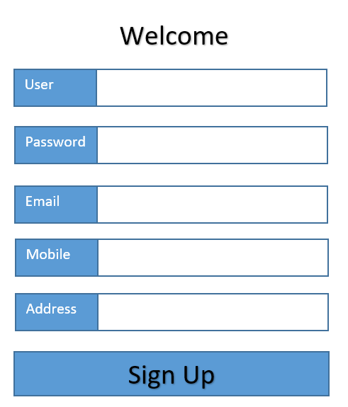

User information
 | top page | Welcome,username |  |  | my page | cart | Logout
 | eMart

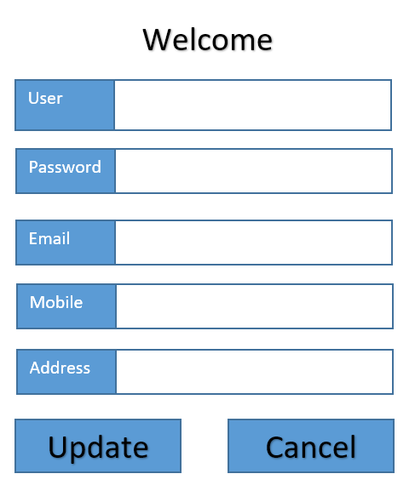

Purchase History
 | top page | Welcome,username |  |  | my page | cart | Logout
picture
 |  |  | item name

scroll bar
 |  |  | size | amount | Buy Date

Back

seller
Login

Welcome

User

Password

Login

Signup
 | eMart |  |  | Buyer | Seller

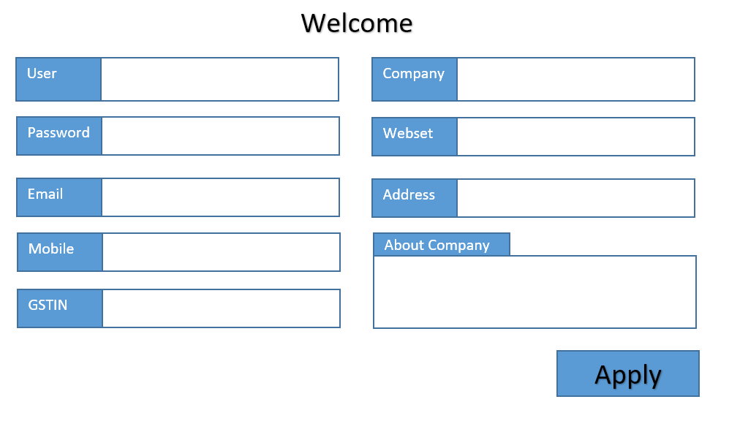

dropdown

Selling Items
Sold Items
seller information
 | top page | Welcome,username | my page | cart | Logout
 | eMart

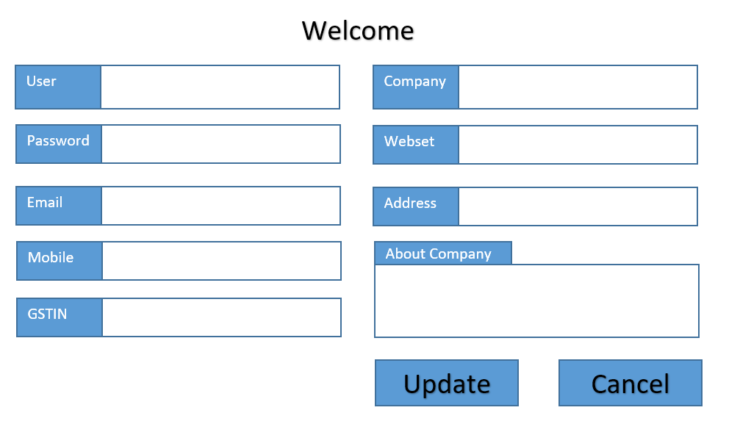

Item

Add Item
selling items
 | top page | Welcome,username | my page | cart | Logout
 | eMart

picture
item name
Detail

picture
item name
Detail

picture
item name
Detail

add item
 | top page | Welcome,username | my page | cart | Logout
 | eMart

category
description
subcategory

name
picture
price
stock No.

sum

kind1
kind2
Submit

detail
 | top page | Welcome,username | my page | cart | Logout
 | eMart

category
description
subcategory

name
picture
price
stock No.

sum

kind1
kind2
Update
Cancel

Sold items
 | top page | Welcome,username | my page | cart | Logout

Back

DB
Buyer
 | COLUMN_NAME | DATA_TYPE | IS_PRIMARYKEY | IS_NULLABLE | COLUMN_COMMENT
 | Buyer_ID | BIGINT(5) | PK | NO
 | Buyer_NAME | VARCHAR(20) | PK | NO
 | PASSWORD | VARCHAR(15) |  | NO
 | EMAIL | VARCHAR(20) |  | NO
 | PHONE | VARCHAR(11) |  | NO
 | CREATE_DATE | VARCHAR(8) |  | NO
 | ADDRESS | VARCHAR(100) |  | NO
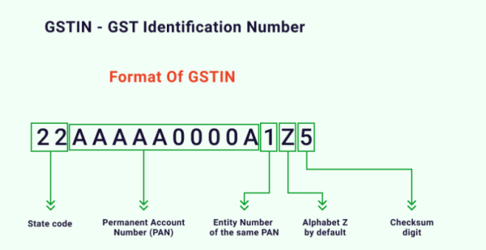
Seller | COLUMN_NAME | DATA_TYPE | IS_PRIMARYKEY | IS_NULLABLE | COLUMN_COMMENT
 | Seller_ID | BIGINT(5) | PK | NO
 | Seller_NAME | VARCHAR(20) | PK | NO
 | PASSWORD | VARCHAR(15) |  | NO
 | COMPANY_NAME | VARCHAR(100) |  | NO
 | EMAIL | VARCHAR(20) |  | NO
 | PHONE | VARCHAR(11) |  | NO
 | WEBSITE | VARCHAR(30) |  | NO
 | ADDRESS | VARCHAR(100) |  | NO
 | GSTIN | VARCHAR(15) |  | NO
 | COMPANY_INFORMATION | VARCHAR(200) |  | NO

Category
 | COLUMN_NAME | DATA_TYPE | IS_PRIMARYKEY | IS_NULLABLE | COLUMN_COMMENT
 | CATEGORY_ID | BIGINT(5) | PK | NO
 | CATEGORY_NAME | VARCHAR(20) | PK | NO
 | DETAILS | VARCHAR(200) |  | NO

Subcategory
 | COLUMN_NAME | DATA_TYPE | IS_PRIMARYKEY | IS_NULLABLE | COLUMN_COMMENT
 | subcategory_id | BIGINT(5) | PK | NO
 | subcategory_name | VARCHAR(20) | PK | NO |  | For example Mobiles, TV, etc... can be Sub Catgeories in Electronic Category
 | category_id | BIGINT(5) |  | NO
 | details | VARCHAR(200) |  | NO
 | GST % | decimal(3,1) |  | NO

Items | COLUMN_NAME | DATA_TYPE | IS_PRIMARYKEY | IS_NULLABLE | COLUMN_COMMENT
 | ITEM_id | BIGINT(5) | PK | NO
 | item_name | VARCHAR(20) | PK | NO
 | CATEGORY_ID | BIGINT(5) |  | NO
 | subcategory_id | BIGINT(5) |  | NO
 | brand | VARCHAR(20) |  | NO
 | price | decimal(9,2) |  | NO
 | description | VARCHAR(100) |  | NO
 | stock_number | BIGINT(5) |  | NO
 | remarks | VARCHAR(200) |  | NO

Purchase History
 | COLUMN_NAME | DATA_TYPE | IS_PRIMARYKEY | IS_NULLABLE | COLUMN_COMMENT
 | Id | BIGINT(5) | PK | NO
 | Buyer_id | BIGINT(5) |  | NO
 | Seller_id | BIGINT(5) |  | NO
 | Transaction_id | BIGINT(5) |  | NO
 | Item_id | BIGINT(5) |  | NO
 | Number_of_items | BIGINT(5) |  | NO
 | Date_time | timestamp |  | NO |  | `gmt_create` timestamp NOT NULL default CURRENT_TIMESTAMP on update CURRENT_TIMESTAMP
 | remarks | VARCHAR(200) |  | NO

Transactions
 | COLUMN_NAME | DATA_TYPE | IS_PRIMARYKEY | IS_NULLABLE | COLUMN_COMMENT
 | id | BIGINT(5) | PK | NO
 | buyer_id | BIGINT(5) |  | NO
 | seller_id | BIGINT(5) |  | NO
 | transaction_type(Eg. debit or credit) | VARCHAR(5) |  | NO
 | price | decimal(9,2) |  | NO
 | date_time | timestamp |  | NO
 | remarks | VARCHAR(200) |  | NO

Discounts
 | COLUMN_NAME | DATA_TYPE | IS_PRIMARYKEY | IS_NULLABLE | COLUMN_COMMENT
 | id | BIGINT(5) | PK | NO
 | Discount_code | VARCHAR(5) | PK | NO
 | percentage % | decimal(3,1) |  | NO
 | start_date | timestamp |  | NO
 | end_date | timestamp |  | NO
 | description | VARCHAR(200) |  | NO

