Annexure-1
Sr No | COMMENTS | IMAGE/Link
1 | Supporting images for fault | 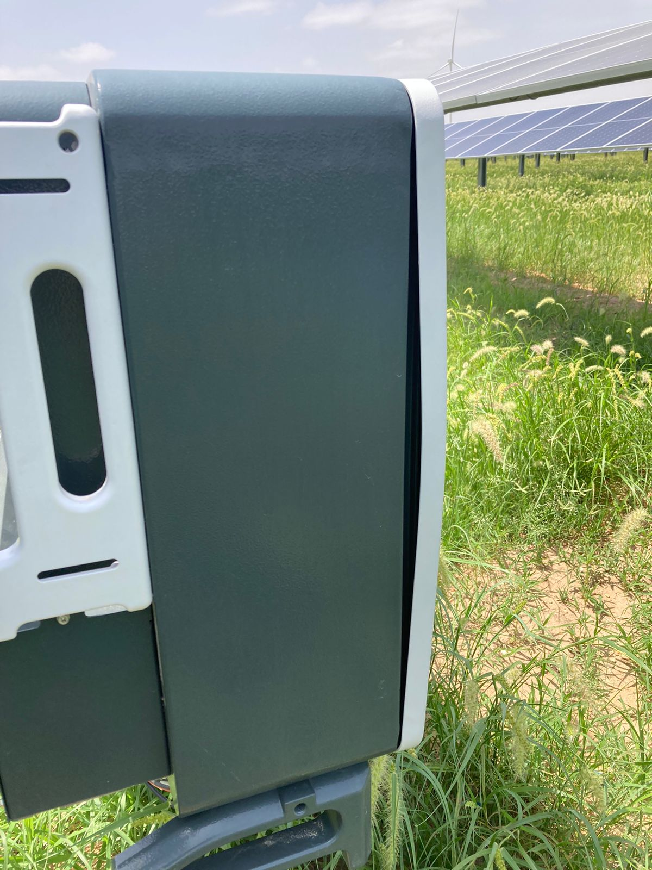
2 | Images of indication/alarm in SCADA, annunciator, Relay
3 | Equipment drawing
4 | Relay settings (Actual)
5 | DR files of all breakers, tripped during this fault
6 | SCADA event log
7 | Fault history of breakdowns at same location
8 | Last PM checklist
9 | Voltage, Current & Power 1 min. SCADA log
10 | Testing reports of failed equipment
11 | Make & specifications of equipment under breakdown
12 | HT cable fault form

