Sheet1
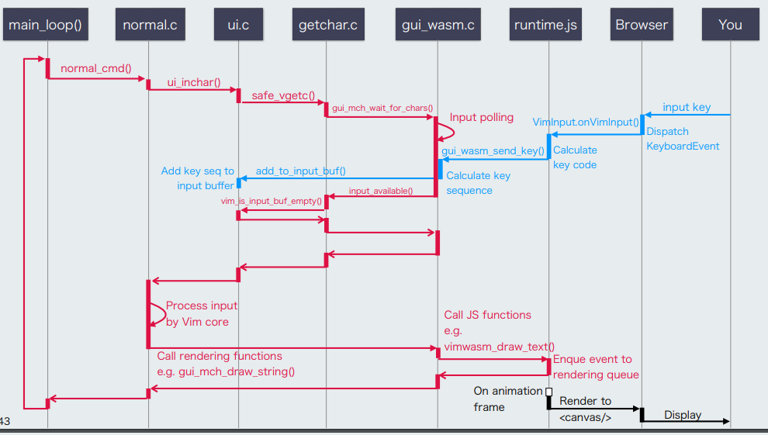
VimMain | vim_main2 | main_loop | gui_wait_for_chars | normal_cmd | safe_vgetc | vgetc | vgetorpeek | inchar | ui_inchar | gui_inchar | gui_wait_for_chars_buf | inchar_loop | gui_wait_for_chars_or_timer | ui_wait_for_chars_or_timer | gui_wait_for_chars_3 | gui_mch_wait_for_chars

 |  |  | gui.c | normal.c | getchar.c | getchar.c | getchar.c | getchar.c | ui.c | gui.c | gui.c | ui.c | gui.c | ui.c | gui.c | gui_w32.c

 |  |  |  |  |  |  |  |  |  |  |  |  |  |  |  |  | https://vimconf.org/2018/slides/vimconf-2018-vimwasm-en.pdf

