Φύλλο1
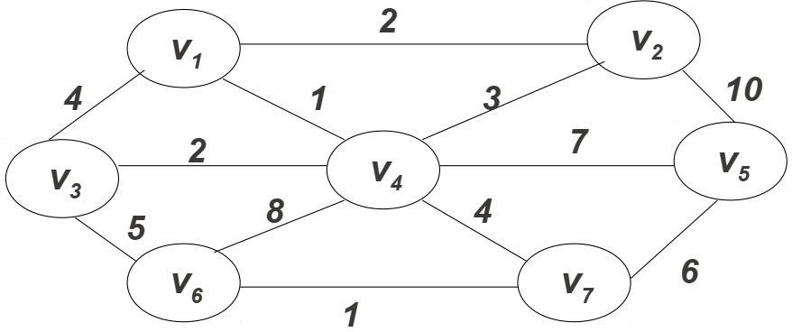
DEFAULT |  |  |  | Graph Generator File |  |  | Program Logic
Vertex | Known? | Distance | Previous | s |  |  | Step | Action
v1 | No | ∞ | v0 | 7 |  |  | 1 | Start at node N (1 in this example)
v2 | No | ∞ | v0 | 1 | 2 | 2 | 2 | Iterate through the Connection array checking for connections to Node X with a Weight Y, increasing from 0
v3 | No | ∞ | v0 | 2 | 5 | 10 | 3 | If a Node matches the weight, add it to list of candidate connections
v4 | No | ∞ | v0 | 5 | 7 | 6 |  | Sort candidate list by weight
v5 | No | ∞ | v0 | 7 | 6 | 1 |  | Check to see if the shortPathTree has been completed
v6 | No | ∞ | v0 | 6 | 3 | 5 |  | If not: restart the loop; If success, print the Shortest Path Tree, and exit the program
v7 | No | ∞ | v0 | 3 | 1 | 4
 |  |  |  | 1 | 4 | 1
 |  |  |  | 3 | 4 | 2
 |  |  |  | 6 | 4 | 8
 |  |  |  | 7 | 4 | 4
Step 1 |  |  |  | 5 | 4 | 7
Vertex | Known? | Distance | Previous | 2 | 4 | 3
v1 | Yes | 0 | v0
v2 | No | ∞ | v0
v3 | No | ∞ | v0
v4 | No | ∞ | v0
v5 | No | ∞ | v0
v6 | No | ∞ | v0
v7 | No | ∞ | v0

Step 2
Vertex | Known? | Distance | Previous
v1 | Yes | 0 | v0
v2 | No | 2 | v1
v3 | No | 4 | v1
v4 | Yes | 1 | v1
v5 | No | ∞ | v0
v6 | No | ∞ | v0
v7 | No | ∞ | v0

Step 3
Vertex | Known? | Distance | Previous
v1 | Yes | 0 | v0
v2 | Yes | 2 | v1
v3 | No | 4 | v1
v4 | Yes | 1 | v1
v5 | No | ∞ | v0
v6 | No | ∞ | v0
v7 | No | ∞ | v0

Step 4
Vertex | Known? | Distance | Previous
v1 | Yes | 0 | v0
v2 | Yes | 2 | v1
v3 | Yes | 3 | v4
v4 | Yes | 1 | v1
v5 | No | ∞ | v0
v6 | No | ∞ | v0
v7 | No | ∞ | v0

Step 5
Vertex | Known? | Distance | Previous
v1 | Yes | 0 | v0
v2 | Yes | 2 | v1
v3 | Yes | 3 | v4
v4 | Yes | 1 | v1
v5 | Yes | 8 | v4
v6 | No | ∞ | v0
v7 | No | ∞ | v0

Step 6
Vertex | Known? | Distance | Previous
v1 | Yes | 0 | v0
v2 | Yes | 2 | v1
v3 | Yes | 3 | v4
v4 | Yes | 1 | v1
v5 | Yes | 8 | v4
v6 | No | ∞ | v0
v7 | Yes | 5 | v4

Step 7
Vertex | Known? | Distance | Previous
v1 | Yes | 0 | v0
v2 | Yes | 2 | v1
v3 | Yes | 3 | v4
v4 | Yes | 1 | v1
v5 | Yes | 8 | v4
v6 | Yes | 6 | v7
v7 | Yes | 5 | v4

Desired Output
Start Node: 1

Node To | Tot. Dist. | Via Node
1 | N/A | self
2 | 2 | 1
3 | 3 | 4
4 | 1 | 1
5 | 8 | 4
6 | 6 | 7
7 | 5 | 4

Start Node: 1

Node To | Tot. Dist. | Via Node
1 | N/A | self
2 | y | 1
… | … | …
… | … | …
… | … | …
n - 1 | y | 7
n | y | 4

