Sheet1
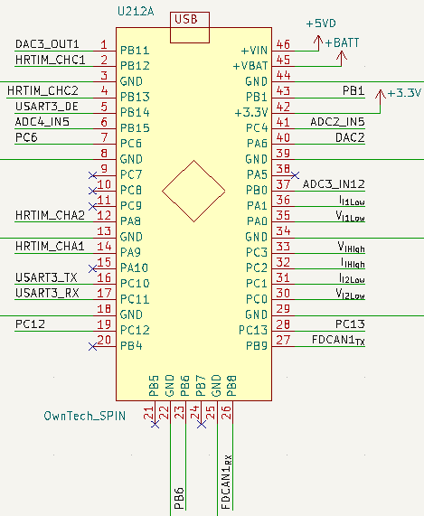
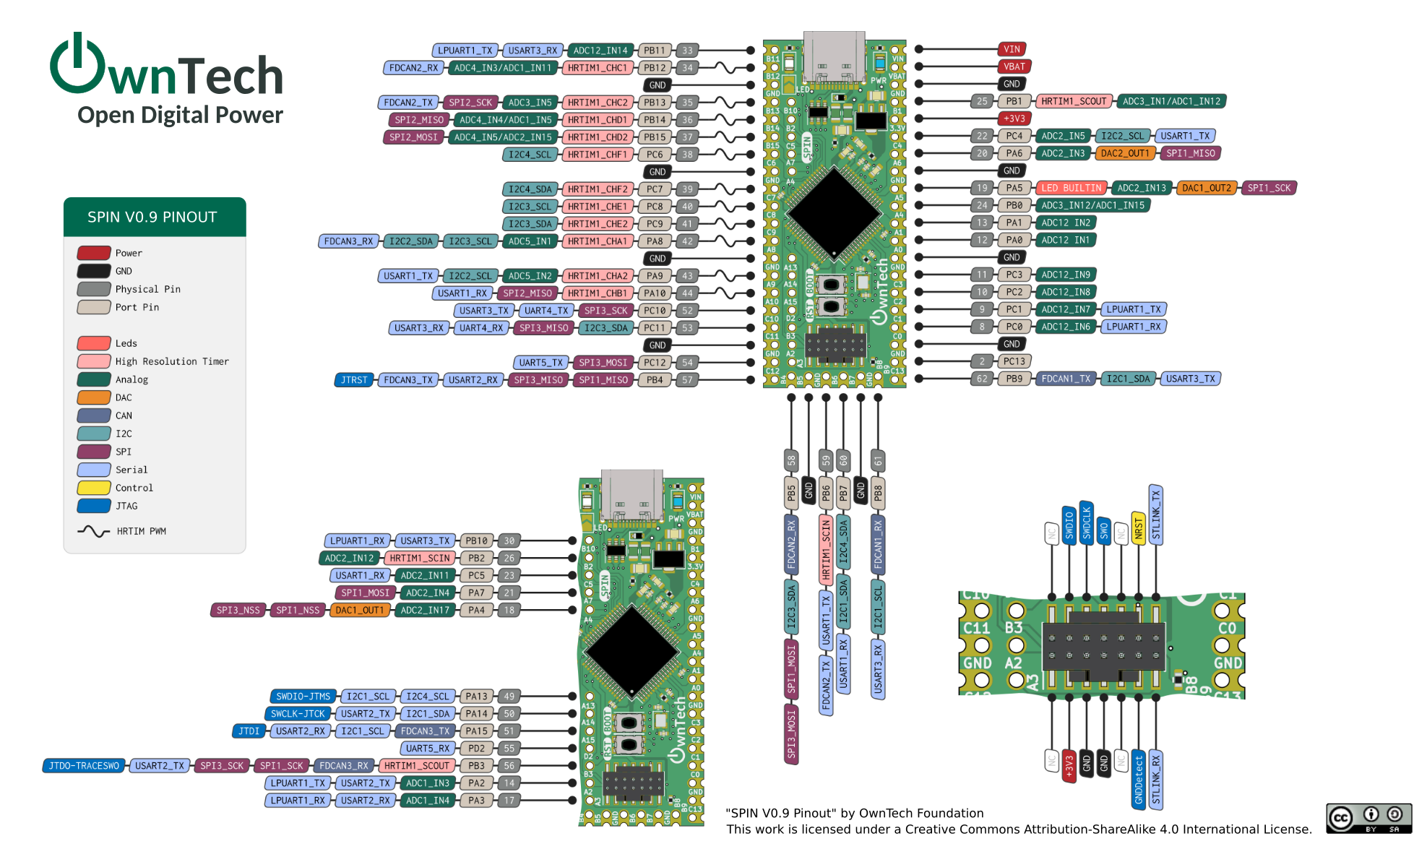
PIN number | PIN name | Signal TWIST | Signal Inverter
1 | PB11 | DAC3_OUT1 | VPhase3_sense
2 | PB12 | HRTIM_CHC1 | HRTIM_CHC1
3 | GND | DGND | DGND
4 | PB13 | HRTIM_CHC2 | HRTIM_CHC2
5 | PB14 | USART3_DE | USART3_DE
6 | PB15 | ADC4_IN5 | ADC4_IN5
7 | PC6 | PC6 (NGND) | STDBY3/
8 | GND | DGND | DGND
9 | PC7 | N/A | N/A
10 | PC8 | N/A | HRTIM1_CHE1
11 | PC9 | N/A | HRTIM1_CHE2
12 | PA8 | HRTIM_CHA2 | HRTIM_CHA2
13 | GND | DGND | DGND
14 | PA9 | HRTIM_CHA2 | HRTIM_CHA2
15 | PA10 | N/A | N/A
16 | PC10 | USART3_TX | USART3_TX
17 | PC11 | USART3_RX | USART3_RX
18 | GND | DGND | DGND
19 | PC12 | PC12 (STDBY1/) | PC12 (STDBY1/)
20 | PB4 | N/A | CAN1_STB
21 | PB5 | N/A | N/A
22 | GND | DGND | DGND
23 | PB6 | PB6 (HRTIM1_SCIN) | PB6 (HRTIM1_SCIN)
24 | PB7 | N/A | N/A
25 | GND | DGND | DGND
26 | PB8 | FDCAN1_RX | FDCAN1_RX
27 | PB9 | FDCAN1_TX | FDCAN1_TX
28 | PC13 | PC13 (STDBY2/) | PC13 (STDBY2/)
29 | GND | DGND | DGND
30 | PC0 | VI2Low | VPhase1_sense
31 | PC1 | II2Low | IPhase1_sense
32 | PC2 | VIHigh | VDC_sense
33 | PC3 | IIHigh | IDC_sense
34 | GND | DGND | DGND
35 | PA0 | VI1Low | VPhase2_sense
36 | PA1 | II1Low | IPhase2_sense
37 | PB0 | ADC3_IN12 | ADC3_IN12
38 | PA5 | N/A | IPhase3_sense
39 | GND | DGND | DGND
40 | PA6 | DAC2 | DAC2
41 | PC4 | ADC2_IN5 | ADC2_IN5
42 | +3.3V | +3.3V
43 | PB1 | PB1 (HRTIM1_SCOUT) | PB1 (HRTIM1_SCOUT)
44 | GND | DGND | DGND
45 | +VBAT | +VBAT
46 | +VIN | +5VD |  |  | m

 |  |  |  | 0.00000471
 |  |  |  | 212314.22505

