Summary
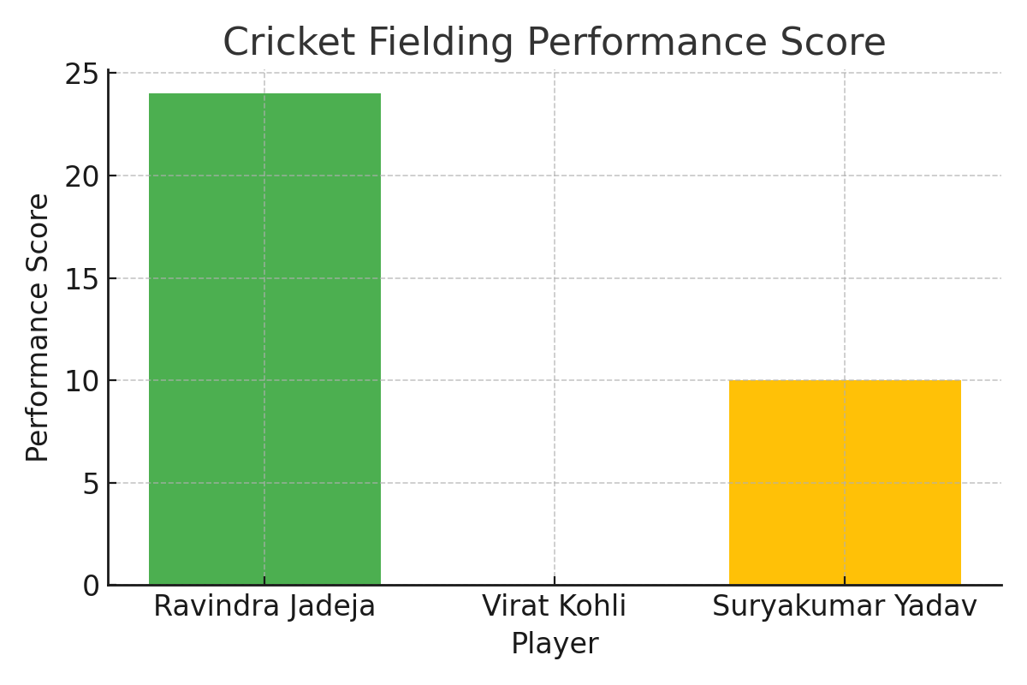
Player Name | Clean Picks (CP) | Good Throws (GT) | Catches (C) | Dropped Catches (DC) | Stumpings (ST) | Run Outs (RO) | Missed Run Outs (MRO) | Direct Hits (DH) | Runs Saved (RS) | Performance Score (PS)
Ravindra Jadeja | 3 | 2 | 1 | 0 | 0 | 1 | 0 | 1 | 3 | 24
Virat Kohli | 2 | 1 | 0 | 1 | 0 | 0 | 1 | 0 | 1 | 0
Suryakumar Yadav | 1 | 1 | 1 | 0 | 0 | 0 | 0 | 0 | 2 | 10

