Sheet1
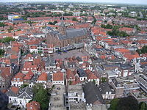
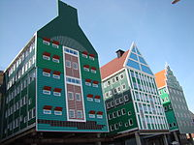
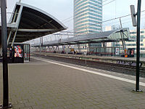
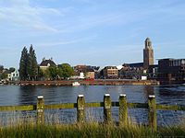

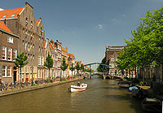

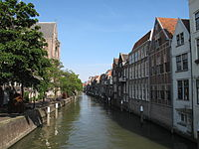
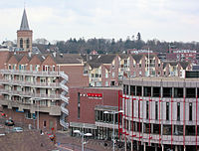
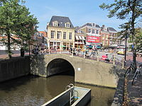
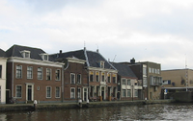
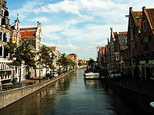

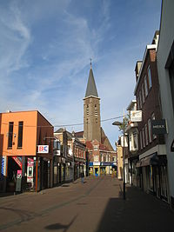
AFC Bournemouth |  | Amsterdam | Noord-Holland | 838,338 |  | Google | google.com | 1 | 2 | Internet services and products | U.S. | 1. | Russia | 17,075,200 | 142,833,689
Arsenal | 2 | Rotterdam | Zuid-Holland | 631,155 |  | YouTube | youtube.com | 2 | 3 | Video sharing | U.S. | 2. | Canada | 9,984,670 | 35,181,704
Burnley | 3 | Den Haag | Zuid-Holland | 520,704 |  | Facebook | facebook.com | 3 | 1 | Social network | U.S. | 3. | United States of America | 9,826,630 | 320,050,716
Chelsea | 4 | Utrecht | Utrecht | 339,946 |  | Baidu | baidu.com | 4 | 16 | Search engine | China | 4. | China | 9,596,960 | 1,385,566,537
Crystal Palace | 5 | Eindhoven | Noord-Brabant | 225,020 |  | Yahoo! | yahoo.com | 5 | 5 | Portal and media | U.S. | 5. | Brazil | 8,511,965 | 200,361,925
Everton | 6 | Tilburg | Noord-Brabant | 212,943 |  | Amazon | amazon.com | 6 | 10 | E-commerce and cloud computing | U.S. | 6. | Australia | 7,686,850 | 23,342,553
Hull City | 7 | Groningen | Groningen | 200,487 |  | Wikipedia | wikipedia.org | 7 | 7 | Encyclopedia | U.S. | 7. | India | 3,287,590 | 1,252,139,596
Leicester City | 8 | Almere | Flevoland | 198,823 |  | Tencent QQ | qq.com | 8 | 41 | Portal | China | 8. | Argentina | 2,766,890 | 41,446,246
Liverpool | 9 | Breda | Noord-Brabant | 182,424 |  | Google India | google.co.in | 9 | 14 | Search engine | India | 9. | Kazakhstan | 2,717,300 | 16,440,586
Manchester City | 10 | Nijmegen | Gelderland | 172,322 |  | Twitter | twitter.com | 10 | 8 | Social network | U.S. | 10. | Algeria | 2,381,740 | 39,208,194
Manchester United | 11 | Apeldoorn | Gelderland | 159,249 |  | Windows Live | live.com | 11 | 9 | Email, web services and software suite | U.S. | 11. | Congo, Dem. Rep. of the | 2,345,410 | 67,513,677
Middlesbrough | 12 | Haarlem | Noord-Holland | 158,305 |  | Taobao | taobao.com | 12 | 50 | Online shopping | China | 12. | Greenland | 2,166,086 | 56.987
Southampton | 13 | Enschede | Overijssel | 157,999 |  | Google Japan | google.co.jp | 13 | 21 | Search engine | Japan | 13. | Saudi Arabia | 2,149,690 | 28,828,870
Stoke City | 14 | Arnhem | Gelderland | 154,497 |  | Bing | bing.com | 14 | 36 | Search engine | U.S. | 14. | Mexico | 1,972,550 | 122,332,399
Sunderland | 15 | Amersfoort | Utrecht | 153,773 |  | Instagram | instagram.com | 15 | 6 | Photo sharing and social media | U.S. | 15. | Indonesia | 1,919,440 | 249,865,631
Swansea City | 16 | Zaanstad (hoofdplaats: Zaandam) | Noord-Holland | 152,678 |  | Sina Weibo | weibo.com | 16 | 79 | Social network | China | 16. | Sudan | 1,844,729 | 37,964,306
Tottenham Hotspur | 17 | 's-Hertogenbosch | Noord-Brabant | 151,752 |  | Sina Corp | sina.com.cn | 17 | 110 | Portal and instant messaging | China | 17. | Libya | 1,759,540 | 6,201,521
Watford | 18 | Haarlemmermeer (hoofdplaats: Hoofddorp) | Noord-Holland | 144,908 | 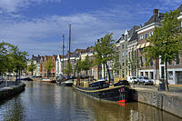 | LinkedIn | linkedin.com | 18 | 42 | Professional Social network | U.S. | 18. | Iran | 1,648,000 | 77,447,168
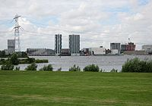
West Bromwich Albion | 19 | Zwolle | Overijssel | 125,097 |  | Yahoo! Japan | yahoo.co.jp | 19 | 28 | Portal | Japan | 19. | Mongolia | 1,564,116 | 2,839,073
West Ham United | 20 | Zoetermeer | Zuid-Holland | 124,399 |  | MSN | msn.com | 20 | 27 | Portal | U.S. | 20. | Peru | 1,285,220 | 30,375,603
 | 21 | Leiden | Zuid-Holland | 122,915 |  | VK | vk.com | 21 | 4 | Social network | Russia | 21. | Chad | 1,284,000 | 12,825,314
 | 22 | Maastricht | Limburg | 122,418 |  | Google Germany | google.de | 22 | 20 | Search engine | Germany | 22. | Niger | 1,267,000 | 17,831,270
 | 23 | Dordrecht | Zuid-Holland | 118,496 |  | Yandex | yandex.ru | 23 | 12 | Search engine | Russia | 23. | Angola | 1,246,700 | 21,471,618
 | 24 | Ede | Gelderland | 112,593 |  | Hao123 | hao123.com | 24 | 180 | Web directories | China | 24. | Mali | 1,240,000 | 15,301,650
 | 25 | Leeuwarden | Friesland | 108,041 |  | Google UK | google.co.uk | 25 | 13 | Search engine | UK | 25. | South Africa | 1,219,912 | 52,776,130
 | 26 | Alphen aan den Rijn | Zuid-Holland | 107,930 | 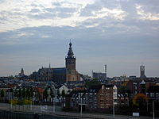 | Reddit | reddit.com | 26 | 26 | social news networking, entertainment | U.S. | 26. | Colombia | 1,138,910 | 48,321,405
 | 27 | Alkmaar | Noord-Holland | 107,822 |  | eBay | ebay.com | 27 | 24 | Online auctions and shopping | U.S. | 27. | Ethiopia | 1,127,127 | 94,100,756
 | 28 | Emmen | Drenthe | 107,522 |  | Google France | google.fr | 28 | 19 | Search engine | France | 28. | Bolivia | 1,098,580 | 10,671,200
 | 29 | Westland (hoofdplaats: Naaldwijk) | Zuid-Holland | 104,844 |  | t.co | t.co | 29 | 78 | URL shortening for links on Twitter | U.S. | 29. | Mauritania | 1,030,700 | 3,889,880
 | 30 | Delft |  |  |  | Tmall | tmall.com | 30 | 92 | Retail | China | 30. | Egypt | 1,001,450 | 82,056,378
 |  |  |  |  |  | Google Brazil | google.com.br | 31 | 11 | Search engine | Brazil | 31. | Tanzania | 945.087 | 49,253,126
 |  |  |  |  |  | 360 Safeguard | 360.cn | 32 | 85 | Internet security and anti-trojan software | China | 32. | Nigeria | 923.768 | 173,615,345
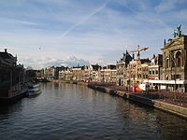
 |  |  |  |  |  | Sohu | sohu.com | 33 | 204 | Portal | China | 33. | Venezuela | 912.05 | 30,405,207
 |  |  |  |  |  | Amazon Japan | amazon.co.jp | 34 | 63 | E-commerce | Japan | 34. | Namibia | 825.418 | 2,303,315
 |  |  |  |  |  | Pinterest | pinterest.com | 35 | 43 | Social media | U.S. | 35. | Pakistan | 803.94 | 182,142,594
 |  |  |  |  |  | Mail.ru | mail.ru | 36 | 18 | Portal | Russia | 36. | Mozambique | 801.59 | 25,833,752
 |  |  |  |  |  | Onclickads | onclickads.net | 37 | N/A[notes 1] | Online advertising network | U.S. | 37. | Turkey | 780.58 | 74,932,641
 |  |  |  |  |  | Netflix | netflix.com | 38 | 32 | Streaming TV and movies | U.S. | 38. | Chile | 756.95 | 17,619,708
 |  |  |  |  |  | Google Italy | google.it | 39 | 29 | Search engine | Italy | 39. | Zambia | 752.614 | 14,538,640
 |  |  |  |  |  | Google Russia | google.ru | 40 | 21 | Search engine | Russia | 40. | Myanmar (Burma) | 678.5 | 53,259,018
 |  |  |  |  |  | Microsoft | microsoft.com | 41 | 57 | Software and technology | U.S. | 41. | Afghanistan | 647.5 | 30,551,674
 |  |  |  |  |  | Google Spain | google.es | 42 | 35 | Search engine | Spain | 42. | South Sudan | 644.329 | 11,296,173
 |  |  |  |  |  | WordPress.com | wordpress.com | 43 | 54 | Blogging and social media | U.S. | 43. | France | 643.427 | 64,291,280

 |  |  |  |  |  | Guangming Daily | gmw.cn | 44 | 1.568 | Newspaper | China | 44. | Somalia | 637.657 | 10,495,583
 |  |  |  |  |  | Tumblr | tumblr.com | 45 | 34 | Social media | U.S. | 45. | Central African Republic | 622.984 | 4,616,417
 |  |  |  |  |  | PayPal | PayPal.com | 46 | 56 | Payment system | U.S. | 46. | Ukraine | 603.7 | 45,238,805
 |  |  |  |  |  | Blogspot | blogspot.com | 47 | 450.37 | Blogging | U.S. | 47. | Botswana | 600.37 | 2,021,144
 |  |  |  |  |  | Imgur | imgur.com | 48 | 45 | Image sharing | U.S. | 48. | Madagascar | 587.04 | 22,924,851
 |  |  |  |  |  | Stack Overflow | stackoverflow.com | 49 | 157 | Question and answer site | U.S. | 49. | Kenya | 582.65 | 44,353,691
 |  |  |  |  |  | AliExpress | aliexpress.com |  |  |  |  | 50. | Yemen | 527.97 | 24,407,381

Sheet3
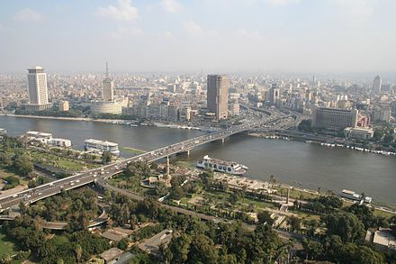
 |  |  |  | Agricola
 |  |  |  | Caylus | Forrest Gump
 |  |  |  | El Grande
 |  |  |  | Hoogspanning |  |  | Mickey Mouse
 |  |  |  | Genoa
 |  |  |  | Im Jahr des Drachen

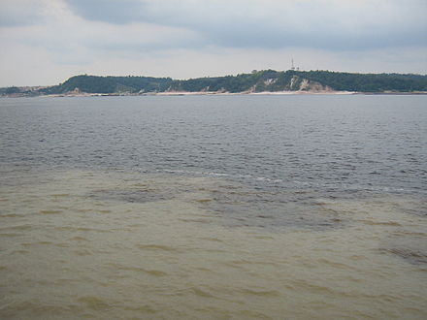
 |  |  |  | Pandemie | Joker | Nijl | Minnie Mouse
 |  |  |  | Puerto Rico
 |  |  |  | Vorsten van Florence

 |  |  |  |  |  |  | Goofy

 |  |  |  |  | Darth Vader

 |  |  |  |  |  |  | Donald Duck
 |  |  |  |  |  | Amazone


 |  |  |  |  | Han Solo |  | Pluto

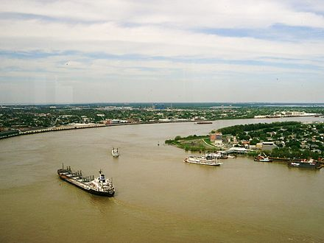
 |  |  |  |  |  |  | Daisy Duck
 |  |  |  |  |  | Jangtsekiang
 |  |  |  |  | Jack Sparrow

 |  |  |  |  |  |  | Scrooge McDuck

 |  |  |  |  | Indiana Jones

 |  |  |  |  |  | Mississippi
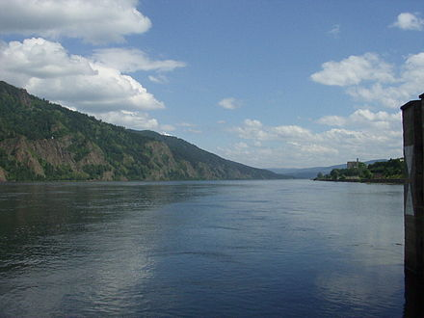
 |  |  |  |  |  |  | Kwik Kwek en Kwak

 |  |  |  |  | James Bond

 |  |  |  |  |  |  | Bambi

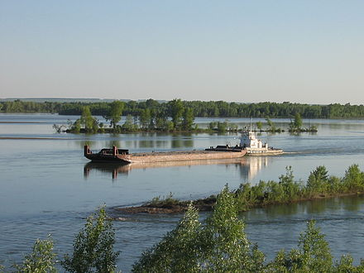
 |  |  |  |  |  | Jenisej
 |  |  |  |  | Don Vito Corleone |  | Thumper

 |  |  |  |  |  |  | Flower

 |  |  |  |  | Rocky Balboa

 |  |  |  |  |  | Ob | Faline


 |  |  |  |  | Dr. Hannibal Lecter |  | Tinker Bell

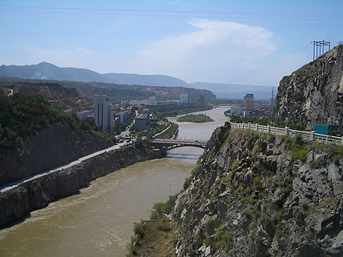
 |  |  |  |  |  |  | Peter Pan
 |  |  |  |  |  | Amoer
 |  |  |  |  | Ben Obi-Wan Kenobi

 |  |  |  |  |  |  | Wendy

 |  |  |  |  | Harry Potter |  | John Darling

Tetris | 1984 | Mobile, iOS, BlackBerry OS, PlayStation Portable, Windows Phone, Android, PlayStation 3, Nintendo Entertainment System, Game Boy | 495 million[1] |  |  | Gele Rivier
Minecraft | 2011[n 2] | Windows, OS X, Linux, Xbox 360, Xbox One, PlayStation 3, PlayStation 4, Mobile, Android, iOS, Windows Phone, Amazon Fire TV, Raspberry Pi, PlayStation Vita, Wii U | 107.86 million[2] |  |  | 
Wii Sports | 2006 | Wii | 82.78 million[3] |  |  |  | Michael Darling
Grand Theft Auto V | 2013 | PlayStation 3, Xbox 360, PlayStation 4, Xbox One, Windows | 70 million[4]
Super Mario Bros. | 1985 | Nintendo Entertainment System | 40.24 million[5]
Mario Kart Wii | 2008 | Wii | 36.38 million[6]
Tetris | 1989 | Game Boy | 35 million[7] |  |  |  | Captain Hook
Wii Sports Resort | 2009 | Wii | 32.80 million[3]
New Super Mario Bros. | 2006 | Nintendo DS | 30.79 million[8]
Diablo III | 2012 | Microsoft Windows, OS X, Xbox 360, PlayStation 3, Xbox One, PlayStation 4 | 30 million[9][n 3] |  |  | Kongo

New Super Mario Bros. Wii | 2009 | Wii | 29.32 million[3] |  | Tyler Durden |  | Tiger Lily
Wii Play | 2006 | Wii | 28.02 million[3]
Grand Theft Auto: San Andreas | 2004 | PlayStation 2, Microsoft Windows, Xbox, Mac OS X, Xbox 360 | 27.5 million[10]
Call of Duty: Modern Warfare 3 | 2011 | Microsoft Windows, Xbox 360, PlayStation 3, Wii | 26.5 million[11]
Call of Duty: Black Ops | 2010 | Microsoft Windows, Xbox 360, PlayStation 3, Wii | 26.2 million[11] |  |  |  | Mr. Smee
Grand Theft Auto IV | 2008 | PlayStation 3, Xbox 360, Microsoft Windows | 25 million[12]
Call of Duty: Black Ops II | 2012 | Windows, Xbox 360, PlayStation 3, Wii U | 24.2 million[11] |  | Atticus Finch
Kinect Adventures! | 2010 | Xbox 360 | 24 million[13]
Nintendogs | 2005 | Nintendo DS | 23.96 million[8] |  |  | 0 Mekong | Alice
Pokémon Red, Blue, and Green | 1996 | Game Boy | 23.64 million[14][15][16] |  |  | 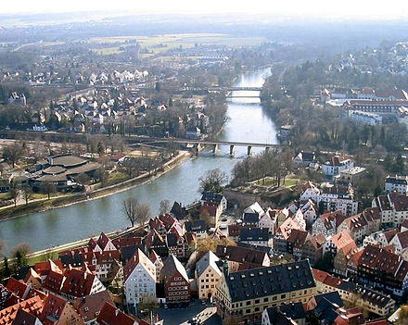
Mario Kart DS | 2005 | Nintendo DS | 23.59 million[8]
Pokémon Gold and Silver | 1999 | Game Boy, Game Boy Color | 23 million[17]
Wii Fit | 2007 | Wii | 22.67 million[3] |  | Terminator |  | Mad Hatter
Call of Duty: Modern Warfare 2 | 2009 | Microsoft Windows, Xbox 360, PlayStation 3 | 22-29 million[11][18][19]
Wii Fit Plus | 2009 | Wii | 21.11 million[3]
Super Mario World | 1990 | Super Nintendo Entertainment System | 20.6 million[5][20]
Battlefield 3 | 2011 | Microsoft Windows, Xbox 360, PlayStation 3 | 20 million[21] |  |  |  | March Hare
The Elder Scrolls V: Skyrim | 2011 | Microsoft Windows, PlayStation 3, Xbox 360 | 20 million[22] |  |  | Donau
Grand Theft Auto: Vice City | 2002 | Windows, Xbox, PlayStation 2 | 20 million[23] |  | Tony Montana
Overwatch | 2016 | Windows, Xbox One, PlayStation 4 | 20 million[24]
The Sims 2 | 2004 | Windows, OS X | 20 million[25] |  |  |  | Queen of Hearts
Brain Age | 2005 | Nintendo DS | 19.01 million[8]
Call of Duty: Ghosts | 2013 | Windows, Xbox 360, Xbox One, PlayStation 3, PlayStation 4, Wii U | 19 million[26]
Super Mario Land | 1989 | Game Boy | 18.06 million[5]
Pokémon Diamond and Pearl | 2006 | Nintendo DS | 17.63 million[8] |  | Norman Bates |  | Cheshire Cat
Grand Theft Auto III | 2001 | Windows, Xbox, PlayStation 2 | 17.33 million[23]
Super Mario Bros. 3 | 1988 | Nintendo Entertainment System | 17 million[27]
Pokémon Ruby and Sapphire | 2002 | Game Boy Advance | 16.22 million
Need for Speed: Most Wanted | 2005 | PlayStation 2, Xbox, Xbox 360, GameCube, Windows, Game Boy Advance, Nintendo DS | 16 million[28] |  |  |  | Kuzco
The Sims | 2000 | Windows, Mac OS | 16 million[29]
Call of Duty 4: Modern Warfare | 2007 | Windows, Xbox 360, Mac OS X, PlayStation 3, Wii | 15.7 million[11] |  | George Bailey
Call of Duty: World at War | 2008 | Windows, Xbox 360, PlayStation 3, Wii | 15.7 million[11]
Pokémon Black and White | 2010 | Nintendo DS | 15.6 million[8] |  |  |  | Yzma
Lemmings | 1991 | Amiga, various | 15 million[30]
Sonic the Hedgehog
 |  |  |  |  | 20
 |  |  |  |  | Jeffrey Lebowski |  | Kronk

 |  |  |  |  |  |  | Pacha

 |  |  |  |  | Travis Bickle

 |  |  |  |  |  |  | Snow White

 |  |  |  |  | Oskar Schindler |  | Dopey

 |  |  |  |  |  |  | Doc

 |  |  |  |  | Superman / Clark Kent

 |  |  |  |  |  |  | Sleepy

 |  |  |  |  | Jack Torrance |  | Sneezy

 |  |  |  |  |  |  | Bashful

 |  |  |  |  | Count Dracula

 |  |  |  |  |  |  | Happy

 |  |  |  |  | Rhett Butler |  | Grumpy

 |  |  |  |  |  |  | Evil Queen

 |  |  |  |  | Rambo

 |  |  |  |  |  |  | Prince Charming

 |  |  |  |  | Mad Max

 |  |  |  |  | Rick Blaine

 |  |  |  |  | Police Inspector Harry Callahan

 |  |  |  |  | Inspector Jacques Clouseau

 |  |  |  |  | Kane

 |  |  |  |  | Austin Powers / Dr. Evil

 |  |  |  |  | Alex

 |  |  |  |  | The Monster

 |  |  |  |  | HAL

 |  |  |  |  | T. E. Lawrence

 |  |  |  |  | Ben-Hur

 |  |  |  |  | Terry Malloy

 |  |  |  |  | Jimmy Doyle

 |  |  |  |  | Tarzan

 |  |  |  |  | Ethan Edwards

 |  |  |  |  | Virgil Tibbs

 |  |  |  |  | Marshal Will Kane

 |  |  |  |  | A Tramp

 |  |  |  |  | Gordon Gekko

 |  |  |  |  | John Shaft

 |  |  |  |  | Harry Powell

 |  |  |  |  | Ratso

