Alternative platforms
SOFTWARE INDUSTRY TOOLS
Github | Link | Highlights
Recommended |  |  | All software development projects of a significant size use some form of task management
 |  | New project management view! | Task manamgent helps us:
 | https://github.com/features/issues | Dev focused | Prioritise
 |  | Simple | Coordinate
 |  | Free | Communicate
Trello
 |  |  | Today's software development tools focus on keeping task management close to the programs themselves, integrating with version control and other tools.
 |  | Established | Simple workflows are increasingly preferred
 | https://trello.com/home | Easy to use | Hosting (SaaS) is becoming more popular
 |  | Lots of dev friendly integrations | Most popular services offer free entry-level plans
 |  | Free limited use
 |  | Australian owned

JIRA
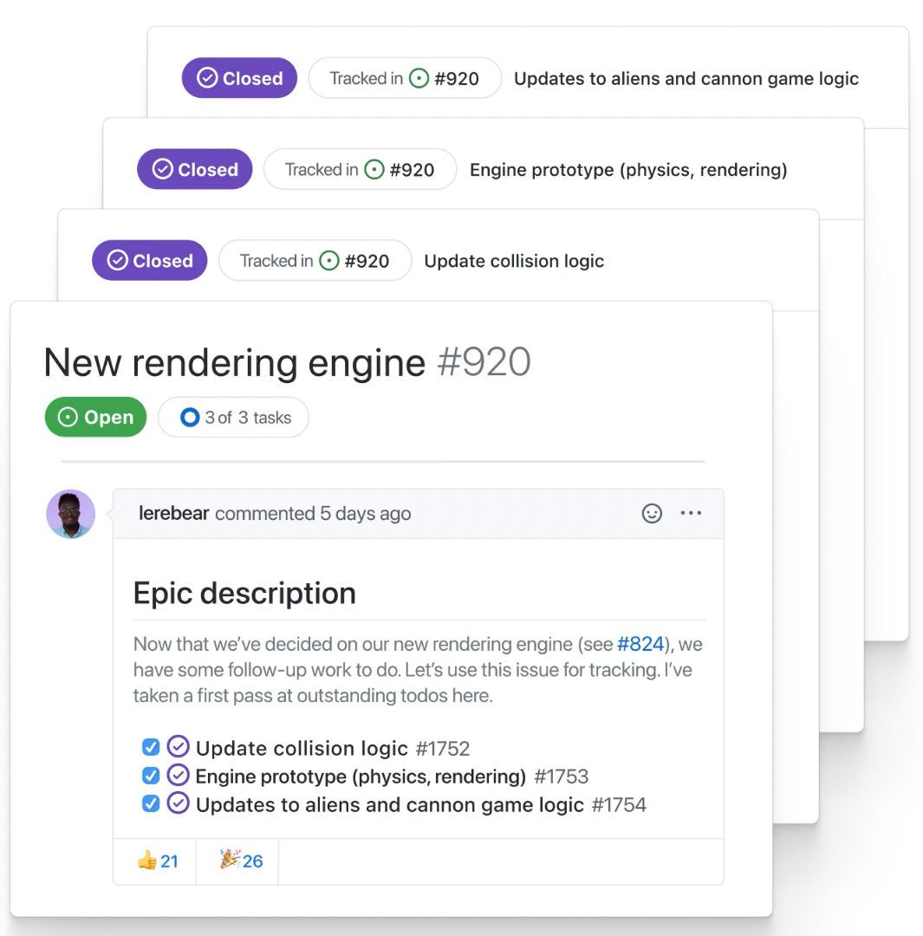
 |  | Very mature
 | https://www.atlassian.com/software/jira | Powerful workflows
 |  | Industry-standard for much of the last 15 years
 |  | Complex
 |  | Australian owned and made

meistertask

 |  | Growing in popularity
 | https://www.meistertask.com/ | Versatile
 |  | Scales

Other notables
Wrike
Asana
todoist
Any.do
Monday.com
Many, many more!

