Sheet1
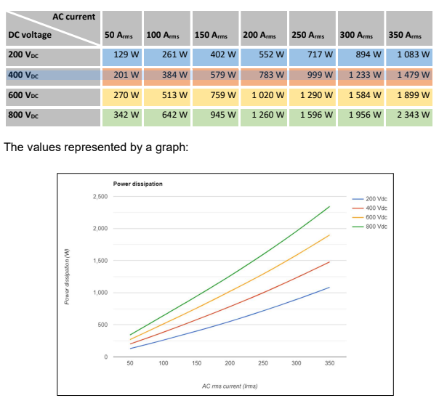
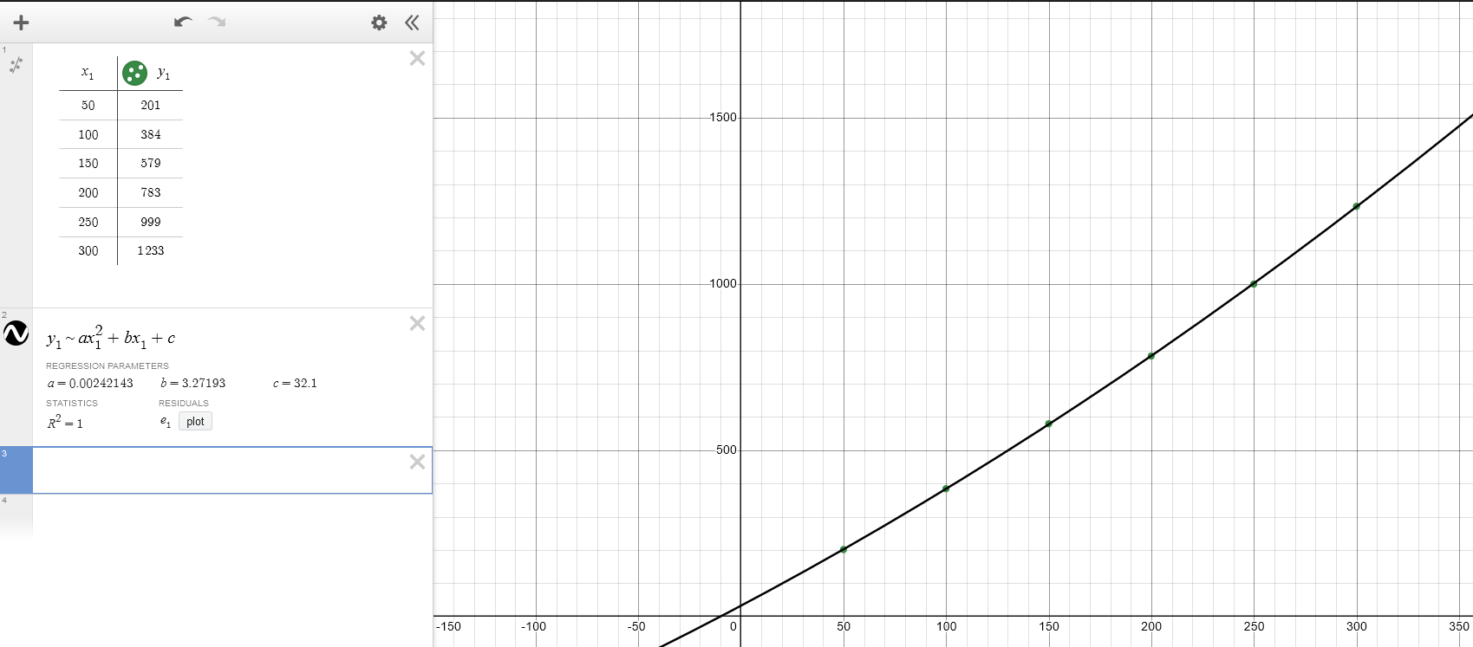
Arms | Pgen
50 | 201
100 | 384
150 | 579
200 | 783
250 | 999
300 | 1233

