Datasheets
Status | OK
Battery Cell |  |  |  | OK
Make |  | Molicel
Model |  | P28A
Nominal Capacity |  | 2.8 | Ahr
Maximum Voltage |  | 4.2 | V
Nominal Voltage |  | 3.6 | V
Minimum Voltage |  | 2.5 | V
Max output current |  | 35 | A
Max continuous current |  | 25 | A
Max Cell temp |  | 60 | C
Cell Chemistry |  | LiNiMnCoO2 (NMC)
Datasheet |  | https://www.molicel.com/wp-content/uploads/INR18650P28A-V1-80093.pdf
SDS |  | https://www.molicel.com/wp-content/uploads/00058ar-Molicel-SDS-Y2020.pdf
Additional Comments

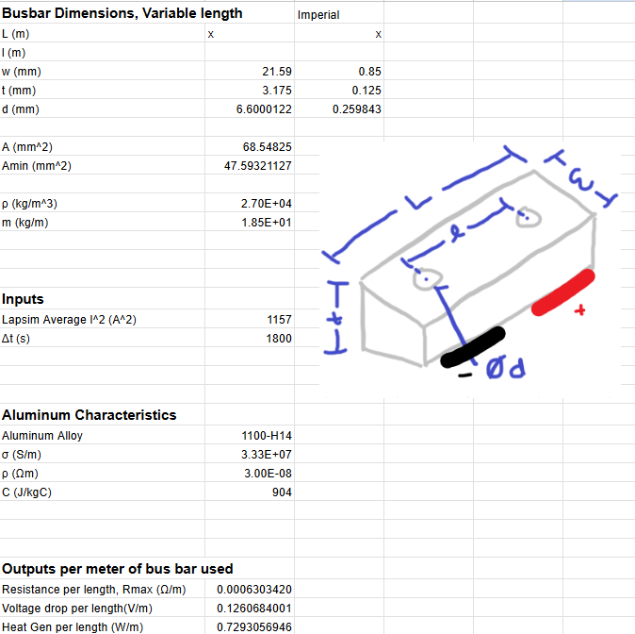
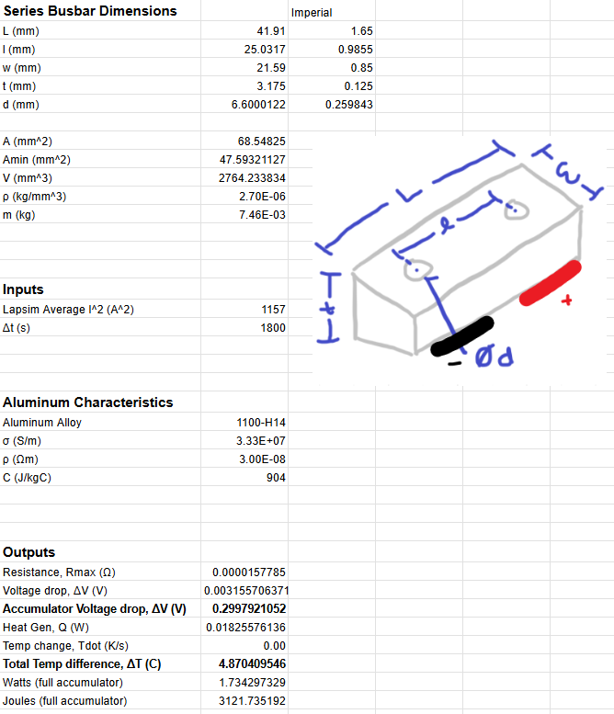
Conductors |  |  |  |  |  |  |  |  | OK
Manufacturer | Part Number | Size [mm2] | Voltage [V] | Ampacity [A] | Max Temp [C] | Datasheet |  | Location Used |  | Additional Comments |  |  |  |  | Rules References
Exrad | EXRAD–EF/EF-KW-50 | 50 | 1000 | 275 | 140 | High current TS wire |  | Accumulator to motor (through energy meter and MSD on respective - and + lines) & interior of accumulator | OK |  |  |  |  |  | EV.5.2.1 EV.5.2.5 EV.6.3 EV.6.3.2 EV.6.6.4
AWC | M22759/22-22 | 0.34 | 600 | 0.92 | 200 | Low current TS wire |  | IMD, Precharge, Discharge | OK | HV to IMD and pre/discharge wiring
Team Manufactured | Series Bus Bars | 68.54825 | N/A | 200 | N/A | 1100-H14 aluminum |  | Series Cell Connections, HV component connections | OK | See Series bus bar calculations to the right
Team Manufactured | Maintenance plug Vertical offset cylinder | 121.73508844 | N/A | 200 | N/A | 6061 Aluminum Rod |  | Maintenance plug Vertical offset cylinder | OK
Team Manufactured | Component HV bus bars | 68.54825 | N/A | 200 | N/A | 1100-H14 aluminum |  | HV between component connections | OK | See variable length bus bar calculations to the right, examples of use include between IRs and accumulator HV connector

Fuses |  |  |  |  |  |  |  |  | OK
Manufacturer | Part Number | Voltage [V] | AC/DC | Current [A] | Interrupt [A] | Datasheet |  | Location Used |  | Additional Comments |  |  |  |  | Rules References
Heraeus | AL-H11 | N/A | DC | 35 | 10,000 | AL-H11 |  | Cell-level fuseable links on purchased modules | OK |  |  |  |  |  | EV.5.2.1 EV.6.6
Bel Fuse | 0ZCK0020FF2G | 24 | DC | 0.25 | 100 | Bel Fuse 0ZCK |  | Voltage sense lines on purchased cell modules | OK
Bel Fuse | 0AKNBK200-BB | 500 | DC | 200 | 50,000 | Bel Fuse |  | Accumulator main fuse | OK
Schurter Inc. | 8020.5071.G | 400 | DC | 2 | 1500 | IMD Fuse |  | IMD supply lines | OK | HV to IMD (needed due to wires >= 150mm)
Bel Fuse | 0ADKC5000-BE | 500 | DC | 5 | 20000 | Energy Meter Fuse |  | Energy meter positive line | OK

Resistors |  |  |  |  |  |  |  |  |  |  |  | OK
Manufacturer | Part Number | Voltage [V] | Resistance [Ω] | Power [W] | Power for 15 sec [W] | Heatsink [°C/W] (Enter "None" if no heatsink) |  |  | Datasheet |  | Location Used |  | Additional Comments & Heatsink Part Number(s) |  |  |  | Rules References
Ohmite | 850F750E | 1170 | 750 | 50 | 750 | 3 |  |  | 850F750E |  | Precharge/Discharge | OK | Manufacturer tests at 5x rated power for 5sec. 250W>212W peak. 50W>46W avg. |  |  |  | EV.5.2.1 EV.5.6 EV.5.8.4
Caddock Electronics Inc. | MP925-10.0K-1% | 500 | 10,000 | 25 | N/A | None |  |  | MP925 |  | TSMP | OK

Contactors/Relays |  |  |  |  |  |  |  |  | OK
Manufacturer | Part Number | Voltage [V] | Continuous Current [A] | Max Interrupt Current [A] | Normal State | Datasheet |  | Location Used |  | Additional Comments |  |  |  |  | Rules References
Kilovac | LEV200A4NAA | 900 | 500 | 1.1 | NO | LEV200A4NAA |  | IRs, Inside Accumulator Container | OK |  |  |  |  |  | EV.5.2.1 EV.5.4 EV.5.6
Cynergy3 | DBT71205F-HR | 3500 | 3 | 2 | NC | DBT71205F-HR |  | Discharge | OK
Cynergy3 | DAT71205F-HR | 3500 | 3 | 2 | NO | DAT71205F-HR |  | Precharge | OK

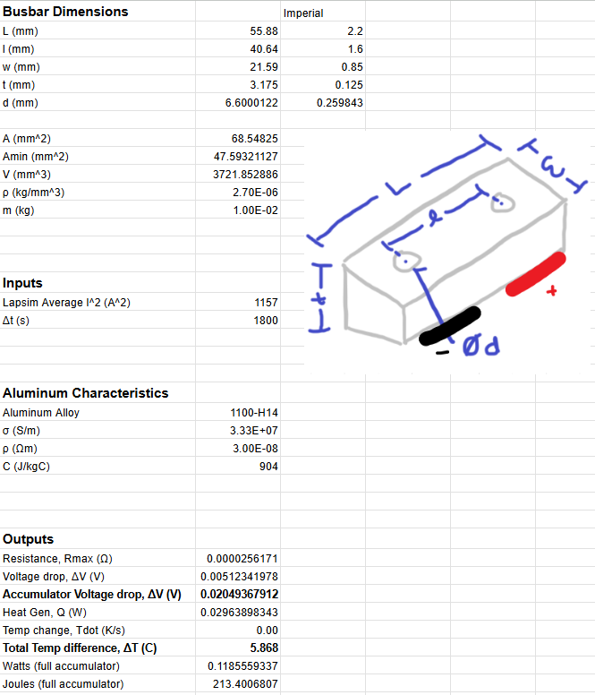
Connectors |  |  |  |  |  |  |  | OK
Manufacturer | Part Number | Voltage [V] | Ampacity [A] | Wire Size [mm2] | Datasheet |  | Location Used |  | Additional Comments |  |  |  |  | Rules References
Amphenol | MSDM5002 | 1000 | 500 | 50 | MSD Plug |  | MSD Plug | OK |  |  |  |  |  | EV.5.2.1 EV.5.9 EV.6.3.3
Amphenol | MSDF000R | 1000 | 500 | 50 | MSD Receptacle |  | MSD Receptacle | OK
Amphenol | PL082Y-301-10M6-2 | 1000 | 300 | 50 | PL082Y-301-10M6-2 |  | HV Out Receptacle | OK
Amphenol | PL282Y-301-50 | 1000 | 300 | 50 | PL282Y-301-50 |  | HV Out Plug | OK
Team Manufactured | Maintenance Plug Bus Bar | N/A | 200 | 68.54825 | 1100-H14 aluminum |  | Maintenance Plugs | OK | See calculations to the right
Littelfuse | 03450613H | 600 | 20 | N/A | Energy meter fuse holder |  | Energy meter fuse holder | OK | Soldered terminals, low current fuse
Amphenol | HVSL633063A106I | 800 | 40 | 16 | AC In |  | Charger input | OK | AC in to charger
Pomona Electronics | 72930 | 1000 | 36 | N/A | TSMP |  | TSMP - start panel | OK | TSMP connector. One red, one black, same part electrically
Molex | 192210241 | N/A | 230 | 55 | TS Ring Terminals |  | Energy meter, Motor, MSD, Main fuse, IRs | OK | Ring terminals crimped onto main TS cable. Used in various locations when attaching to bolted connection (HVD, energy meter, motor phases, main fuse, AIRs)

Insulating Materials |  |  |  |  |  |  |  |  |  | OK
Manufacturer | Part Number | Thickness [mm] | Dielectric strength [V/mm] | Voltage Rating [V] | Max Temp [C] | Flammability Rating | Datasheet |  | Location Used |  | Additional Comments |  |  |  |  | Rules References
McMaster-Carr | 85345K651 | 62.5 | 350 | 21875 | 137.778 | UL 94 V-0 | Accumulator plate hard insulation |  | Accumulator | OK | Used on the underside of the horizontal plate that divides segments from components |  |  |  |  | EV.5.2.1 EV.5.2.2.a EV.5.2.3 EV.5.4.4 EV.6.2 EV.6.5.5.a
MYJOR | Kapton Tape | 1 | 4500 | 4500 | 350 | N/A | Kapton tape |  | Segments, accumulator container edges, motor connections | OK
CIE Solutions | Gen 2 Lithium Block Module | 3.4 | 26000 | 88400 | 105 | UL 94 V-0 | Cell modules |  | Modules | OK | Purchased modules made of Glass-Filled Fire Retardent ABS
3M | FP-301 | 0.76 | 789.47368421 | 600 | 125 | N/A | Bus bar heat shrink |  | Bus Bars | OK
3DX Tech | PCA03FR200750BK00 | 5 | 26000 | 130000 | 137 | UL 94 V-0 | 3D printing filament |  | Maintainence Plug Handle | OK
Dupont | 93554 | 0.13 | 28150 | 3659.5 | 220 | UL 94 V-0 | Nomex |  | Segement dividing walls, accumulator container inside walls | OK
MG Chemicals | 4223F-55ML | 2 | 1000 | 2000 | 125 | N/A | Conformal Coat |  | Team manufactured PCBs (RTM, Voltage Indicator, etc.) | OK | UV-A flourescent
Anti Seize Technology | 17214 | 0.0508 | 66,929 | 3399.9932 | 121 | N/A | Insulative Spray Coating |  | Container walls, segment mounting brackets | OK

TS Schematics
Status | OK
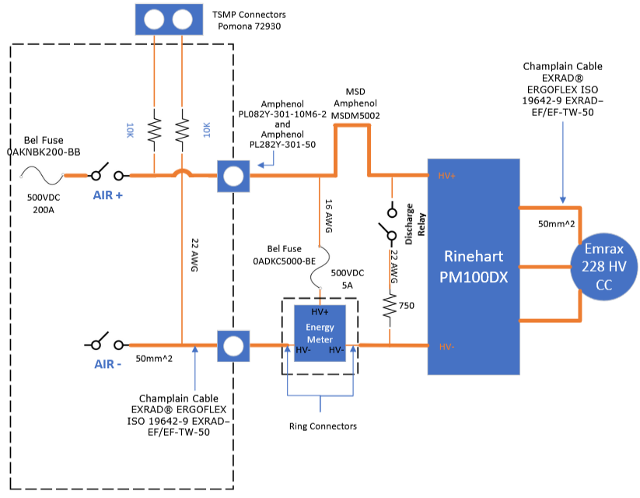 Tractive System Schematic |  |  |  |  | 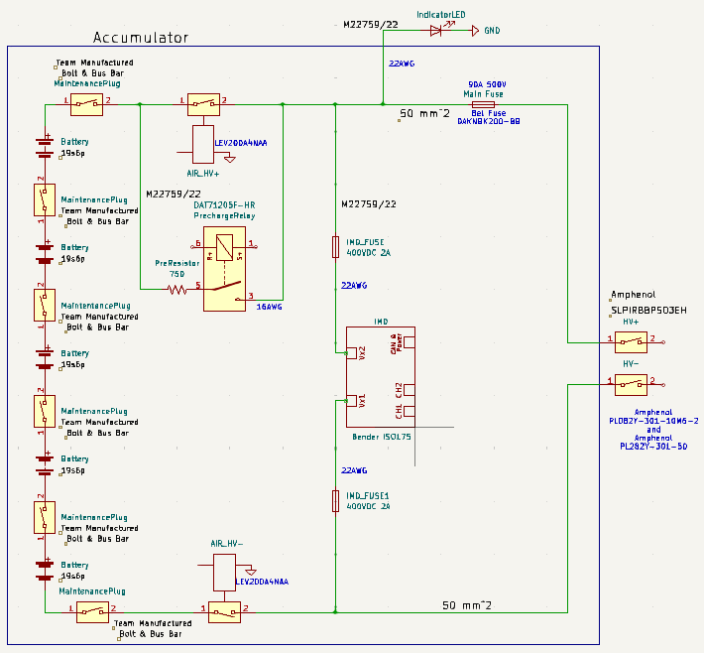 Accumulator TS Schematic |  |  |  | Additional Comments
 |  |  |  |  |  |  |  |  | 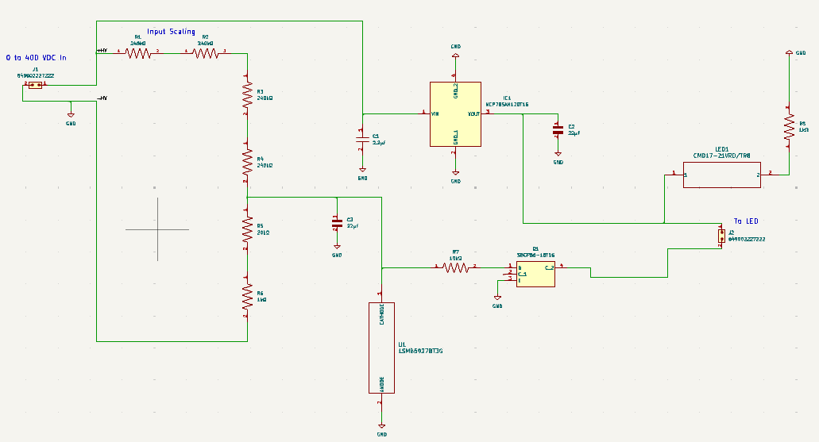 Voltage Indicator Schematic:

Vehicle Tractive System Schematic Shows |  |  |  | OK | Accumulator TS Schematic Shows |  |  | OK
Rules References |  |  |  |  | Rules References
 |  | Shows details of all TS circuits outside of accumulator | TRUE | OK |  | Details of all TS circuits within accumulator | TRUE | OK
 |  | Accumulator is shown as a single element (without internal details) | TRUE | OK |  | All wire gauges labeled | TRUE | OK
 |  | All wire gauges labeled | TRUE | OK |  | All fuses labeled with ampacity | TRUE | OK
 |  | All fuses labeled with ampacity | TRUE | OK | EV.6.6.6 | All wires > 150mm have a fuse within the first 150mm from the source | TRUE | OK
EV.6.6.6 |  | All wires > 150mm have a fuse within the first 150mm from the source | TRUE | OK |  | Fuse locations represent physical location | TRUE | OK
 |  | Fuse locations represent physical location | TRUE | OK |  | Connectors labeled with Make/Model | TRUE | OK
 |  | Enclosures shown | TRUE | OK |  | Standard schematic symbols used | TRUE | OK
 |  | Connectors labeled with Make/Model | TRUE | OK |  | All text is readable (zooming is allowed) | TRUE | OK
 |  | Standard schematic symbols used | TRUE | OK | EV.5.4 | IRs | TRUE | OK
 |  | All text is readable (zooming is allowed) | TRUE | OK | EV.5.3 | Maintenance plugs | TRUE | OK
EV.5.8 |  | TSMPs | TRUE | OK |  | Cells (details of all intercell connections may be abstracted) | TRUE | OK
 |  | Motor Controller | TRUE | OK | EV.5.7 | Accumulator Indicator (must be powered directly by TS) | TRUE | OK
 |  | Motor | TRUE | OK
EV.5.8.5 |  | TSMPs not fused | TRUE | OK

Must be shown on at least one schematic |  |  |  | OK
Rules References
EV.7.6 |  | IMD | TRUE | OK
EV.5.5 |  | MSD | TRUE | OK
EV.5.6 |  | Precharge | TRUE | OK
EV.5.6 |  | Discharge | TRUE | OK
EV.3.2; EV.5.1.3 |  | Energy Meter (shunt and TS sense connection) | TRUE | OK
EV.5.6.3.b |  | Discharge still functions when MSD is opened | TRUE | OK
EV.5.6.3.c |  | Discharge is not fused | TRUE | OK

Accumulator
Status | WARNING

Segment-to-Segment Connection |  |  |  | Series |  | OK
Maximum TS Voltage |  |  |  | 399 | V | OK
Nominal TS Voltage |  |  |  | 342 | V
Total Cells |  |  |  | 570

Segment Data |  |  |  |  |  |  |  |  | OK | BMS |  |  |  |  | WARNING | Maintenance Plugs |  |  |  | OK | Insulating Materials |  |  |  |  | OK | Additional Comments
Cell Connection Order |  |  | Parallel then Series |  |  |  |  |  | OK | BMS Type |  |  | Centralized |  | OK | Connector |  | Team Manufactured Maintenance Plug Bus Bar |  | OK | Between cells and accum. container |  |  | Dupont 93554 |  | OK
Segment | Parallel cells | Series cells | Temp Sensors | Accumulator Number | Max Voltage [V] |  | Segment Energy [MJ] |  |  | BMS Source |  |  | Purchased |  | OK | Ampacity |  | 200 | A | OK | Voltage Rating |  |  | 3659.5 | V | OK
 |  |  |  |  |  |  |  |  |  | Make | Orion | Model | BMS2 180-Cell |  | OK | Segment Fuse |  |  |  |  | Temperature Rating |  |  | 220 | C | OK
1 | 6 | 19 | 95 | 1 | 79.8 |  | 4.826304 |  | OK | Galvanic Isolation TS to GLV |  |  | 1500 | V | OK | Segment Fuse Ampacity |  | #N/A | A |  | Flammability Rating |  |  | UL 94 V-0
2 | 6 | 19 | 95 | 1 | 79.8 |  | 4.826304 |  | OK | Galvanic Isolation between segments |  |  | 2500 | V | OK | IR |  |  |  |  | On top of cells |  |  | CIE Solutions Gen 2 Lithium Block Module |  | OK
3 | 6 | 19 | 95 | 1 | 79.8 |  | 4.826304 |  | OK | Galvanic Isolation device |  |  |  |  |  | Make/Model |  | Kilovac LEV200A4NAA |  | OK | Voltage Rating |  |  | 88400 | V | OK
4 | 6 | 19 | 95 | 1 | 79.8 |  | 4.826304 |  | OK | Gavlanic Isolation device datasheet |  |  |  |  |  | Contact Voltage Rating |  | 900 | V | OK | Temperature Rating |  |  | 105 | C | OK
5 | 6 | 19 | 95 | 1 | 79.8 |  | 4.826304 |  | OK | Voltage Sense Leads |  |  |  |  |  | Max switching current |  | 1.1 | A |  | Flammability Rating |  |  | UL 94 V-0
6 |  |  |  |  | 0 |  | 0 |  |  | Maximum Unfused Lead Length |  |  | 5 | mm | OK | Max continuous current |  | 500 | A | OK | Separating IRs and Fuse from cells |  |  | McMaster-Carr 85345K651 |  | OK
7 |  |  |  |  | 0 |  | 0 |  |  | Sense Lead Overcurrent Protection Device |  |  | Bel Fuse 0ZCK0020FF2G |  | OK | Main Fuse |  |  |  |  | Voltage Rating |  |  | 21875 | V | OK
8 |  |  |  |  | 0 |  | 0 |  |  | Overcurrent Location |  |  | BMS PCB |  | OK | Main Fuse |  | Bel Fuse 0AKNBK200-BB |  | OK | Temperature Rating |  |  | 137.778 | C | OK
9 |  |  |  |  | 0 |  | 0 |  |  | Overcurrent Other Location |  |  |  |  |  | Main fuse ampacity |  | 200 | A |  | Flammability Rating |  |  | UL 94 V-0
10 |  |  |  |  | 0 |  | 0 |  |  | Overcurrent Voltage Rating |  |  | 24 | V | WARNING | Main fuse voltage |  | 500 | V | OK
11 |  |  |  |  | 0 |  | 0 |  |  | Temperature Sensors |  |  |  |  |  | MSD
12 |  |  |  |  | 0 |  | 0 |  |  | Temp Sensor Location |  |  | On cell terminal |  | OK | MSD |  | Amphenol MSDM5002 |  | OK
13 |  |  |  |  | 0 |  | 0 |  |  | Distance to cell terminal |  |  |  | mm |  | Ampacity |  | 500 | A | OK
14 |  |  |  |  | 0 |  | 0 |  |  | Cells sensed per sensor |  |  | 1 | cells | OK
15 |  |  |  |  | 0 |  | 0 |  |  | Thermal Contact material used |  |  | 3M Scotch-Weld Epoxy Adhesive 2216
16 |  |  |  |  | 0 |  | 0 |  |  | Thermal contact material datasheet |  |  | https://multimedia.3m.com/mws/media/2366022O/3m-scotch-weld-epoxy-adhesive-2216-b-a-gray.pdf?&fn=3M-Scotch-Weld-Epoxy-Adhesive-2216-B-A-Gray_R2.pdf |  | OK
17 |  |  |  |  | 0 |  | 0 |  |  | Thermal contact material conductivity |  |  | 0.394 | W/(m∙K) | OK
18 |  |  |  |  | 0 |  | 0 |  |  | Thermal contact material thickness |  |  | 1 | mm | OK
 |  |  |  |  |  |  |  |  |  | Percent of cells sensed |  |  | 83.333333333 | % | OK

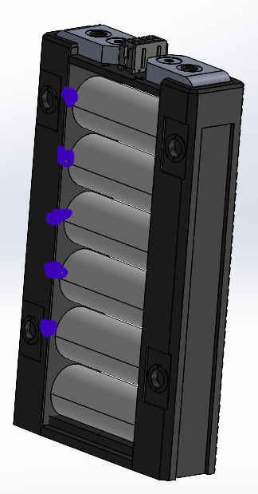
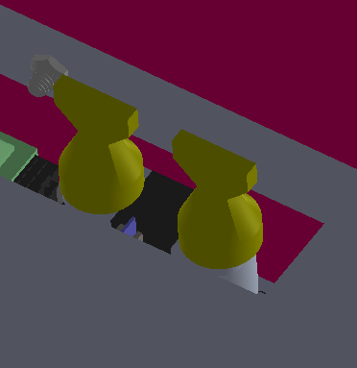 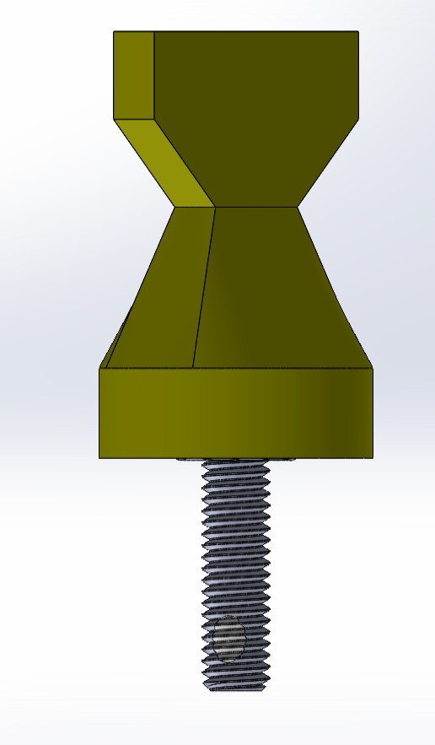 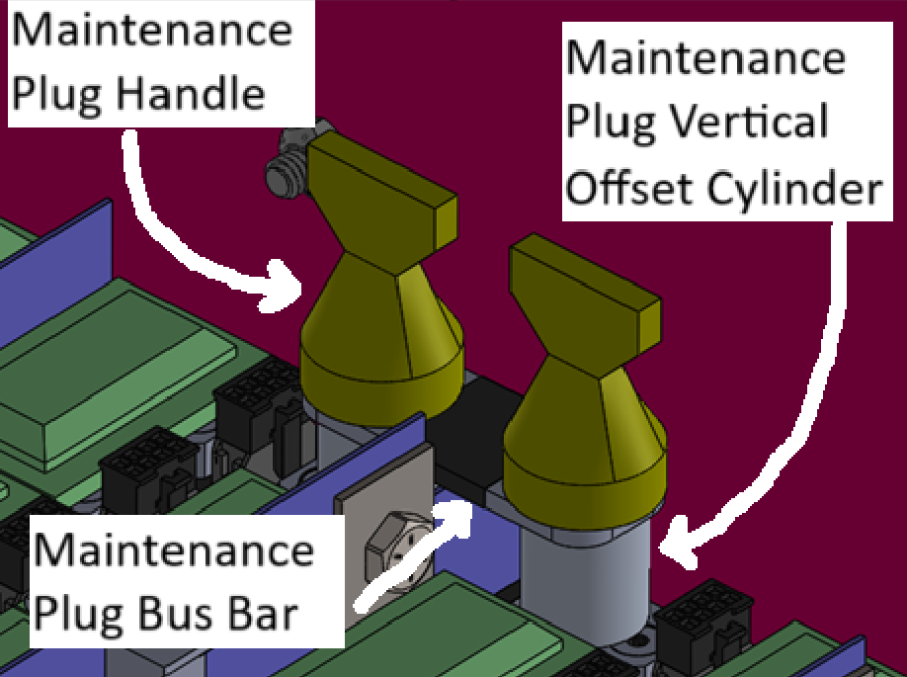 Picture of Maintenance Plugs |  |  |  |  |  |  |  |  | 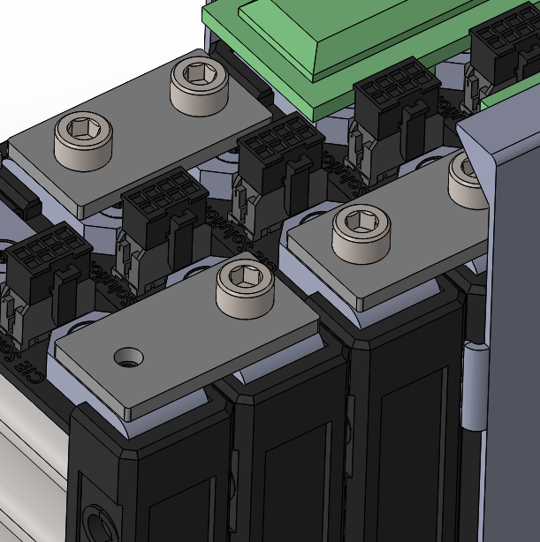 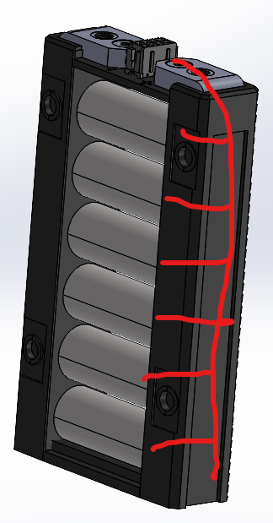 Picture of Cell Connections |  |  |  |  |  |  |  | Picture of Temperature Sensor Location |  |  |  |  |  |  | 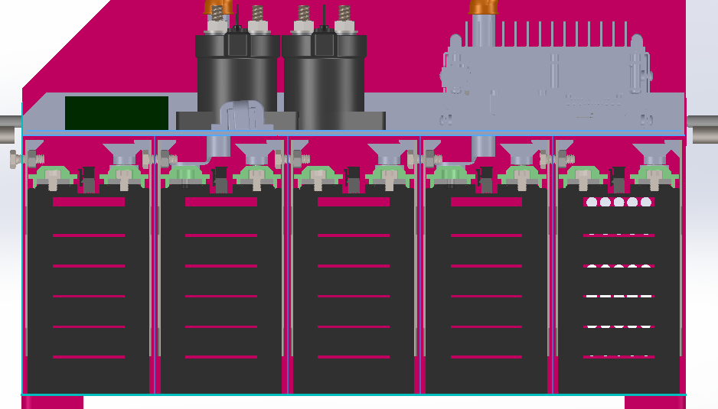 Picture of Fuse and IRs Separation from Cells |  |  |  |  |  | 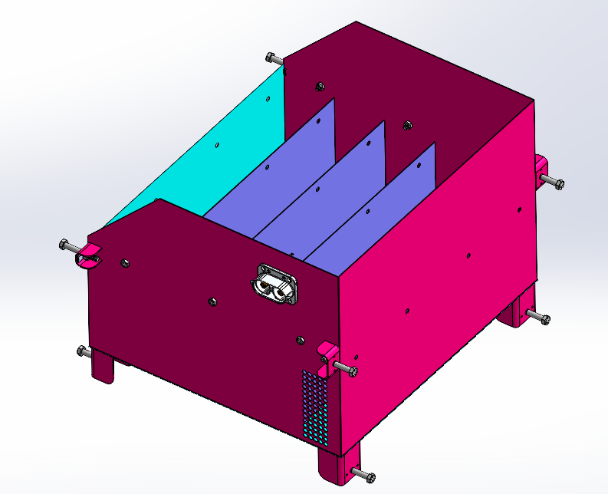 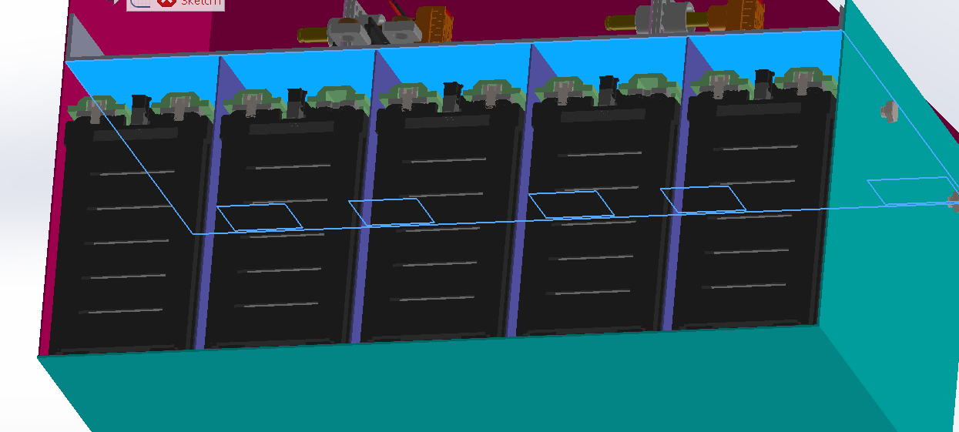 Picture of Segment Insulation between Cell Terminals and Sides of Accumulator Container |  |  | 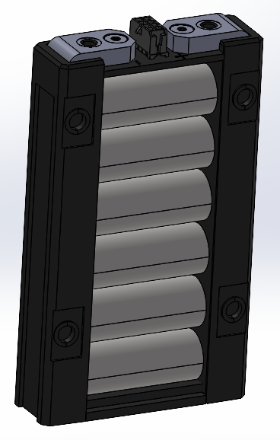 Picture of Insulation on Top of Segment

Maintenance Plug(s) Picture Shows |  |  |  |  |  |  | OK |  | Cell Connections Picture Shows |  |  |  |  |  | OK |  | Temperature Sensor Picture Shows |  |  |  |  |  | OK | Fuse and IRs Separation Picture Shows |  |  |  |  | OK | Segment Insulation Picture Shows |  | OK | Segment Insulation Picture Shows |  | OK
Unique Configuration of plugs |  |  |  |  |  | TRUE | OK |  | Bolted connections have positive locking |  |  |  |  | TRUE | OK |  | Temp sensor in direct contact with terminal or busbar |  |  |  |  | TRUE | OK | Fuse and IRs are separated from cells |  |  |  | TRUE | OK | Insulation between cells and accumulator container | TRUE | OK | Insulation on top of cells (air not acceptable) | TRUE | OK
Non-conductive on un-necessary surface |  |  |  |  |  | TRUE | OK |  | Location of parallel cell overcurrent for parallel cells |  |  |  |  | TRUE | OK |  | Distance from sensor to cell negative terminal connection |  |  |  |  | TRUE | OK | Additional Comments |  |  |  |  | Rules References | Additional Comments |  | Rules References | Additional Comments |  | Rules References
Accessible without any additional accumulator disassembly |  |  |  |  |  | TRUE | OK |  | BMS voltage sense fuse location |  |  |  |  | TRUE | OK |  | Additional Comments |  |  |  |  |  | Rules References | The fuse is the flat dark green box on the top left. The fuse and IRs are separated by a 4130 steel plate as well as Nomex paper which are both nonflamable. The insulation is where the two highlighted blue lines are in the image |  |  |  |  | EV.5.4.4 | Insulation is nomex paper which will be placed on walls, pictured in blue and teal. As well there will be insulation on the interior walls on the sides and back pictured in pink. Highlighted in light blue is where G10 insulation will be placed on the top of the segement enclosure |  | EV.5.2.2.a EV.5.2.3 | Insulation is Fire Retardant, Glass Filled ABS |  | EV.5.2.2.a EV.5.2.3
Positive Locking |  |  |  |  |  | TRUE | OK |  | Additional Comments |  |  |  |  |  | Rules References |  | Thermistor directly on negative cell terminal. No dimension needed |  |  |  |  |  | EV.7.5
Additional Comments |  |  |  |  |  |  | Rules References |  | Nylon patch bolts into OEM component, left is series connections, right is parallel (fused, wire bonded) connections |  |  |  |  |  | EV.6.4.1 EV.6.4.3 EV.7.4.4.a
Our maintainence plug solution uses a nylon patch bolt to hold down an elevated bus bar connected to the end module of the segment. The bolts have a 3d printed cap(in yellow) made of FR ABS that are bonded to the bolts to unscrew without tools. The elevated aluminum cylinder will have a cover over it similar to the bus bar covers to ensure it can not be accidentally touched. Bus bars will be removed using an ABS printed attachment. |  |  |  |  |  |  | EV.5.3

Parallel Cell Fusing |  |  |  |  | WARNING | Rules Referenes
Source |  |  | Purchased |  | OK | EV.6.6.3 EV.6.6.5
Make/Model |  |  | Heraeus AL-H11 |  | OK
Continuous Current |  |  | 35 | A | WARNING
Continuous Current |  |  |  | A
 | Test Data |  | Continuous
#N/A | #N/A | #N/A | #N/A
#N/A | #N/A | #N/A | #N/A
#N/A | #N/A
#N/A | #N/A
#N/A | #N/A
#N/A | #N/A
#N/A | #N/A
#N/A | #N/A
#N/A | #N/A
#N/A | #N/A
#N/A | #N/A
#N/A | #N/A
#N/A | #N/A
#N/A | #N/A
#N/A | #N/A
#N/A | #N/A
Test Data Summary
Tests at current 1 |  |  | 0 |  |  |  |  | #N/A
Tests at current 2 |  |  | 0 |  |  |  | #N/A | #N/A
Tests at current 3 |  |  | 0 |  |  |  | #N/A
Tests at current 4 |  |  | 0
See Fusible Link Testing Guideline on FSAEOnline.com

Testing | Current [A] | Time to blow [s]
Test 1
Test 2
Test 3
Test 4
Test 5
Test 6
Test 7
Test 8
Test 9
Test 10
Test 11
Test 12
Test 13
Test 14
Test 15
Test 16

Charging
Status | OK
Charger |  |  |  |  | OK |  | Additional Comments
Make |  |  | Elcon |  | OK
Model |  |  | 6.6kW HK-J CAN UHF |  | OK
Datasheet |  |  | Elcon Charger |  | OK
Input Voltage |  |  | 85~265 | V | OK
Input Current |  |  | 32A | A | OK
Output Voltage |  |  | 170-650 | V | OK
Output Current |  |  | 12 | A | OK
Power |  |  | 6.6 | kW | OK
Input to Output isolation |  |  | 2000 VAC 10 mA |  | OK

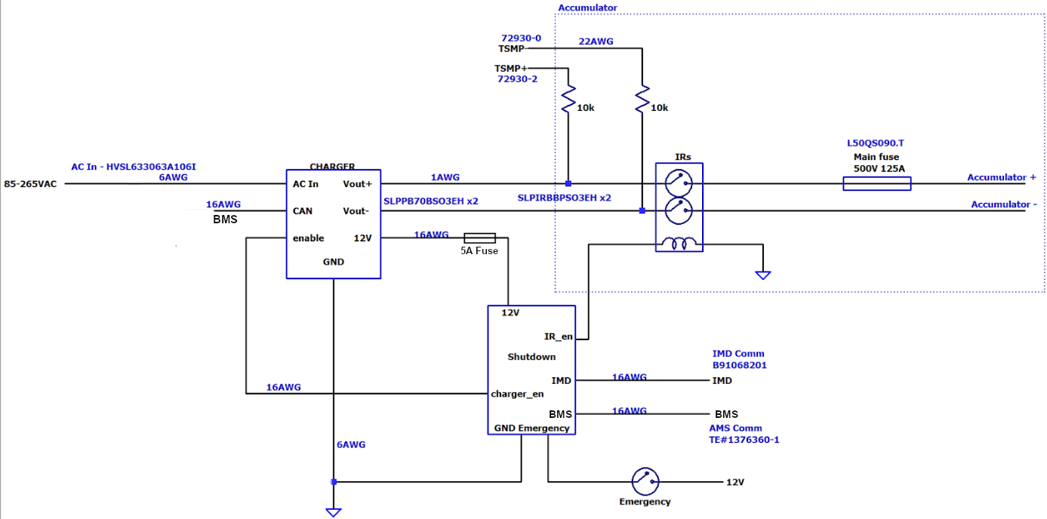 Charging Tractive System Schematic |  |  |  |  |  |  |  | 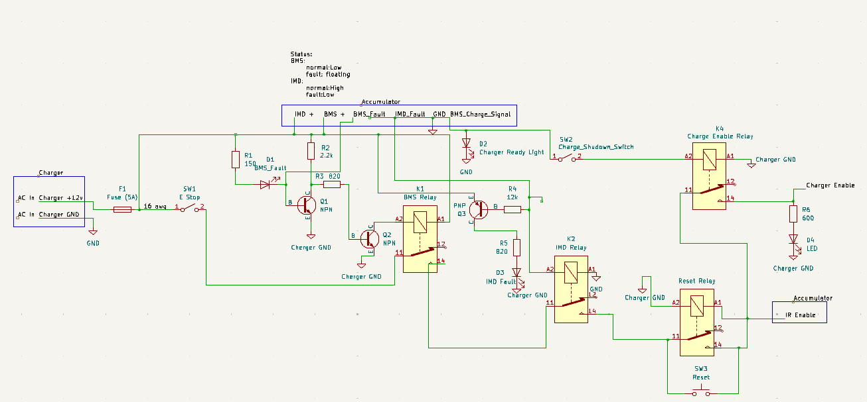 Charging Shutdown Circuit

Charging Tractive System Schematic Shows |  |  |  |  |  |  | OK | Charging Shutdown Circuit Shows |  |  | OK
Rules References |  |  |  |  |  |  |  | Rules References
EV.6.6 |  | Fuse |  |  |  | TRUE | OK | EV.8.3 | IMD Control and Powerstage | TRUE | OK
 |  | Connectors |  |  |  | TRUE | OK | EV.8.3 | AMS | TRUE | OK
 |  | Wire Gauge |  |  |  | TRUE | OK | EV.8.2.7 | Charger Shutdown Button | TRUE | OK
EV.8.4 |  | IMD |  |  |  | TRUE | OK | EV.8.4 | IRs | TRUE | OK
EV.8.4.2 |  | IRs |  |  |  | TRUE | OK | EV.5.9 | Charge Connector Interlock | TRUE | OK
EV.8.2.6 |  | TSMPs |  |  |  | TRUE | OK | EV.8.2.4; EV.8.4.2.c | Charge Control (CAN, Enable, etc.) | TRUE | OK
Additional Comments |  |  |  |  |  |  |  | Additional Comments

Shutdown Circuit
Status | OK
IMD |  |  |  |  | OK | BSPD |  |  |  | OK
Rules Reference |  |  | EV.7.6 |  |  | Rules Reference |  | EV.7.7
Make/Model |  |  | Bender iso175 |  | OK | Current Sensor Make/Model |  | DHAB S/124 |  | OK
Setpoint |  |  | 200 | kΩ | OK | Current Sensor Datasheet |  | DHAB S/124 |  | OK
 |  |  |  |  |  | Trip Current |  | 14.6 | A | OK
 |  |  |  |  |  | Sensor Output @ Trip Current |  | 2.89 | V | OK
 |  |  |  |  |  | Accuracy @ Trip Current |  | 0.4 | A | OK

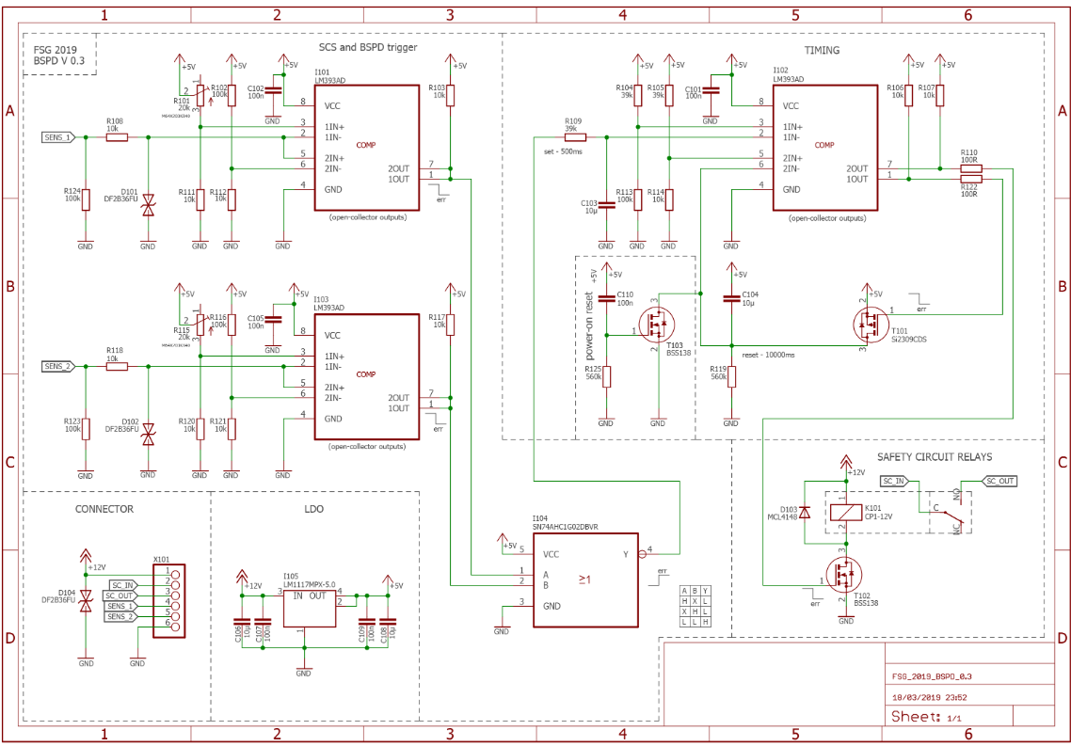
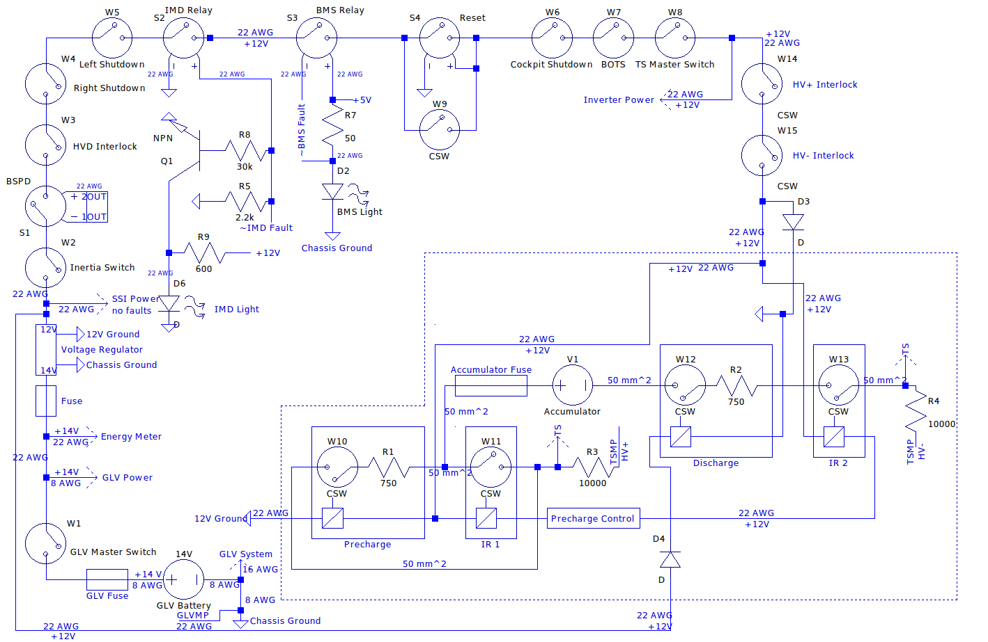 Shutdown Circuit Schematic |  |  |  |  |  |  |  |  |  | 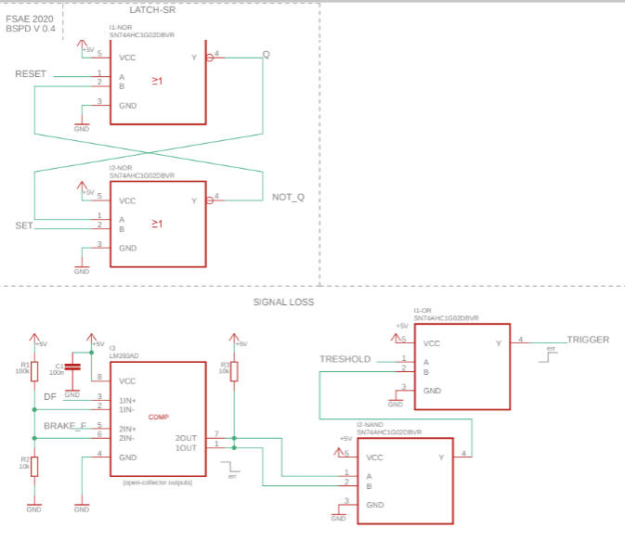 BSPD System Schematic

Shutdown Circuit Schematic Shows |  |  |  |  |  |  |  | OK |  | BSPD System Schematic Shows |  |  |  | OK
Rules References
EV.7.9.2 |  | GLVMS |  |  |  |  | TRUE | OK |  | BSPD Current Sensor input open/short circuit protection |  |  | TRUE | OK
EV.7.9.3 |  | TSMS |  |  |  |  | TRUE | OK |  | BSPD Brake Position input open/short circuit protection |  |  | TRUE | OK
EV.7.10.3 |  | 2 Side Shutdown Buttons |  |  |  |  | TRUE | OK |  | Shutdown circuit powerstage |  |  | TRUE | OK
EV.7.10.4 |  | 1 Cockpit Shutdown Button |  |  |  |  | TRUE | OK |  | Additional Comments |  |  | Rules References
T.3.3 |  | Brake Over Travel Switch (BOTS) |  |  |  |  | TRUE | OK |  |  |  |  | EV.7.7
T.9.4 |  | Inertia Switch |  |  |  |  | TRUE | OK
EV.7.3 |  | BMS |  |  |  |  | TRUE | OK
EV.7.6 |  | IMD |  |  |  |  | TRUE | OK
EV.7.7 |  | BSPD |  |  |  |  | TRUE | OK
EV.5.5.3 |  | MSD Interlock |  |  |  |  | TRUE | OK |  | 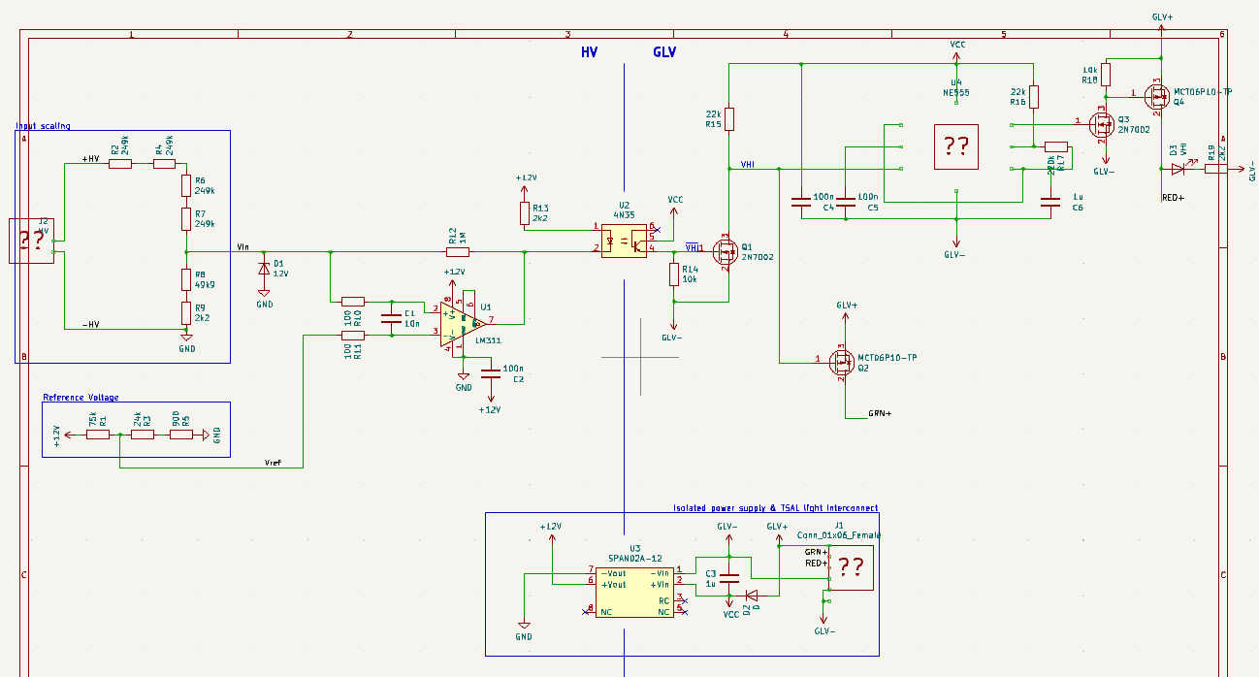 Ready To Move Light Schematic
EV.7.1.4 |  | IMD, AMS, BSPD have independent power stages |  |  |  |  | TRUE | OK
EV.4.1.3.a |  | Outboard Wheel Motor Interlocks (if applicable) |  |  |  |  | TRUE | OK
 |  | GLV Battery |  |  |  |  | TRUE | OK
 |  | HV DC/DC converter GLV connection (if applicable) |  |  |  |  | TRUE | OK
T.9.2.2 |  | GLV Fuse |  |  |  |  | TRUE | OK
 |  | Wire Gauge |  |  |  |  | TRUE | OK
EV.7.1.2; EV.7.1.5 |  | Precharge Contactor coil |  |  |  |  | TRUE | OK
EV.7.1.2; EV.7.1.5 |  | Positive IR coil |  |  |  |  | TRUE | OK
EV.7.1.2; EV.7.1.5 |  | Negative IR coil |  |  |  |  | TRUE | OK
EV.5.6.3.a |  | Discharge Contactor coil |  |  |  |  | TRUE | OK
EV.7.9.3.b |  | TSMS is last switch |  |  |  |  | TRUE | OK
EV.7.9.2.a |  | GLVMS is first switch |  |  |  |  | TRUE | OK
 |  | Uses proper electrical schematic symbols |  |  |  |  | TRUE | OK
 |  | Labels/text are readable (zooming in is acceptable) |  |  |  |  | TRUE | OK
EV.5.9 |  | Interlocks on TS connectors outside of an enclosure |  |  |  |  | TRUE | OK
Additional Comments |  |  |  |  |  |  | Rules References
 |  |  |  |  |  |  | EV.7.1 EV.7.2

 |  |  |  |  |  |  |  |  |  | Ready to Move Light Schematic Shows |  |  |  | OK
 |  |  |  |  |  |  |  |  |  | Light controlled by >60V present in TS (hardware-based voltage detection) |  |  | TRUE | OK
 |  |  |  |  |  |  |  |  |  | Light powered by GLV |  |  | TRUE | OK
 |  |  |  |  |  |  |  |  |  | Light flashes at 2–5 Hz when >60V present in TS |  |  | TRUE | OK
 |  |  |  |  |  |  |  |  |  | Light Source |  | Purchased |  | OK
 |  |  |  |  |  |  |  |  |  | Model |  | AT-HAIHAN CA-DOT-12T-P |  | OK
 |  |  |  |  |  |  |  |  |  | Datasheet |  | RTM Light |  | OK
 |  |  |  |  |  |  |  |  |  | DOT FMVSS 108 compliant | Manufacturer approved |  |  | OK
 |  |  |  |  |  |  |  |  |  | Additional Comments |  |  | Rules References
 |  |  |  |  |  |  |  |  |  |  |  |  | EV.5.10

Torque Security
Status | OK
APPS Sensor Transfer function |  |  |  | OK | Torque Control Path Security Checks |  |  |  |  |  |  |  |  | OK
Rules Reference |  | T.4.2.3
Position | APPS1 Output [V] |  | APPS2 Output [V] |  | Source Device | Destination Device | Communication | Redundant | Out Of Range | Correlation | Checksum | Timeout | Other |  | Additional Comments
0% | 1.143 |  | 1.081 | OK
20% | 1.61 |  | 1.541 | OK | APPS | ECU | Analog | 2 Sensors | Yes | Yes | No | Yes |  | OK
40% | 2.076 |  | 2.001 | OK | ECU | DAC | Analog | No | No | No | No | No |  | OK
60% | 2.544 |  | 2.449 | OK | DAC | Inverter | Digital | No | Yes | No | No | No |  | OK
80% | 3.012 |  | 2.917 | OK | Inverter
100% | 3.478 |  | 3.378 | OK

Other
Status | OK
Motor Controller |  |  |  | OK | Motor |  |  | OK
Make |  | Rinehart Motion Systems LLC |  | OK | Make |  | Emrax | OK
Model |  | PM100DX |  | OK | Model |  | 228 HV CC | OK
Datasheet |  | PM100DX |  | OK | Datasheet |  | Emrax 228 | OK
Galvanic Isolation between TS and control |  | 1000 | V | OK

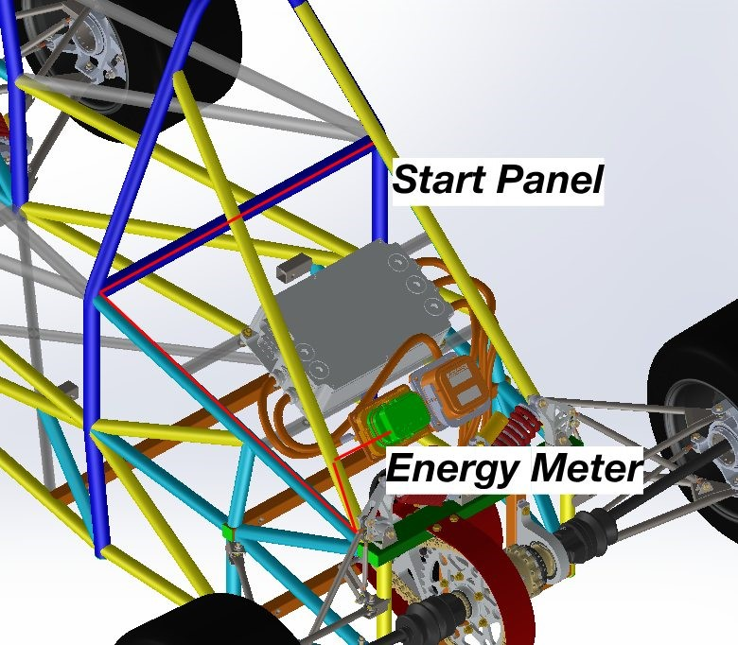 Picture of Energy Meter download connector on car to prove compliance with EV.3.2.2 |  |  |  |  |  |  | 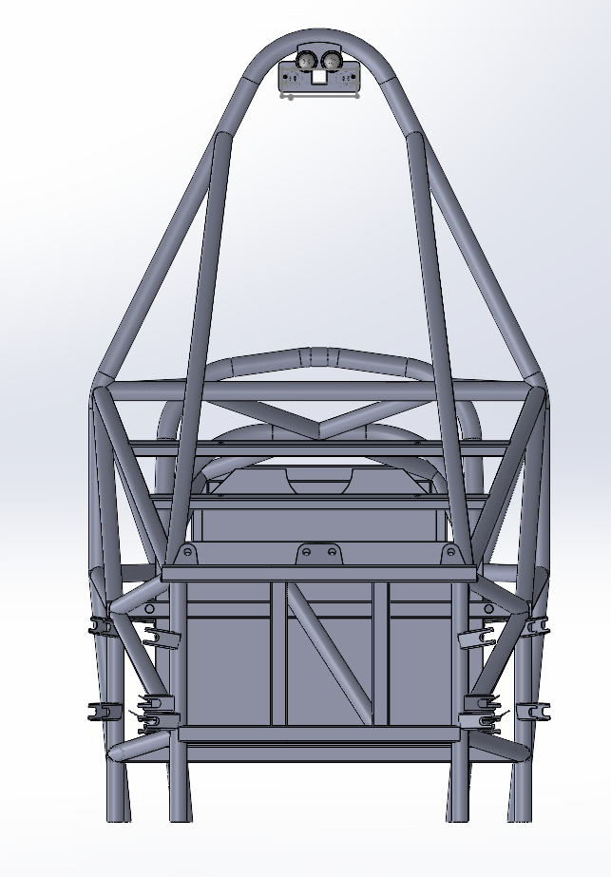 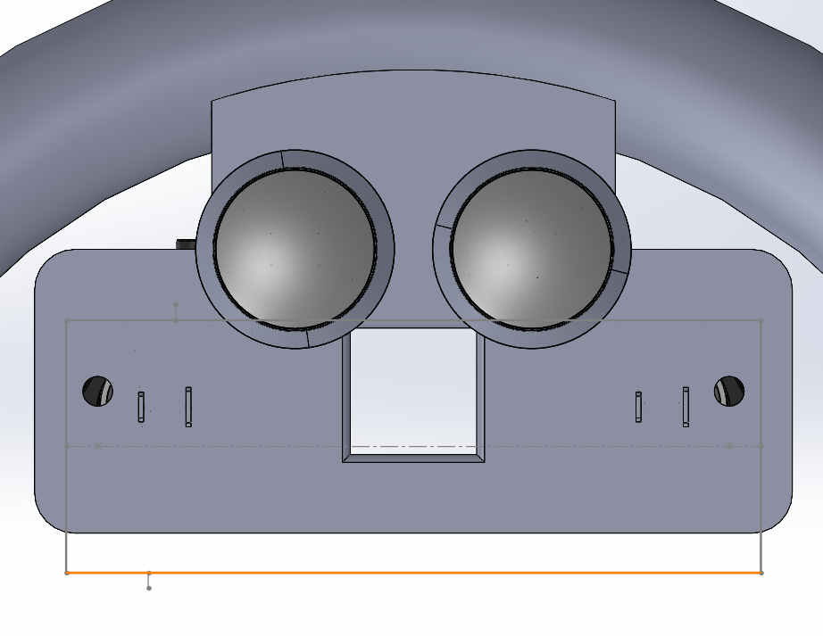 Picture of Tractive System Status Indicator on car to prove compliance with EV.5.11

Energy Meter Download Picture Shows |  |  |  |  |  | OK | Tractive System Status Indicator Shows |  |  | OK
Energy Meter Download Connector |  |  |  |  | TRUE | OK | Tractive System Status Indicator placement in vehicle |  | TRUE | OK
Additional Comments |  |  |  |  |  |  | Additional Comments
The master switch will be approximately located where the cutout on the LV shutdown panel is. The absolute location is unkown but will not move from the panel shown. |  |  |  |  |  |  | TSS indicator placed on RTM light housing, above RTM light (removed for sake of screenshots). RTM light will mount below TSS indicators, one of which is red, one of which is green. Matching set mirrored on front of car.

