Sheet1
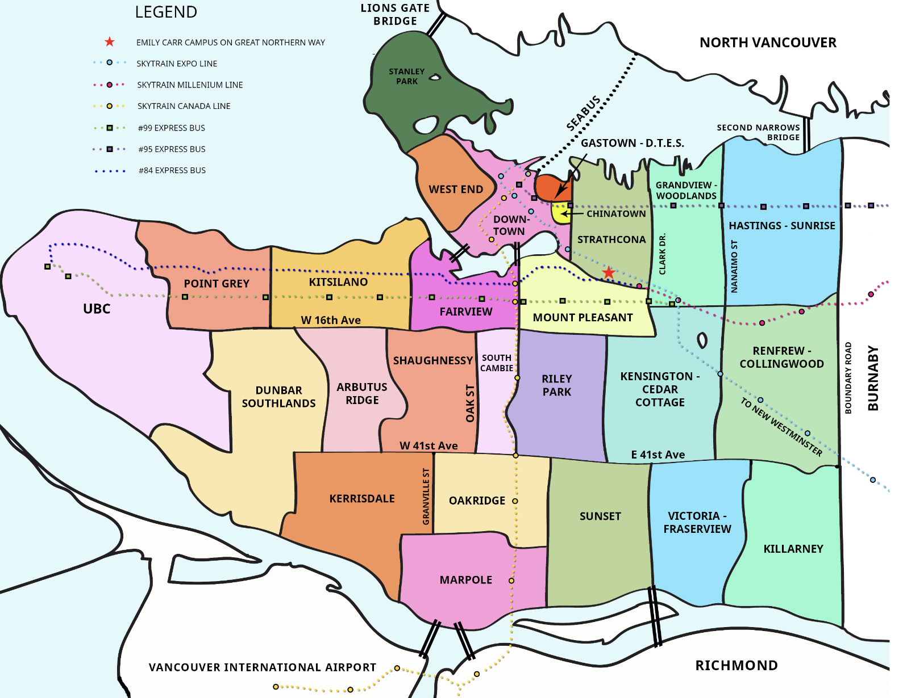
 |  | V6 - West | V5 - East | V7 - North

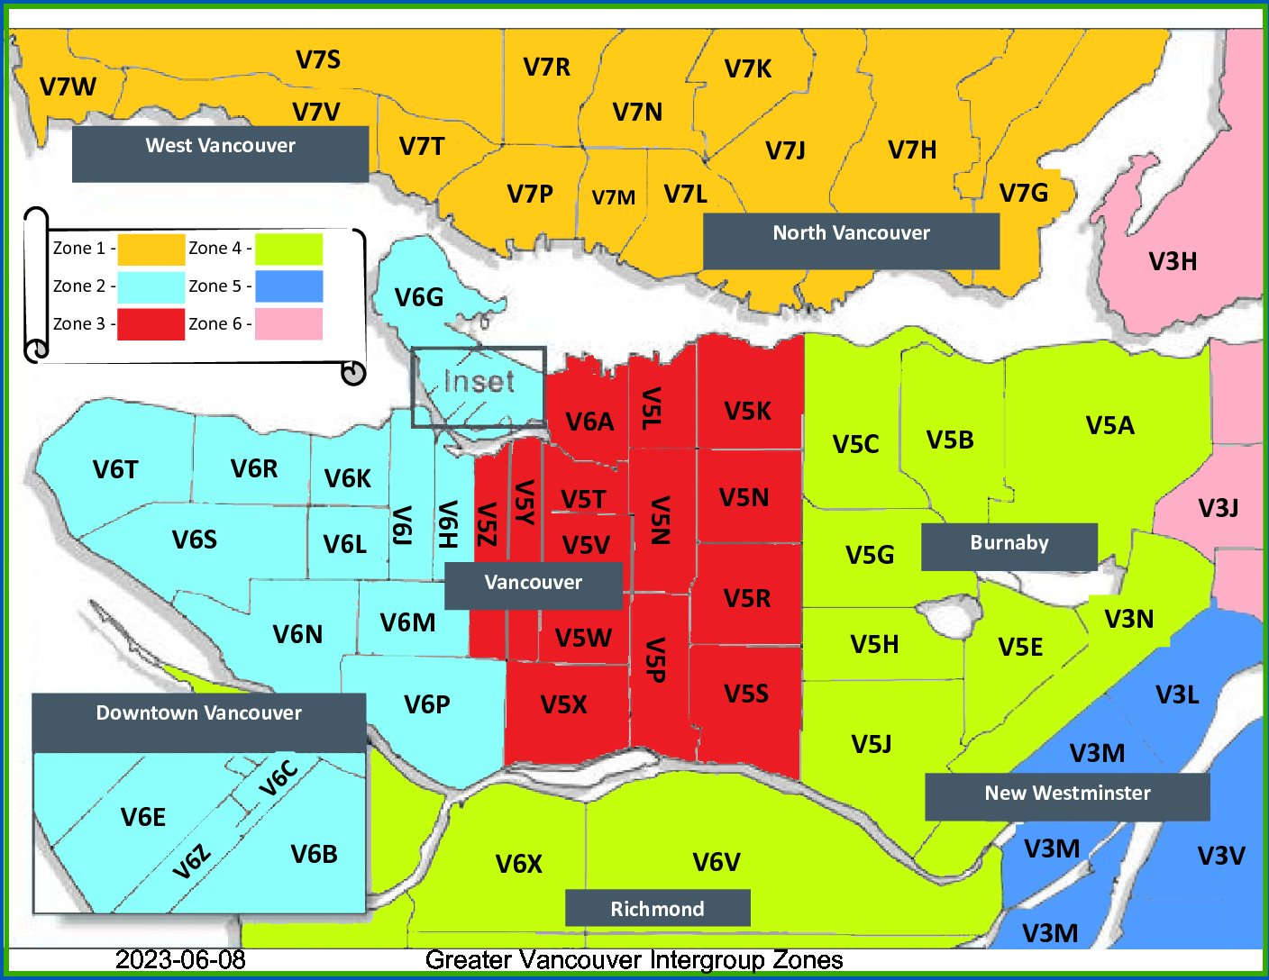
 | Vancouver | V6
 | UBC | V6T
 | Point Grey | V6R
 | Dunbar | V6S
 | Kits | V6K | V6J | V6R
 | Arbutus | V6L
 | Shaughnessy | V6M | V6J
 | Kerrisdale | V6M | V6N | V6P
 | Marpole | V6P
 | Oakridge | V6M | V5Z | V6P
 | Fairview | V5Z | V6H |  |  |  |  | northern parts of both
 | Mount Pleasant | V5T | V5Y
V7(S,T,V,W) | West Van | V7W | V7S | V7V | V7T
 | Downtown | V6E | V6Z | V6C | V6B | V7X | V7Y
 | Strathcona | V6A
 | Riley Park | V5V
 | Sunset | V5X
 | Kensington | V5V
 | Victoria | V5P
 | Grandview | V5L | V5N |  |  |  |  | northern part of V5N
 | Sunrise | V5K
 | Renfrew | V5R | V5N |  |  |  |  | southern part of V5N
 | Killarney | V5S
V7(P,R,N,M,L,K,J,H,G) | North Van

 | Problem children:
 | V6J | V5V
 | V6H | V5N
 | V6P | V5Z
 | V6M

