Bug Report
BUG REPORT
VERSION : WINDOWS 10, BROWSER : CHROME |  |  | DATE : 22.06.2024
VERIFIED BY : |  |  | TESTED BY : RESHMA N R
BUG ID | TEST CASE ID | BUG DESCRIPTION | STEPS TO REPRODUCE | SCREENSHOT | SEVERITY | PRIORITY | STATUS
DEF_CB_01 | CB_HP_03 | The phone number and email id is not clickable | 1.Open the link centreal bazaar 2.Click the phone number and email id given in the home page |  | Minor |  | New
DEF_CB_02 | CB_HP_04 | The search icon is not clickable | 1.Open the link centreal bazaar 2.Click the search icon |  | Major |  | New
DEF_CB_03 | CB_HP_05 | Search functionality is not working properly | 1.Open the link centreal bazaar 2.Click the search icon 3.Type a keyword 4.Press Enter |  | Major |  | New
DEF_CB_04 | CB_HP_07 | Alignment of the page is not correct | 1.Open the link centreal bazaar 2.Observe the home page |  | Trivial |  | New
DEF_CB_05 | CB_HP_09 | The link view all departments is not redirect to the page showing all departments | 1.Open the link centreal bazaar 2.Click view all departments |  | Major |  | New
DEF_CB_06 | CB_HP_14 | We cannot submit an enquiry properly | 1.Open the link centreal bazaar 2.Type all the inputs 3.Click forward arrow button | 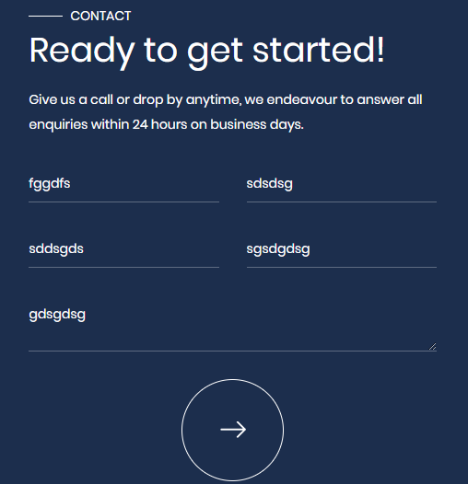 | Minor |  | New
DEF_CB_07 | CB_HP_15 | Alignment of the page ethics & values is not correct | 1.Open the link centreal bazaar 2.Click ethics & values 3.Observe the page |  | Trivial |  | New
DEF_CB_08 | CB_HP_16 | Image given in the page ethics & values is not relevant | 1.Open the link centreal bazaar 2.Click ethics & values 3.Observe the page |  | Trivial |  | New
DEF_CB_09 | CB_HP_28 | Customer service chat feature is not accessible and functional | 1.Open the link centreal bazaar 2.Verify that the customer service chat feature is accessible and functional |  | Major |  | New
DEF_CB_10 | CB_HP_30 | Real-time or scheduled updates of dynamic content like flash sales or limited-time offers is not displayed | 1.Open the link centreal bazaar 2.Verify that the real-time or scheduled updates of dynamic content like flash sales or limited-time offers is displayed |  | Enhancement |  | New
DEF_CB_11 | CB_CR_05 | Images given in each pages are not suitable for the page | 1.Open the link centreal bazaar 2.Click each sublinks given under corporate 3.Verify the images given in each pages are suitable for the page |  | Trivial |  | New
DEF_CB_12 | CB_CR_09 | Subtitle button in the video is not working properly | 1.Open the link centreal bazaar 2.Click corporate video given under corporate 3.Play the videos 4.Click subtitle button |  | Minor |  | New
DEF_CB_13 | CB_PP_07 | Shop now button in each pages is redirect to the error page | 1.Open the link centreal bazaar 2.Click products 3.Click shop now button in each pages | 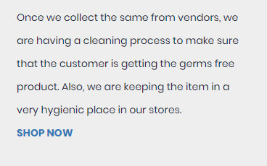 | Major |  | New
DEF_CB_14 | CB_PP_13 | Search fuctionality is not working properly | 1.Open the link centreal bazaar 2.Click products 3.Click on the search icon 4.Type letters 5.Press enter |  | Major |  | New
DEF_CB_15 | CB_PP_16 | The system is not displays a list of products related to the partial keyword veg | 1.Open the link centreal bazaar 2.Click products 3.Click on the search icon 4.Type a partial keyword 5.Press enter |  | Minor |  | New
DEF_CB_16 | CB_PP_17 | The system is not displays a dropdown list of search suggestions related to the input | 1.Open the link centreal bazaar 2.Click products 3.Click on the search icon 4.Start typing a keyword |  | Minor |  | New
DEF_CB_17 | CB_PP_18 | The system is not updates the search results based on the applied filter | 1.Open the link centreal bazaar 2.Click products 3.Click on the search icon 4.Apply a filter |  | Minor |  | New
DEF_CB_18 | CB_CE_07 | Content in the page current vacancies is repeated | 1.Open the link centreal bazaar 2.Click drop down button near careers 3.Click current vacancies 4.Observe the content |  | Trivial |  | New
DEF_CB_19 | CB_NP_05 | News are not updated regularly | 1.Open the link centreal bazaar 2.Click news 3.Verify that the news are updated regularly |  | Major |  | New
DEF_CB_20 | CB_NP_06 | Hyperlinks are not working properly | 1.Open the link centreal bazaar 2.Click news 3.Click on the hyperlinks |  | Major |  | New
DEF_CB_21 | CB_RP_05 | There is no content in the recepies page | 1.Open the link centreal bazaar 2.Click recipes 3.Verify the content of the page |  | Minor |  | New
DEF_CB_22 | CB_CP_06 | Name field is accept numbers | 1.Open the link centreal bazaar 2.Click contact 3.Click name field 4.Type numbers |  | Minor |  | New
DEF_CB_23 | CB_CP_07 | Name field is accept special characters | 1.Open the link centreal bazaar 2.Click contact 3.Click name field 4.Type special characters |  | Minor |  | New
DEF_CB_24 | CB_CP_08 | Name field is accept less than 2 alphabets | 1.Open the link centreal bazaar 2.Click contact 3.Click name field 4.Type one alphabet |  | Minor |  | New
DEF_CB_25 | CB_CP_11 | Email field is accept invalid email id | 1.Open the link centreal bazaar 2.Click contact 3.Click email field 4.Type an invalid email id |  | Minor |  | New
DEF_CB_26 | CB_CP_14 | Phone number field is accept less than 10 numbers | 1.Open the link centreal bazaar 2.Click contact 3.Click phone number field 4.Type less than 10 numbers |  | Minor |  | New
DEF_CB_27 | CB_CP_15 | Phone number field is accept more than 10 numbers | 1.Open the link centreal bazaar 2.Click contact 3.Click phone number field 4.Type more than 10 numbers |  | Minor |  | New
DEF_CB_28 | CB_CP_16 | Phone number field is accept alphabets | 1.Open the link centreal bazaar 2.Click contact 3.Click phone number field 4.Type alphabets |  | Minor |  | New
DEF_CB_29 | CB_CP_17 | Phone number field is accept special characters | 1.Open the link centreal bazaar 2.Click contact 3.Click phone number field 4.Type special characters |  | Minor |  | New
DEF_CB_30 | CB_CP_20 | Message field is accept only numbers | 1.Open the link centreal bazaar 2.Click contact 3.Click message field 4.Type numbers |  | Minor |  | New
DEF_CB_31 | CB_CP_21 | Message field is accept only special characters | 1.Open the link centreal bazaar 2.Click contact 3.Click message field 4.Type special characters |  | Minor |  | New
DEF_CB_32 | CB_CP_22 | Message field is accept less than 2 alphabets | 1.Open the link centreal bazaar 2.Click contact 3.Click message field 4.Type one alphabet |  | Minor |  | New
DEF_CB_33 | CB_CP_36 | User cannot properly submitting the contact form by clicking on the forward arrow button | 1.Open the link centreal bazaar 2.Click contact 3.Enter all values 4.Click forward arrow button 5.Check the checkbox 6.Click forward arrow button |  | Major |  | New
DEF_CB_34 | CB_CP_37 | The message 'successfully submitted' is not display after submitting the contact form | 1.Open the link centreal bazaar 2.Click contact 3.Enter all values 4.Click forward arrow button 5.Check the checkbox 6.Click forward arrow button |  | Minor |  | New
DEF_CB_35 | CB_CP_38 | After submitting the contact form the input fields are not empty to enter new inputs | 1.Open the link centreal bazaar 2.Click contact 3.Enter all values 4.Click forward arrow button 5.Check the checkbox 6.Click forward arrow button 7.Verify that after submitting the contact form the input fields become empty to enter new inputs |  | Major |  | New

Defect Distribution
DEFECT DISTRIBUTION GRAPH
MODULE NAME | DEFECT DISTRIBUTION
Home Page | 10
Corporate Page | 2
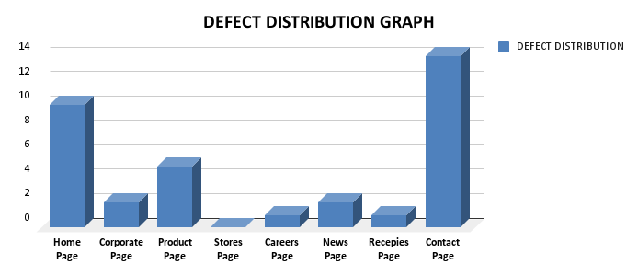
Product Page | 5
Stores Page | 0
Careers Page | 1
News Page | 2
Recepies Page | 1
Contact Page | 14

