Charts

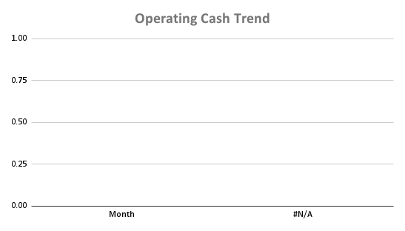
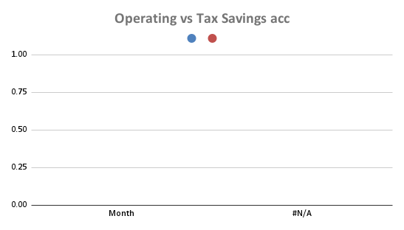

Expenses Seasonal
Monthly Cash Drawings

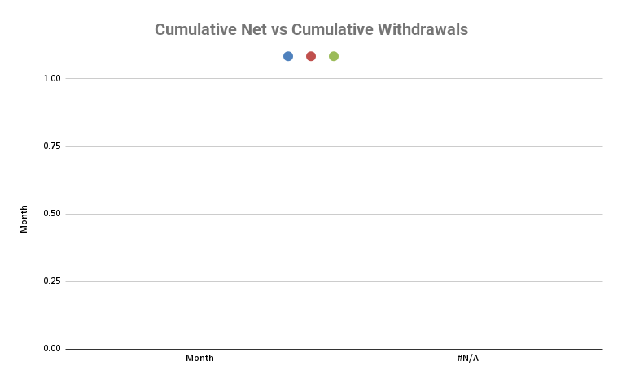

Tax Savings vs Tax Expected
Expense types

