Sheet1
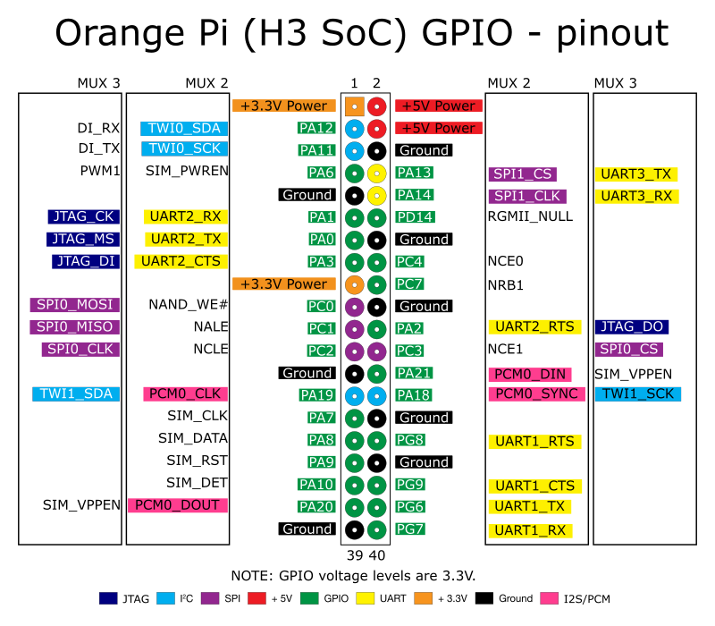
Button Assignment | # | Function | Button Assignment | # | Function
 | 1 | 3.3V |  | 2 | 5V
LEFT TRIGGER 1 | 3 | PA12 (TWI0_SDA/DI_RX/PA_EINT12) |  | 4 | 5V
LEFT TRIGGER 2 | 5 | PA11 (TWI0_SCK/DI_TX/PA_EINT11) |  | 6 | GND
UP 1 | 7 | PA6 (SIM_PWREN/PWM1/PA_EINT6) | L 1 | 8 | PA13 (SPI1_CS/UART3_TX/PA_EINT13)
 | 9 | GND | X 1 | 10 | PA14 (SPI1_CLK/UART3_RX/PA_EINT14)
DOWN 1 | 11 | PA1 (UART2_RX/JTAG_CK/PA_EINT1) | Y 1 | 12 | PD14
LEFT 1 | 13 | PA0 (UART2_TX/JTAG_MS/PA_EINT0) |  | 14 | GND
RIGHT 1 | 15 | PA3 (UART2_CTS/JTAG_DI/PA_EINT3) | R 1 | 16 | PC4
 | 17 | 3.3V | B 1 | 18 | PC7
START 1 | 19 | PC0 (SPI0_MOSI) |  | 20 | GND
SELECT 1 | 21 | PC1 (SPI0_MISO) | A 1 | 22 | PA2 (UART2_RTS/JTAG_DO/PA_EINT2)
UP 2 | 23 | PC2 (SPI0_CLK) | L 2 | 24 | PC3 (SPI0_CS)
 | 25 | GND | X 2 | 26 | PA21 (PCM0_DIN/SIM_VPPPP/PA_EINT21)
RIGHT TRIGGER 1 | 27 | PA19 (PCM0_CLK/TWI1_SDA/PA_EINT19) | RIGHT TRIGGER 2 | 28 | PA18 (PCM0_SYNC/TWI1_SCK/PA_EINT18)
DOWN 2 | 29 | PA7 (SIM_CLK/PA_EINT7) |  | 30 | GND
LEFT 2 | 31 | PA8 (SIM_DATA/PA_EINT8) | Y 2 | 32 | PG8 (UART1_RTS/PG_EINT8)
RIGHT 2 | 33 | PA9 (SIM_RST/PA_EINT9) |  | 34 | GND
START 2 | 35 | PA10 (SIM_DET/PA_EINT10) | R 2 | 36 | PG9 (UART1_CTS/PG_EINT9)
SELECT 2 | 37 | PA20 (PCM0_DOUT/SIM_VPPEN/PA_EINT20) | B 2 | 38 | PG6 (UART1_TX/PG_EINT6)
 | 39 | GND | A 2 | 40 | PG7 (UART1_RX/PG_EINT7)

