Sheet1
order | two tables | Xi - Xbar | Yi - Ybar | (Xi - Xbar)^2 | (Yi - Ybar)^2 | (Xi - Xbar)*(Yi - Ybar) | Yhat = b0 + b1 * X | Yhat - Ybar | (Yhat - Ybar)^2 | Yi - Yhat | (Yi - Yhat)^2
1 | 2 | -2.5 | -5 | 6.25 | 25 | 12.5 | 2 | -5 | 25 | 0 | 0
2 | 4 | -1.5 | -3 | 2.25 | 9 | 4.5 | 4 | -3 | 9 | 0 | 0
3 | 6 | -0.5 | -1 | 0.25 | 1 | 0.5 | 6 | -1 | 1 | 0 | 0
4 | 8 | 0.5 | 1 | 0.25 | 1 | 0.5 | 8 | 1 | 1 | 0 | 0
5 | 10 | 1.5 | 3 | 2.25 | 9 | 4.5 | 10 | 3 | 9 | 0 | 0
6 | 12 | 2.5 | 5 | 6.25 | 25 | 12.5 | 12 | 5 | 25 | 0 | 0
21 | 42 | 0 | 0 | 17.5 | 70 | 35 |  | SSR = | 70 | SSE = | 0
average x | average y
3.5 | 7
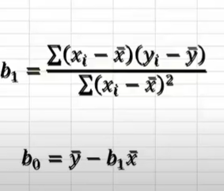

 |  |  |  |  |  | b1 = | 2
 |  |  |  |  |  | b0 = | 0

 |  |  |  |  |  | y = w X + b | w -> wight => 2
 |  |  |  |  |  |  | b -> bais => 0
 |  |  |  |  |  |  | model => y = 2x + 0 |  | SST = | 70

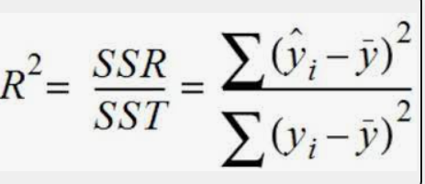

 |  |  |  |  |  | R2 = | 1
 |  |  |  |  |  | its percentage is 100

