Sheet1
File for execution!

 |  | cz1.py
process_final.py |  | cz2.py
 | process1v.py | cz3.py
process_final.py
 |  | cz4.py
 |  | cz5.py
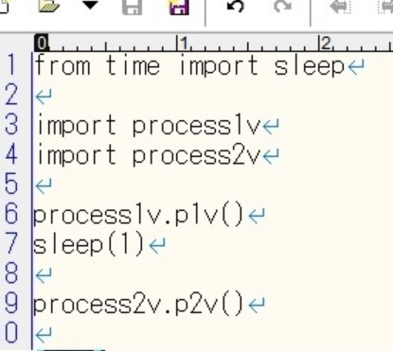
 |  | cz6.py

process1v.py
process2v.py
 | process2v.py | cz11.py
 |  | cz11a.py
 |  | cz12.py
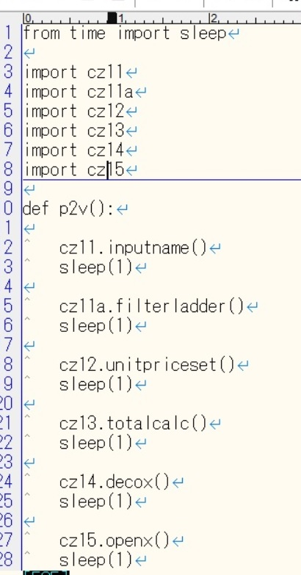
 |  | cz13.py
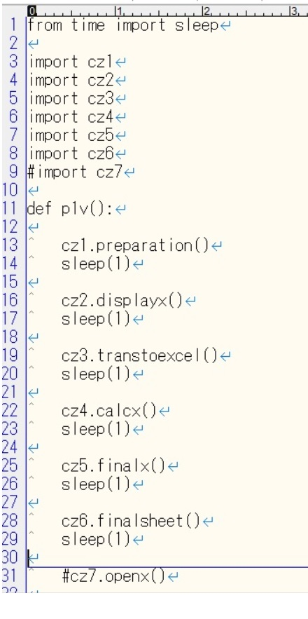
 |  | cz14.py
 |  | cz15.py

