Construction Gantt Chart
Bee-Company

Project: |  | Dashboard

Gantt Chart

Activities |  |  | DURATION (Days)
START DATE | END DATE | DESCRIPTION
2020-10-18 | 2020-10-23 | Project goals and MVP | 5
2020-10-22 | 2020-11-03 | Project planning | 12
2020-10-27 | 2020-11-05 | Information architecture | 9
2020-10-27 | 2020-11-10 | Create mockups | 14
2020-11-07 | 2020-11-10 | Estimating efforts | 3
2020-11-02 | 2020-11-10 | Write first report | 8
2020-11-13 | 2020-11-15 | Integration of Primavera API | 2
2020-11-13 | 2020-11-21 | Setup of backend server | 8
2020-11-21 | 2020-11-24 | Create & development of web routes | 3
2020-11-24 | 2020-12-14 | Overview dashboard development | 20
2020-11-24 | 2020-12-13 | Finantial dashboard development | 19
2020-11-24 | 2020-12-13 | Sales dashboard development | 19
2020-11-24 | 2020-12-13 | Procurement dashboard development | 19
2020-11-24 | 2020-12-13 | Inventory dashboard development | 19
2020-11-29 | 2020-12-13 | Product dashboard development | 14
2020-11-29 | 2020-12-13 | Supplier dashboard development | 14
2020-11-29 | 2020-12-13 | Costumer dashboard development | 14
2020-12-13 | 2020-12-17 | Final report and last adjustements | 4

Useful Tips
USEFUL TIPS
1 | When enteringactivity start and end dates in columns "C" and "D" use the following date format: DD/MM/YYYY
2 | To change colour of fill and text in cells, use HOME -> FONT tool palette.
3 | 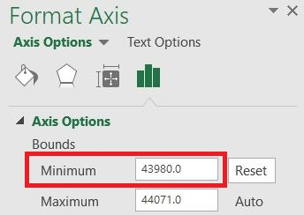 To change the start date shown on the gantt chart: Fotmat -> (Current Selection tab) Format Selection -> Axis Options -> Bound: Minimum -> Change value to a number that will be appropriate for your project start date. e.g. 43831 = 1/1/2020 44197 = 1/1/2021 44562 = 1/1/2022 .....

