Construction Gantt Chart
Bee-Company

Project: |  | Dashboard

Gantt Chart

Activities |  |  | DURATION (Days)
START DATE | END DATE | DESCRIPTION
10/10/20 | 10/11/20 | Project goals and MVP | 1
10/11/20 | 10/12/20 | Project planning | 1
10/12/20 | 10/13/20 | Information architecture | 1
10/13/20 | 10/14/20 | Create mockups | 1
10/14/20 | 10/15/20 | Estimating efforts | 1
10/15/20 | 10/16/20 | write first report | 1
10/16/20 | 10/17/20 | environment setup | 1
10/17/20 | 10/18/20 | Setup of backend server | 1
10/18/20 | 10/19/20 | Create & development of web routes | 1
10/19/20 | 10/20/20 | overview dashboard development | 1
10/20/20 | 10/21/20 | finantial dashboard development | 1
10/21/20 | 10/22/20 | sales dashboard development | 1
10/22/20 | 10/23/20 | procurement dashboard development | 1
10/23/20 | 10/24/20 | inventory dashboard development | 1
10/24/20 | 10/25/20 | product and client dashboard development | 1
10/25/20 | 10/26/20 | final report and last adjustements | 1

Useful Tips
USEFUL TIPS
1 | When enteringactivity start and end dates in columns "C" and "D" use the following date format: DD/MM/YYYY
2 | To change colour of fill and text in cells, use HOME -> FONT tool palette.
3 | 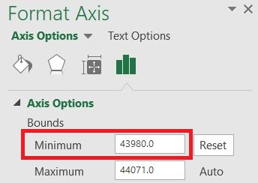 To change the start date shown on the gantt chart: Fotmat -> (Current Selection tab) Format Selection -> Axis Options -> Bound: Minimum -> Change value to a number that will be appropriate for your project start date. e.g. 43831 = 1/1/2020 44197 = 1/1/2021 44562 = 1/1/2022 .....

