Model
Acme multistage new product decisions with technological uncertainty

All monetary values (except the unit margin in cell B7) are in $1000s, and all sales volumes are in 1000s of units.
Inputs
Probability of failure | 0.2
Fixed development cost | $4,000
Fixed marketing cost | $2,000
Unit margin | $18

Market | Probability | Sales volume | Net revenue
Great | 0.45 | 600 | $10,800
Fair | 0.35 | 300 | $5,400
Awful | 0.20 | 90 | $1,620

Decsion Tree Images
To get these results, and these results only, fill out the Risk Profile dialog box as shown below. In particular, request results for the optimal path only.

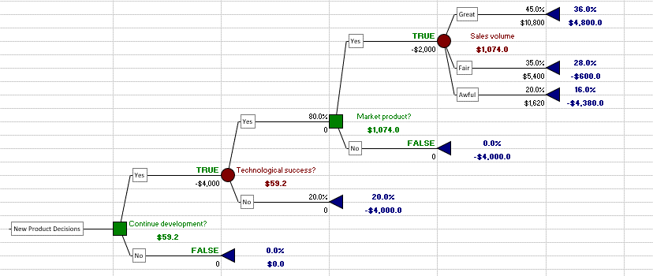

Char

Sheet1
Branch #1
Duke Rebate
 | FALSE | 0.0%
 | 50 | 100
TRUE | Decision2
50 | 140
Branch #2
 | TRUE | 100.0%
 | 90 | 140
Soalr Energey Rebate
Distribution
140
Store it Batteries
FALSE | 0.0%
60 | 60
Do Nothing
FALSE | 0.0%
0 | 0

