solution-1
Country | Resort Name | No of Days | Travel Method | Price | Holiday ID | Q1. Create a pivot table from this data, then use the filters within to view the average prices of holidays that have a Travel Method of Plane and a Resort Name that begins with the letter S:
Australia | Great Barrier Reef | 32 | Plane | $750.00 | I990AUS
Australia | Perth | 28 | Plane | $985.00 | AUS112J
Chile | Santiago | 21 | Plane | $1,259.00 | CH266H
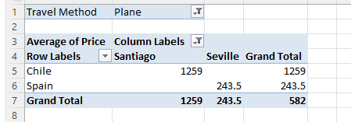
England | London | 3 | Train | $69.00 | I456UK
England | Bognor | 1 | Coach | $12.00 | BG726H
France | Lyon | 14 | Plane | $399.00 | A7995FR
France | Paris - Euro Disney | 5 | Train | $269.00 | TH789FR
France | Paris - Euro Disney | 3 | Train | $125.00 | TH788FR
France | Nice | 7 | Plane | $289.00 | I7897FR
France | Toulouse | 7 | Train | $256.00 | SG7637L
France | Nimes | 7 | Plane | $287.00 | FR5625J
Germany | Black Forest | 4 | Coach | $69.00 | A111G
Germany | Berlin | 7 | Coach | $289.00 | BR6736G
Peru | Lima | 21 | Plane | $975.00 | PG7836G
Saudi Arabia | Riyadh | 14 | Plane | $995.00 | KSA8987
Spain | Barcelona | 4 | Train | $219.00 | I6675SP
Spain | Nerja | 6 | Plane | $198.00 | TH990ESP
Spain | Malaga | 16 | Plane | $234.00 | A776ESP
Spain | Seville | 14 | Plane | $288.00 | NM9876Y
Spain | Seville | 10 | Plane | $199.00 | TH8956SP | Travel Method | Plane
Spain | Barcelona | 8 | Plane | $177.00 | AJ9836L
Spain | Barcelona | 7 | Coach | $199.00 | GG9836P | Average of Price | Column Labels
Spain | Malaga | 14 | Plane | $301.00 | PL8726P | Row Labels | Santiago | Seville | Grand Total
Spain | Barcelona | 4 | Train | $219.00 | I6675SP | Chile | 1259 |  | 1259
Spain | Seville | 14 | Train | $299.00 | SV767HH | Spain |  | 243.5 | 243.5
Spain | Madrid | 8 | Plane | $277.00 | WE6735L | Grand Total | 1259 | 243.5 | 582
Spain | Granada | 10 | Plane | $345.00 | GR7878G
Trinidad | Port of Spain | 14 | Plane | $885.00 | TT67624G

Solution-2(2)
Create another pivot table (on a separate sheet) to show average Oscar wins by certificate. Apply the original slicer to this pivot table too to show this for Australia and New Zealand only:

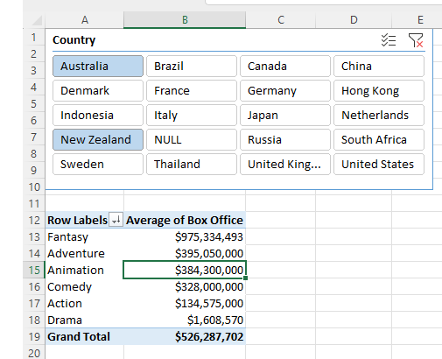

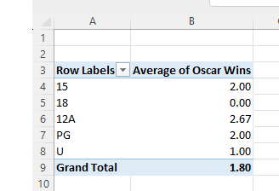

Row Labels | Average of Oscar Wins
15 | 2
18 | 0
12A | 2.6666666667
PG | 2
U | 1
Grand Total | 1.8

 |  | Right-click on your slicer and choose Report connections to apply it to this pivot table also; you should see the results shown above.

Solution 3
Roller Coaster | Amusement Park | Type | Design | Status | Opened | Speed ( mph )
Air | Alton Towers | Steel | Flying | Operating | 2002 | 46.6
Boomerang | Pleasure Island Family Theme Park | Steel | Sit Down | Operating | 1993 | 47
Cobra | Paultons Park | Steel | Sit Down | Operating | 2006 | 31.1
Colossus | Thorpe Park | Steel | Sit Down | Operating | 2002 | 45
Corkscrew | Alton Towers | Steel | Sit Down | Operating | 1980 | 40
Corkscrew | Flamingo Land Theme Park & Zoo | Steel | Sit Down | Operating | 1983 | 40
Crazy Mouse | South Pier | Steel | Sit Down | Operating | 1998 | 29.1
Crazy Mouse | Brighton Pier | Steel | Sit Down | Operating | 2000 | 29.1
Enigma | Pleasurewood Hills | Steel | Sit Down | Operating | 1995 | 34
Express | M&Ds Scotland's Theme Park | Steel | Sit Down | Operating | 2006 | 28
Fantasy Mouse | Fantasy Island | Steel | Sit Down | Operating | 2000 | 29.1
G Force | Drayton Manor Park | Steel | Sit Down | Operating | 2005 | 43.5
Grand National | Pleasure Beach, Blackpool | Wood | Sit Down | Operating | 1935 | 40
Infusion | Pleasure Beach, Blackpool | Steel | Inverted | Operating | 2007 | 49.7
Irn-Bru Revolution | Pleasure Beach, Blackpool | Steel | Sit Down | Operating | 1979 | 45
Jubilee Odyssey | Fantasy Island | Steel | Inverted | Operating | 2002 | 63
Jungle Coaster | Legoland Windsor | Steel | Sit Down | Operating | 2004 | 35
Knightmare | Camelot Theme Park | Steel | Sit Down | Operating | 2007 | 43.5
Kumali | Flamingo Land Theme Park & Zoo | Steel | Inverted | Operating | 2006 | 54.9
Magic Mouse | Brean Leisure Park | Steel | Sit Down | Operating | 2007 | 29.1
Megafobia | Oakwood Theme Park | Wood | Sit Down | Operating | 1996 | 48
Millennium Roller Coaster | Fantasy Island | Steel | Sit Down | Operating | 1999 | 55.9
Nemesis | Alton Towers | Steel | Inverted | Operating | 1994 | 50
Nemesis Inferno | Thorpe Park | Steel | Inverted | Operating | 2003 | 47.8
New Roller Coaster | New MetroLand | Steel | Sit Down | Operating | 1988 | 26.8
Oblivion | Alton Towers | Steel | Sit Down | Operating | 1998 | 68
Pepsi Max Big One | Pleasure Beach, Blackpool | Steel | Sit Down | Operating | 1994 | 74
Rage | Adventure Island | Steel | Sit Down | Operating | 2007 | 43.5
Rat | Loudoun Castle | Steel | Sit Down | Operating | 2005 | 28
Rattlesnake | Chessington World of Adventures | Steel | Sit Down | Operating | 1998 | 28
Rhino Coaster | West Midlands Safari Park | Steel | Sit Down | Operating | 1992 | 28.5
Rita - Queen of Speed | Alton Towers | Steel | Sit Down | Operating | 2005 | 61.1
Roller Coaster | Great Yarmouth Pleasure Beach | Wood | Sit Down | Operating | 1932 | 45
Roller Coaster | Pleasure Beach, Blackpool | Wood | Sit Down | Operating | 1933 | 35
Roller Coaster | Wicksteed Park | Steel | Sit Down | Operating | 2000 | 28
Shockwave | Drayton Manor Park | Steel | Stand Up | Operating | 1994 | 53
Speed: No Limits | Oakwood Theme Park | Steel | Sit Down | Operating | 2006 | 59
Stealth | Thorpe Park | Steel | Sit Down | Operating | 2006 | 80
Tornado | M&Ds Scotland's Theme Park | Steel | Sit Down | Operating | 1998 | 44.7
Tsunami | M&Ds Scotland's Theme Park | Steel | Inverted | Operating | 2004 | 38
Twist and Shout | Loudoun Castle | Steel | Sit Down | Operating | 2003 | 41
Twister | Lightwater Valley | Steel | Sit Down | Operating | 2001 | 29.1
Ultimate | Lightwater Valley | Steel | Sit Down | Operating | 1991 | 50
Vampire | Chessington World of Adventures | Steel | Suspended | Operating | 2002 | 45
Velocity | Flamingo Land Theme Park & Zoo | Steel | Sit Down | Operating | 2005 | 54
Wall's Twister Ride | West Midlands Safari Park | Steel | Sit Down | Operating | 1998 | 29.1
Whirlwind | Camelot Theme Park | Steel | Sit Down | Operating | 2003 | 37.3
Wild Mouse | Flamingo Land Theme Park & Zoo | Steel | Sit Down | Operating | 1997 | 28
Wipeout | Pleasurewood Hills | Steel | Sit Down | Operating | 2007 | 47
X:\ No Way Out | Thorpe Park | Steel | Sit Down | Operating | 1996 | 27.7

 | Convert this data into a pivot table and find the overall average speed of all rides that satisfy the following criteria:
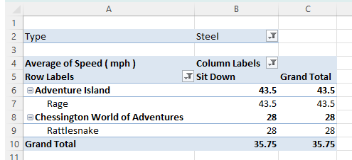

 | The Type is Steel

 | The Design is Sit Down

 | The Amusement Park has the word adventure somewhere in the title

 | Having narrowed your data down, you should get to this point:

 | Type | Steel

 | Average of Speed ( mph ) | Column Labels
 | Row Labels | Sit Down | Grand Total |  |  |  | `
 | Adventure Island | 43.5 | 43.5
 | Rage | 43.5 | 43.5
 | Grand Total | 43.5 | 43.5

Solution-4
Chocolate Bar Favourites
 |  |  |  |  | Open the Excel Workbook found in the folder above and select the data for just the UK and France:
Item | UK | France | USA | Germany
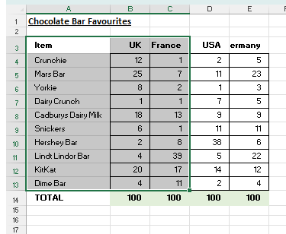
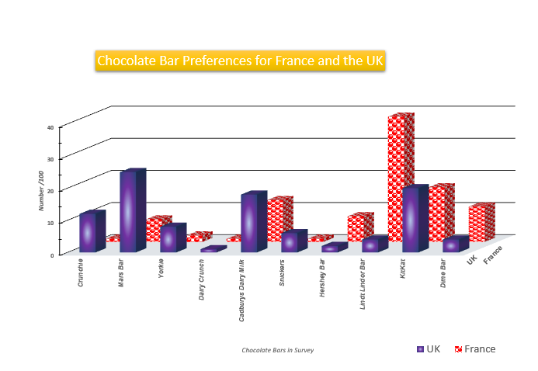
Crunchie | 12 | 1 | 2 | 5
Mars Bar | 25 | 7 | 11 | 23
Yorkie | 8 | 2 | 1 | 3
Dairy Crunch | 1 | 1 | 7 | 5
Cadburys Dairy Milk | 18 | 13 | 9 | 9
Snickers | 6 | 1 | 11 | 11
Hershey Bar | 2 | 8 | 38 | 6
Lindt Lindor Bar | 4 | 39 | 5 | 22
KitKat | 20 | 17 | 14 | 12
Dime Bar | 4 | 11 | 2 | 4
TOTAL | 100 | 100 | 100 | 100

Solution-2
Open the workbook in the above folder,and create the following pivot table based upon it:

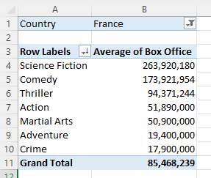

The average box office takings by genre for films made in Australia or New Zealand.

Country | (Multiple Items)

Row Labels | Average of Box Office
Action | 134575000
Adventure | 395050000
Animation | 384300000
Comedy | 328000000
Drama | 1608570
Fantasy | 975334492.67
Grand Total | 526287701.73

Remove the filter by country, and replace it with a slicer by country instead. Use this to show all Australasian films:

 |  | Row Labels | Average of Box Office
 |  | Action | 134575000
 |  | Adventure | 239600000
 |  | Animation | 384300000
 |  | Comedy | 328000000
 |  | Grand Total | 212885714.29

