Measures_Delete
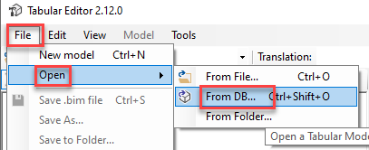
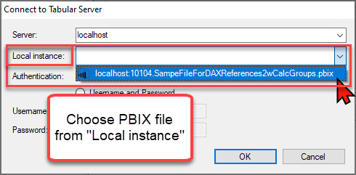
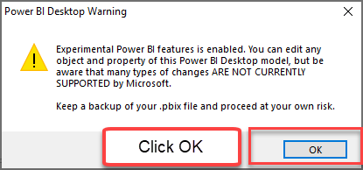
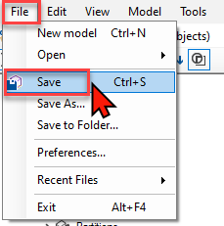
 | 1) Check measures in this list and if you want to keep some |  | 2) Press button below | 3) Open Tabular Editor and use the code in there:
 | of these measures, delete the entry in column "Action"

TableName | MeasureName | Action |  | Code to be used in Tabular Editor

 |  |  |  | Click to get Tabular Editor Pro Version
 |  |  |  | Click to get Tabular Editor Free Version

 |  |  |  | In Tabular Editor follow these steps:

