6.1
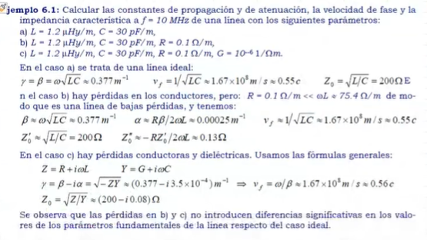
c=veciluz | 300000000
f= | 120 | Mhz
f= | 120000000 | Hz
W= | 753982236.86 | Rad
SOL | L |  | C |  | R
 | 2.8 | uF/m | 10.2 | pF/m | 3.5 |  | A) constante de propagacion
 | 0.0000028 |  | 1.02E-11

y=ϐ | 4.0293984585 | 1/m
vf | 187120297.14 | m/s | 0.6237343238 | c |  |  | Z = | 3.5+2.111150263
Z= | 3.5+2.111150263
Zo= | 523.936832 |  |  |  |  |  | B) Constante de atenuacion

SOL | L |  | C |  | R
 | 2.8 | uF/m | 10.2 | pF/m | 3.5
 | 0.0000028 |  | 1.02E-11 |  |  |  | α = | 9.5431351542E-05

wL= | 2111.1502632 |  |  |  |  |  | C) Velocidad de Fase
y=ϐ | 4.0293984585 | 1/m
α = | 9.5431351542E-05 | 1/m
Vf = | 187120297.14 | m/s | 0.6237343238 | c
Z'= | 523.936832 |  |  |  |  |  | vf = | 187120297.14
Z''= | -0.012408800101
 |  |  |  |  |  |  | D) Impedancia Caracteristica
SOL | L |  | C |  | R | G
 | 1.2 | uF/m | 30 | pF/m | 3.5 | 0.0000003
 | 0.0000028 |  | 1.02E-11

wL= | 2111.1502632 |  |  |  |  |  | Zo = | 523.936832
WC= | 0.007690618816
Z= | 3.5+2111.15026321234i
Y= | 0.0000003+0.00769061881598781i

y=ϐ-1α | 4.0293030272 | 1/m
α = | 9.5431351542E-05 | 1/m
Vf = | 187120297.14 | m/s | 0.6237343238 | c

Z/Y = | 274509.82125665-444.391684908132i
Zo= | 523.93702017322-0.424088838732192i
Z'= | 523.936832
Z''= | -0.42408899169

Hoja1
SEMANA-10

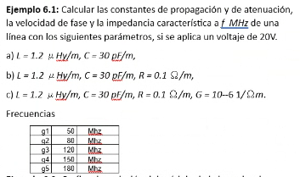
 |  |  |  |  |  |  |  |  |  | Columna1 | G4
 |  |  |  |  |  |  |  |  |  | f | 150000000
 |  |  | Columna1 | L | C | R | G |  |  | w | 942477796.08 |  |  | Vo | 20
 |  |  | A | 0.0000012 | 3E-11
 |  |  | B | 0.0000012 | 3E-11 | 0.1 |  |  |  |  |  |  |  | a | pot | 1
 |  |  | C | 0.0000012 | 3E-11 | 0.1 | 0.000001

 |  |  |  |  |  |  |  |  |  |  |  |  |  | b | pot | 0.99999999609
 |  |  | 0.37699111843
 |  |  |  |  |  |  |  |  |  |  |  |  |  | c | pot | 0.99999999672
 | pregunta | A | y | 5.6548667765 |  | B | y | 5.6548667765 | alfa | 0.00025
 |  |  | vf | 166666666.67 |  |  | vf | 166666666.67
 |  |  | zo | 200 |  |  | z' | 200 | z'' | -0.0088419412829

 |  |  |  | C | Z | 0.1+1130.97335529233i |  | Y | 0.000001+0.0282743338823081i
 |  |  |  |  | y | 5.65486677646163+0.00025i
 |  |  |  |  | vf | 166666666.67
 |  |  |  |  | z0 | 200.000000257994-0.00530516475625021i

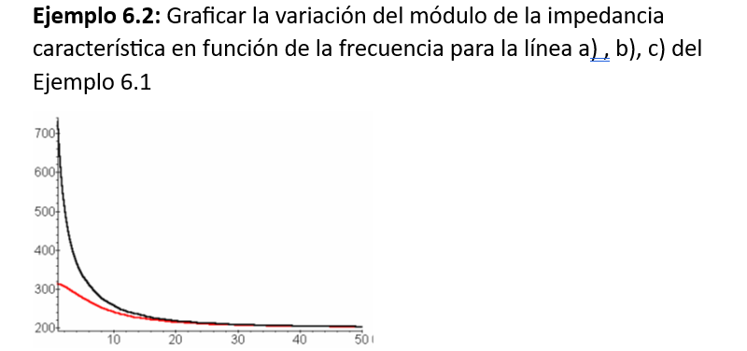

 |  |  |  |  | a | f | zo
 |  |  |  |  |  | 100 | 200
 |  |  |  |  |  | 5000 | 200
 |  |  |  |  |  | 10000 | 200
 |  |  |  |  |  | 15000 | 200
 |  |  |  |  |  | 20000 | 200
 |  |  |  |  |  | 25000 | 200
 |  |  |  |  |  | 30000 | 200
 |  |  |  |  |  | 35000 | 200
 |  |  |  |  |  | 40000 | 200
 |  |  |  |  |  | 45000 | 200
 |  |  |  |  |  | 50000 | 200

 |  |  |  |  | b | f | zo | modulo zo |  | c | f | zo | modulo zo
 |  |  |  |  |  | 100 | 1634.8265296407-1622.5466964057i | 2303.3270641 |  |  | 100 | 316.199122841871-1.78775267703349i | 316.20417667
 |  |  |  |  |  | 5000 | 276.941078137096-191.562942031431i | 336.73835766 |  |  | 5000 | 273.447896567007-54.7589347072888i | 278.87684211
 |  |  |  |  |  | 10000 | 230.696264729696-114.981592266911i | 257.76255182 |  |  | 10000 | 236.507238779062-52.5139633851436i | 242.26718793
 |  |  |  |  |  | 15000 | 216.094448609008-81.8340437692715i | 231.07059839 |  |  | 15000 | 220.237207952092-42.8204999156652i | 224.36136695
 |  |  |  |  |  | 20000 | 209.757043424706-63.2298763740223i | 219.07997292 |  |  | 20000 | 212.52748913537-34.981978569436i | 215.38726161
 |  |  |  |  |  | 25000 | 206.495059622923-51.3829704150551i | 212.79196248 |  |  | 25000 | 208.422112342121-29.2285244559294i | 210.46159639
 |  |  |  |  |  | 30000 | 204.61506671252-43.2125621291896i | 209.12831241 |  |  | 30000 | 206.01683161473-24.9702539548651i | 207.52457322
 |  |  |  |  |  | 35000 | 203.439936029437-37.2532894072634i | 206.82266593 |  |  | 35000 | 204.499499636726-21.7367534413928i | 205.6514814
 |  |  |  |  |  | 40000 | 202.65917927198-32.7222087150689i | 205.28391531 |  |  | 40000 | 203.485681345948-19.2155689938712i | 204.3909504
 |  |  |  |  |  | 45000 | 202.115261016841-29.1646830242616i | 204.20861263 |  |  | 45000 | 202.776769491766-17.2026309202383i | 203.50515658
 |  |  |  |  |  | 50000 | 201.721737819556-26.2994203156995i | 203.42890409 |  |  | 50000 | 202.262549124606-15.5622618899155i | 202.86035289

Hoja1 (2)
L = 1.2 μH/m = 1.2 × 10⁻⁶ H/m | 1.2*10⁻⁶ | #VALUE! | 0.0000012 |  | INTEGRANTES | G1
C = 30 pF/m = 30 × 10⁻¹² F/m | 30 × 10⁻¹² |  | 3E-11 |  | ARENAS R CARLOS
R = 0.1 Ω/m | 0.10 |  | 0.1 |  | BARRIONUEVO Q JOEL
G = 10⁻⁶ S/m | 10⁻⁶ |  | 0.000001 |  | REYMUNDO R RENZO
f = 50 MHz = 50 × 10⁶ Hz | 50 × 10⁶ |  | 50000000 | 314159265.36
CASO A
$$Z_{0}=\sqrt{\frac{1.2∗10^−6}{30∗10^−12}}=\sqrt{\frac{1.2}{30}∗10^−6}=\sqrt{4∗10^4}=200Ω$$
 |  |  |  |  |  | formula | #NAME?

$$V_{f}=\frac{1}{\sqrt{L∗C}}=\frac{1}{\sqrt{1.2∗{10}^{−6}∗30∗{10}^{−12}}}=\frac{1}{\sqrt{3.6∗{10}^{−17}}}=1.67∗{10}^{8}=0.55c$$

$$γ=β=ω\sqrt{LC}=π∗{10}^{8}∗\sqrt{1.2∗{10}^{−6}∗30∗{10}^{−12}}=1.885(m^{−1})$$
 |  |  |  |  |  | f(khz) | w | Zo
 |  |  |  |  |  | 0.01 | 62.83 | 316.228
 |  |  |  |  |  | 0.1 | 628.32 | 316.204
$$ω=2πf=π∗2∗50∗{10}^{6}=π∗{10}^{8}rad$$
 |  |  |  |  |  | 1 | 6283.19 | 313.924
 |  |  |  |  |  | 10 | 62831.85 | 242.27
$$∝=\frac{0.1∗1.885}{2∗π∗{10}^{8}∗1.2∗{10}^{−6}}=2.5∗{10}^{−4}$$
CASO B |  |  |  |  |  | 20 | 125663.71 | 215.39
$$β=1.885 m^{−1}$$
 |  |  |  |  |  | 30 | 188495.56 | 207.53
 |  |  |  |  |  | 40 | 251327.41 | 204.39
 |  |  |  |  |  | 50 | 314159.27 | 202.86
$$V_{f}=1.67∗{10}^{8}=0.55c$$
$$Z_{0}^{′′}=\frac{−0.1∗200}{2∗π∗{10}^{8}∗1.2∗{10}^{−6}}=−0.0265Ω$$
 |  |  |  |  |  | 60 | 376991.12 | 202.01
Grafica
$$Z_{0}^{′}=200Ω$$

CASO C
$$Z=R+iωL=0.1+i∗120π$$

$$Y=G+iωC={10}^{−6}+i∗125.66∗{10}^{6}∗30∗{10}^{−12}={10}^{−6}+i∗3π∗{10}^{−3}$$

$$γ=β−iα=\sqrt{−Z∗Y}=\sqrt{−\left(0.1+i∗120π\right)\left({10}^{−6}+i∗3π∗{10}^{−3}\right)}=1.9−3.5∗{10}^{−4}i$$

$$Z_{0}=\sqrt{\frac{Z}{Y}}=\sqrt{\frac{0.1+i∗120π}{{10}^{−6}+i∗3π∗{10}^{−3}}}=(200−0.016i)Ω$$

6.2
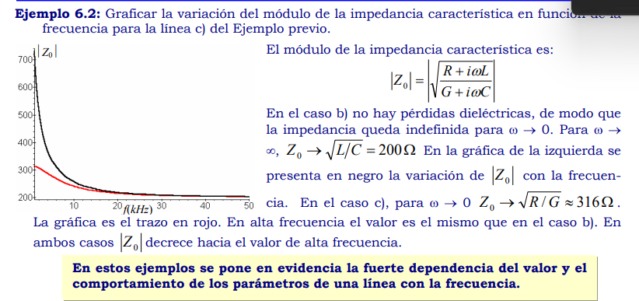
R | iwl | G | iwc
0.1 | 75.398223686 | 0.000001 | 0.0018849555922

Zo= | 200
MOD Zo

6.3
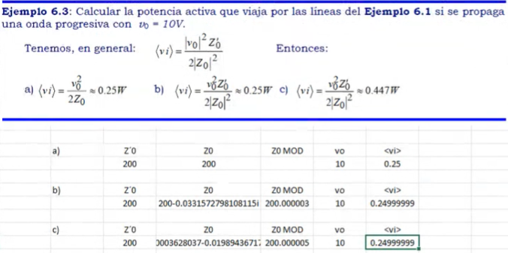
Usa los datos de 6.1
A) | Z'0 | Zo | Zo MOD | vo | <vi>
 | 200 | 200 |  | 10 | 0.25

B) | Z'0 | Zo | Zo MOD | vo | <vi>
 | 200 | 199.5 | 200 | 10 | 0.25

C) | Z'0 | Zo | Zo MOD | vo | <vi>
 | 200 | 199.5 | 200 | 10 | 0.25

6.4
