Sheet1
PT.SINAR PRIMA PLASTISINDO
LAPORAN HARIAN KELENGKAPAN PRODUKSI
HARI / TANGGAL :
NO | TONASE | PART NAME | PRODUKSI
 |  |  | IK/WI | OPL | SETTING.P | SAMPLE | CHECKSHEET 5R | Lap HOURLY | KETERANGAN
1 | 800 T
2 | 800 T
3 | 450 T
4 | 600 T
5 | 550 T
6 | 530 T
7 | 530 T
8 | 450 T
9 | 350 T
10 | 350 T
11 | 560 T
12 | 650 T
13 | 550 T
14 | 170 T
15 | 125 T
16 | 160 T
17 | 170 T
18 | 250 T
19 | 250 T
20 | 160 T
21 | 250 T
22 | 250 T
23 | 200 T
24 | 260 T
25 | 125 T
26 | 210 T
27 | 210 T
28 | 210 T

EXT
PT.TRIVINDO PRIMA MANDIRI
LAPORAN HARIAN KELENGKAPAN DOKUMEN
HARI / TANGGAL : |  |  |  |  |  |  |  |  | CHECKSHEET KONTROL AWAL
NO | MC | PART NAME | PRODUKSI |  |  |  |  |  |  |  | MAINTENANCE |  |  |  | MATERIAL | SHE | MC
 |  |  | IK/WI | OPL | JOB SET UP | SAMPLE | SKILLMAP | LAP HOURLY | CHECKSHEET KONTROL AWAL | CHECKSHEET 5R | DAILY EXTRUDER | HAV/UHF | COOLING BATH | CUTTER PILLAR | CHECKSHEET PERMINTAAN MATERIAL | LUX METER
1 | 1
2 | 2
3 | 3
4 | 4
5 | 5
6 | 6
7
8
9
10
11
12 | 650 T
13 | 550 T
14 | 170 T
15 | 125 T
16 | 160 T
17 | 170 T
18 | 250 T
19 | 250 T
20 | 160 T
21 | 250 T
22 | 250 T
23 | 200 T
24 | 260 T
25 | 125 T
26 | 210 T
27 | 210 T
28 | 210 T

INJ
PT.TRIVINDO PRIMA MANDIRI
LAPORAN HARIAN KELENGKAPAN DOKUMEN
HARI / TANGGAL : |  |  | SELASA / 12 AGUSTUS
NO | TONASE | PART NAME | PRODUKSI |  |  |  |  |  |  |  | MAINTENANCE |  |  | MATERIAL | SHE | MOLD
 |  |  | IK/WI | OPL | SETTINGPARAMETER | SAMPLE | SKILLMAP | LAP HOURLY | CHECKSHEET KONTROL AWAL | CHECKSHEET 5R | CHECKSHEET NOZZLE | GREASE | TEMP. BARREL | CHECKSHEET PENGISIAN MATERIAL | LUX METER | DAILY CLEANING MOLD
1 | 250 T |  |  |  |  |  |  |  | NO SCHEDULE
2 | 210 T | MAT 1-2 BLS | update |  | update | Tersedia | update | update | update | update | update | update | update | update | update |  | `
3 | 210 T | MAT 1-2 BLS | update |  | update | Tersedia | blm update | update | update | update | update | update | update | update | update
4 | 160 T |  |  |  |  |  |  |  | NO SCHEDULE
5 | 260 T | Grip 1 DY | update |  | blm update | Tersedia | blm update | update | blm update | blm update | blm update | update | update | update | update
6 | 260 T | MAT 3-4 | update |  | blm update | Tersedia | update | update | blm update | blm update | blm update | blm update | blm update | update | update
7 | 160 T | Cover SeatLock | update |  | update | Tersedia | update | update | update | update | blm update | update | update | update | update
8 | 160 T | Cover BSS | update |  | blm update | Tersedia | update | update | blm update | update | blm update | update | update | update | update
9 | 200 T | Grip Assy B6H | update |  | blm update | Tersedia | update | update | blm update | update | blm update | update | update | update | update
10 | 260 T | Grip 2 PH | update |  | update | Tersedia | update | update | update | update | update | update | update | update | update
11 | 350 T | Tube BEJ | blm update |  | blm update | Tersedia | update | update | update | update | blm update | blm update | blm update | update | update
NOTE
Temuan Genba |  |  |  |  |  |  | Melanggar Prinsip YPQ |  |  | Keterangan
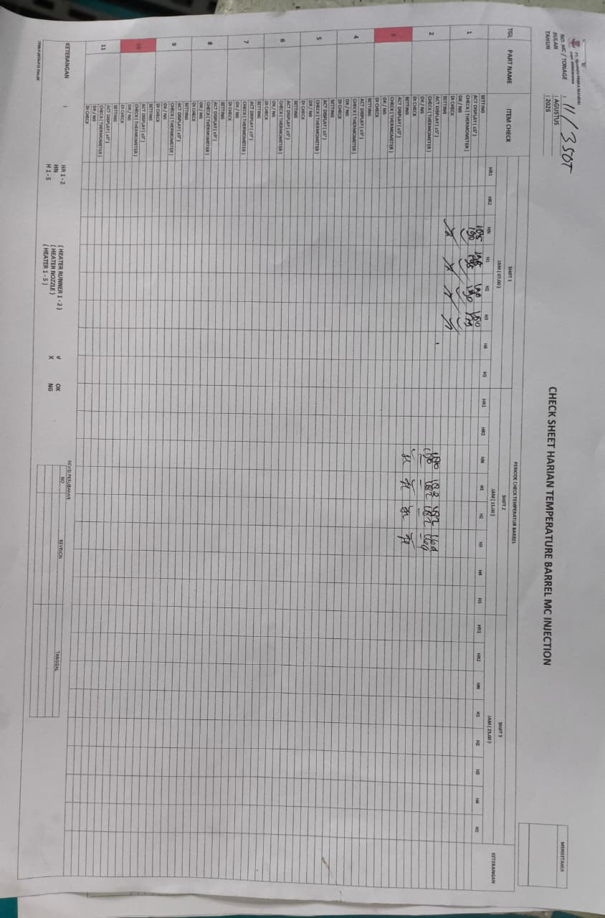 |  |  |  |  |  |  | MSK |  |  | Temp.Barrel di mesin 11 hanya di isi di awal bulan agustus

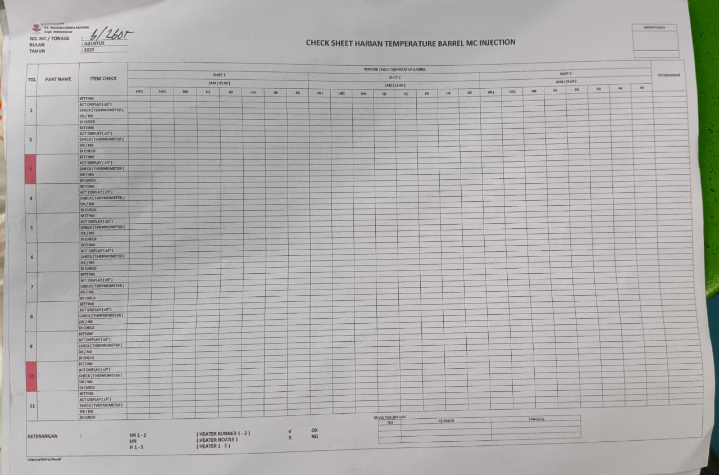
 |  |  |  |  |  |  | MSK |  |  | Temp.Barrel di mesin 6 tidak di isi sama sekali

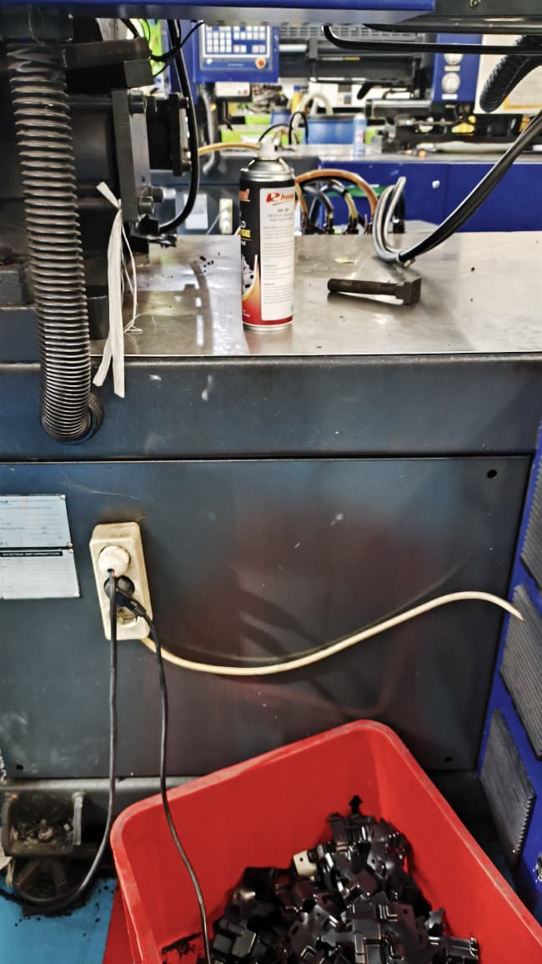 |  |  |  |  |  |  | MSK |  |  | Checksheet 5R, Control Awal dan Nozzle di mesin 6 tidak ada

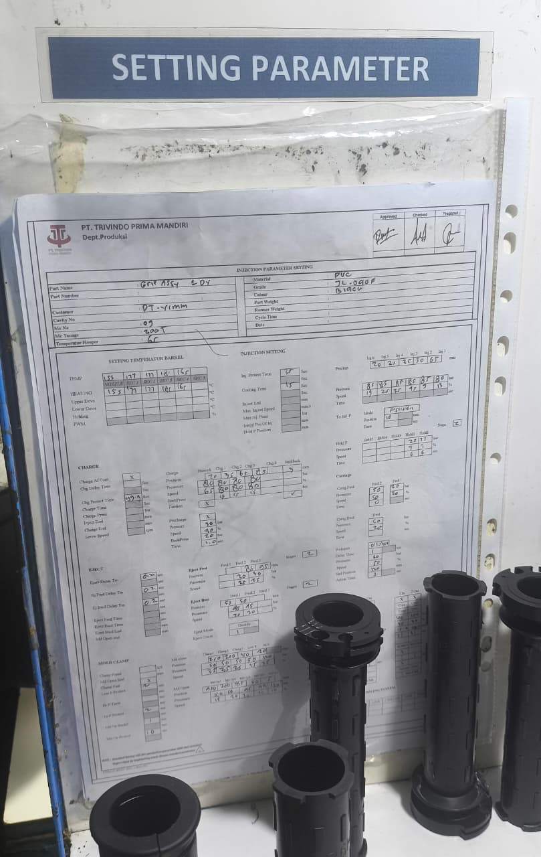 |  |  |  |  |  |  | MSK |  |  | Daily Parameter Setting untuk mesin 6,8,11 belum ada

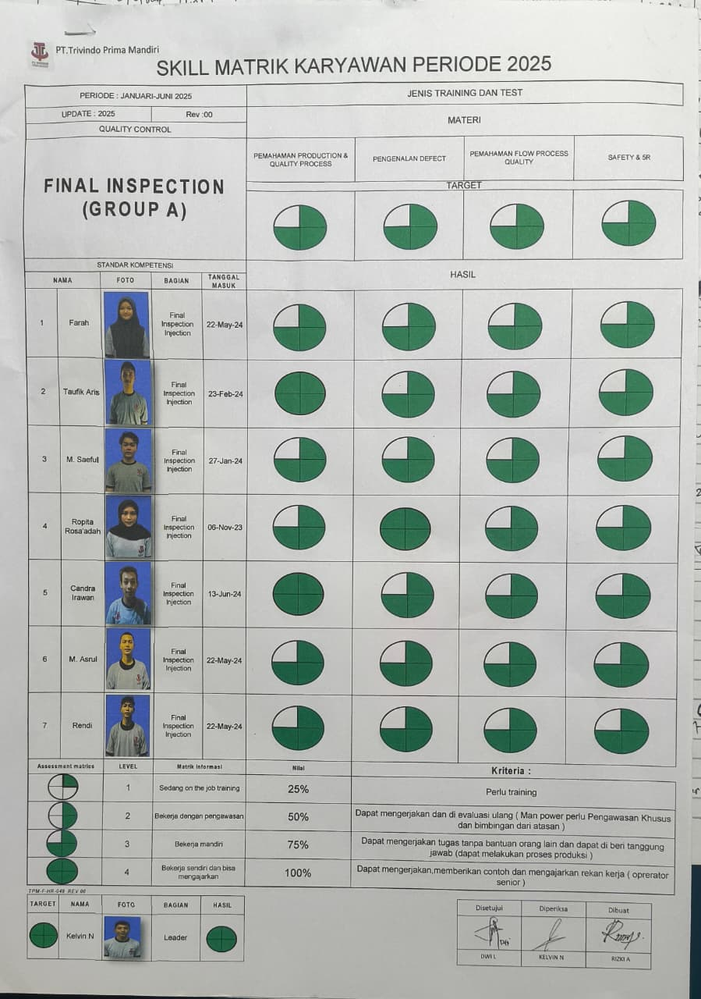 |  |  |  |  |  |  | MSK |  |  | Skill map untuk final telah melewati masa priode

INJ (2)
PT.TRIVINDO PRIMA MANDIRI
LAPORAN HARIAN KELENGKAPAN DOKUMEN
HARI / TANGGAL : |  |  | RABU / 13 AGUSTUS
NO | TONASE | PART NAME | PRODUKSI |  |  |  |  |  |  |  | MAINTENANCE |  |  | MATERIAL | SHE | MOLD
 |  |  | IK/WI | OPL | SETTING PARAMETER | SAMPLE | SKILLMAP | LAP HOURLY | CHECKSHEET KONTROL AWAL | CHECKSHEET 5R | CHECKSHEET NOZZLE | GREASE | TEMP. BARREL | CHECKSHEET PENGISIAN MATERIAL | LUX METER | DAILY CLEANING MOLD
1 | 250 T |  |  |  |  |  |  |  | NO SCHEDULE
2 | 210 T |  |  |  |  |  |  |  | NO SCHEDULE |  |  |  |  |  |  |  | `
3 | 210 T |  |  |  |  |  |  |  | NO SCHEDULE
4 | 160 T |  |  |  |  |  |  |  | NO SCHEDULE
5 | 260 T | Grip 1 DY | update |  | update | Tersedia | blm update | update | blm update | update | blm update | update | update | update | update
6 | 260 T | MAT 3-4 BLS | update |  | blm update | Tersedia | update | update | blm update | blm update | blm update | update | update | update | update
7 | 160 T | Cover SeatLock | update |  | update | Tersedia | update | update | update | update | update | update | update | update | update
8 | 160 T | Cover BTB | update |  | blm update | Tersedia | update | update | blm update | blm update | blm update | update | update | update | update | update
9 | 200 T | Grip Assy B6H | update |  | update | Tersedia | update | update | update | update | update | update | update | update | update
10 | 260 T | Grip 2 PH | update |  | update | Tersedia | update | update | blm update | blm update | blm update | update | update | update | update | update
11 | 350 T | Tube BEJ | update |  | blm update | Tersedia | update | update | blm update | blm update | blm update | update | update | update | update | update
NOTE
Temuan Genba |  |  |  |  |  |  | Melanggar Prinsip YPQ |  |  | Keterangan
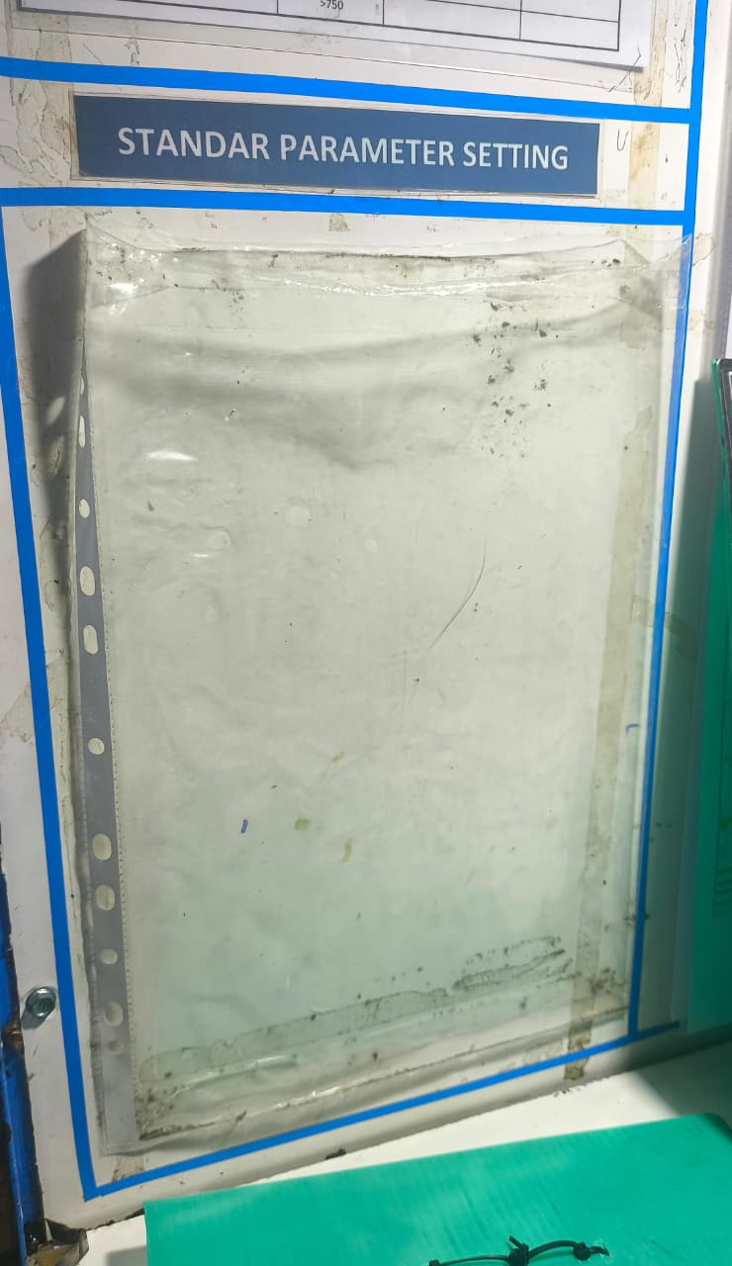 |  |  |  |  |  |  | MSK |  |  | Standar Parameter Setting dan Daily nya blm ada untuk TUBE BEJ

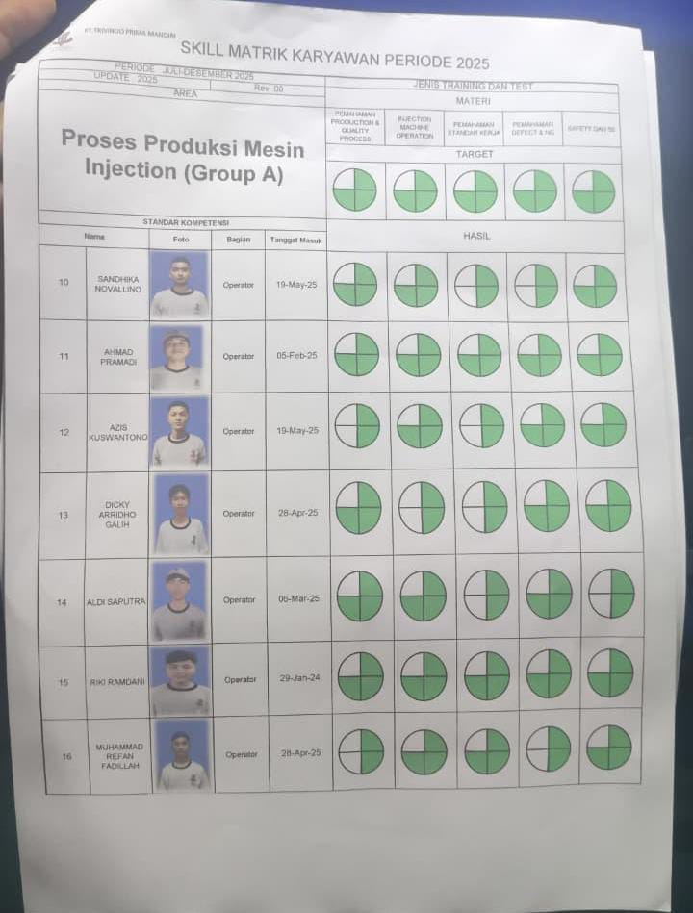
 |  |  |  |  |  |  | MSK |  |  | Skill map Operator grup A tidak lengkap

INJ (3)
PT.TRIVINDO PRIMA MANDIRI
LAPORAN HARIAN KELENGKAPAN DOKUMEN
HARI / TANGGAL : |  |  | KAMIS / 14 AGUSTUS
NO | TONASE | PART NAME | PRODUKSI |  |  |  |  |  |  |  | MAINTENANCE |  |  | MATERIAL | SHE | MOLD
 |  |  | IK/WI | OPL | SETTING PARAMETER | SAMPLE | SKILLMAP | LAP HOURLY | CHECKSHEET KONTROL AWAL | CHECKSHEET 5R | CHECKSHEET NOZZLE | GREASE | TEMP. BARREL | CHECKSHEET PENGISIAN MATERIAL | LUX METER | DAILY CLEANING MOLD
1 | 250 T |  |  |  |  |  |  |  | NO SCHEDULE
2 | 210 T |  |  |  |  |  |  |  | NO SCHEDULE |  |  |  |  |  |  |  | `
3 | 210 T |  |  |  |  |  |  |  | NO SCHEDULE
4 | 160 T |  |  |  |  |  |  |  | NO SCHEDULE
5 | 260 T | Grip 2 DP | update |  | update | Tersedia | update | update | update | update | update | update | update | update | update
6 | 260 T | MAT 3-4 BLS | update |  | update | Tersedia | update | update | blm update | blm update | blm update | update | update | update | update
7 | 160 T | Cover SeatLock | update |  | update | Tersedia | update | update | update | update | update | update | update | update | update
8 | 160 T | Cover BTB | update |  | update | Tersedia | update | update | blm update | blm update | update | update | update | update | update
9 | 200 T | Grip Assy B6H | update |  | update | Tersedia | update | update | update | update | update | update | update | blm update | update
10 | 260 T | Grip Assy 2 PH | update |  | update | Tersedia | update | update | update | update | update | update | update | update | update
11 | 350 T | Band Bra | update |  | blm update | Tidak Tersedia | update | update | update | update | update | update | update | blm update | update | update
NOTE
Temuan Genba |  |  |  |  |  |  | Melanggar Prinsip YPQ |  |  | Keterangan
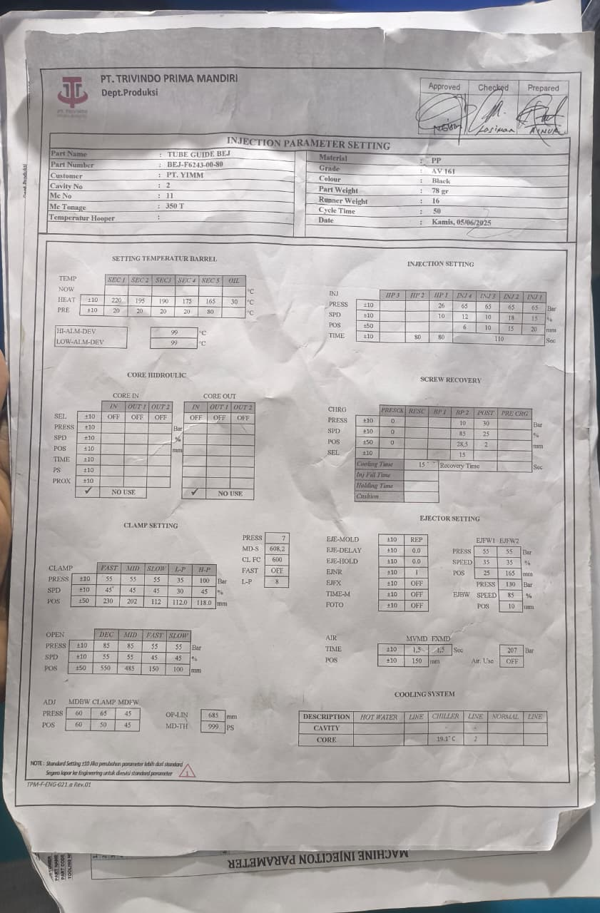 |  |  |  |  |  |  | MSK |  |  | Standar Parameter Setting dan Daily nya blm ada untuk Band Bra

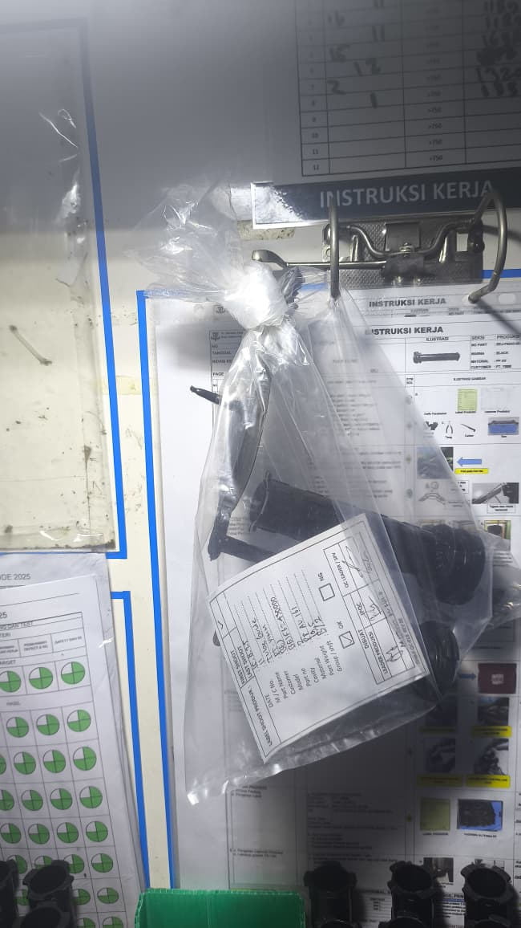
 |  |  |  |  |  |  | MSK |  |  | Sample untuk part Band Bra belum dibuat

INJ (4)
PT.TRIVINDO PRIMA MANDIRI
LAPORAN HARIAN KELENGKAPAN DOKUMEN
HARI / TANGGAL : |  |  | JUMAT / 15 AGUSTUS
NO | TONASE | PART NAME | PRODUKSI |  |  |  |  |  |  |  | MAINTENANCE |  |  | MATERIAL | SHE | MOLD
 |  |  | IK/WI | OPL | SETTING PARAMETER | SAMPLE | SKILLMAP | LAP HOURLY | CHECKSHEET KONTROL AWAL | CHECKSHEET 5R | CHECKSHEET NOZZLE | GREASE | TEMP. BARREL | CHECKSHEET PENGISIAN MATERIAL | LUX METER | DAILY CLEANING MOLD
1 | 250 T |  |  |  |  |  |  |  | NO SCHEDULE
2 | 210 T |  |  |  |  |  |  |  | NO SCHEDULE |  |  |  |  |  |  |  | `
3 | 210 T |  |  |  |  |  |  |  | NO SCHEDULE
4 | 160 T |  |  |  |  |  |  |  | NO SCHEDULE
5 | 260 T | Grip 2 DP | update |  | update | Tersedia | update | update | update | update | update | blm update | blm update | update | update
6 | 260 T | MAT 3-4 BLS | update |  | update | Tersedia | update | update | blm update | blm update | blm update | blm update | blm update | update | update
7 | 160 T | Cover SeatLock | update |  | update | Tersedia | update | update | update | update | update | blm update | blm update | update | update
8 | 160 T | Cover BTB | update |  | update | Tersedia | update | update | update | update | update | blm update | blm update | update | update
9 | 200 T | Grip Assy BEJ | update |  | blm update | Tersedia | update | update | update | update | update | blm update | blm update | update | update
10 | 260 T |  |  |  |  |  |  |  | NO SCHEDULE
11 | 350 T |  |  |  |  |  |  |  | NO SCHEDULE
NOTE
Temuan Genba |  |  |  |  |  |  | Melanggar Prinsip YPQ |  |  | Keterangan
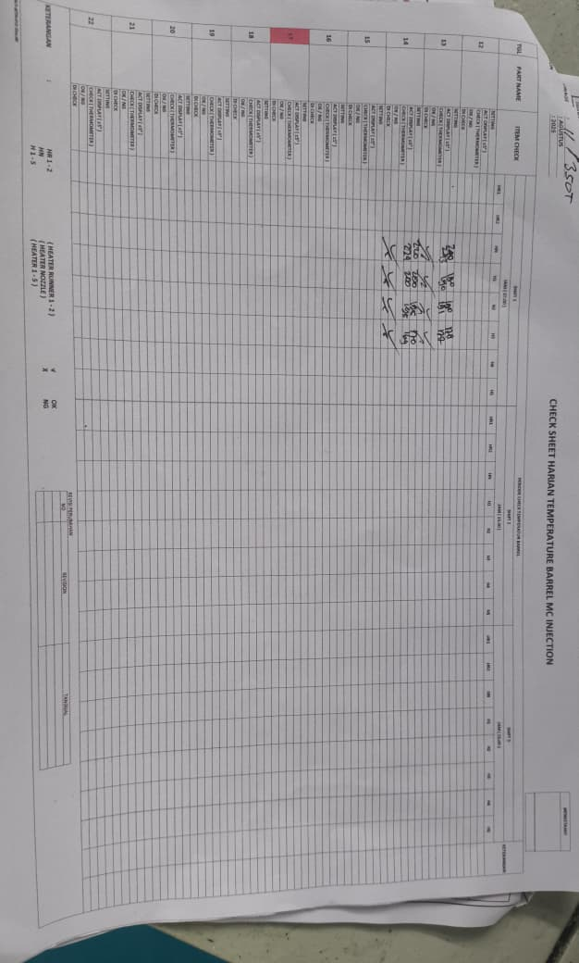 |  |  |  |  |  |  | MSK |  |  | Checksheet Temp.Barrel tidak dilakukan sama sekali di semua mesin hari ini

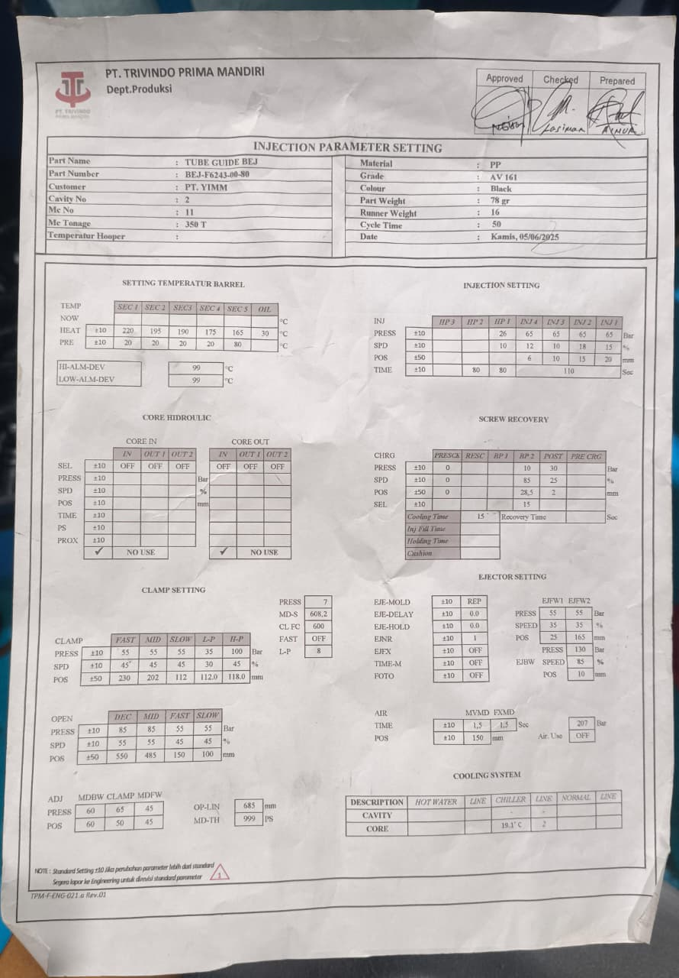
 |  |  |  |  |  |  | MSK |  |  | Daily Setting Parameter untuk Grip Assy BEJ belum ada

INJ (5)
PT.TRIVINDO PRIMA MANDIRI
LAPORAN HARIAN KELENGKAPAN DOKUMEN
HARI / TANGGAL : |  |  | SABTU / 16 AGUSTUS
NO | TONASE | PART NAME | PRODUKSI |  |  |  |  |  |  |  | MAINTENANCE |  |  | MATERIAL | SHE | MOLD
 |  |  | IK/WI | OPL | SETTING PARAMETER | SAMPLE | SKILLMAP | LAP HOURLY | CHECKSHEET KONTROL AWAL | CHECKSHEET 5R | CHECKSHEET NOZZLE | GREASE | TEMP. BARREL | CHECKSHEET PENGISIAN MATERIAL | LUX METER | DAILY CLEANING MOLD
1 | 250 T |  |  |  |  |  |  |  | NO SCHEDULE
2 | 210 T | Mat 1-2 BLS | update |  | update | Tersedia | update | update | update | update | update | blm update | blm update | update | update |  | `
3 | 210 T | Mat 1-2 BLS | update |  | update | Tersedia | update | update | update | update | update | blm update | blm update | blm update | update
4 | 160 T |  |  |  |  |  |  |  | NO SCHEDULE
5 | 260 T | Grip 2 DP | update |  | update | Tersedia | update | update | update | update | update | blm update | blm update | update | update
6 | 260 T | MAT 3-4 BLS | update |  | update | Tersedia | update | update | update | update | update | blm update | blm update | blm update | update
7 | 160 T | Duct Air | blm update |  | blm update | Tersedia | update | update | update | update | update | blm update | blm update | blm update | update
8 | 160 T |  |  |  |  |  |  |  | NO SCHEDULE
9 | 200 T | Grip Assy BEJ | update |  | blm update | Tersedia | update | update | update | update | update | blm update | blm update | update | update
10 | 260 T | Grip 1 DY | update |  | update | Tidak Tersedia | update | update | update | update | update | blm update | blm update | blm update | update | update
11 | 350 T | Tube BEJ | update |  | update | Tersedia | update | update | blm update | blm update | update | blm update | blm update | update | update
NOTE
Temuan Genba |  |  |  |  |  |  | Melanggar Prinsip YPQ |  |  | Keterangan
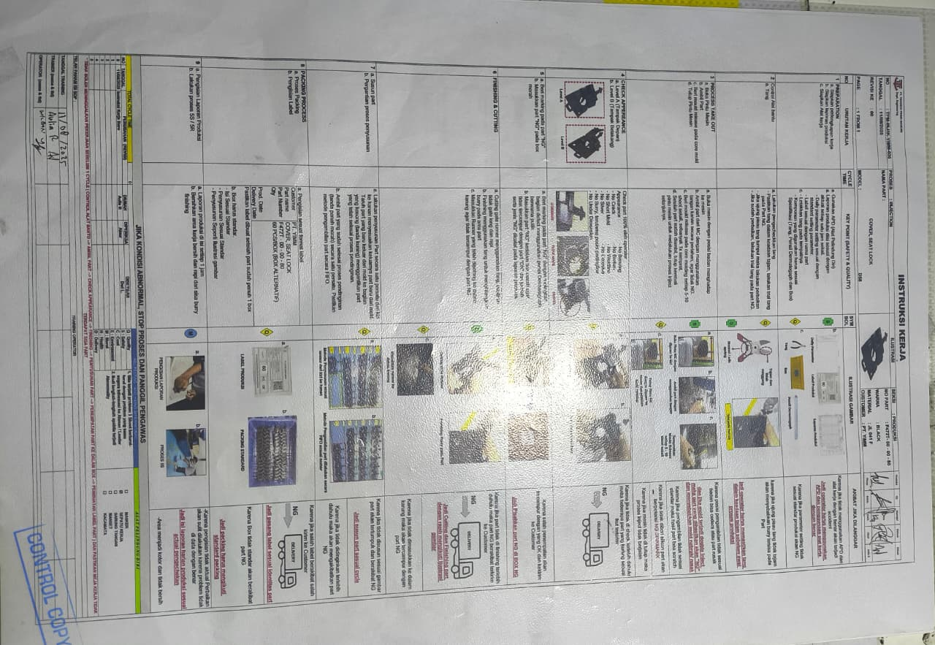 |  |  |  |  |  |  | MSK |  |  | IK/WI untuk Duct Air belum dibuat

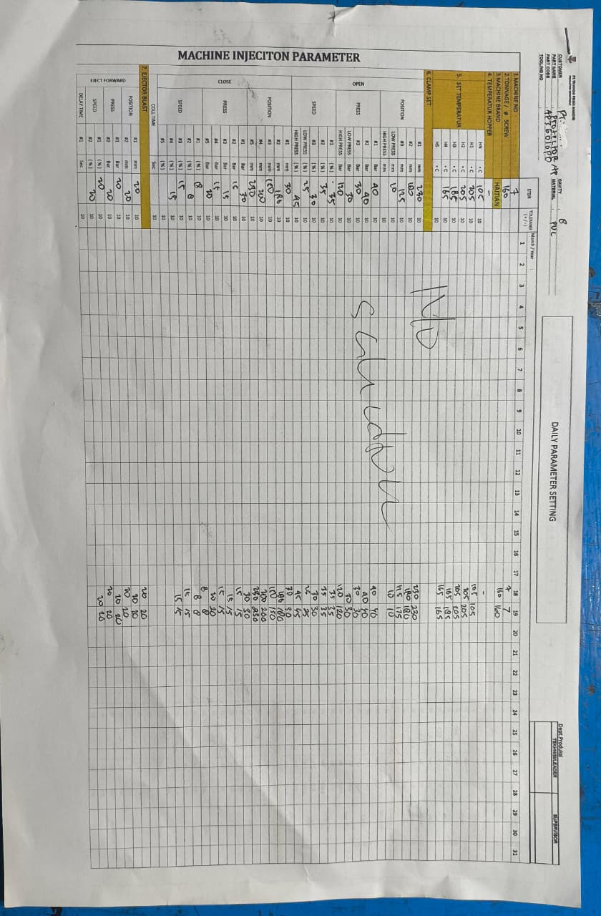
 |  |  |  |  |  |  | MSK |  |  | Daily Setting Paramater untuk Duct Air belum ada

INJ (6)
PT.TRIVINDO PRIMA MANDIRI
LAPORAN HARIAN KELENGKAPAN DOKUMEN
HARI / TANGGAL : |  |  | SENIN / 18 AGUSTUS
NO | TONASE | PART NAME | PRODUKSI |  |  |  |  |  |  |  | MAINTENANCE |  |  | MATERIAL | SHE | MOLD
 |  |  | IK/WI | OPL | SETTING PARAMETER | SAMPLE | SKILLMAP | LAP HOURLY | CHECKSHEET KONTROL AWAL | CHECKSHEET 5R | CHECKSHEET NOZZLE | GREASE | TEMP. BARREL | CHECKSHEET PENGISIAN MATERIAL | LUX METER | DAILY CLEANING MOLD
1 | 250 T |  |  |  |  |  |  |  | NO SCHEDULE
2 | 210 T | Mat 1-2 BLS | update |  | update | Tersedia | update | update | update | update | update | blm update | blm update | update | update |  | `
3 | 210 T | Mat 1-2 BLS | update |  | update | Tersedia | update | update | update | update | update | blm update | blm update | blm update | update
4 | 160 T |  |  |  |  |  |  |  | NO SCHEDULE
5 | 260 T | Grip 2 DP | update |  | update | Tersedia | update | update | update | update | update | blm update | blm update | update | update
6 | 260 T | MAT 3-4 BLS | update |  | update | Tersedia | update | update | update | update | update | blm update | blm update | update | update
7 | 160 T |  |  |  |  |  |  |  | NO SCHEDULE
8 | 160 T |  |  |  |  |  |  |  | NO SCHEDULE
9 | 200 T | Grip Assy BEJ | update |  | blm update | Tersedia | update | update | update | update | update | blm update | blm update | update | update
10 | 260 T | Grip 1 DY | update |  | update | Blm Tersedia | update | update | update | update | update | blm update | blm update | update | update
11 | 350 T | Tube BEJ | update |  | update | Tersedia | update | update | update | update | update | blm update | blm update | blm update | update
NOTE
Temuan Genba |  |  |  |  |  |  | Melanggar Prinsip YPQ |  |  | Keterangan
 |  |  |  |  |  |  | MSK |  |  | Checksheet Temp.Barrel tidak dilakukan sama sekali di semua mesin hari ini

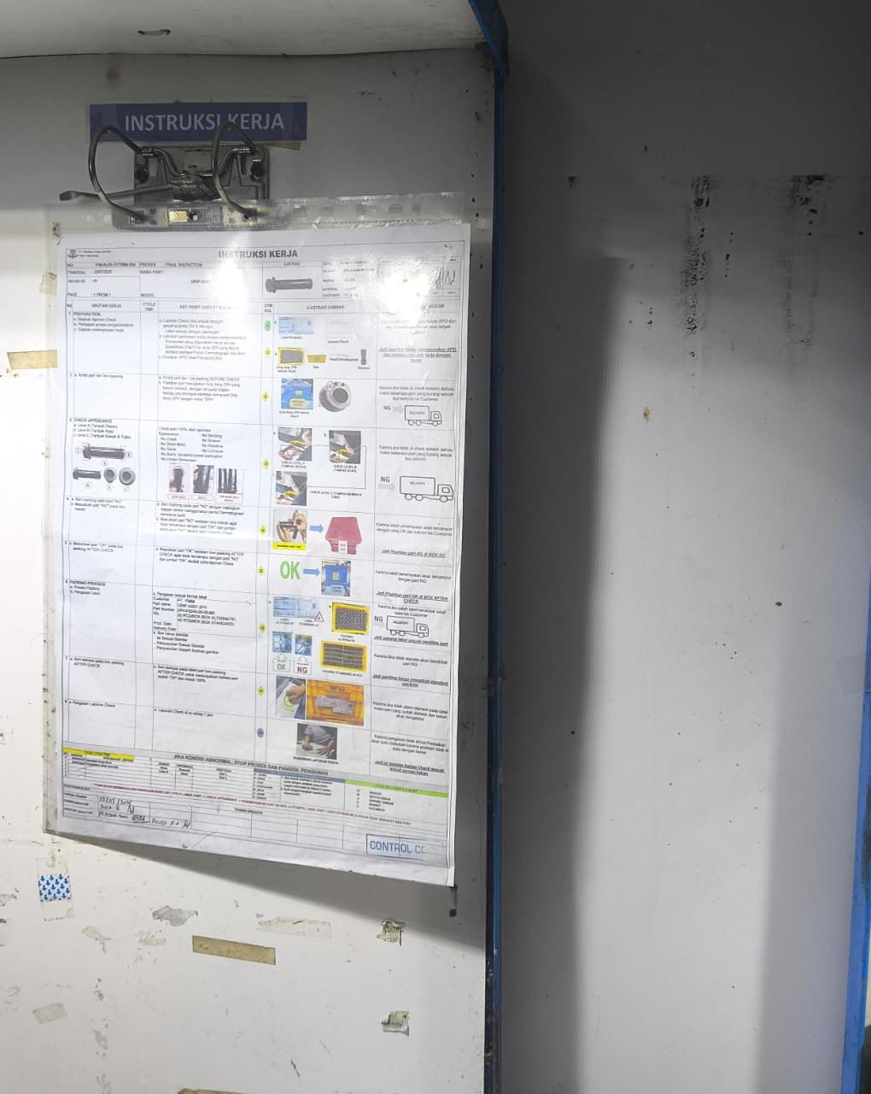
 |  |  |  |  |  |  | MSK |  |  | Sample Grip 1 DY belum ada

INJ (7)
PT.TRIVINDO PRIMA MANDIRI
LAPORAN HARIAN KELENGKAPAN DOKUMEN
HARI / TANGGAL : |  |  | SELASA / 19 AGUSTUS
NO | TONASE | PART NAME | PRODUKSI |  |  |  |  |  |  |  | MAINTENANCE |  |  | MATERIAL | SHE | MOLD
 |  |  | IK/WI | OPL | SETTING PARAMETER | SAMPLE | SKILLMAP | LAP HOURLY | CHECKSHEET KONTROL AWAL | CHECKSHEET 5R | CHECKSHEET NOZZLE | GREASE | TEMP. BARREL | CHECKSHEET PENGISIAN MATERIAL | LUX METER | DAILY CLEANING MOLD
1 | 250 T |  |  |  |  |  |  |  | NO SCHEDULE
2 | 210 T | Mat 1-2 BLS | update |  | update | Tersedia | update | update | update | update | update | blm update | blm update | update | update |  | `
3 | 210 T | Mat 1-2 BLS | update |  | update | Tersedia | update | update | update | update | update | blm update | blm update | blm update | update
4 | 160 T |  |  |  |  |  |  |  | NO SCHEDULE
5 | 260 T |  |  |  |  |  |  |  | NO SCHEDULE
6 | 260 T | MAT 3-4 BLS | update |  | update | Tersedia | update | update | update | update | update | blm update | blm update | update | update
7 | 160 T | PROTECTOR AP | blm update |  | update | blm Tersedia | update | update | update | update | update | blm update | blm update | blm update | update
8 | 160 T |  |  |  |  |  |  |  | NO SCHEDULE
9 | 200 T | Grip Assy BEJ | update |  | blm update | Tersedia | update | update | update | update | update | update | update | blm update | update
10 | 260 T | Grip 1 DY | update |  | update | Blm Tersedia | update | update | update | update | update | update | update | blm update | update
11 | 350 T | Tube BEJ | update |  | update | Tersedia | update | update | update | update | update | blm update | blm update | blm update | update
NOTE
Temuan Genba |  |  |  |  |  |  | Melanggar Prinsip YPQ |  |  | Keterangan
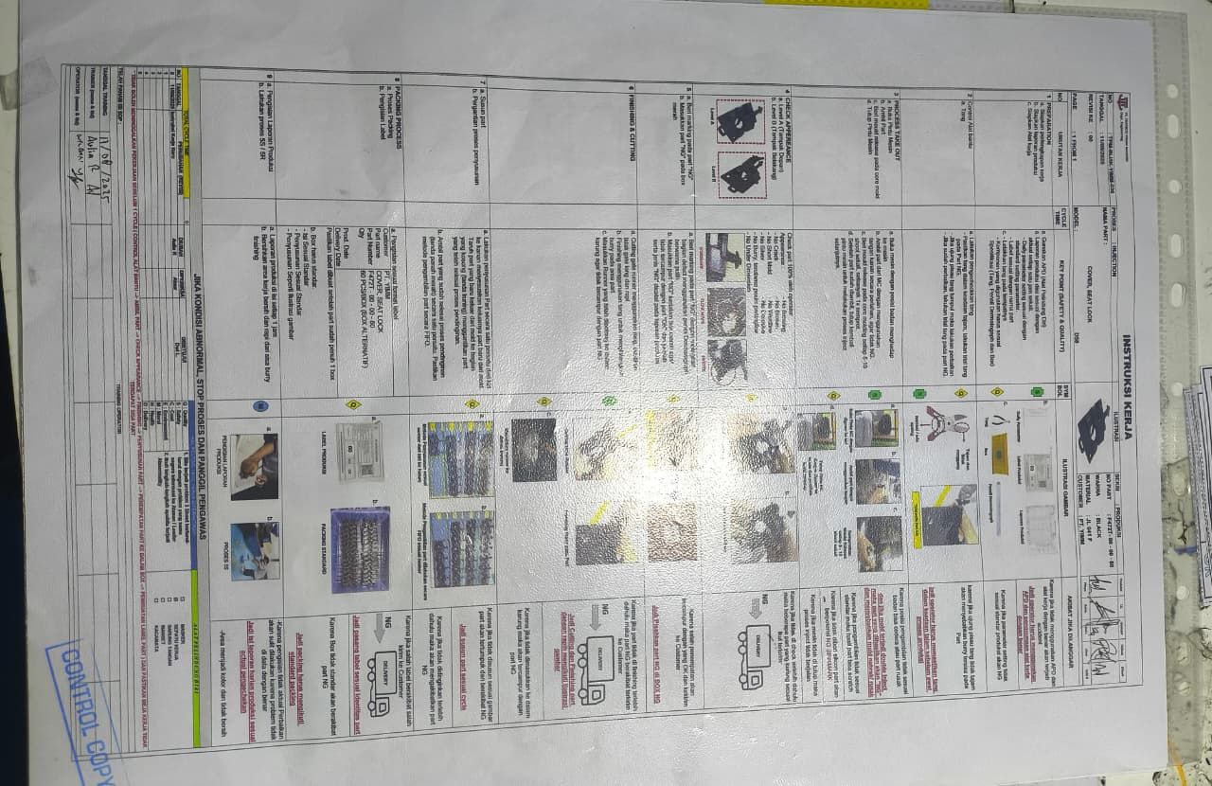 |  |  |  |  |  |  | MSK |  |  | IK / WI untuk part PROTECTOR AP belum dibuat

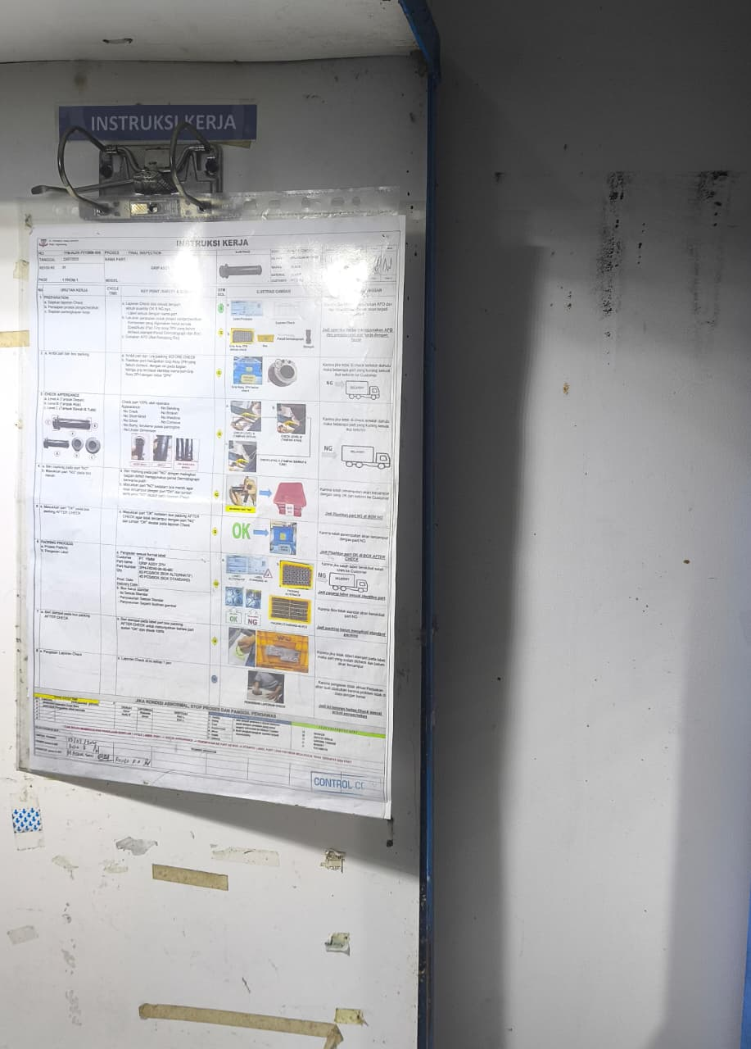
 |  |  |  |  |  |  | MSK |  |  | Sample untuk part PROTECTOR AP belum tersedia

INJ (8)
PT.TRIVINDO PRIMA MANDIRI
LAPORAN HARIAN KELENGKAPAN DOKUMEN
HARI / TANGGAL : |  |  | RABU / 20 AGUSTUS
NO | TONASE | PART NAME | PRODUKSI |  |  |  |  |  |  |  | MAINTENANCE |  |  | MATERIAL | SHE | MOLD
 |  |  | IK/WI | OPL | SETTING PARAMETER | SAMPLE | SKILLMAP | LAP HOURLY | CHECKSHEET KONTROL AWAL | CHECKSHEET 5R | CHECKSHEET NOZZLE | GREASE | TEMP. BARREL | CHECKSHEET PENGISIAN MATERIAL | LUX METER | DAILY CLEANING MOLD
1 | 250 T |  |  |  |  |  |  |  | NO SCHEDULE
2 | 210 T | Mat 1-2 BLS | update |  | update | Tersedia | update | update | update | update | update | blm update | blm update | update | update |  | `
3 | 210 T | Mat 1-2 BLS | update |  | update | Tersedia | update | update | update | update | update | blm update | blm update | blm update | update
4 | 160 T |  |  |  |  |  |  |  | NO SCHEDULE
5 | 260 T |  |  |  |  |  |  |  | NO SCHEDULE
6 | 260 T | MAT 3-4 BLS | update |  | update | Tersedia | update | update | update | update | update | blm update | blm update | update | update
7 | 160 T | PROTECTOR AP | update |  | update | Blm Tersedia | update | update | update | update | update | blm update | blm update | blm update | update
8 | 160 T |  |  |  |  |  |  |  | NO SCHEDULE
9 | 200 T | Grip Assy BEJ | update |  | blm update | Tersedia | update | update | update | update | update | update | update | update | update
10 | 260 T | Grip 1 DY | update |  | update | Blm Tersedia | update | update | update | update | update | update | update | update | update
11 | 350 T | Tube BEJ | update |  | update | Tersedia | update | update | update | update | update | blm update | blm update | blm update | update
NOTE
Temuan Genba |  |  |  |  |  |  | Melanggar Prinsip YPQ |  |  | Keterangan
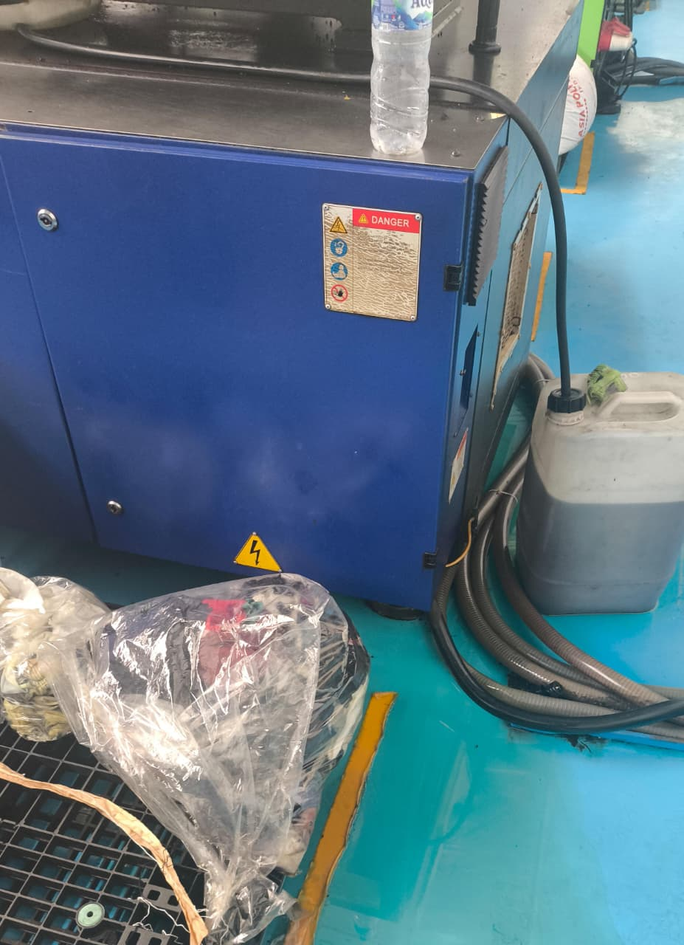 |  |  |  |  |  |  | MSK |  |  | Checksheet material di mesin 3 tidak ada

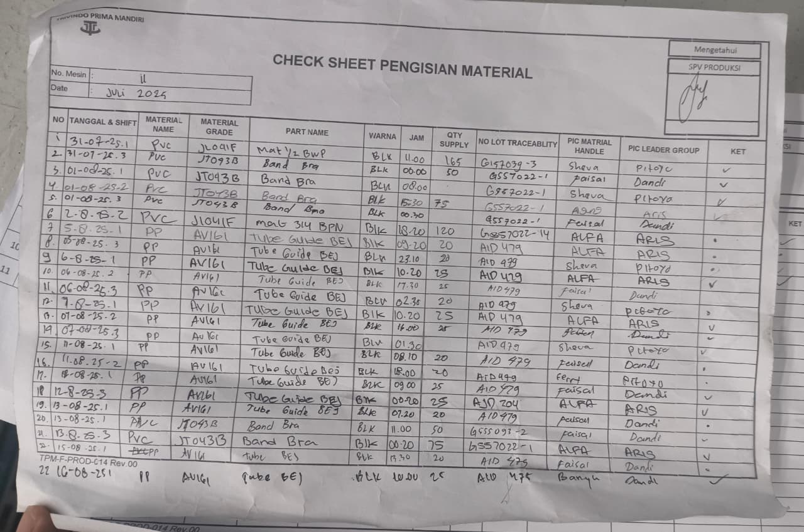
 |  |  |  |  |  |  | MSK |  |  | Checksheet material di mesin 11 telah habis dan belum diganti dengan yg baru

INJ (9)
PT.TRIVINDO PRIMA MANDIRI
LAPORAN HARIAN KELENGKAPAN DOKUMEN
HARI / TANGGAL : |  |  | KAMIS / 21 AGUSTUS
NO | TONASE | PART NAME | PRODUKSI |  |  |  |  |  |  |  | MAINTENANCE |  |  | MATERIAL | SHE | MOLD
 |  |  | IK/WI | OPL | SETTING PARAMETER | SAMPLE | SKILLMAP | LAP HOURLY | CHECKSHEET KONTROL AWAL | CHECKSHEET 5R | CHECKSHEET NOZZLE | GREASE | TEMP. BARREL | CHECKSHEET PENGISIAN MATERIAL | LUX METER | DAILY CLEANING MOLD
1 | 250 T |  |  |  |  |  |  |  | NO SCHEDULE
2 | 210 T |  |  |  |  |  |  |  | NO SCHEDULE |  |  |  |  |  |  |  | `
3 | 210 T | MAT 1-2 BLS | update |  | update | Tersedia | update | update | update | update | update | blm update | blm update | blm update | update
4 | 160 T |  |  |  |  |  |  |  | NO SCHEDULE
5 | 260 T |  |  |  |  |  |  |  | NO SCHEDULE
6 | 260 T | MAT 3-4 BLS | update |  | update | Tersedia | update | update | update | update | update | blm update | blm update | update | update
7 | 160 T | GRIP 2 PH | update |  | update | update | update | update | update | update | update | blm update | blm update | update | update
8 | 160 T |  |  |  |  |  |  |  | NO SCHEDULE
9 | 200 T | Grip Assy B6H | update |  | update | Tersedia | update | update | update | update | update | blm update | blm update | update | update
10 | 260 T | Grip ASSY 2 PH | update |  | update | update | update | update | update | update | update | blm update | blm update | update | update
11 | 350 T | Tube BEJ | update |  | update | Tersedia | update | update | update | update | update | blm update | blm update | update | update
NOTE
Temuan Genba |  |  |  |  |  |  | Melanggar Prinsip YPQ |  |  | Keterangan
 |  |  |  |  |  |  | MSK |  |  | Checksheet material di mesin 3 masih belum ada

INJ (10)
PT.TRIVINDO PRIMA MANDIRI
LAPORAN HARIAN KELENGKAPAN DOKUMEN
HARI / TANGGAL : |  |  | JUMAT / 22 AGUSTUS
NO | TONASE | PART NAME | PRODUKSI |  |  |  |  |  |  |  | MAINTENANCE |  |  | MATERIAL | SHE | MOLD
 |  |  | IK/WI | OPL | SETTING PARAMETER | SAMPLE | SKILLMAP | LAP HOURLY | CHECKSHEET KONTROL AWAL | CHECKSHEET 5R | CHECKSHEET NOZZLE | GREASE | TEMP. BARREL | CHECKSHEET PENGISIAN MATERIAL | LUX METER | DAILY CLEANING MOLD
1 | 250 T |  |  |  |  |  |  |  | NO SCHEDULE
2 | 210 T | MAT 1-2 BLS | update |  | update | Tersedia | update | update | update | update | update | blm update | blm update | update | update |  | `
3 | 210 T | MAT 1-2 BLS | update |  | update | Tersedia | update | update | update | update | update | blm update | blm update | update | update
4 | 160 T |  |  |  |  |  |  |  | NO SCHEDULE
5 | 260 T |  |  |  |  |  |  |  | NO SCHEDULE
6 | 260 T | MAT 3-4 BLS | update |  | update | Tersedia | update | update | update | update | update | blm update | blm update | blm update | update
7 | 160 T | COVER SEATLOCK | update |  | update | update | update | update | update | update | update | blm update | blm update | update | update
8 | 160 T |  |  |  |  |  |  |  | NO SCHEDULE
9 | 200 T | Grip Assy B6H | update |  | update | Tersedia | update | update | update | update | update | blm update | blm update | update | update
10 | 260 T |  |  |  |  |  |  |  | NO SCHEDULE
11 | 350 T |  |  |  |  |  |  |  | NO SCHEDULE
NOTE
Temuan Genba |  |  |  |  |  |  | Melanggar Prinsip YPQ |  |  | Keterangan

INJ (11)
PT.TRIVINDO PRIMA MANDIRI
LAPORAN HARIAN KELENGKAPAN DOKUMEN
HARI / TANGGAL : |  |  | SABTU / 23 AGUSTUS
NO | TONASE | PART NAME | PRODUKSI |  |  |  |  |  |  |  |  | MAINTENANCE |  |  | MATERIAL | SHE | MOLD
 |  |  | IK/WI | OPL | STANDAR SETTING PARAMETER | DAILY SETTING PARAMETER | SAMPLE | SKILLMAP | LAP HOURLY | CHECKSHEET KONTROL AWAL | CHECKSHEET 5R | CHECKSHEET NOZZLE | GREASE | TEMP. BARREL | CHECKSHEET PENGISIAN MATERIAL | LUX METER | DAILY CLEANING MOLD
1 | 250 T |  |  |  |  |  |  |  | NO SCHEDULE
2 | 210 T | MAT 1-2 BLS | update |  | update | Tersedia | update | update | update | update | update | blm update | blm update | update | update |  |  | `
3 | 210 T | MAT 1-2 BLS | update |  | update | Tersedia | update | update | update | update | update | blm update | blm update | update | update
4 | 160 T |  |  |  |  |  |  |  | NO SCHEDULE
5 | 260 T | Grip 2 PH | update |  | update | Tersedia | update | update | update | update | update | blm update | blm update | blm update | update
6 | 260 T | MAT 3-4 BLS | update |  | update | Tersedia | update | update | update | update | update | blm update | blm update | update | update
7 | 160 T | COVER SEATLOCK | update |  | update | Tersedia | update | update | update | update | update | blm update | blm update | blm update | update
8 | 160 T |  |  |  |  |  |  |  | NO SCHEDULE
9 | 200 T | Grip Assy BEJ | update |  | update | Tersedia | update | update | update | update | update | blm update | blm update | update | update
10 | 260 T | Grip 1 DY | update |  | update | Tersedia | update | update | update | update | update | blm update | blm update | update | update
11 | 350 T |  |  |  |  |  |  |  | NO SCHEDULE
NOTE
Temuan Genba |  |  |  |  |  |  | Melanggar Prinsip YPQ |  |  | Keterangan

rev 1
PT.SINAR PRIMA PLASTISINDO
LAPORAN HARIAN KELENGKAPAN DOKUMEN
HARI / TANGGAL :
NO | TONASE | PART NAME | PRODUKSI |  |  |  |  |  |  |  | MAINTENANCE |  |  | MATERIAL | SHE | MOLD
 |  |  | IK/WI | OPL | SETTING PARAMETER | SAMPLE | SKILLMAP | Lap HOURLY | CHECKSHEET CONTROL AWAL | CHECKSHEET 5R | CHECKSHEET NOZZLE | GREASE | TEMP. BARREL | CHECKSHEET PENGISIAN MATERIAL | LUX METER | DAILY CLEANING MOLD
1 | 800 T
2 | 800 T
3 | 450 T
4 | 600 T
5 | 550 T
6 | 530 T
7 | 360T
8 | 450 T
9 | 650T
10 | 560T
11 | 650T
12 | 550T
13
14 | 250T
15 | 160T
16 | 160 T
17 | 250T
18 | 250 T
19 | 170T
20 | 160 T
21 | 210T
22 | 160T
23 | 210 T
24 | 260 T
25 | 125 T
26 | 210 T
27 | 210 T
28 | 210 T

