Sheet1
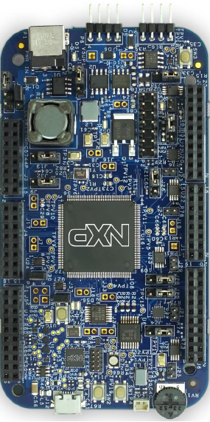
MPC5744P-DEV-KIT pinout
Includes Arduino style pin designations

