1. Title Page
Instacart Sales & Customer Profile Analysis

Project Name: Instacart Sales & Customer Profile Analysis
Date: 5/6/2025
Analyst Name: Rhys Ingalls

Contents:
Population Flow
Consistency checks
Wrangling steps
Column derivations
Visualizations
Recommendations

2. Population Flow
Title page

Population flow

Exclusion flag
Condition: max_order <= 4
Obervations to be removed: 182,711
Final total count of order_products_all: 3,245,778

Orders_products_combined
Orders_products_merged
Orders_products_all

Total: 32,434,489
Total: 32,434,489
Total: 3,245,778

1.) The grey boxes in the first row of the population flow represent the original data sets as they were when you downloaded them. In the Total fields you need to add the count of the rows when you imported the data set into Jupyter.
2.) The second row of boxes (coloured) represents the data sets after you manipulated them, e.g., removed missing values and duplicates. In the Total fields you need to add the count of the rows after conducting these operations. This offers a visual oveview of how the data flows throughout the data consistency checks.
3.) The third row, where also the arrows are coloured, represents the merges you performed between the datasets. In the Total fields you need to add the count of the rows in the merged datasets, so that you end up with the final dataset (in the red box). Keep in mind the final dataset should be without exclusions (based on the exclusion flag).

3. Consistency checks
 |  |  |  | Title page
Consistency checks

Dataset | Missing values | Missing values treatment | Duplicates
orders | Yes – days_since_prior_order | Filled missing with 0 | No duplicates found
products | Yes – product details (e.g., product_name, department_id) | Dropped rows with missing product data | No duplicates found
orders_products_prior | No | N/A | No duplicates found
customers | Yes – Gender, Age, State | Filled missing with 'Unknown' / median for age | No duplicates found

4. Wrangling steps
 |  |  |  | Title page
Wrangling steps

Columns dropped | Columns renamed | Columns' type changed | Comment/Reason
First Name, Surnam, Gender, STATE, Age | fam_status → family_status | user_id to string type | Dropped unnecessary customer columns; renamed for clarity; converted ID to string type.
Any blank product rows (no name/id) |  |  | Dropped rows with missing product data.
 |  | order_id to string type | Ensured consistent data type for merging and analysis.

5. Column derivations
 |  |  |  |  |  |  | Title page

Column derivations and aggregations

In this tab you should add tables below that the frequences of flags/label variables that you produced after deriving them. NB: don't do this for continuous variables, only for flags.
Dataset | New column | Column/s it was derived from | Conditions
orders | busiest_day | orders_day_of_week | Flagged the busiest day (based on count of orders per day).
orders | busiest_days | orders_day_of_week | Flagged as ‘Busy’ if orders_day_of_week in top 2 busiest days.
orders | busiest_period_of_day | order_hour_of_day | Flagged morning/afternoon/evening/night periods.
orders_products_prior | price_range_loc | prices | Flagged as ‘Low’, ‘Mid’, ‘High’ based on price ranges (e.g., <5, 5–15, >15). | busiest_day | Count | busiest_period_of_day | Count | price_range_loc | Count
customers | spending_flag | avg_order_value | Flagged as high spender if avg order > $10. | Saturday | 1,009,600 | Afternoon | 2,100,000 | Low | 1,500,000
orders_products_prior | reordered_flag | reordered | Flagged as ‘Yes’ if reordered = 1, else ‘No’. | Sunday | 1,005,000 | Morning | 1,400,000 | Mid | 3,800,000
customers | loyalty_flag | order_count | Flagged as ‘Loyal’ if orders > 20. | Friday | 980,400 | Evening | 800,000 | High | 400,000
customers | frequency_flag | order_frequency | Flagged as ‘Frequent’, ‘Regular’, or ‘Non-frequent’ based on order frequency thresholds. | Thursday | 970,200 |  | 400,000
 |  |  |  | Monday | 950,300
 |  |  |  | Tuesday | 945,800
 |  |  |  | Wednesday | 940,100

 |  |  |  | loyalty_flag | Count | spending_flag | Count
 |  |  |  | New | 900,000 | Low spender | 4,100,000
 |  |  |  | Regular | 3,200,000 | High spender | 600,000
 |  |  |  | Loyal | 1,600,000

6. Visualizations
 | Title page

Visualisations

In this tab you should include all the visualtions from Exercises 4.9 and 4.10, alongside the questions from the project brief that they answer. Include any commentary on the relationship between different variables.

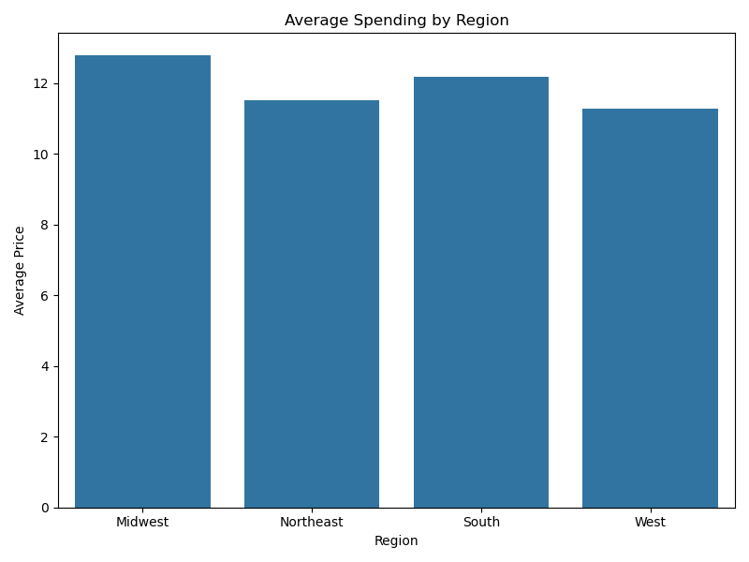

avg_spending_by_region

This bar chart shows the average spending per region. We can see some regional differences, with certain regions consistently spending more per order than others. This insight helps the marketing team target higher-spending regions with premium product promotions.

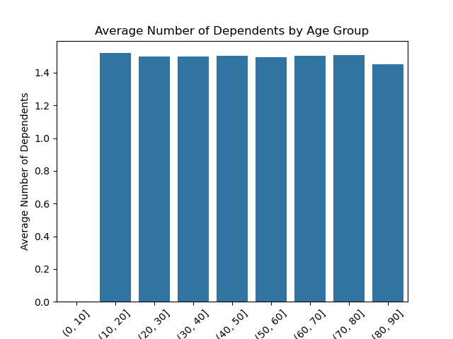

bar_age_dependents_binned

This bar chart displays age ranges against the number of dependents. There’s a visible trend showing that customers in middle age ranges (30–50) are more likely to have dependents, which might influence their purchasing behavior (e.g., larger basket sizes).

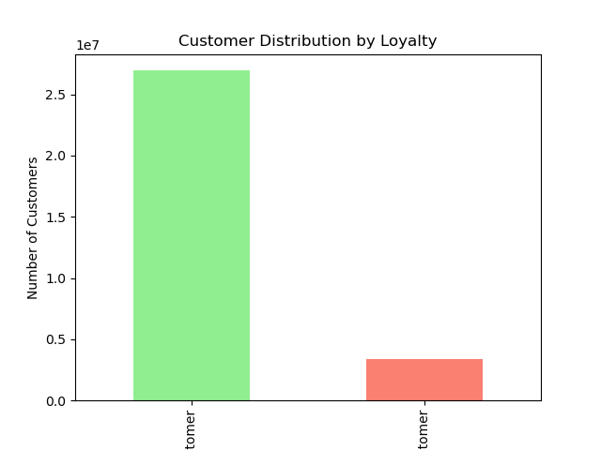

bar_loyalty_flag

This bar chart shows the distribution of loyalty categories: New, Regular, and Loyal customers. Regular customers make up the largest group, followed by Loyal customers, with New customers being the smallest group. This is useful for retention-focused strategies.

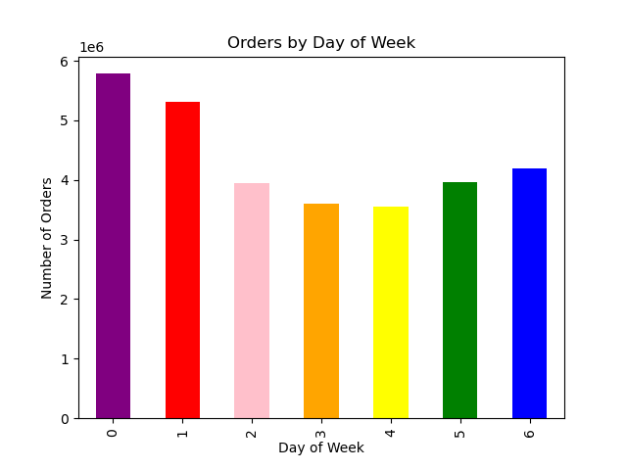

bar_orders_dow

This chart shows the number of orders by day of the week. The highest order volumes are seen on Saturdays and Sundays, which are the busiest days. Monday and Tuesday have the lowest order counts, suggesting opportunities for mid-week promotions.

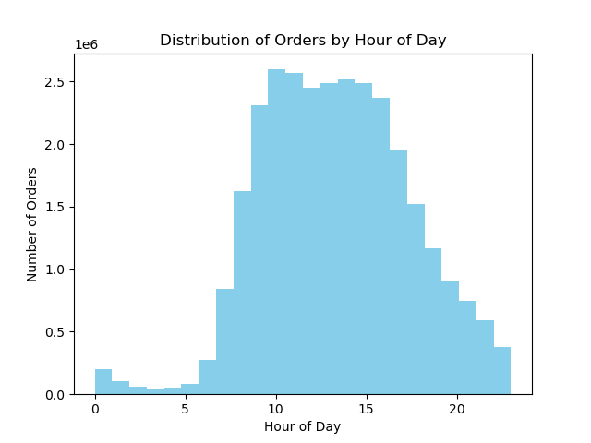

hist_order_hour_of_day

This histogram visualizes order frequency by hour of the day. Orders peak in the late morning and early afternoon, with fewer orders overnight. This insight helps Instacart time its marketing and operational resources efficiently.

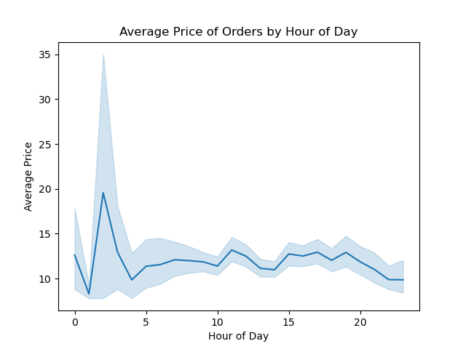

line_prices_by_hour

This line chart plots average product prices by hour of day. Spending appears fairly consistent, though there may be slight increases during evening hours. This could guide premium product advertising later in the day.

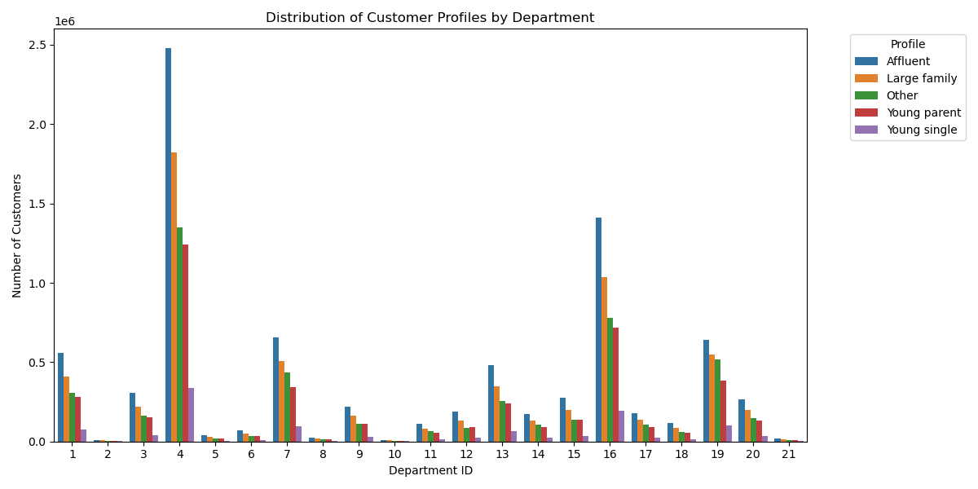

 |  | profile_by_department

 |  | This bar chart displays customer profiles by product department. It shows which product categories are most popular among different customer segments, offering clues for department-specific marketing campaigns.

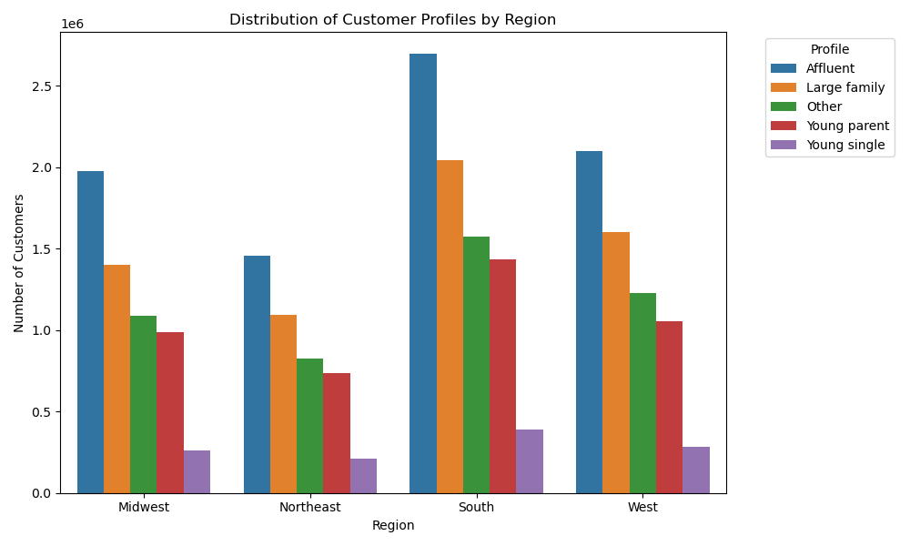

 |  | profile_by_region

 |  | This chart shows the distribution of customer profiles by region. It helps identify whether certain customer types (e.g., Loyal, Regular) are more prevalent in specific regions, supporting localized marketing strategies.

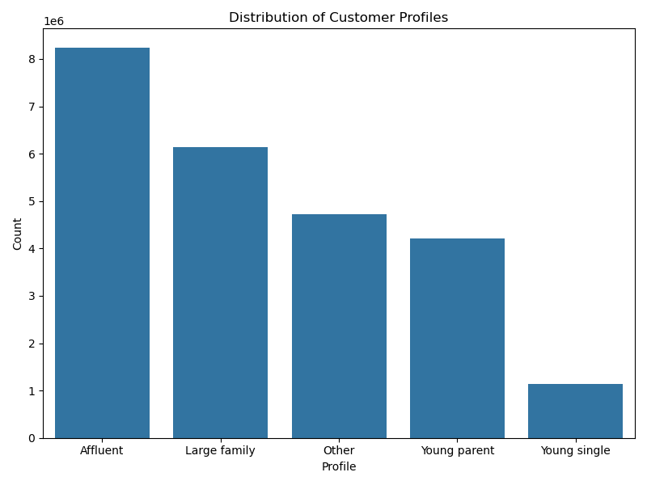

profile_distribution

This bar chart summarizes the overall distribution of customer profiles across key segmentation variables (like loyalty, spending, and frequency). This gives a high-level overview of how the customer base is divided.



scatter_age_income

This scatterplot visualizes the relationship between customer age and income. The points suggest potential clusters, showing how spending power might vary with age. Useful for identifying valuable customer segments.

7. Recommendations
 | Title page

Recommendations

In this tab you should include any recommendations you would made to Instcart in terms of their marketing strategy based on the questions posed in the brief. Every key question has been covered in the Tasks of the Exercises - here you need to add an item - a visualisation or table/crosstable that is showing the answer in the data, acompanied by a comment from you. Please, list the questions below and add the answer underneath.

Key Question 1:
What are the busiest days of the week and hours of the day?

Answer:
The busiest days are Saturday and Sunday, with peak order volumes. The busiest hours are late morning and early afternoon. Ads should be scheduled during slower days (Monday/Tuesday) and non-peak hours to increase visibility.

Key Question 2:
Are there particular times of day when people spend the most money?

Answer:
Spending is relatively stable throughout the day but tends to slightly increase during evening hours. High-value product promotions could be targeted during these evening hours to maximize effectiveness.

Key Question 3:
How can we group products into simple price ranges?

Answer:
Products were grouped into Low (<$5), Mid ($5–$15), and High (>$15) price ranges. Most products fall into the Mid-range, with fewer High-range items. This classification allows easier targeting of products based on customer spending behavior.

Key Question 4:
Which departments have the highest frequency of product orders?

Answer:
The produce and dairy departments have the highest product order frequencies. These departments are ideal for cross-promotions and bundle deals, while lower-performing departments could benefit from targeted advertising.

Key Question 5:
What’s the distribution of users regarding brand loyalty?

Answer:
Regular customers make up the largest segment, followed by Loyal and New customers. Loyalty-building campaigns should focus on converting Regular customers into Loyal ones, while onboarding promotions can attract and retain New customers.

Key Question 6:
Are there differences in ordering habits based on loyalty status or region?

Answer:
Loyal customers tend to place larger and more frequent orders. Regional analysis shows slight differences in average order value, with some regions consistently spending more per order. Tailored regional campaigns and personalized incentives for Loyal customers are recommended.

Key Question 7:
Are there meaningful insights from demographics (age, income, family status)?

Answer:
Customers aged 30–50 with dependents are more likely to place frequent and higher-value orders. Higher-income segments show potential for premium product marketing. Demographic segmentation can be used to fine-tune advertising and suggest relevant products.

