3-alpha_Energy-Ch_Calib
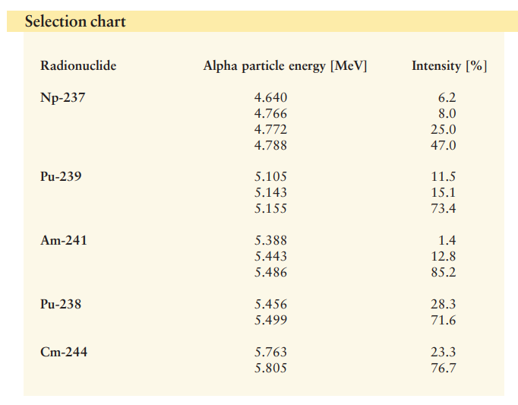
https://www.gammadata.se/assets/Uploads/04-alpha-spectrometry-sources2.pdf
MOV E
 | Nucleide | E_alpha (MeV) | Intensity | Channel
 | 244Cm | 5805 | 76.7 | 953
 |  | 5763 | 23.3 | 945
 | 241Am | 5486 | 85.2 | 899
 |  | 5443 | 12.8 | 891
 | 239Pu | 5155 | 73.4 | 844
 | 116Sn | 3120.44 |  | 498

 |  | 5.9048478382 | 178.50922895
 |  | 0.012054847406 | 10.280431541
 |  | 0.99998332911 | 4.6193718061
 |  | 239935.21137 | 4

 |  |  |  |  | Energy = (keV) | 5.905 | +- | 0.012 | * Ch + | 179 | +- | 10

MOV D
 | Nucleide | E_alpha (MeV) | Intensity | Channel
 | 244Cm | 5805 | 76.7 | 968
 |  | 5763 | 23.3 | 961
 | 241Am | 5486 | 85.2 | 910
 |  | 5443 | 12.8 | 905
 | 239Pu | 5155 | 73.4 | 853
 | 116Sn | 3111.05 |  | 530

 |  | 6.1757821431 | -150.03084124
 |  | 0.072090017849 | 62.543917662
 |  | 0.99945525948 | 26.503010467
 |  | 7338.945604 | 4

 |  |  |  |  | Energy = (keV) | 6.176 | +- | 0.072 | * Ch + | -150 | +- | 63

