Ta-Nb-V Calib - RBS1 - Alfas
Calib.
E0 = | 2000 | keV
Lead density = | 11.29 | g/cm^3
 |  | Element | Z | A | kinematic factor | Back Energy (keV) | Surface channel
 |  | O | 8 | 15.999 | 0.3659 | 731.84 | 270
 |  | Si | 14 | 28.085 | 0.5688 | 1137.56 | 438
 |  | V | 23 | 50.942 | 0.7338 | 1467.51 | 582
 |  | Nb | 41 | 92.906 | 0.8441 | 1688.17 | 674
 |  | Ta | 73 | 180.950 | 0.9167 | 1833.38 | 733

 |  | Pb | 82 | 207.2 | 0.9269 | 1853.70

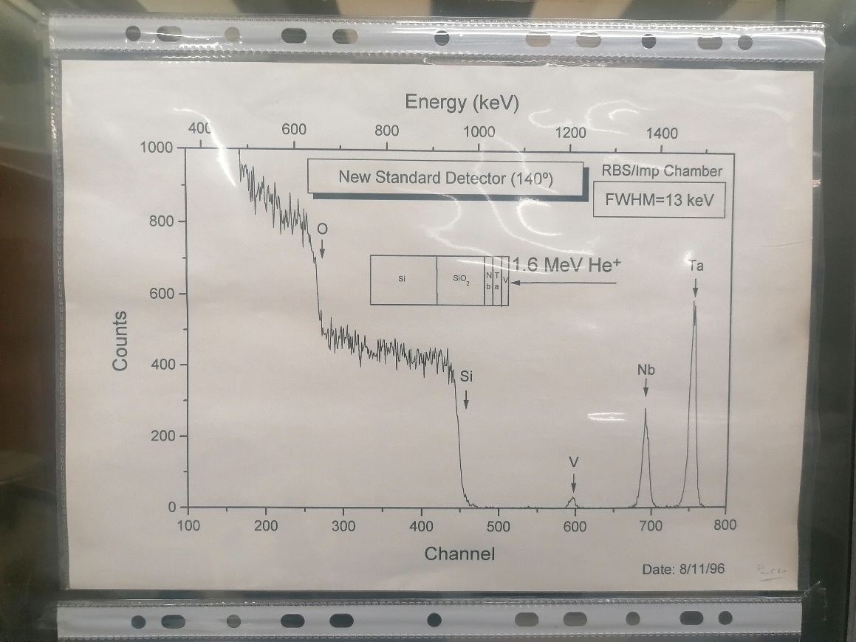

 |  |  |  |  |  |  |  |  | Pb channel | E_Pb (keV) | Delta_E (keV) | (dE/dx)_in [E_0] (MeV cm^2 / g) | (dE/dx)_in [E_0] (keV/cm) | (dE/dx)_out [K * E_0] (MeV cm^2 / g) | (dE/dx)_out [K * E_0] (keV/cm) | [S] (eV/nm) | x (nm)
 |  |  |  |  |  |  |  | Target 1, 21 mm |  | 1610 | 390 | 349.1 | 3941339 | 359 | 4053110 | 3.653 | 106761
 |  |  |  |  |  |  |  | Target 1, 23 mm |  | 1600 | 400 |  | 0 |  | 0 | 0.000 | 400000000
 |  |  |  |  |  |  |  | Target 1, 25 mm |  |  | 2000 |  | 0 |  | 0 | 0.000 | 2000000000
 |  |  |  |  |  |  |  | Target 1, 27 mm |  |  | 2000 |  | 0 |  | 0 | 0.000 | 2000000000

Ta-Nb-V Calib - RBS1 - Protoes
Calib.
E0 = | 2000 | keV
 |  |  |  |  |  | K * E_0
 |  | Element | Z | A | kinematic factor | Back Energy (keV) | Surface channel
 |  | O | 8 | 15.999 | 0.7819 | 1563.72 | 633
 |  | Si | 14 | 28.085 | 0.8693 | 1738.61 | 702
 |  | V | 23 | 50.942 | 0.9257 | 1851.42 | 752
 |  | Nb | 41 | 92.906 | 0.9586 | 1917.12 | 778
 |  | Ta | 73 | 180.950 | 0.9785 | 1957.01 | 796

