Alphas
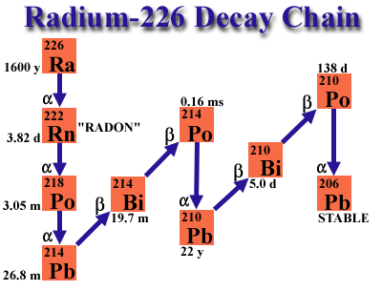
Nuclide | E alpha (keV) | T 1/2 | T 1/2 (s) | Branch (%) | Alphas from 226Ra (1600 y 7) |  | Alphas from 222Rn (3.8235 d 3) |  | Alphas from 218Po (3.10 m 1) |  | Alphas from 214Po (164.3 us 20) |  | Alphas from 210Po (138.376 d 2)
226 Ra | 4784.34 | 1600 y | 5.049E+10 | 94.45
226 Ra | 4601 |  |  | 5.55
222 Rn | 5489.52 | 3.8235 d | 3.304E+05 | 99.92 | Ea (keV) | Ia (%) | Ea (keV) | Ia (%) | Ea (keV) | Ia (%) | Ea (keV) | Ia (%) | Ea (keV) | Ia (%)
218 Po | 6002.3 | 3.10 m | 8.035E+06 | 99.9989
214 Po | 7686.82 | 164.3 us | 1.643E-04 | 99.9895
210 Po | 5304.38 | 138.376 d | 1.196E+07 | 100 | 4160 2 | 0.00027 5 | 4827 4 | ~0.0005 | 5181 2 | 0.0011 | 6609.9 10 | 6.0E-5 20 | 4516.58 9 | 0.00122 4
 |  |  |  |  | 4191 2 | 0.0010 1 | 4987 1 | 0.078 | 6002.35 9 | 99.9989 | 6902.1 2 | 0.0104 6 | 5304.38 7 | 100
 |  |  |  |  | 4340 1 | 0.0065 3 | 5489.52 30 | 99.92 1 |  |  | 7686.82 7 | 99.9895 6
 |  |  |  |  | 4601 1 | 5.55 5
 |  |  |  |  | 4784.34 25 | 94.45 5

Calib. 11 Nov
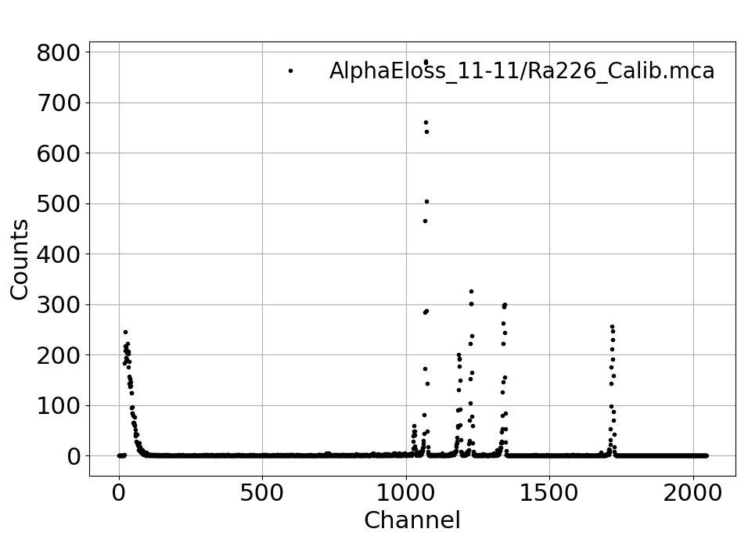
# peak | ROI Down | ROI Up | Total integral | Net Integral | Centroid | Max. | Sigma | FWHM | Sigma (MeV) |  | Nuclide | E alpha (MeV) | E alpha calib (MeV) |  | E calib (MeV) | dEcalib (MeV) |  | R = sigma/E | 1/sqrt(E)
1 | 1705 | 1730 | 2103 | 2012 | 1719.5407555 | 1719 | 3.2345102701 | 7.6166894743 | 0.0145 | 0.036 | 214 Po | 7.68682 | 7.6846691769 |  | 7.68 | 0.00 | 0.0047310287333 | 0.0018809 | 0.360684 | 0.36073427786
2 | 1325 | 1350 | 2567 | 2359 | 1341.754557 | 1344 | 3.6224354197 | 8.530183375 | 0.0162 | 0.036 | 218 Po | 6.00230 | 5.9959648699 |  | 6.00 | -0.01 | 0.0060605814757 | 0.0026977 | 0.408170 | 0.40838563766
3 | 1212 | 1237 | 2177 | 2099 | 1227.7760838 | 1228 | 2.8828780589 | 6.7886589106 | 0.0129 | 0.036 | 222 Rn | 5.48952 | 5.4864810948 |  | 5.49 | 0.00 | 0.0066229325306 | 0.0023475 | 0.426808 | 0.42692644445
4 | 1170 | 1195 | 1631 | 1540 | 1185.7350649 | 1185 | 3.6281642252 | 8.5436736809 | 0.0162 | 0.036 | 210 Po | 5.30438 | 5.2985577403 |  | 5.30 | -0.01 | 0.0068580283838 | 0.0030575 | 0.434193 | 0.43443135649
5 | 1055 | 1080 | 5062 | 4945 | 1070.3211325 | 1070 | 2.660805722 | 6.2657185302 | 0.0119 | 0.036 | 226 Ra | 4.78434 | 4.7826574621 |  | 4.78 | 0.00 | 0.0075978092193 | 0.0024860 | 0.457182 | 0.45726226292

Resolução
 |  |  |  |  |  |  |  |  | E (MeV) = | 0.00447 | * Channel + | -0.001678 |  | Com incertezas nos canais |  |  | Calib
 | TIME OF | AQUI. |  |  |  |  |  |  | +- | 0.000028 | +- | 0.036276

Calibration E vs Ch
 |  |  |  |  |  |  |  |  | Sigma/E = | 0.007737 | * 1/sqrt€ + | 0.000735

