Ta-Nb-V Calib - RBS1 - Alfas
E0 = | 2000 | keV
Pb density = | 11.29 | g/cm^3
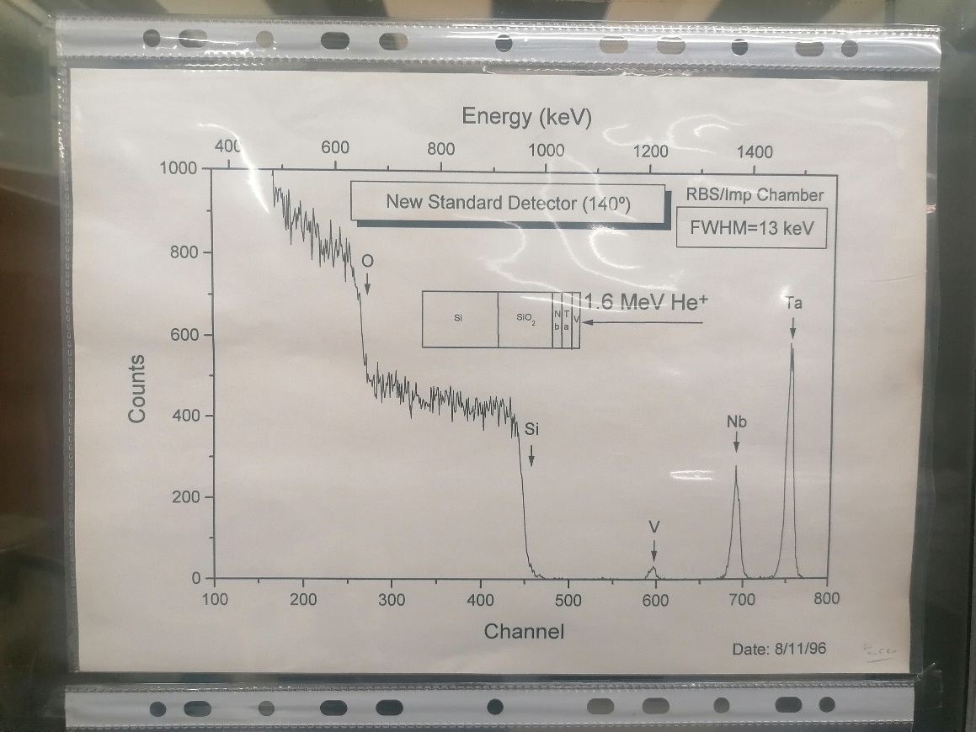
 | Element | Z | A | Kinematic factor [K] | Back Energy (keV) [K * E0] | Surface channel
 | O | 8 | 15.999 | 0.3659 | 731.84 | 270
 | Si | 14 | 28.085 | 0.5688 | 1137.56 | 438
 | V | 23 | 50.942 | 0.7338 | 1467.51 | 582
 | Nb | 41 | 92.906 | 0.8441 | 1688.17 | 674
 | Ta | 73 | 180.950 | 0.9167 | 1833.38 | 733
 | Pb | 82 | 207.2 | 0.9269 | 1853.70 | 743
 |  |  |  |  |  |  |  | Pb channel in | Pb channel out | Delta_E (keV) | (dE/dx)_in [E_0] (MeV cm^2 / g) | (dE/dx)_in [E_0] (eV/nm) | (dE/dx)_out [K * E_0] (MeV cm^2 / g) | (dE/dx)_out [K * E_0] (eV/nm) | [S] (eV/nm) | x (nm)
 |  |  |  |  |  |  | Target 1 (21 mm) | 743 | 560 | 433.36 | 349.1 | 394.1 | 359 | 405 | 366.615 | 1182
Calib.
 |  |  |  |  |  |  | Target 1 (23 mm) | 745 | 539 | 487.83 | 349.1 | 394.1 | 359 | 405 | 366.615 | 1331
 |  |  |  |  |  |  | Target 1 (25 mm) | 746 | 564 | 430.99 | 349.1 | 394.1 | 359 | 405 | 366.615 | 1176
 |  |  |  |  |  |  | Target 1 (27 mm) | 745 | 561 | 435.73 | 349.1 | 394.1 | 359 | 405 | 366.615 | 1189

 |  |  |  |  |  |  |  | Pb channel in | Pb channel out | Delta_E (keV) | (dE/dx)_in [E_0] (MeV cm^2 / g) | (dE/dx)_in [E_0] (eV/nm) | (dE/dx)_out [K * E_0] (MeV cm^2 / g) | (dE/dx)_out [K * E_0] (eV/nm) | [S] (eV/nm) | x (nm)
 |  |  |  |  |  |  | Target 3 (55 mm) | 739 | 530 | 494.93 | 349.1 | 394.1339 | 359 | 405.311 | 366.615 | 1350
 |  |  |  |  |  |  | Target 3 (57 mm) | 730 | 390 | 805.15 | 349.1 | 394.1339 | 359 | 405.311 | 366.615 | 2196

 |  |  |  |  |  |  |  | Pb channel in | Pb channel out | Delta_E (keV) | (dE/dx)_in [E_0] (MeV cm^2 / g) | (dE/dx)_in [E_0] (eV/nm) | (dE/dx)_out [K * E_0] (MeV cm^2 / g) | (dE/dx)_out [K * E_0] (eV/nm) | [S] (eV/nm) | x (nm)
 |  |  |  |  |  |  | Target 4 (65 mm) | 744 | 500 | 575.45 | 349.1 | 394.1339 | 359 | 405.311 | 366.615 | 1570
 |  |  |  |  |  |  | Target 4 (66 mm) | 743 | 510 | 551.77 | 349.1 | 394.1339 | 359 | 405.311 | 366.615 | 1505

Ta-Nb-V NEW Calib - RBS1 - Alfa
E0 = | 2000 | keV
Pb density = | 11.29 | g/cm^3

 | Element | Z | A | Kinematic factor [K] | Back Energy (keV) [K * E0] | Surface channel
 | O | 8 | 15.999 | 0.3659 | 731.84 | 272
 | Si | 14 | 28.085 | 0.5688 | 1137.56 | 440
 | V | 23 | 50.942 | 0.7338 | 1467.51 | 584
 | Nb | 41 | 92.906 | 0.8441 | 1688.17 | 676
 | Ta | 73 | 180.950 | 0.9167 | 1833.38 | 735
 | Pb | 82 | 207.2 | 0.9269 | 1853.70 | 743
 |  |  |  |  |  |  |  | Pb channel in | Pb channel out | Delta_E (keV) | (dE/dx)_in [E_0] (MeV cm^2 / g) | (dE/dx)_in [E_0] (eV/nm) | (dE/dx)_out [K * E_0] (MeV cm^2 / g) | (dE/dx)_out [K * E_0] (eV/nm) | [S] (eV/nm) | x (nm)
 |  |  |  |  |  |  | Target 1 (21 mm) | 743 | 560 | 433.36 | 349.1 | 394.1 | 359 | 405 | 366.615 | 1182
Calib.
 |  |  |  |  |  |  | Target 1 (23 mm) | 745 | 539 | 487.83 | 349.1 | 394.1 | 359 | 405 | 366.615 | 1331
 |  |  |  |  |  |  | Target 1 (25 mm) | 746 | 564 | 430.99 | 349.1 | 394.1 | 359 | 405 | 366.615 | 1176
 |  |  |  |  |  |  | Target 1 (27 mm) | 745 | 561 | 435.73 | 349.1 | 394.1 | 359 | 405 | 366.615 | 1189

 |  |  |  |  |  |  |  | Pb channel in | Pb channel out | Delta_E (keV) | (dE/dx)_in [E_0] (MeV cm^2 / g) | (dE/dx)_in [E_0] (eV/nm) | (dE/dx)_out [K * E_0] (MeV cm^2 / g) | (dE/dx)_out [K * E_0] (eV/nm) | [S] (eV/nm) | x (nm)
 |  |  |  |  |  |  | Target 3 (55 mm) | 739 | 530 | 494.93 | 349.1 | 394.1339 | 359 | 405.311 | 366.615 | 1350
 |  |  |  |  |  |  | Target 3 (57 mm) | 730 | 390 | 805.15 | 349.1 | 394.1339 | 359 | 405.311 | 366.615 | 2196

 |  |  |  |  |  |  |  | Pb channel in | Pb channel out | Delta_E (keV) | (dE/dx)_in [E_0] (MeV cm^2 / g) | (dE/dx)_in [E_0] (eV/nm) | (dE/dx)_out [K * E_0] (MeV cm^2 / g) | (dE/dx)_out [K * E_0] (eV/nm) | [S] (eV/nm) | x (nm)
 |  |  |  |  |  |  | Target 4 (65 mm) | 744 | 500 | 575.45 | 349.1 | 394.1339 | 359 | 405.311 | 366.615 | 1570
 |  |  |  |  |  |  | Target 4 (66 mm) | 743 | 510 | 551.77 | 349.1 | 394.1339 | 359 | 405.311 | 366.615 | 1505

Ta-Nb-V Calib - RBS1 - Protoes
Calib.
E0 = | 2000 | keV
 |  |  |  |  |  | K * E_0
 |  | Element | Z | A | kinematic factor | Back Energy (keV) | Surface channel
 |  | O | 8 | 15.999 | 0.7819 | 1563.72 | 633
 |  | Si | 14 | 28.085 | 0.8693 | 1738.61 | 702
 |  | V | 23 | 50.942 | 0.9257 | 1851.42 | 752
 |  | Nb | 41 | 92.906 | 0.9586 | 1917.12 | 778
 |  | Ta | 73 | 180.950 | 0.9785 | 1957.01 | 796

