Alphas
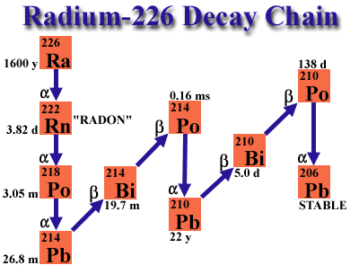
Nuclide | E alpha (keV) | T 1/2 | T 1/2 (s) | Branch (%) | Alphas from 226Ra (1600 y 7) |  | Alphas from 222Rn (3.8235 d 3) |  | Alphas from 218Po (3.10 m 1) |  | Alphas from 214Po (164.3 us 20) |  | Alphas from 210Po (138.376 d 2)
226 Ra | 4784.34 | 1600 y | 5.049E+10 | 94.45
226 Ra | 4601 |  |  | 5.55
222 Rn | 5489.52 | 3.8235 d | 3.304E+05 | 99.92 | Ea (keV) | Ia (%) | Ea (keV) | Ia (%) | Ea (keV) | Ia (%) | Ea (keV) | Ia (%) | Ea (keV) | Ia (%)
218 Po | 6002.3 | 3.10 m | 8.035E+06 | 99.9989
214 Po | 7686.82 | 164.3 us | 1.643E-04 | 99.9895
210 Po | 5304.38 | 138.376 d | 1.196E+07 | 100 | 4160 2 | 0.00027 5 | 4827 4 | ~0.0005 | 5181 2 | 0.0011 | 6609.9 10 | 6.0E-5 20 | 4516.58 9 | 0.00122 4
 |  |  |  |  | 4191 2 | 0.0010 1 | 4987 1 | 0.078 | 6002.35 9 | 99.9989 | 6902.1 2 | 0.0104 6 | 5304.38 7 | 100
 |  |  |  |  | 4340 1 | 0.0065 3 | 5489.52 30 | 99.92 1 |  |  | 7686.82 7 | 99.9895 6
 |  |  |  |  | 4601 1 | 5.55 5
 |  |  |  |  | 4784.34 25 | 94.45 5

Calib. 20 Dez.
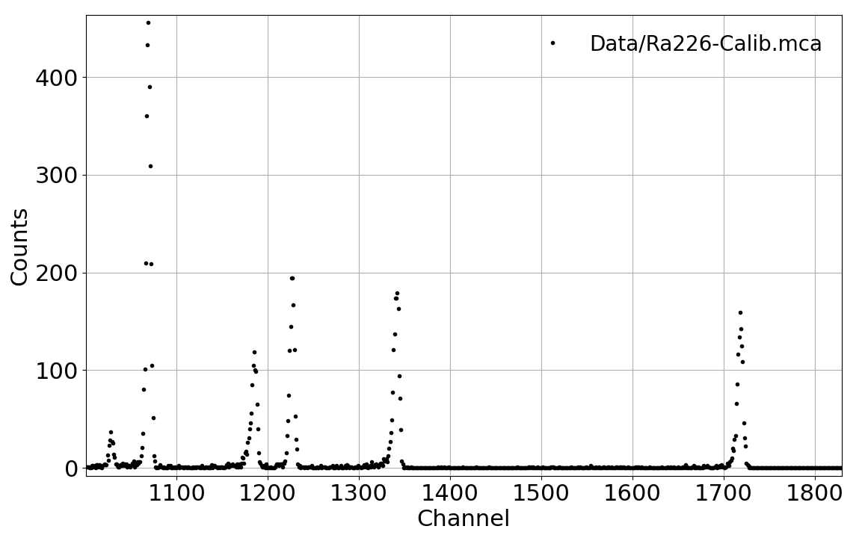
# peak | ROI Down | ROI Up | Total integral | Net Integral | Centroid | Max. | Sigma | FWHM | Sigma (MeV) |  | Nuclide | E alpha (MeV) | E alpha calib (MeV) | E calib (MeV) | dEcalib (MeV) |  | R = sigma/E | 1/sqrt(E)
1 | 1707 | 1725 | 1162 | 934 | 1718.43005 | 1719 | 2.8551011106 | 6.7232491972 | 0.0128 | 0.031 | 214 Po | 7.68682 | 7.6789763233 | 7.68 | -0.01 | 0.0040835511208 | 0.0016603 | 0.360684 | 0.36086796931
2 | 1332 | 1347 | 1379 | 1019 | 1341.3336605 | 1343 | 2.6049238963 | 6.1341268895 | 0.0116 | 0.031 | 218 Po | 6.00230 | 5.9933554622 | 5.99 | -0.01 | 0.0052285820725 | 0.0019399 | 0.408170 | 0.40847453015
3 | 1219 | 1233 | 1224 | 1044 | 1227.1139847 | 1227 | 2.2534426247 | 5.3064517614 | 0.0101 | 0.031 | 222 Rn | 5.48952 | 5.4827935115 | 5.48 | -0.01 | 0.005715451009 | 0.0018349 | 0.426808 | 0.42706999009
4 | 1177 | 1191 | 858 | 618 | 1185.6569579 | 1186 | 2.4703009659 | 5.8171141206 | 0.0110 | 0.031 | 210 Po | 5.30438 | 5.2974806019 | 5.30 | -0.01 | 0.0059159199045 | 0.0020817 | 0.434193 | 0.43447552077
5 | 1060 | 1076 | 2796 | 2643 | 1069.7657964 | 1070 | 2.3502463624 | 5.534407139 | 0.0105 | 0.031 | 226 Ra | 4.78434 | 4.7794471101 | 4.78 | 0.00 | 0.0065583562023 | 0.0021958 | 0.457182 | 0.45741580855

Resolução
 |  |  |  |  |  |  |  |  | E (MeV) = | 0.004470 | * Channel + | -0.002406
 | TIME OF | AQUI. | 1131 s |  |  |  |  |  | +- | 0.000024 | +- | 0.031321

Calibration E vs Ch
 |  |  |  |  |  |  |  |  | Sigma/E = | 0.007737 | * 1/sqrt€ + | 0.000735

Calib. 27 Dez.
# peak | ROI Down | ROI Up | Total integral | Net Integral | Centroid | Max. | Sigma | FWHM | Sigma (MeV) |  | Nuclide | E alpha (MeV) | E alpha calib (MeV) |  | E calib (MeV) | dEcalib (MeV) |  | R = sigma/E | 1/sqrt(E)
1 | 1700 | 1718 | 880 | 794.5 | 1711.5919866 | 1712 | 2.7976065577 | 6.5878598741 | 0.0126 | 0.030 | 214 Po | 7.68682 | 7.6912872037 |  | 7.69 | 0.00 | 0.0039309291685 | 0.0016349 | 0.360684 | 0.36057904618
2 | 1325 | 1341 | 1160 | 794.5 | 1336.3801133 | 1337 | 1.9595358455 | 4.6143541997 | 0.0088 | 0.030 | 218 Po | 6.00230 | 6.0058354688 |  | 6.01 | 0.00 | 0.0050309163695 | 0.0014665 | 0.408170 | 0.40804990848
3 | 1214 | 1227 | 1013 | 761 | 1222.3350854 | 1223 | 1.9985386315 | 4.7061987401 | 0.0090 | 0.030 | 222 Rn | 5.48952 | 5.4935452037 |  | 5.49 | 0.00 | 0.0055010212894 | 0.0016354 | 0.426808 | 0.42665186538
4 | 1171 | 1186 | 831 | 591 | 1180.8776086 | 1181 | 2.2861362814 | 5.3834394382 | 0.0103 | 0.030 | 210 Po | 5.30438 | 5.3073182177 |  | 5.31 | 0.00 | 0.0056942717404 | 0.0019360 | 0.434193 | 0.43407266329
5 | 1053 | 1071 | 2427 | 2170.5 | 1065.6989941 | 1066 | 2.2082346224 | 5.1999950536 | 0.0099 | 0.030 | 226 Ra | 4.78434 | 4.7899358814 |  | 4.79 | 0.01 | 0.0063128434426 | 0.0020733 | 0.457182 | 0.45691472051

Resolução
 |  |  |  |  |  |  |  |  | E (MeV) = | 0.004492 | * Channel + | 0.002816 |  | Com incertezas nos canais |  |  | Calib
 | TIME OF | AQUI. | 998 s |  |  |  |  |  | +- | 0.000023 | +- | 0.030152

Calibration E vs Ch
 |  |  |  |  |  |  |  |  | Sigma/E = |  | * 1/sqrt€ +

Calib. 29 Dez.
# peak | ROI Down | ROI Up | Total integral | Net Integral | Centroid | Max. | Sigma | FWHM | Sigma (MeV) |  | Nuclide | E alpha (MeV) | E alpha calib (MeV) |  | E calib (MeV) | dEcalib (MeV) |  | R = sigma/E | 1/sqrt(E)
1 |  | 1726 | 361 | 361 | 1719.2465374 | 1719 | 3.1141968599 | 7.3333730496 | 0.0139 | 0.031 | 214 Po | 7.68682 | 7.713802241 |  | 7.71 | 0.03 | 0.0040907494805 | 0.0018146 | 0.360684 | 0.36005243277
2 | 1330 | 1350 | 382 | 361 | 1342.0387812 | 1343 | 2.9400553369 | 6.9233011085 | 0.0132 | 0.031 | 218 Po | 6.00230 | 6.0242887008 |  | 6.02 | 0.02 | 0.0052380756349 | 0.0021939 | 0.408170 | 0.40742447242
3 | 1216 | 1233 | 348 | 294 | 1227.5 | 1229 | 2.1472177852 | 5.0563113851 | 0.0096 | 0.031 | 222 Rn | 5.48952 | 5.5112695 |  | 5.51 | 0.02 | 0.0057237573494 | 0.0017520 | 0.426808 | 0.42596525463
4 | 1173 | 1190 | 252 | 144 | 1185.75 | 1187 | 2.0086617989 | 4.7300369772 | 0.0090 | 0.031 | 210 Po | 5.30438 | 5.32427125 |  | 5.32 | 0.02 | 0.0059228819476 | 0.0016961 | 0.434193 | 0.4333810461
5 | 1061 | 1075 | 783 | 655.5 | 1070.1632342 | 1071 | 2.065492867 | 4.8638639131 | 0.0093 | 0.031 | 226 Ra | 4.78434 | 4.8065581259 |  | 4.81 | 0.02 | 0.0065669741953 | 0.0019337 | 0.457182 | 0.45612397528

Resolução
 |  |  |  |  |  |  |  |  | E (MeV) = | 0.004479 | * Channel + | 0.013297 |  | Com incertezas nos canais |  |  | Calib
 | TIME OF | AQUI. | 309 s |  |  |  |  |  | +- | 0.000025 | +- | 0.031367

Calibration E vs Ch
 |  |  |  |  |  |  |  |  | Sigma/E = |  | * 1/sqrt€ +

Calib. parameters
 | Slope (keV/ch) | dSlope | Intercept (keV) | dInter
20 Dez. | 4.47 | 0.024 | -2.406 | 31.321
27 Dez. | 4.492 | 0.023 | 2.816 | 30.152
29 Dez. | 4.479 | 0.025 | 13.297 | 31.367

