Ta-Nb-V Calib. ERD
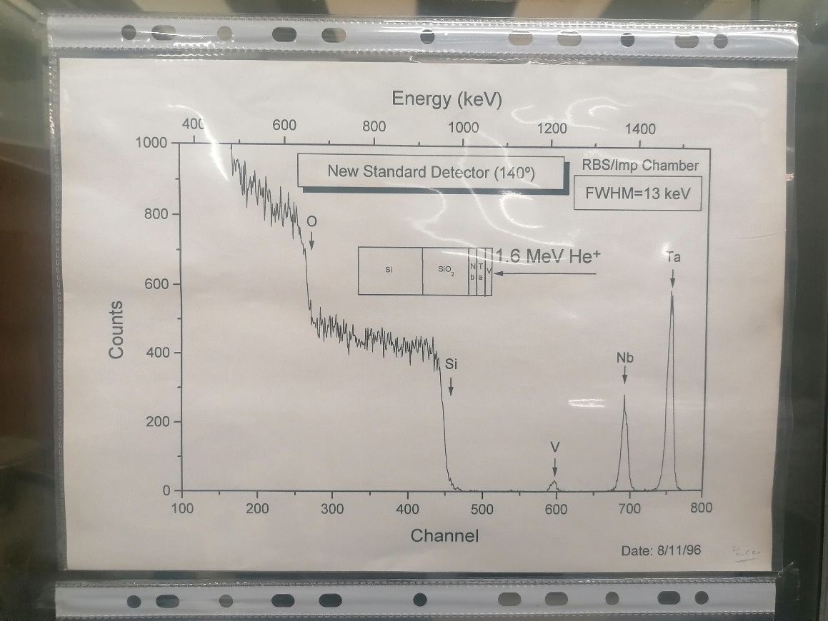
E0 = | 2000 | keV
Calib.
 |  | Element | Z | A | kinematic factor | Back Energy (keV) | Surface channel | Effective energy
 |  | O | 8 | 15.999 | 0.3659 | 731.84 | 262
 |  | Si | 14 | 28.085 | 0.5688 | 1137.56 | 426
 |  | V | 23 | 50.942 | 0.7338 | 1467.51 | 567 | 1467.51
 |  | Nb | 41 | 92.906 | 0.8441 | 1688.17 | 656
 |  | Ta | 73 | 180.950 | 0.9167 | 1833.38 | 714

YbGeSiO Calib. ERD
E0 = | 2000 | keV
4He | 4.0026
 |  | Element | Z | A | Kinematic factor | Back Energy (keV) | Surface channel
 |  | O | 8 | 15.999 | 0.3659 | 554.37 | 261
 |  | Si | 14 | 28.085 | 0.5688 | 861.70 | 429
 |  | Ge | 32 | 72.630 | 0.8050 | 1219.58 | 623
 |  | Yb | 70 | 173.050 | 0.9131 | 1383.28 | 708

