Alphas
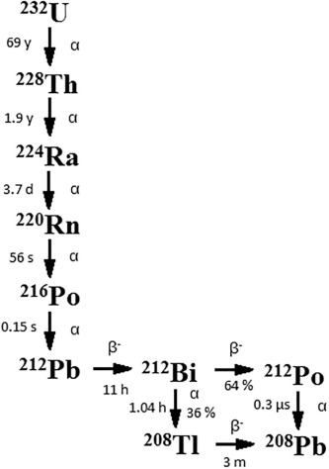
 |  | Nuclide | E alpha (keV) | Branch (%) | T 1/2 | T 1/2 (s) | Alphas from 232U (68.9 y 4) |  | Alphas from 228Th (1.9116 y 16) |  | Alphas from 224Ra (3.66 d 4) |  | Alphas from 220Rn (55.6 s 1)
 |  | 232U | 5320.12 | 68.15 | 68,9 y | 2.174E+09 | Ea (keV) | Ia (%) | Ea (keV) | Ia (%) | Ea (keV) | Ia (%) | Ea (keV) | Ia (%)
 |  |  | 5263.36 | 31.55 |  |  | 4460.94(calc) | 3.9E-6 9 | 5138 | 0.038 6 | 5034 | 0.0030 5 | 5747 | 0.114 17
 |  | 228Th | 5423.15 | 72.2 | 1,9116 y | 6.033E+07 | 4502.80(calc) | 2.1E-5 2 | 5173 | 0.227 7 | 5051 | 0.0076 10 | 6288.08 10 | 99.886 17
 |  |  | 5340.36 | 27.2 |  |  | 4810.04(calc) | 5.6E-5 3 | 5211 | 0.420 10 | 5161 | 0.0073
 |  | 224Ra | 5685.37 | 94.92 | 3,66 d | 3.162E+05 | 4931.04(calc) | 4.8E-5 4 | 5340.36 15 | 27.2 10 | 5448.6 12 | 5.06 4
 |  |  | 5448.6 | 5.06 |  |  | 4948.63(calc) | 5.1E-5 5 | 5423.15 22 | 72.2 11 | 5685.37 15 | 94.92 4
 |  | 220Rn | 6288.08 | 99.886 | 55,6 s | 5.560E+01 | 4997.94(calc) | 0.00616 8
 |  | 216Po | 6778.3 | 99.9981 | 0,145 s | 0.145 | 5139.0 20 | 0.30 2
 |  | 212Bi | 6050.78 | 69.91 | 60,55 m | 1.592E+08 | 5263.36 9 | 31.55 23
 |  |  | 6089.88 | 27.12 |  |  | 5320.12 14 | 68.15 23
 |  |  | 5768 | 1.78
 |  |  | 5607 | 1.19 |  |  | Alphas from 216Po (0.145 s 2) |  | Alphas from 212Bi (60.55 m 6) |  | Alphas from 212Po (0.299 us 2)
 |  | 212Po | 8784.37 | 100 | 0,299 us | 2.990E-07 | Ea (keV) | Ia (%) | Ea (keV) | Ia (%) | Ea (keV) | Ia (%)
 |  |  |  |  |  |  | 5985 | 0.0019 3 | 5302 2 | 0.00011 1 | 8784.37 7 | 100
 |  |  |  |  |  |  | 6778.3 5 | 99.9981 3 | 5345 | 0.001
 |  |  |  |  |  |  |  |  | 5481 | 0.014
 |  |  |  |  |  |  |  |  | 5607 | 1.19
 |  |  |  |  |  |  |  |  | 5626 | 0.165
 |  |  |  |  |  |  |  |  | 5768 | 1.78
Bi alfa mean energy |  |  |  |  |  |  |  |  | 6050.78 3 | 69.91 15
 | (keV) | Intensity (%) | Norm. Intensity (%) |  |  |  |  |  | 6089.88 3 | 27.12 14
212Bi | 6050.78 | 69.91 | 72.04988148
 | 6089.88 | 27.12 | 27.95011852
 |  | 97.03 | 100
 | 6061.7084963

Calib 8 ago_v1
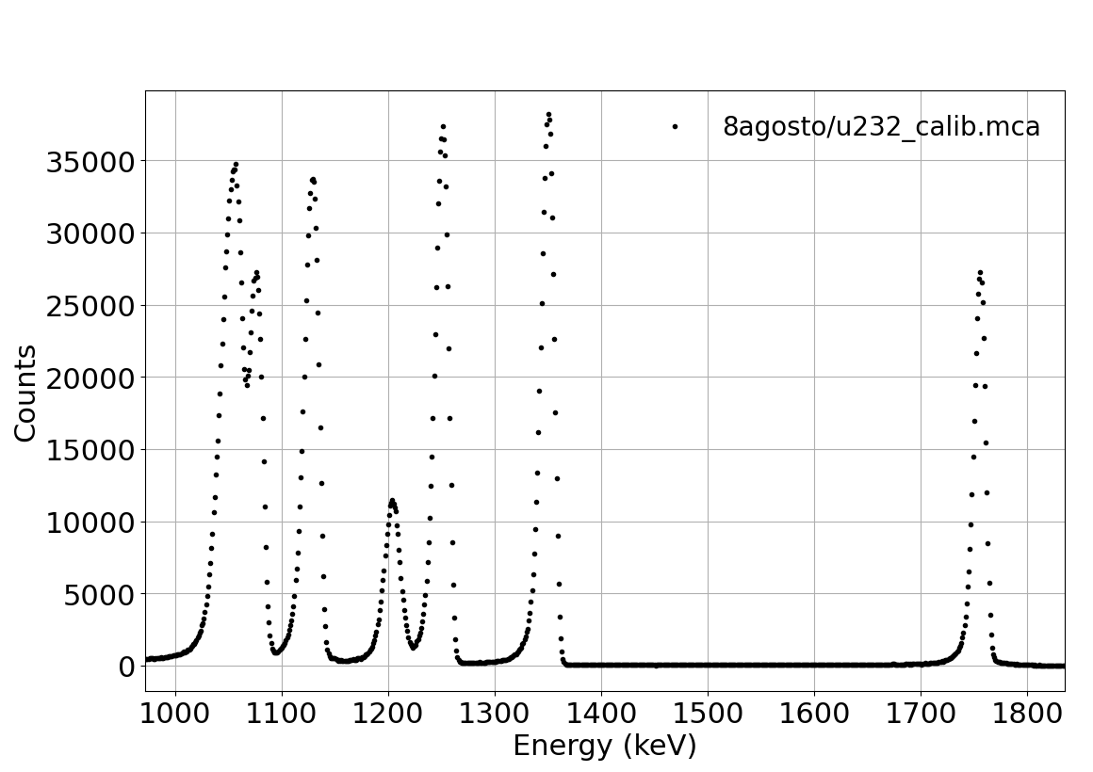
# peak | ROI Down | ROI Up | Total integral | Net Integral | Centroid | Max. | Sigma | FWHM | Sigma (keV) |  | Nuclide | E alpha (keV) | E alpha calib (keV) |  | E calib 2 (keV) | dEcalib2 (keV) |  | R = sigma/E (MeV) | 1/sqrt(E) (MeV)
1 | 1910 | 1950 | 51254 | 45821.5 | 1936.37 | 1939 | 6.12 | 14.41 | 0.0274 | 0.082 | 212Po | 8784.37 | 8.57366634 |  | 8573.67 | -210.70 | 0.0093328673542 | 0.0031226 | 0.337400 | 0.34152044756
2 | 1460 | 1510 | 81328 | 78268 | 1488.93 | 1491 | 7.22 | 17.01 | 0.0324 | 0.082 | 216Po | 6778.3 | 6.56824026 |  | 6568.24 | -210.06 | 0.012103574643 | 0.0047741 | 0.384096 | 0.39018941591
3 | 1350 | 1400 | 82136 | 77903 | 1379.44 | 1383 | 7.32 | 17.24 | 0.0328 | 0.082 | 220Rn | 6288.08 | 6.07750608 |  | 6077.51 | -210.57 | 0.013048014656 | 0.0052175 | 0.398787 | 0.40563675426
4 | 1310 | 1345 | 28227 | 19119 | 1328.67 | 1328 | 6.62 | 15.6 | 0.0297 | 0.082 | 212Bi | 6061.71 | 5.84995494 |  | 5849.95 | -211.75 | 0.013529165919 | 0.0048948 | 0.406165 | 0.41345070762
5 | 1220 | 1265 | 79587 | 72480 | 1244.84 | 1246 | 7.31 | 17.21 | 0.0328 | 0.082 | 224Ra | 5685.37 | 5.47422888 |  | 5474.23 | -211.14 | 0.014431150479 | 0.0057628 | 0.419392 | 0.42740394284

Resolução
 |  |  |  |  |  |  |  |  | E (keV) = | 4.482 | * Channel + | -105.144 |  | Com incertezas nos canais |  |  | Calib 2
 | TIME OF | AQUI. | 10028 s |  |  |  |  |  | +- | 0.053 | +- | 81.659

Calibration E vs Ch
 |  |  |  |  |  |  |  |  | Sigma/E = | 0.2989 | * 1/sqrtE’+ | -0.0016

