Sheet1
QCS XR Chart

Date |  | : 01 Nop 2018 |  |  |  |  | Part No. | : 23422-K46F-N200-GEAR,COUNTER
Shift |  | : 23422-K46F-N200-GEAR,COUNTER |  |  |  |  | Part Name | : GEAR,COUNTER
Line No. |  | : MGS-Machining Gear Scooter |  |  |  |  | Lot No. | : 45033
Sub Line No. |  | : MGS01

Date | 26
Shift | 1 | 2 | 3
Sequence | 1 | 2 | 3
1 | 28000 | 30000 | 30000
2 | 31000 | 28000 | 29000
3 | 30000 | 29000 | 30000
4 | 28000 | 30000 | 33000
5 | 29000 | 31000 | 29000
Total | 146000 | 148000 | 151000
X | 29200 | 29600 | 30200
R | 3000 | 3000 | 4000

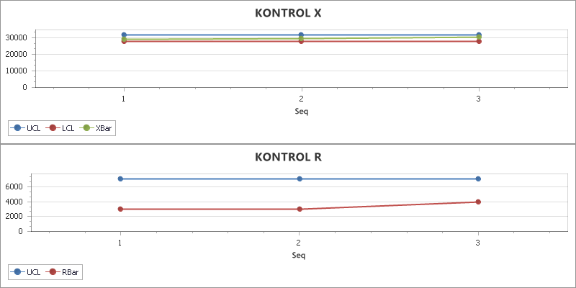

SUMMARY
Line | Part No. |  | Part Name |  | Item Check |  | Standard |  | Frequency | Measuring Instrument | Machine No.
MGS | 23422-K46F-N200 |  | GEAR,COUNTER |  | Goyangan Luar |  | Standard 1 |  | 5 per Shift | asd | 45033

COMMENT
Date |  | PIC |  | Action |  | Result
2018-12-06 |  | ari |  | tes |  | aaa
2018-12-13 |  | a |  | b |  | c

