Decomposition_newbaseline
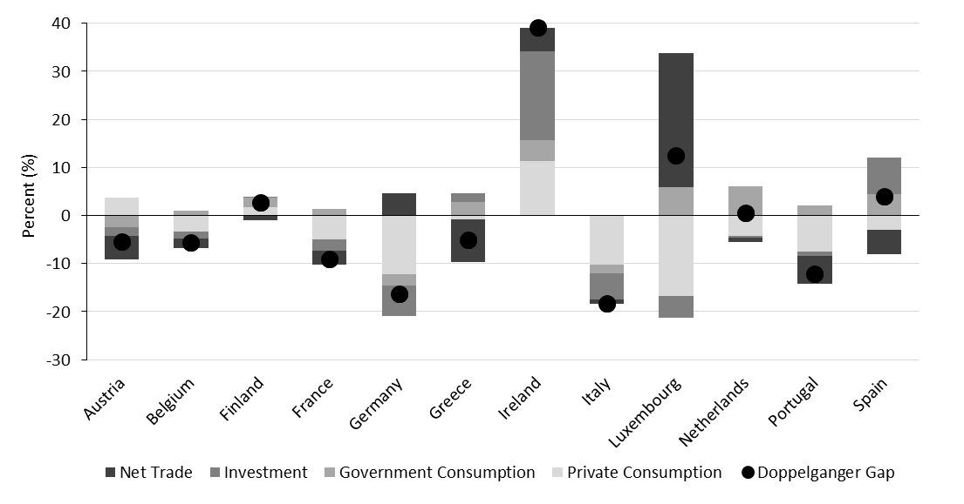
country | C | G | I | NX | Gap
Austria | 0.87 | 2.22 | -1.22 | -4.01 | -2.14 |  | Austria | Belgium | Finland | France | Germany | Greece | Ireland | Italy | Luxembourg | Netherlands | Portugal | Spain
Belgium | 0.35 | 6.87 | -1.36 | -8.24 | -2.39 | Private Consumption | 0.87 | 0.35 | -0.05 | -4.08 | -7.88 | 1.82 | 11.36 | -8.68 | -17.69 | -4.28 | -7.48 | -3.75
Finland | -0.05 | 1.74 | 1.96 | -0.73 | 2.93 | Government Consumption | 2.22 | 6.87 | 1.74 | 0.71 | 1.43 | 3.26 | 4.31 | -2.91 | 0.03 | 6.07 | 2.04 | 3.22
France | -4.08 | 0.71 | -2.48 | -3.26 | -9.12 | Investment | -1.22 | -1.36 | 1.96 | -2.48 | -6.63 | 3.16 | 18.51 | -5.68 | -0.60 | -0.27 | -0.91 | 9.10
Germany | -7.88 | 1.43 | -6.63 | -1.01 | -14.09 | Net Trade | -4.01 | -8.24 | -0.73 | -3.26 | -1.01 | -10.99 | 4.90 | -1.22 | 34.27 | -0.98 | -5.84 | -4.06
Greece | 1.82 | 3.26 | 3.16 | -10.99 | -2.75 | Doppelganger Gap | -2.14 | -2.39 | 2.93 | -9.12 | -14.09 | -2.75 | 39.09 | -18.48 | 16.02 | 0.54 | -12.18 | 4.51
Ireland | 11.36 | 4.31 | 18.51 | 4.90 | 39.09
Italy | -8.68 | -2.91 | -5.68 | -1.22 | -18.48
Luxembourg | -17.69 | 0.03 | -0.60 | 34.27 | 16.02
Netherlands | -4.28 | 6.07 | -0.27 | -0.98 | 0.54
Portugal | -7.48 | 2.04 | -0.91 | -5.84 | -12.18
Spain | -3.75 | 3.22 | 9.10 | -4.06 | 4.51

Decomposition_v2020
country | C | G | I | NX | Gap
Austria | 3.7698366642 | -2.47975564 | -1.7310246229 | -4.9577746391 | -5.3987145424 |  | Austria | Belgium | Finland | France | Germany | Greece | Ireland | Italy | Luxembourg | Netherlands | Portugal | Spain
Belgium | -3.3506286144 | 1.0793266296 | -1.3910530806 | -2.019908905 | -5.6822648048 | Private Consumption | 3.7698366642 | -3.3506286144 | 1.6942646503 | -5.0242023468 | -12.183152199 | -0.82735353708 | 11.36472702 | -10.313720703 | -16.839559555 | -4.2831721306 | -7.4560875893 | -2.9902896881
Finland | 1.6942646503 | 1.9345456362 | 0.06118349731 | -0.96841049194 | 2.721581459 | Government Consumption | -2.47975564 | 1.0793266296 | 1.9345456362 | 1.3128437996 | -2.3382678032 | 2.831610918 | 4.3121328354 | -1.7851645947 | 5.9228825569 | 6.050775528 | 2.0713891983 | 4.3476104736
France | -5.0242023468 | 1.3128437996 | -2.3964831829 | -2.8648366928 | -8.9726743698 | Investment | -1.7310246229 | -1.3910530806 | 0.06118349731 | -2.3964831829 | -6.4314146042 | 1.8656680584 | 18.505092621 | -5.331592083 | -4.3682808876 | -0.26782160997 | -0.92485535145 | 7.6507511139
Germany | -12.183152199 | -2.3382678032 | -6.4314146042 | 4.6985673904 | -16.254264832 | Net Trade | -4.9577746391 | -2.019908905 | -0.96841049194 | -2.8648366928 | 4.6985673904 | -8.9359321594 | 4.9041824341 | -0.9257440567 | 27.857078552 | -0.97683906555 | -5.8643550873 | -5.1129598618
Greece | -0.82735353708 | 2.831610918 | 1.8656680584 | -8.9359321594 | -5.0660047531 | Doppelganger Gap | -5.3987145424 | -5.6822648048 | 2.721581459 | -8.9726743698 | -16.254264832 | -5.0660047531 | 39.086139679 | -18.356222153 | 12.572128296 | 0.52293664217 | -12.173913002 | 3.8951091766
Ireland | 11.36472702 | 4.3121328354 | 18.505092621 | 4.9041824341 | 39.086139679
Italy | -10.313720703 | -1.7851645947 | -5.331592083 | -0.9257440567 | -18.356222153
Luxembourg | -16.839559555 | 5.9228825569 | -4.3682808876 | 27.857078552 | 12.572128296
Netherlands | -4.2831721306 | 6.050775528 | -0.26782160997 | -0.97683906555 | 0.52293664217
Portugal | -7.4560875893 | 2.0713891983 | -0.92485535145 | -5.8643550873 | -12.173913002
Spain | -2.9902896881 | 4.3476104736 | 7.6507511139 | -5.1129598618 | 3.8951091766

Folha2
 | Private Consumption | Government Consumption | Investment | Net Trade | Doppelganger Gap
Austria | 0.87 | 2.22 | -1.22 | -4.01 | -2.14
Belgium | 0.35 | 6.87 | -1.36 | -8.24 | -2.39
Finland | -0.05 | 1.74 | 1.96 | -0.73 | 2.93
France | -4.08 | 0.71 | -2.48 | -3.26 | -9.12
Germany | -7.88 | 1.43 | -6.63 | -1.01 | -14.09
Greece | 1.82 | 3.26 | 3.16 | -10.99 | -2.75
Ireland | 11.36 | 4.31 | 18.51 | 4.90 | 39.09
Italy | -8.68 | -2.91 | -5.68 | -1.22 | -18.48
Luxembourg | -17.69 | 0.03 | -0.60 | 34.27 | 16.02
Netherlands | -4.28 | 6.07 | -0.27 | -0.98 | 0.54
Portugal | -7.48 | 2.04 | -0.91 | -5.84 | -12.18
Spain | -3.75 | 3.22 | 9.10 | -4.06 | 4.51

