Decomposition
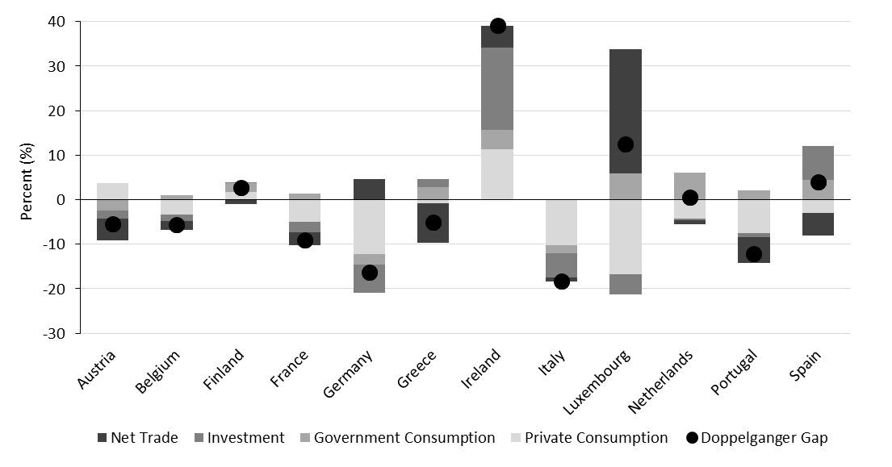
country | C | G | I | NX | Gap | PC values
Austria | -7.4580116272 | -1.7471257448 | 0.28233700991 | -1.2932281494 | -10.216023445 | -3990.2923338 |  | Austria | Belgium | Finland | France | Germany | Greece | Ireland | Italy | Luxembourg | Netherlands | Portugal | Spain
Belgium | -6.9995551109 | -1.3648964167 | -4.0145516396 | 0.84673309326 | -11.532269478 | -4297.2017837 | Private Consumption | -7.0934329033 | -7.2002983093 | -9.6800394058 | -14.320261955 | -3.91340518 | -7.9582037926 | -1.4807190895 | -12.625704765 | -12.091879845 | -4.5266056061 | -7.7256941795 | -9.3078250885
Finland | -9.9070663452 | -1.8798481226 | -6.0139899254 | 5.2790279388 | -12.521876335 | -4452.9061563 | Government Consumption | 0.74280416965 | -1.4723798037 | -1.8088303804 | 3.3873226643 | -0.12450366467 | -1.0114564896 | -3.9961705208 | 0.69285684824 | 5.7508840561 | 0.9398381114 | 3.3274216652 | 1.2590726614
France | -7.2469744682 | 1.2439876795 | -3.3651857376 | 0.77605390549 | -8.5921182632 | -3054.4251649 | Investment | -0.23068647087 | -4.0717029572 | -5.8299212456 | -3.3111307621 | 0.034908492118 | -3.7196733952 | -0.31130301952 | -3.1120223999 | -1.5002133846 | -1.3995248079 | 4.4916057587 | 0.59905475378
Germany | -2.6638836861 | -1.0304588079 | -0.21305193007 | -0.53625512123 | -4.443649292 | -1696.6546305 | Net Trade | -1.5360610485 | 0.86550140381 | 5.2591199875 | 2.6583969593 | -0.24087977409 | -6.9551258087 | 13.35842514 | 3.0066578388 | 16.38494873 | 3.6941490173 | -8.3768815994 | 0.19750261307
Greece | -7.9058208466 | -1.1313471794 | -3.8321096897 | -6.9431877136 | -19.812465668 | -5263.3952488 | Doppelganger Gap | -8.1173801422 | -11.878883362 | -12.059670448 | -11.585669518 | -4.2438821793 | -19.644460678 | 7.570230484 | -12.03821373 | 8.5437316895 | -1.2921423912 | -8.2835559845 | -7.2521910667
Ireland | 1.8672641516 | -1.8490233421 | -0.54598283768 | 12.322246552 | 11.794500351 | 3813.3639339
Italy | -10.773736 | -2.4954366684 | -7.8324422836 | 2.0405111313 | -19.061103821 | -8214.8731405
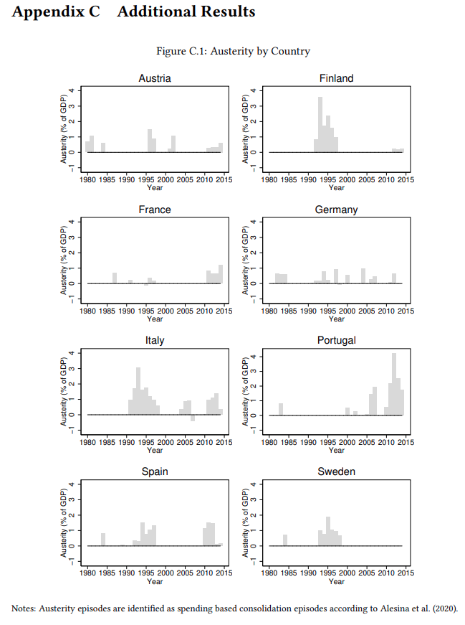
Luxembourg | -12.091879845 | 5.7508840561 | -1.5002133846 | 16.38494873 | 8.5437316895 | 3381.6611115
Netherlands | -4.5266056061 | 0.9398381114 | -1.3995248079 | 3.6941490173 | -1.2921423912 | -501.2378046
Portugal | -6.4938936234 | -5.8939466476 | -0.46034097672 | -5.2649059296 | -18.113088608 | -5112.4917025
Spain | -8.927696228 | 1.1622591019 | 0.60496217012 | -0.28035745025 | -7.4408288002 | -2193.1853682

 | -7.0934329033 | 0.74280416965 | -0.23068647087 | -1.5360610485 | -8.1173801422 | -3098.1625699
 | -7.2002983093 | -1.4723798037 | -4.0717029572 | 0.86550140381 | -11.878883362 | -4443.7689476
 | -9.6800394058 | -1.8088303804 | -5.8299212456 | 5.2591199875 | -12.059670448 | -4266.0011174
 | -14.320261955 | 3.3873226643 | -3.3111307621 | 2.6583969593 | -11.585669518 | -4258.055742
 | -3.91340518 | -0.12450366467 | 0.034908492118 | -0.24087977409 | -4.2438821793 | -1617.0000124
 | -7.9582037926 | -1.0114564896 | -3.7196733952 | -6.9551258087 | -19.644460678 | -5207.8514985
 | -1.4807190895 | -3.9961705208 | -0.31130301952 | 13.35842514 | 7.570230484 | 2543.7015675
 | -12.625704765 | 0.69285684824 | -3.1120223999 | 3.0066578388 | -12.03821373 | -4773.9524165
 | -12.091879845 | 5.7508840561 | -1.5002133846 | 16.38494873 | 8.5437316895 | 3381.6611115
 | -4.5266056061 | 0.9398381114 | -1.3995248079 | 3.6941490173 | -1.2921423912 | -501.2378046
 | -7.7256941795 | 3.3274216652 | 4.4916057587 | -8.3768815994 | -8.2835559845 | -2087.4889797
 | -9.3078250885 | 1.2590726614 | 0.59905475378 | 0.19750261307 | -7.2521910667 | -2133.2367657

Folha2
 | Private Consumption | Government Consumption | Investment | Net Trade | Doppelganger Gap
Austria | -7.0934329033 | 0.74280416965 | -0.23068647087 | -1.5360610485 | -8.1173801422
Belgium | -7.2002983093 | -1.4723798037 | -4.0717029572 | 0.86550140381 | -11.878883362
Finland | -9.6800394058 | -1.8088303804 | -5.8299212456 | 5.2591199875 | -12.059670448
France | -14.320261955 | 3.3873226643 | -3.3111307621 | 2.6583969593 | -11.585669518
Germany | -3.91340518 | -0.12450366467 | 0.034908492118 | -0.24087977409 | -4.2438821793
Greece | -7.9582037926 | -1.0114564896 | -3.7196733952 | -6.9551258087 | -19.644460678
Ireland | -1.4807190895 | -3.9961705208 | -0.31130301952 | 13.35842514 | 7.570230484
Italy | -12.625704765 | 0.69285684824 | -3.1120223999 | 3.0066578388 | -12.03821373
Luxembourg | -12.091879845 | 5.7508840561 | -1.5002133846 | 16.38494873 | 8.5437316895
Netherlands | -4.5266056061 | 0.9398381114 | -1.3995248079 | 3.6941490173 | -1.2921423912
Portugal | -7.7256941795 | 3.3274216652 | 4.4916057587 | -8.3768815994 | -8.2835559845
Spain | -9.3078250885 | 1.2590726614 | 0.59905475378 | 0.19750261307 | -7.2521910667

