Decomposition_newbaseline
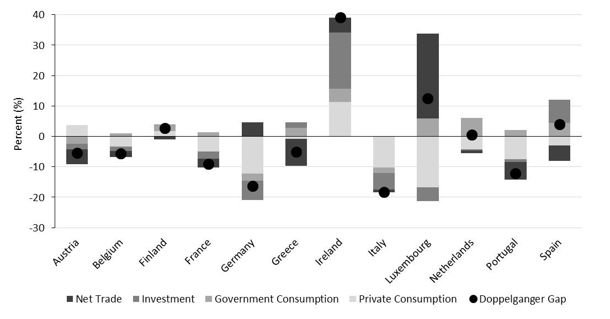
country | C | G | I | NX | Gap
Austria | 0.80 | 2.20 | -1.24 | -3.98 | -2.22 |  | Austria | Belgium | Finland | France | Germany | Greece | Ireland | Italy | Luxembourg | Netherlands | Portugal | Spain
Belgium | 0.35 | 6.87 | -1.36 | -8.24 | -2.39 | Private Consumption | 0.80 | 0.35 | 7.10 | -4.50 | -10.24 | 3.41 | 15.76 | -15.40 | -17.05 | -4.28 | -9.21 | -3.35
Finland | 7.10 | 0.50 | 1.52 | -4.60 | 4.52 | Government Consumption | 2.20 | 6.87 | 0.50 | 0.65 | 1.53 | 3.70 | 6.65 | -2.53 | 4.02 | 6.05 | -0.09 | 2.21
France | -4.50 | 0.65 | -2.58 | -3.20 | -9.62 | Investment | -1.24 | -1.36 | 1.52 | -2.58 | -6.30 | 3.78 | 17.35 | -4.80 | -3.06 | -0.27 | -1.75 | 12.46
Germany | -10.24 | 1.53 | -6.30 | 0.98 | -14.02 | Net Trade | -3.98 | -8.24 | -4.60 | -3.20 | 0.98 | -11.62 | 0.23 | 1.38 | 30.07 | -0.98 | -5.67 | -4.46
Greece | 3.41 | 3.70 | 3.78 | -11.62 | -0.74 | Doppelganger Gap | -2.22 | -2.39 | 4.52 | -9.62 | -14.02 | -0.74 | 40.00 | -21.35 | 13.97 | 0.52 | -16.72 | 6.85
Ireland | 15.76 | 6.65 | 17.35 | 0.23 | 40.00
Italy | -15.40 | -2.53 | -4.80 | 1.38 | -21.35
Luxembourg | -17.05 | 4.02 | -3.06 | 30.07 | 13.97
Netherlands | -4.28 | 6.05 | -0.27 | -0.98 | 0.52
Portugal | -9.21 | -0.09 | -1.75 | -5.67 | -16.72
Spain | -3.35 | 2.21 | 12.46 | -4.46 | 6.85

Decomposition_v2020
country | C | G | I | NX | Gap
Austria | 3.7698366642 | -2.47975564 | -1.7310246229 | -4.9577746391 | -5.3987145424 |  | Austria | Belgium | Finland | France | Germany | Greece | Ireland | Italy | Luxembourg | Netherlands | Portugal | Spain
Belgium | -3.3506286144 | 1.0793266296 | -1.3910530806 | -2.019908905 | -5.6822648048 | Private Consumption | 3.7698366642 | -3.3506286144 | 1.6942646503 | -5.0242023468 | -12.183152199 | -0.82735353708 | 11.36472702 | -10.313720703 | -16.839559555 | -4.2831721306 | -7.4560875893 | -2.9902896881
Finland | 1.6942646503 | 1.9345456362 | 0.06118349731 | -0.96841049194 | 2.721581459 | Government Consumption | -2.47975564 | 1.0793266296 | 1.9345456362 | 1.3128437996 | -2.3382678032 | 2.831610918 | 4.3121328354 | -1.7851645947 | 5.9228825569 | 6.050775528 | 2.0713891983 | 4.3476104736
France | -5.0242023468 | 1.3128437996 | -2.3964831829 | -2.8648366928 | -8.9726743698 | Investment | -1.7310246229 | -1.3910530806 | 0.06118349731 | -2.3964831829 | -6.4314146042 | 1.8656680584 | 18.505092621 | -5.331592083 | -4.3682808876 | -0.26782160997 | -0.92485535145 | 7.6507511139
Germany | -12.183152199 | -2.3382678032 | -6.4314146042 | 4.6985673904 | -16.254264832 | Net Trade | -4.9577746391 | -2.019908905 | -0.96841049194 | -2.8648366928 | 4.6985673904 | -8.9359321594 | 4.9041824341 | -0.9257440567 | 27.857078552 | -0.97683906555 | -5.8643550873 | -5.1129598618
Greece | -0.82735353708 | 2.831610918 | 1.8656680584 | -8.9359321594 | -5.0660047531 | Doppelganger Gap | -5.3987145424 | -5.6822648048 | 2.721581459 | -8.9726743698 | -16.254264832 | -5.0660047531 | 39.086139679 | -18.356222153 | 12.572128296 | 0.52293664217 | -12.173913002 | 3.8951091766
Ireland | 11.36472702 | 4.3121328354 | 18.505092621 | 4.9041824341 | 39.086139679
Italy | -10.313720703 | -1.7851645947 | -5.331592083 | -0.9257440567 | -18.356222153
Luxembourg | -16.839559555 | 5.9228825569 | -4.3682808876 | 27.857078552 | 12.572128296
Netherlands | -4.2831721306 | 6.050775528 | -0.26782160997 | -0.97683906555 | 0.52293664217
Portugal | -7.4560875893 | 2.0713891983 | -0.92485535145 | -5.8643550873 | -12.173913002
Spain | -2.9902896881 | 4.3476104736 | 7.6507511139 | -5.1129598618 | 3.8951091766

Folha2
 | Private Consumption | Government Consumption | Investment | Net Trade | Doppelganger Gap
Austria | 0.80 | 2.20 | -1.24 | -3.98 | -2.22
Belgium | 0.35 | 6.87 | -1.36 | -8.24 | -2.39
Finland | 7.10 | 0.50 | 1.52 | -4.60 | 4.52
France | -4.50 | 0.65 | -2.58 | -3.20 | -9.62
Germany | -10.24 | 1.53 | -6.30 | 0.98 | -14.02
Greece | 3.41 | 3.70 | 3.78 | -11.62 | -0.74
Ireland | 15.76 | 6.65 | 17.35 | 0.23 | 40.00
Italy | -15.40 | -2.53 | -4.80 | 1.38 | -21.35
Luxembourg | -17.05 | 4.02 | -3.06 | 30.07 | 13.97
Netherlands | -4.28 | 6.05 | -0.27 | -0.98 | 0.52
Portugal | -9.21 | -0.09 | -1.75 | -5.67 | -16.72
Spain | -3.35 | 2.21 | 12.46 | -4.46 | 6.85

