turbidity_ODL_#40
water volume used: | 400 | ml

soil tested | cumulative | measured
grams | grams | analog number | grams/liter
0.1 | 0.1 | 24971 | 0.25
0.1 | 0.2 | 23000 | 0.5
 | turbidity_ODL#40
24971 | 0.25
23000 | 0.5
21030 | 0.75
18900 | 1
17102 | 1.5
15738 | 2
14459 | 2.5
11935 | 3.5
10092 | 4.5
8060 | 5.5
6636 | 6.5
5493 | 7.5
4072 | 8.75
3426 | 10
2608 | 11.25
2105 | 12.5
1549 | 13.75
1334 | 15
895 | 17.5
0.1 | 0.3 | 21030 | 0.75
0.1 | 0.4 | 18900 | 1
0.2 | 0.6 | 17102 | 1.5
0.2 | 0.8 | 15738 | 2
0.2 | 1 | 14459 | 2.5
0.4 | 1.4 | 11935 | 3.5
0.4 | 1.8 | 10092 | 4.5
0.4 | 2.2 | 8060 | 5.5
0.4 | 2.6 | 6636 | 6.5
0.4 | 3 | 5493 | 7.5
0.5 | 3.5 | 4072 | 8.75
0.5 | 4 | 3426 | 10
0.5 | 4.5 | 2608 | 11.25
0.5 | 5 | 2105 | 12.5
0.5 | 5.5 | 1549 | 13.75
0.5 | 6 | 1334 | 15
1 | 7 | 895 | 17.5

turbidity_soilTest_#60
water volume used: | 400 | ml

soil tested | cumulative | measured | turbidity
grams | grams | analog# | grams/liter
0 | 0 | 27604 | 0
0.1 | 0.1 | 25595 | 0.25
0.1 | 0.2 | 23722 | 0.5
0.1 | 0.3 | 22491 | 0.75
0.1 | 0.4 | 20809 | 1
0.1 | 0.5 | 19433 | 1.25
Turbidimeter Calibration
0.2 | 0.7 | 17197 | 1.75
0.2 | 0.9 | 15390 | 2.25
0.2 | 1.1 | 13685 | 2.75
0.2 | 1.3 | 12109 | 3.25
0.2 | 1.5 | 10443 | 3.75
0.4 | 1.9 | 8695 | 4.75
0.4 | 2.3 | 7081 | 5.75
0.4 | 2.7 | 5724 | 6.75
0.4 | 3.1 | 4666 | 7.75
0.4 | 3.5 | 4081 | 8.75
0.5 | 4 | 3232 | 10
0.5 | 4.5 | 2591 | 11.25
0.5 | 5 | 2179 | 12.5
0.5 | 5.5 | 1908 | 13.75
0.5 | 6 | 1649 | 15
1 | 7 | 1309 | 17.5
1 | 8 | 1005 | 20
2 | 10 | 747 | 25
2 | 12 | 620 | 30
2 | 14 | 504 | 35
2 | 16 | 448 | 40

turbidity_soilTest_#60 (ODL)
water volume used: | 500 | ml | 29575.25 | peso total= | 25.7

soil tested | cumulative | measured | turbidity
grams | grams | analog# | grams/liter
0 | 0 | 29618 | 0
0.01 | 0.01 | 29586 | 0.025
0.01 | 0.02 | 29430 | 0.05
0.01 | 0.03 | 29364 | 0.075
0.01 | 0.04 | 29211 | 0.1
0.01 | 0.05 | 29103 | 0.125
Turbidimeter Calibration
0.01 | 0.06 | 28957 | 0.15
0.01 | 0.07 | 28890 | 0.175
0.025 | 0.095 | 28514 | 0.2375
0.025 | 0.12 | 28283 | 0.3
0.025 | 0.145 | 28125 | 0.3625
0.025 | 0.17 | 27914 | 0.425
0.025 | 0.195 | 27665 | 0.4875
0.025 | 0.22 | 27385 | 0.55
0.025 | 0.245 | 27177 | 0.6125
0.025 | 0.27 | 26768 | 0.675
0.075 | 0.345 | 26015 | 0.8625
0.05 | 0.395 | 25780 | 0.9875
0.045 | 0.44 | 25483 | 1.1
0.05 | 0.49 | 24898 | 1.225
0.05 | 0.54 | 24496 | 1.35
0.07 | 0.61 | 23782 | 1.525
0.05 | 0.66 | 23271 | 1.65
0.06 | 0.72 | 22913 | 1.8
0.04 | 0.76 | 22414 | 1.9
0.1 | 0.86 | 21633 | 2.15
0.1 | 0.96 | 20710 | 2.4
0.1 | 1.06 | 19953 | 2.65
0.1 | 1.16 | 19188 | 2.9
0.1 | 1.26 | 18409 | 3.15
0.1 | 1.36 | 17835 | 3.4
0.2 | 1.56 | 16783 | 3.9
0.26 | 1.82 | 15633 | 4.55
0.3 | 2.12 | 13957 | 5.3
0.31 | 2.43 | 12716 | 6.075
0.4 | 2.83 | 10903 | 7.075
0.5 | 3.33 | 9473 | 8.325
0.6 | 3.93 | 8024 | 9.825
0.7 | 4.63 | 6389 | 11.575
0.8 | 5.43 | 5230 | 13.575
0.9 | 6.33 | 4014 | 15.825
1 | 7.33 | 3170 | 18.325
1.5 | 8.83 | 2283 | 22.075
2 | 10.83 | 1671 | 27.075
3 | 13.83 | 1154 | 34.575
5 | 18.83 | 778 | 47.075
 | 6.87

datasheet
 |  |  | www.amphenol-sensors.com | https://pt.mouser.com/datasheet/2/18/AAS-920-479B-Thermometrics-TSW-10-052214-web-1315877.pdf
 |  |  | TSW-10
 |  |  | Turbidity Sensor

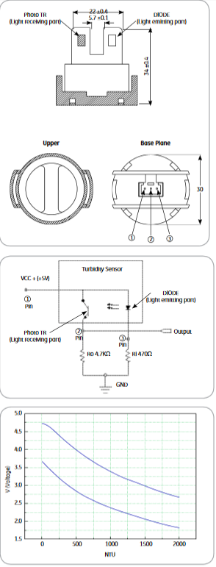

NTU | V | V |  |  | 1E-11x3 + 2E-07x2 - 0.0016x + 4.7176
0.001 | 4.7 | 3.65 |  |  | -1E-10x3 + 8E-07x2 - 0.0019x + 3.6454
250 | 4.38 | 3.2
500 | 4 | 2.85 |  |  | 1.00E-11 | -1.00E-10 | x3
750 | 3.68 | 2.6 |  |  | 2.00E-07 | 8.00E-07 | x2
1000 | 3.4 | 2.35 |  |  | -0.0016 | -0.0019 | x
1250 | 3.2 | 2.18 |  |  | 4.7176 | 3.6454
1500 | 3 | 2.05
1750 | 2.82 | 1.92
2000 | 2.7 | 1.81

 | 2 | 1.84
 | 1.82 | 1.82

