Directions
Home | Download PDF Version

2024-08-01
Williams Field HS to Mesa Community College
14 Miles

Start | End
#N/A | #N/A
#N/A | #N/A
#N/A | #N/A
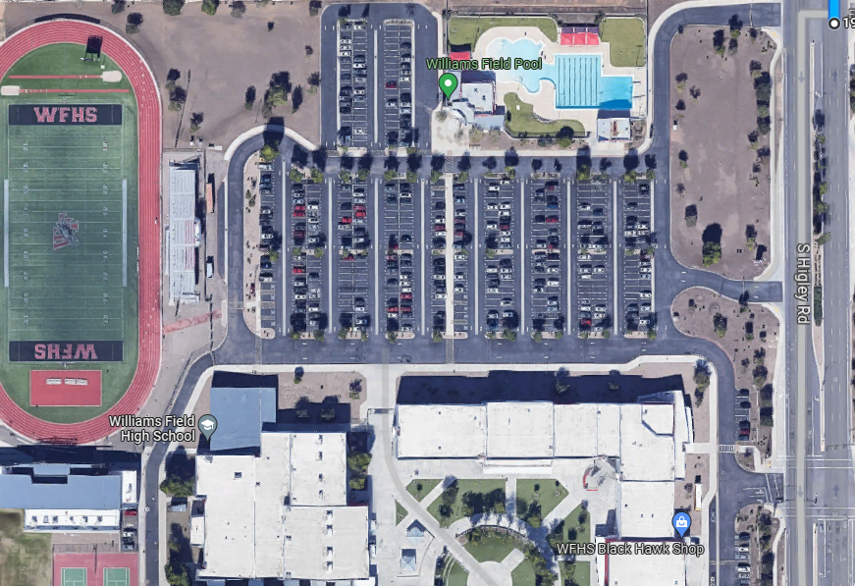 | 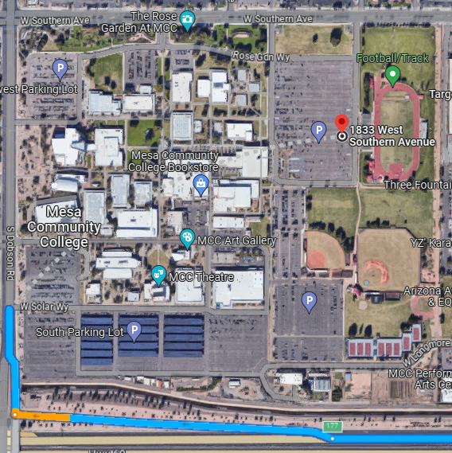

Overall Route
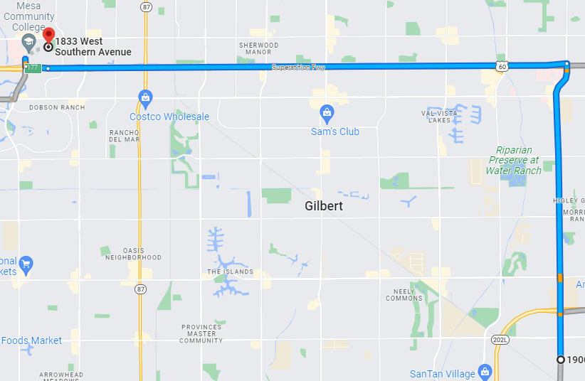

Directions

Head north on S Higley Rd toward E Harrison St for 5.0 mi

Use the left 2 lanes to turn left to merge onto US-60 W toward Phoenix for 8.6 mi

Take exit 177 for Dobson Rd

Turn right onto S Dobson Rd

Follow signs and lot attendants as directed.

