Directions
Home | Download PDF Version

2023-07-01
Dana Hills HS to Longhorn Stadium at Rancho Buena Vista H.S.
39 Miles

Start | End
Dana Hills HS | Longhorn Stadium at Rancho Buena Vista H.S.
33333 Golden Lantern | 1601 Longhorn Drive
Dana Point, CA 92629 | Vista, CA 92081
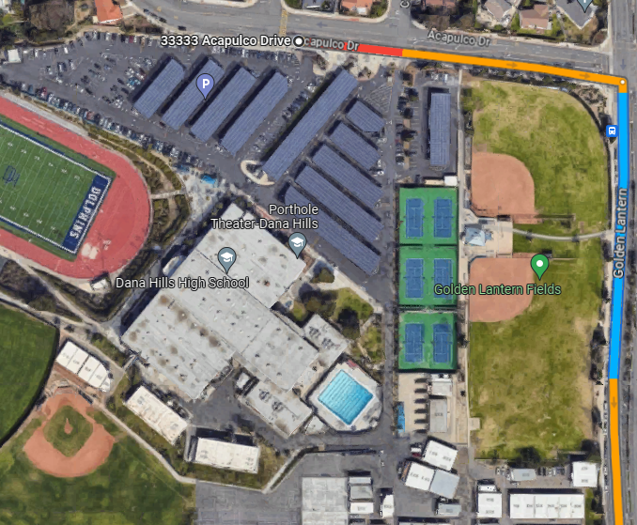 | 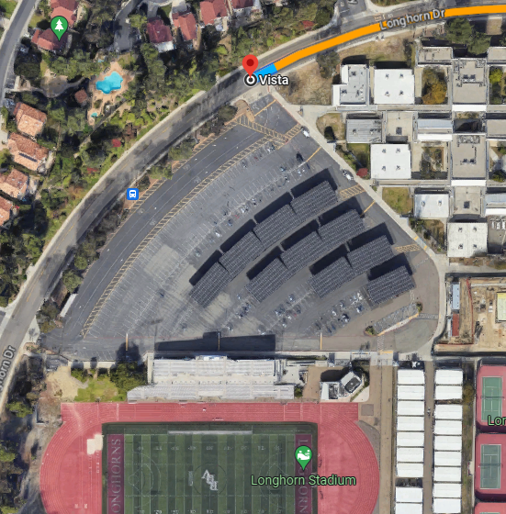

Overall Route
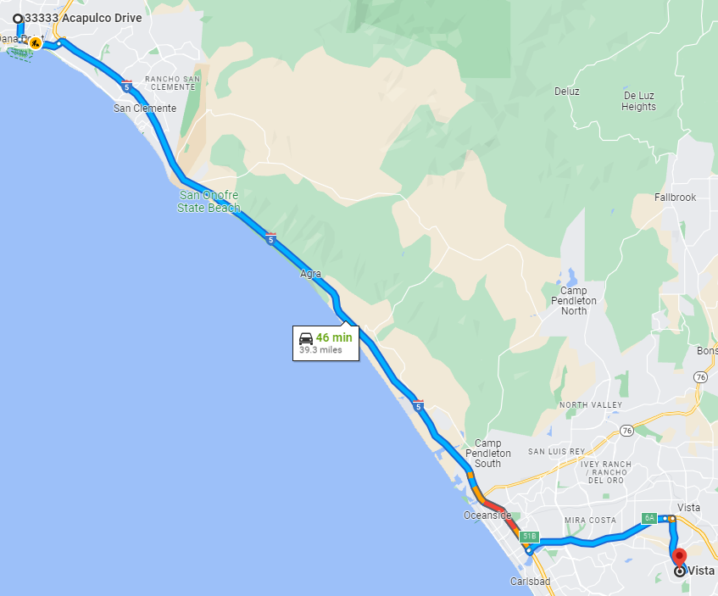

Directions

Follow Golden Lantern to CA-1 S

· Head east on Acapulco Dr for 0.1 mi
· Turn right onto Golden Lantern for 0.8 mi
· Turn left onto CA-1 N
· Continue straight to stay on CA-1 N

Follow I-5 S and CA-78 E to Ronald Packard Pkwy and S Melrose Dr in Vista.

· Continue on CA-1 S for 0.8 mi
· Use the right 2 lanes to merge onto I-5 S for 28.1 mi
· Use the right 2 lanes to take exit 51B for CA-78/Vista Way toward Escondido
· Keep right at the fork and merge onto CA-78 E/Ronald Packard Pkwy for 5.7 mi
· Take exit 6A for Melrose Dr

Follow S Melrose Dr to Longhorn Dr

· Turn right onto S Melrose Dr for 2.2 mi
· Turn right onto Longhorn Dr
· Show site ahead on the left 0.2 mi
· Follow signs and lot attendants as directed.

