Responsive Testing
Responsive testing
Project Name: | Responsive testing of Whatsapp web
Created by: | Richa Prajapati
Reviewed by: | Ekta kathad
Created Date: | 2022-01-18
Reviewed Date:

Functionality ID | Functionality Name | Device Name | Step Details | Test Data | Expected Result | Actual Result | Problem | Screenshot
S_01 | Verify camera functionality | Mobile | 1.Open whatsapp web URL in mobile device 2.Click on camera | URL path - "https://web.whtasapp.com" | 1.User should be able to navigate URL in mobile device successfully 2.User should be able to click picture/record video | Not as expected | While entering the Valid URL ,it automatically takes whatsapp URL (www.whatsapp.com ) & navigates user to whatsapp page | 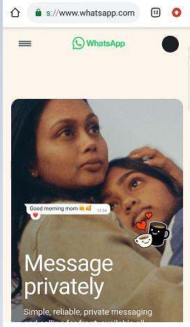
 |  | Laptop | 1.Open whatsapp web URL in Laptop 2.Click on camera | URL path - "https://web.whtasapp.com" | 1.User should be able to navigate URL in laptop successfully 2.User should be able to click picture/record video | As expected
 |  | Tablet | 1.Open whatsapp web URL in Tablet 2.Click on camera | URL path - "https://web.whtasapp.com" | 1.User should be able to navigate URL in tablet successfully 2.User should be able to click picture/record video | As expected
 |  | Desktop | 1.Open whatsapp web URL in Desktop 2.Click on camera | URL path - "https://web.whtasapp.com" | 1.User should be able to navigate URL Desktop successfully 2.User should be able to click picture/record video | As expected
S_02 | Verify Status functionality | Mobile | 1.Open whatsapp web URL in mobile device 2.Click on Status | URL path - "https://web.whtasapp.com" | 1.User should be able to navigate URL in mobile device successfully 2.User should be able to view uploaded status of their contacts 3.User should be able to upload status | Not as expected | 1.While entering the Valid URL ,it automatically takes whatsapp URL (www.whatsapp.com ) & navigates user to whatsapp page
 |  | Laptop | 1.Open whatsapp web URL in Laptop 2.Click on Status | URL path - "https://web.whtasapp.com" | 1.User should be able to navigate URL in laptop successfully 2.User should be able to view uploaded status of their contacts 3.User should be able to upload status | As expected | User is not able to upload status | 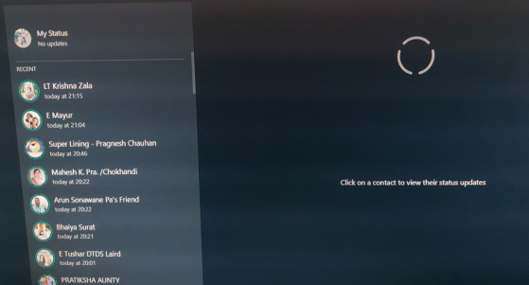
 |  | Tablet | 1.Open whatsapp web URL in Tablet 2.Click on Status | URL path - "https://web.whtasapp.com" | 1.User should be able to navigate URL in tablet successfully 2.User should be able to view uploaded status of their contacts 3.User should be able to upload status | As expected | User is not able to upload status
 |  | Desktop | 1.Open whatsapp web URL in Desktop 2.Click on Status | URL path - "https://web.whtasapp.com" | 1.User should be able to navigate URL Desktop successfully 2.User should be able to view uploaded status of their contacts 3.User should be able to upload status | As expected | User is not able to upload status

