Funda
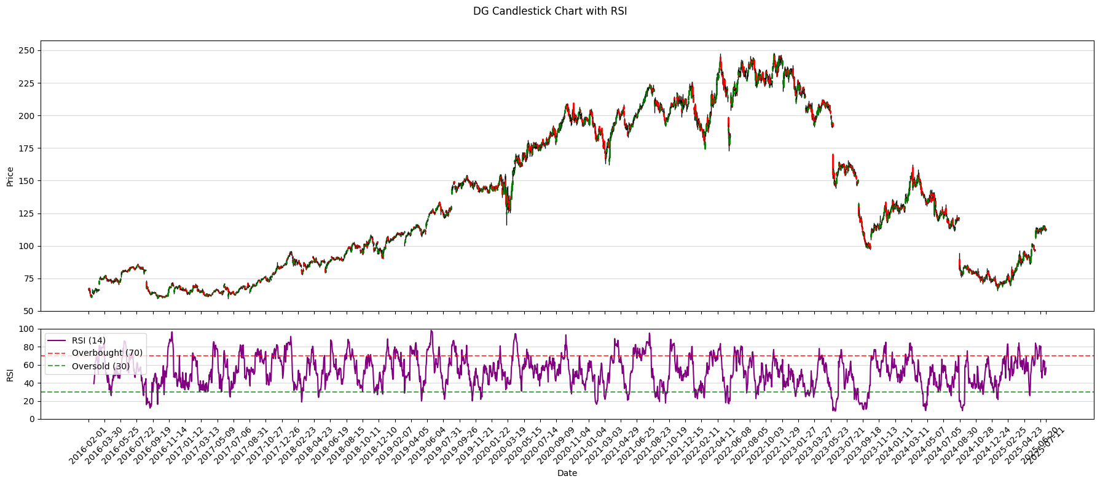
Ticker | DG |  | Dollar General Corporation is an American chain of variety stores headquartered in Goodlettsville, Tennessee.
 |  | Annual |  |  |  |  |  |  |  |  |  |  | Chart |  | DG Candlestick Chart with RSI
 |  | Date | 31/01/2016 | 31/01/2017 | 31/01/2018 | 31/01/2019 | 31/01/2020 | 31/01/2021 | 31/01/2022 | 31/01/2023 | 31/01/2024 | 31/01/2025 | Start | 17/07/2015
Pirce | 112.85 | Shares | 295.2M | 282.3M | 273.4M | 266.1M | 258.1M | 250.1M | 235.8M | 226.3M | 219.9M | 220.0M | End | 2025-07-14
MC | $24,834,967,210
EV | $24,834,967,210 | Revenue | 20.4B | 22.0B | 23.5B | 25.6B | 27.8B | 33.7B | 34.2B | 37.8B | 38.7B | 40.6B
52 Low | 66 | COGS | 14.1B | 15.2B | 16.2B | 17.8B | 19.3B | 23.0B | 23.4B | 26.0B | 27.0B | 28.6B
52 High | 132 | Opertating Icome | 1.9B | 2.1B | 2.0B | 2.1B | 2.3B | 3.6B | 3.2B | 3.3B | 2.4B | 1.7B
 |  | SG&A | 4.3B | 4.6B | 5.1B | 5.6B | 6.1B | 7.1B | 7.5B | 8.4B | 9.1B | 10.3B
 |  | R&D | 0.0M | 0.0M | 0.0M | 0.0M | 0.0M | 0.0M | 0.0M | 0.0M | 0.0M | 0.0M
Beta | 0.32 | EBITDA | 2.3B | 2.4B | 2.4B | 2.6B | 2.8B | 4.1B | 3.9B | 4.1B | 3.3B | 2.7B
P/e | 21.52 | D&A | 352.4M | 379.9M | 404.2M | 454.1M | 504.8M | 574.2M | 641.3M | 724.9M | 848.8M | 971.7M
PVGO |  | Interest exp | 86.9M | 97.8M | 97.0M | 99.9M | 100.6M | 150.4M | 157.5M | 211.3M | 326.8M | 274.3M
EV / ebita | $9.25 | Taxes | 687.9M | 714.5M | 368.3M | 425.9M | 489.2M | 749.3M | 663.9M | 700.6M | 458.2M | 314.5M
 |  | EBITA | 1.9B | 2.1B | 2.0B | 2.1B | 2.3B | 3.6B | 3.2B | 3.3B | 2.4B | 1.7B
 |  | Effective tax rate | 3.4% | 3.2% | 1.6% | 1.7% | 1.8% | 2.2% | 1.9% | 1.9% | 1.2% | 0.8%
est WACC | 6.91% | NOPAT | 1.9B | 2.0B | 2.0B | 2.1B | 2.3B | 3.5B | 3.2B | 3.3B | 2.4B | 1.7B
 |  | Net Income | 1.2B | 1.3B | 1.5B | 1.6B | 1.7B | 2.7B | 2.4B | 2.4B | 1.7B | 1.1B

Rev/p | 1.636 | Dividends |  | 281.1M | 282.9M | 306.5M | 327.6M | 355.9M | 392.2M | 493.7M | 518.0M | 519.0M
CFO/P | 0.121 | T. Equity | 5.4B | 5.4B | 6.1B | 6.4B | 6.7B | 6.7B | 6.3B | 5.5B | 6.7B | 7.4B

Chart |  | Cash and mt sec | 157.9M | 187.9M | 267.4M | 235.5M | 240.3M | 1.4B | 344.8M | 381.6M | 537.3M | 932.6M
EPS date & Estimates |  | Current assets | 3.4B | 3.7B | 4.2B | 4.7B | 5.2B | 6.9B | 6.3B | 7.6B | 8.0B | 8.2B
Ownership |  | Goodwil | 4.3B | 4.3B | 4.3B | 4.3B | 4.3B | 4.3B | 4.3B | 4.3B | 4.3B | 4.3B
Insiders |  | Intangible Assets | 1.2B | 1.2B | 1.2B | 1.2B | 1.2B | 1.2B | 1.2B | 1.2B | 1.2B | 1.2B
 |  | PPE | 2.3B | 2.4B | 2.7B | 3.0B | 3.3B | 13.4B | 4.3B | 15.9B | 0.0M | 0.0M
 |  | T. Assets | 11.3B | 11.7B | 12.5B | 13.2B | 22.8B | 25.9B | 26.3B | 29.1B | 30.8B | 31.1B
 |  | Current Liabilities | 2.0B | 2.6B | 3.0B | 3.0B | 4.5B | 5.7B | 6.0B | 5.9B | 6.7B | 6.9B
 |  | LT Debt | 3.0B | 2.7B | 2.6B | 2.9B | 2.9B | 4.1B | 4.2B | 7.0B | 6.2B | 5.7B
PVGO |  | LT Liabilities | 5.9B | 6.3B | 6.4B | 6.8B | 16.1B | 19.2B | 20.1B | 23.5B | 24.0B | 23.7B
 |  | Investment Capital | 8.2B | 7.9B | 8.5B | 9.0B | 9.4B | 9.4B | 10.1B | 12.2B | 12.4B | 12.2B
 |  | CFO |  | 1.6B | 1.8B | 2.1B | 2.2B | 3.9B | 2.9B | 2.0B | 2.4B | 3.0B
 |  | Capex |  | 560.3M | 646.5M | 734.4M | 784.8M | 1.0B | 1.1B | 1.6B | 1.7B | 1.3B
 |  | Investments | 0.0M | 0.0M | 0.0M | 0.0M | 0.0M | 0.0M | 0.0M | 0.0M | 0.0M | 0.0M
 |  | CFI |  | -550.9M | -645.0M | -731.6M | -782.5M | -1024.9M | -1065.6M | -1555.3M | 0.0M | 0.0M
 |  | CFF |  | -1024.1M | -1077.6M | -1443.9M | -1450.7M | -1715.0M | -2832.0M | -392.5M | -542.1M | -1294.4M

 |  | gross margin | 31% | 31% | 31% | 30% | 31% | 32% | 32% | 31% | 30% | 30%
 |  | EBITDA margin | 11% | 11% | 10% | 10% | 10% | 12% | 11% | 11% | 9% | 7%
 |  | NI margin | 6% | 6% | 7% | 6% | 6% | 8% | 7% | 6% | 4% | 3%
 |  | CFO margin | #VALUE! | 7% | 8% | 8% | 8% | 11% | 8% | 5% | 6% | 7%
 |  | SGA mar | 21% | 21% | 22% | 22% | 22% | 21% | 22% | 22% | 24% | 25%

 |  | Current ratio | 1.72 | 1.40 | 1.43 | 1.55 | 1.14 | 1.21 | 1.05 | 1.29 | 1.19 | 1.19
 |  | Int coverage | 22.38 | 21.09 | 20.66 | 21.18 | 22.89 | 23.64 | 20.45 | 15.75 | 7.49 | 6.25
 |  | TA / TD | 3.80 | 4.31 | 4.81 | 4.61 | 7.84 | 6.26 | 6.31 | 4.15 | 4.94 | 5.44
 |  | Leverage | 2.09 | 2.16 | 2.04 | 2.06 | 3.41 | 3.88 | 4.20 | 5.25 | 4.56 | 4.20
 |  | payout ratio | #VALUE! | 0.22 | 0.18 | 0.19 | 0.19 | 0.13 | 0.16 | 0.20 | 0.31 | 0.46
PVGO
P/E
 |  | Rev /share | 69.00 | 77.89 | 85.86 | 96.30 | 107.55 | 134.95 | 145.12 | 167.24 | 175.92 | 184.58
 |  | Div /share | #VALUE! | 1.00 | 1.04 | 1.15 | 1.27 | 1.42 | 1.66 | 2.18 | 2.36 | 2.36
 |  | Bv/share | 18.22 | 19.15 | 22.41 | 24.12 | 25.97 | 26.64 | 26.55 | 24.49 | 30.69 | 33.69
 |  | Tang BV / share | 14.15 | 14.90 | 18.02 | 19.61 | 21.32 | 21.84 | 21.47 | 19.19 | 25.23 | 28.24
 |  | Common EPS | 3.95 | 4.43 | 5.63 | 5.97 | 6.64 | 10.62 | 10.17 | 10.68 | 7.55 | 5.11

 |  | ROE | 0.45 | 0.50 | 0.51 | 0.51 | 0.87 | 1.55 | 1.61 | 2.29 | 1.12 | 0.64
 |  | ROA | 0.07 | 0.07 | 0.08 | 0.08 | 0.06 | 0.07 | 0.06 | 0.06 | 0.04 | 0.02
 |  | ROIC | 22.97% | 25.18% | 23.31% | 23.00% | 24.13% | 36.92% | 31.30% | 26.84% | 19.43% | 13.94%

Portfolio
 |  | Portfolio

Cash
IBKR Cash | $15,000
 |  |  | Portfolio Value: |  |  | $611,324
Stock Breakdown |  |  | Portfolio Growth: |  |  | 37.56%
Stocks Market Value | $596,324 |  | Portfolio Gain: |  |  | 166924.10
Investment Growth
 |  | Purchase 180 200 500 600 100 120 300 200 150 10 #REF! #REF! #REF! #REF! #REF! #REF! #REF! #REF! #REF! #REF! #REF! #REF! #REF! #REF! #REF! #REF! #REF! #REF! #REF! #REF! #REF! #REF! #REF! #REF! #REF! #REF! #REF! #REF! #REF! #REF! #REF! #REF! #REF! #REF! #RE | Price 201.7699 180.25 604.85 475.027 155.645 144.455 308.45 268.085 106.66 8.815 | Cost 18000 20000 25000 60000 10000 12000 30000 22000 7500 10000 0 0 0 0 0 0 0 0 0 0 0 0 0 0 0 0 0 0 0 0 0 0 0 0 0 0 0 0 0 0 0 0 0 0 0 0 0 0 0 0 0 0 0 0 0 0 0 0 0 0 0 0 0 0 0 0 0 0 0 0 0 0 0 0 0 0 0 0 0 0 0 0 0 0 0 0 0 0 0 0 0 0 0 0 0 0 0 0 | Market Value 20176.99 18025 30242.5 47502.7 15564.5 14445.5 30845 29489.35 5333 8815 | Gain 2176.99 -1975 5242.5 -12497.3 5564.5 2445.5 845 7489.35 -2167 -1185 | Growth 0.120943889 -0.09875 0.2097 -0.208288333 0.55645 0.203791667 0.028166667 0.340425 -0.288933333 -0.1185 | Beta 1.209 1.0147 0.9982 1.0256 0.4096 2.1201 0.4531 1.0826 0.4653 0.5848
AAPL | 15.74%
GOOG | -9.11%
SPY | 24.55%
MSFT | -16.25%
JNJ | 56.08%
NVDA | 36.62%
UNH | -0.08%
JPM | 43.48%
XOM | -24.09%
SNAP | -6.85%
META | 44.36%
DG | 13.99%
Growth | 38.87% |  |  |  |  |  |  |  | Notes
Gain | £166,924.10
Beta | 0.76

Watchlist

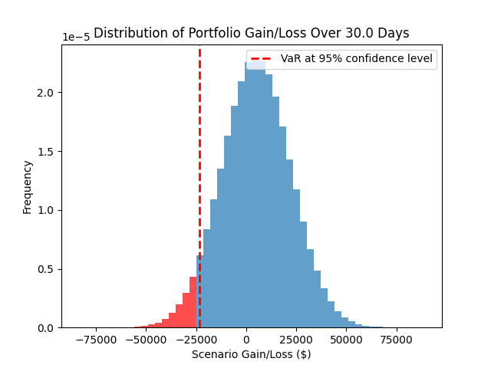
VAR |  |  | Targets
There is a 95% confidence that the portfolio will not lose more than $23,525.79 over 30.0 days. |  |  | Ticker | Price | Target |  | Stop loss | Distance from Target
 |  |  | AAPL | 208.33 | 250 |  |  | 16.7%
 |  |  | GOOG | 181.77 | 200 |  |  | 9.1%
 |  |  | SPY | 622.76 | 700 |  |  | 11.0%
 |  |  | MSFT | 502.47
 |  |  | JNJ | 156.08
 |  |  | NVDA | 163.95
 |  |  | UNH | 299.77
 |  |  | JPM | 286.96
 |  |  | XOM | 113.86
 |  |  | SNAP | 9.315
 |  |  | META | 721.81
 |  |  | DG | 112.85
 |  |  | GME | 3.2

The Expected Shortfall at 95.0% confidence level is $30,782.70.

 |  |  | 0
 |  |  | 0
 |  |  | 0
 |  |  | 0
 |  |  | 0
 |  |  | 0
 |  |  | 0
 |  |  | 0
 |  |  | 0
 |  |  | 0
 |  |  | 0
 |  |  | 0

Stocks
Cost vs Market Value
Capital Allocation
 | Market Value
AAPL | 20833.00
GOOG | 18177.00
SPY | 31138.00
MSFT | 50247.00
JNJ | 15608.00
NVDA | 16395.00
UNH | 29977.00
JPM | 31565.60
XOM | 5693.00
SNAP | 9315.00
META | 36090.50
DG | 11285.00
GME | 320000.00
 | 0.00
 | 0.00
 | 0.00
 | 0.00
 | 0.00
 | 0.00
 | 0.00
 | 0.00
 | 0.00
 | 0.00
 | 0.00
 | 0.00
 | 0.00
 | 0.00
 | 0.00
 | 0.00
 | 0.00
 | 0.00
 | 0.00
 | 0.00
 | 0.00
 | 0.00
 | 0.00
 | 0.00
 | 0.00
 | 0.00
 | 0.00
 | 0.00
 | 0.00
 | 0.00
 | 0.00
 | 0.00
 | 0.00
 | 0.00
 | 0.00
 | 0.00
 | 0.00
...
 |  |  |  |  |  | Stock Tracker

Stock | Symbol | Shares | Purchase | Price | Cost | Market Value | Gain | Growth | Beta | Weight
 | AAPL | 100.00 | 180.00 | 208.33 | 18000.00 | 20833.00 | 2833.00 | 15.74% | 1.17 | 3% | Must adjust Cost vs Market Value
 | GOOG | 100.00 | 200.00 | 181.77 | 20000.00 | 18177.00 | -1823.00 | -9.11% | 1.01 | 3%
 | SPY | 50.00 | 500.00 | 622.76 | 25000.00 | 31138.00 | 6138.00 | 24.55% | 1.00 | 5%
 | MSFT | 100.00 | 600.00 | 502.47 | 60000.00 | 50247.00 | -9753.00 | -16.25% | 1.05 | 8%
 | JNJ | 100.00 | 100.00 | 156.08 | 10000.00 | 15608.00 | 5608.00 | 56.08% | 0.39 | 3%
 | NVDA | 100.00 | 120.00 | 163.95 | 12000.00 | 16395.00 | 4395.00 | 36.62% | 2.14 | 3%
 | UNH | 100.00 | 300.00 | 299.77 | 30000.00 | 29977.00 | -23.00 | -0.08% | 0.46 | 5%
 | JPM | 110.00 | 200.00 | 286.96 | 22000.00 | 31565.60 | 9565.60 | 43.48% | 1.11 | 5%
 | XOM | 50.00 | 150.00 | 113.86 | 7500.00 | 5693.00 | -1807.00 | -24.09% | 0.50 | 1%
 | SNAP | 1000.00 | 10.00 | 9.32 | 10000.00 | 9315.00 | -685.00 | -6.85% | 0.61 | 2%
 | META | 50.00 | 500.00 | 721.81 | 25000.00 | 36090.50 | 11090.50 | 44.36% | 1.27 | 6%
 | DG | 100.00 | 99.00 | 112.85 | 9900.00 | 11285.00 | 1385.00 | 13.99% | 0.32 | 2%
 | GME | 100000.00 | 1.80 | 3.20 | 180000.00 | 320000.00 | 140000.00 | 77.78% | 0.56 | 54%

Port_Optimization
Inputs
Start date | 2022-12-31
End date | 2025-07-14
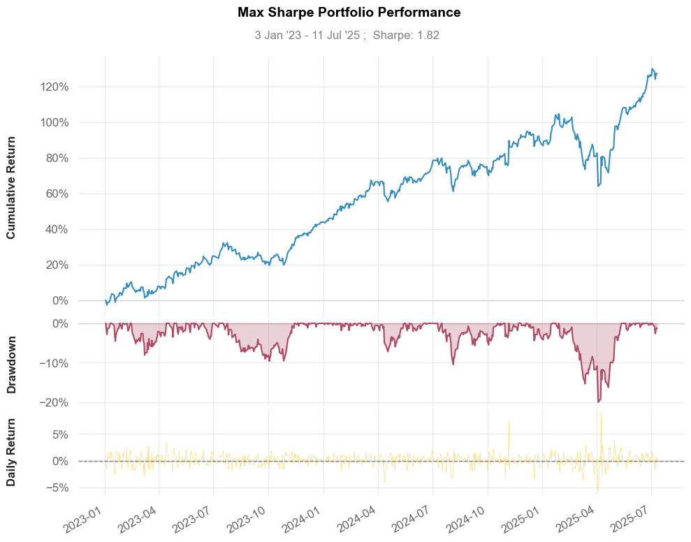
Max Vol | 0.5
min ror | 0.15

Tickers | AAPL | GME | MSFT | TSLA | JPM | SNAP
Weights | 10% | 20% | 20% | 20% | 10% | 20%

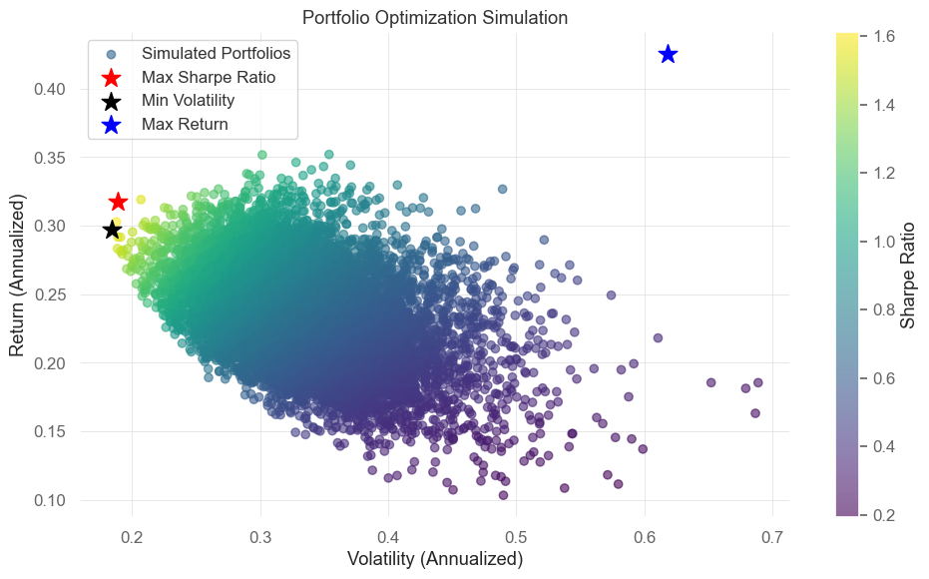

 | Stock Weights

Portfolio | AAPL | GME | MSFT | TSLA | JPM | SNAP | RoR | Volatility | Sharpe Ratio | Performance Metrics (Max Sharpe Portfolio vs SPY)
Optimal (Max Sharpe Ratio) | 0 | 0 | 0.5407 | 0.4593 | 0 | 0 | 0.3173 | 0.189 | 1.6789 |  | Benchmark (SPY) | Strategy
Optimal (Max RoR) | 0 | 0 | 0 | 0 | 0 | 1 | 0.4252 | 0.6186 | 0.6874 | Start Period | 2023-01-04 | 2023-01-04
Optimal (Min Volatility) | 0.1808 | 0.008 | 0.4401 | 0.3711 | 0 | 0 | 0.2972 | 0.1842 | 1.6134 | End Period | 2025-07-11 | 2025-07-11
Optimal (Max RoR, Vol ≤ 0.50) | 0 | 0 | 0.2269 | 0 | 0 | 0.7731 | 0.4032 | 0.5 | 0.8064 | Risk-Free Rate | 0 | 0
Optimal (Min Vol, RoR ≥ 0.15) | 0.1808 | 0.008 | 0.4401 | 0.3711 | 0 | 0 | 0.2972 | 0.1842 | 1.6134 | Time in Market | 1 | 1
 |  |  |  |  |  |  |  |  |  | Cumulative Return | 68% | 131%
 |  |  |  |  |  |  |  |  |  | CAGR﹪ | 15% | 26%
 |  |  |  |  |  |  |  |  |  | Sharpe | 1.37 | 1.86
 |  |  |  |  |  |  |  |  |  | Prob. Sharpe Ratio | 99% | 100%
 |  |  |  |  |  |  |  |  |  | Smart Sharpe | 1.37 | 1.85
 |  |  |  |  |  |  |  |  |  | Sortino | 2.08 | 2.88
 |  |  |  |  |  |  |  |  |  | Smart Sortino | 2.07 | 2.87
 |  |  |  |  |  |  |  |  |  | Sortino/√2 | 147% | 204%
 |  |  |  |  |  |  |  |  |  | Smart Sortino/√2 | 1.46 | 2.03
 |  |  |  |  |  |  |  |  |  | Omega | 1.4 | 1.4
 |  |  |  |  |  |  |  |  |  | Max Drawdown | -0.19 | -0.2
 |  |  |  |  |  |  |  |  |  | Longest DD Days | 126 | 111
 |  |  |  |  |  |  |  |  |  | Volatility (ann.) | 0.16 | 0.19
 |  |  |  |  |  |  |  |  |  | R^2 | 0.66 | 0.66
 |  |  |  |  |  |  |  |  |  | Information Ratio | 0.08 | 0.08
 |  |  |  |  |  |  |  |  |  | Calmar | 0.82 | 1.29
 |  |  |  |  |  |  |  |  |  | Skew | 0.98 | 0.46
 |  |  |  |  |  |  |  |  |  | Kurtosis | 20.48 | 7.95
 |  |  |  |  |  |  |  |  |  | Expected Daily | 0% | 0%
 |  |  |  |  |  |  |  |  |  | Expected Monthly | 2% | 3%
 |  |  |  |  |  |  |  |  |  | Expected Yearly | 19% | 32%
 |  |  |  |  |  |  |  |  |  | Kelly Criterion | 12% | 14%
 |  |  |  |  |  |  |  |  |  | Risk of Ruin | 0% | 0%
 |  |  |  |  |  |  |  |  |  | Daily Value-at-Risk | -2% | -2%
 |  |  |  |  |  |  |  |  |  | Expected Shortfall (cVaR) | -2% | -2%
 |  |  |  |  |  |  |  |  |  | Max Consecutive Wins | 1000% | 900%
 |  |  |  |  |  |  |  |  |  | Max Consecutive Losses | 600% | 600%
 |  |  |  |  |  |  |  |  |  | Gain/Pain Ratio | 0.29 | 0.4
 |  |  |  |  |  |  |  |  |  | Gain/Pain (1M) | 2.21 | 3.49
 |  |  |  |  |  |  |  |  |  | Payoff Ratio | 0.93 | 1.02
 |  |  |  |  |  |  |  |  |  | Profit Factor | 1.29 | 1.4
 |  |  |  |  |  |  |  |  |  | Common Sense Ratio | 1.3 | 1.42
 |  |  |  |  |  |  |  |  |  | CPC Index | 0.69 | 0.8
 |  |  |  |  |  |  |  |  |  | Tail Ratio | 1.01 | 1.02
 |  |  |  |  |  |  |  |  |  | Outlier Win Ratio | 3.67 | 2.83
 |  |  |  |  |  |  |  |  |  | Outlier Loss Ratio | 3.94 | 3.42
 |  |  |  |  |  |  |  |  |  | MTD | 1% | 0%
 |  |  |  |  |  |  |  |  |  | 3M | 19% | 29%
 |  |  |  |  |  |  |  |  |  | 6M | 8% | 21%
 |  |  |  |  |  |  |  |  |  | YTD | 7% | 21%
 |  |  |  |  |  |  |  |  |  | 1Y | 12% | 26%
 |  |  |  |  |  |  |  |  |  | 3Y (ann.) | 15% | 26%
 |  |  |  |  |  |  |  |  |  | 5Y (ann.) | 15% | 26%
 |  |  |  |  |  |  |  |  |  | 10Y (ann.) | 15% | 26%
 |  |  |  |  |  |  |  |  |  | All-time (ann.) | 15% | 26%
 |  |  |  |  |  |  |  |  |  | Best Day | 11% | 9%
 |  |  |  |  |  |  |  |  |  | Worst Day | -6% | -6%
 |  |  |  |  |  |  |  |  |  | Best Month | 9% | 12%
 |  |  |  |  |  |  |  |  |  | Worst Month | -6% | -6%
 |  |  |  |  |  |  |  |  |  | Best Year | 26% | 46%
 |  |  |  |  |  |  |  |  |  | Worst Year | 7% | 21%
 |  |  |  |  |  |  |  |  |  | Avg. Drawdown | -0.02 | -0.02
 |  |  |  |  |  |  |  |  |  | Avg. Drawdown Days | 13 | 11
 |  |  |  |  |  |  |  |  |  | Recovery Factor | 2.94 | 4.42
 |  |  |  |  |  |  |  |  |  | Ulcer Index | 0.04 | 0.05
 |  |  |  |  |  |  |  |  |  | Serenity Index | 2.02 | 2.72
 |  |  |  |  |  |  |  |  |  | Avg. Up Month | 0.04 | 0.05
 |  |  |  |  |  |  |  |  |  | Avg. Down Month | -0.03 | -0.04
 |  |  |  |  |  |  |  |  |  | Win Days | 0.58 | 0.57
 |  |  |  |  |  |  |  |  |  | Win Month | 0.68 | 0.77
 |  |  |  |  |  |  |  |  |  | Win Quarter | 0.82 | 0.82
 |  |  |  |  |  |  |  |  |  | Win Year | 1 | 1
 |  |  |  |  |  |  |  |  |  | Beta | - | 0.96
 |  |  |  |  |  |  |  |  |  | Alpha | - | 0.14
 |  |  |  |  |  |  |  |  |  | Correlation | - | 0.81%
 |  |  |  |  |  |  |  |  |  | Treynor Ratio | - | 1.36%

Five_Factors
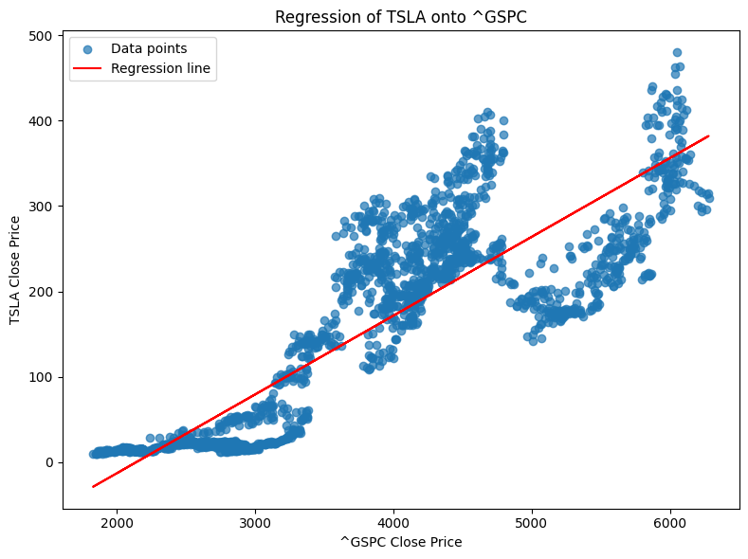
Ticker | TSLA
Index | ^GSPC |  |  |  |  |  |  |  |  | Regression of TSLA onto ^GSPC
Start date | 2016-01-01
End date | 2025-07-14
 |  | OLS | Regression | Results

 |  | Dep. | Variable: | excess_rtn | R-squared: | 0.334
 |  | Model: | OLS | Adj. | R-squared: | 0.303
 |  | Method: | Least | Squares | F-statistic: | 10.64
 |  | Date: | Mon, | 14 | Jul | 2025 | Prob | (F-statistic): | 2.65E-08
 |  | Time: | 13:43:50 | Log-Likelihood: | 52.765
 |  | No. | Observations: | 112 | AIC: | -93.53
 |  | Df | Residuals: | 106 | BIC: | -77.22
 |  | Df | Model: | 5
 |  | Covariance | Type: | nonrobust

 |  | coef | std | err | t | P>|t| | [0.025 | 0.975]

 |  | Intercept | 0.0247 | 0.015 | 1.605 | 0.111 | -0.006 | 0.055
 |  | mkt | 1.8802 | 0.357 | 5.271 | 0 | 1.173 | 2.587
 |  | smb | 0.6227 | 0.628 | 0.991 | 0.324 | -0.623 | 1.869
 |  | hml | -1.1963 | 0.54 | -2.215 | 0.029 | -2.267 | -0.126
 |  | rmw | -0.3897 | 0.777 | -0.502 | 0.617 | -1.929 | 1.15
 |  | cma | -0.3396 | 0.812 | -0.418 | 0.677 | -1.95 | 1.271

MC_Stock_returns
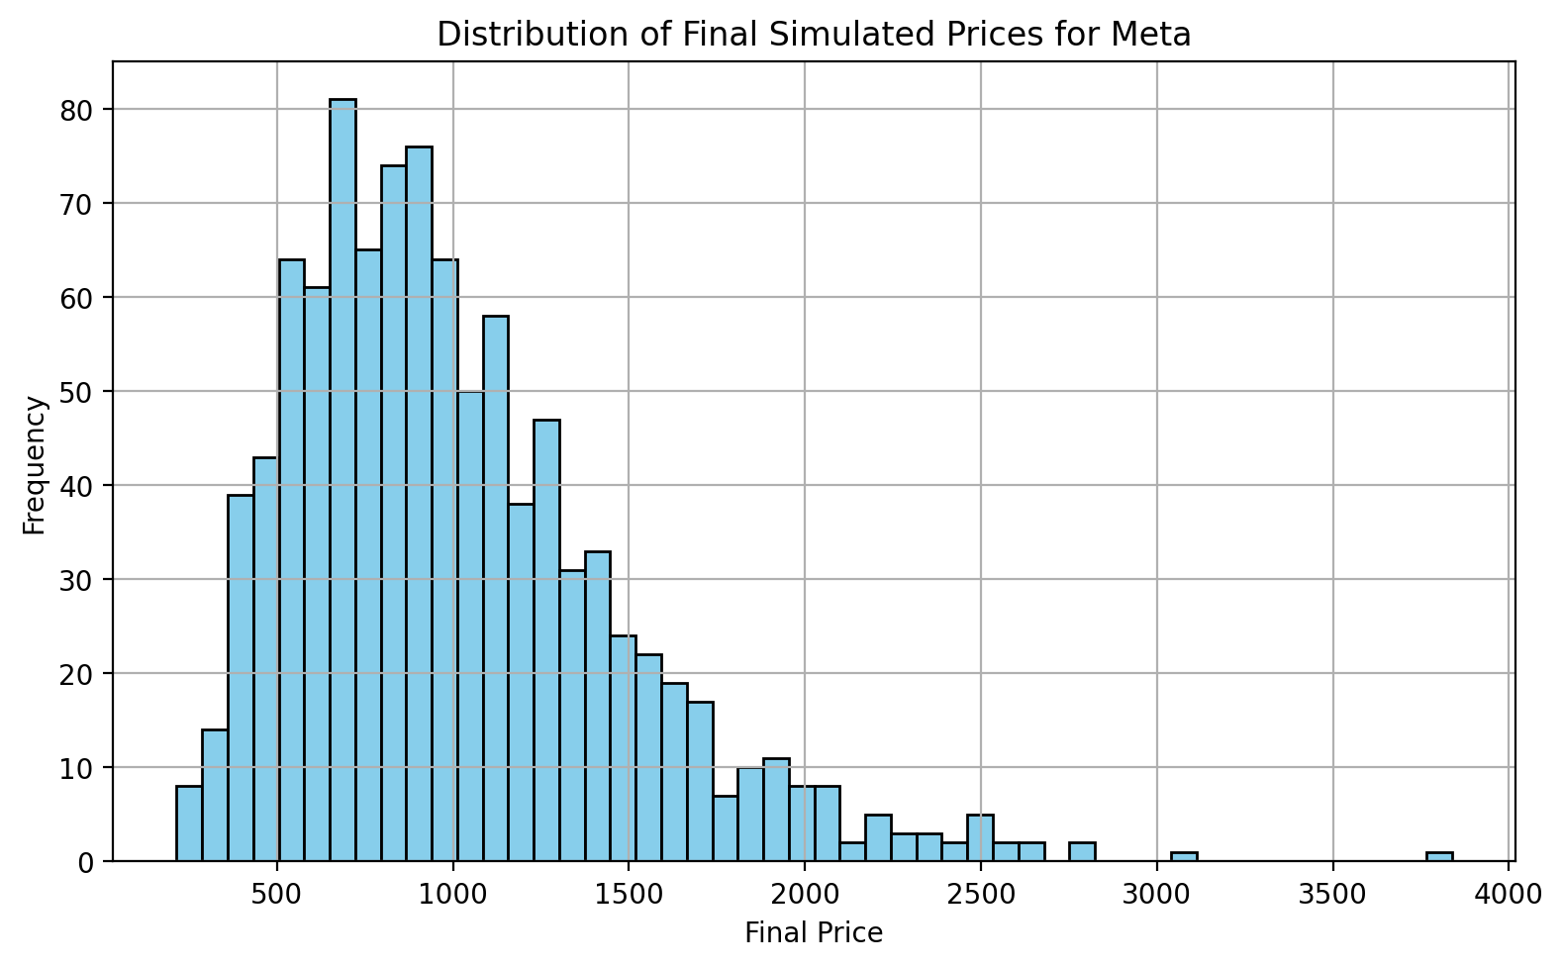
Inputs
Ticker | Meta
Start Date | 2020-01-31
End Date | 2025-07-14
Number of Simulations | 10000
Number of Trading Days | 252
threshold | 900

Output
Annualised Mean Return | 23% | Histogram Bin Lower Edge | Frequency
Annualised Volatility | 45% | 215 | 8
 |  | 287 | 14
Probability above $900.0 | 52% | 360 | 39
Probability below $900.0 | 48% | 432 | 43
 |  | 505 | 64
 |  | 577 | 61
 |  | 650 | 81
 |  | 722 | 65
 |  | 795 | 74
 |  | 867 | 76
 |  | 940 | 64
 |  | 1012 | 50
 |  | 1085 | 58
 |  | 1157 | 38
 |  | 1229 | 47
 |  | 1302 | 31
 |  | 1374 | 33
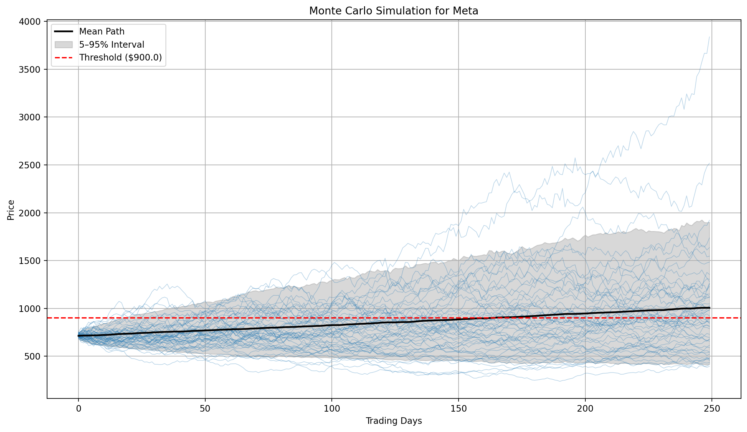
 |  | 1447 | 24
 |  | 1519 | 22
 |  | 1592 | 19
 |  | 1664 | 17
 |  | 1737 | 7
 |  | 1809 | 10
 |  | 1882 | 11
 |  | 1954 | 8
 |  | 2026 | 8
 |  | 2099 | 2
 |  | 2171 | 5
 |  | 2244 | 3
 |  | 2316 | 3
 |  | 2389 | 2
 |  | 2461 | 5
 |  | 2534 | 2
 |  | 2606 | 2
 |  | 2679 | 0
 |  | 2751 | 2
 |  | 2824 | 0
 |  | 2896 | 0
 |  | 2968 | 0
 |  | 3041 | 1
 |  | 3113 | 0
 |  | 3186 | 0
 |  | 3258 | 0
 |  | 3331 | 0
 |  | 3403 | 0
 |  | 3476 | 0
 |  | 3548 | 0
 |  | 3621 | 0
 |  | 3693 | 0
 |  | 3765 | 1

Opt_strat
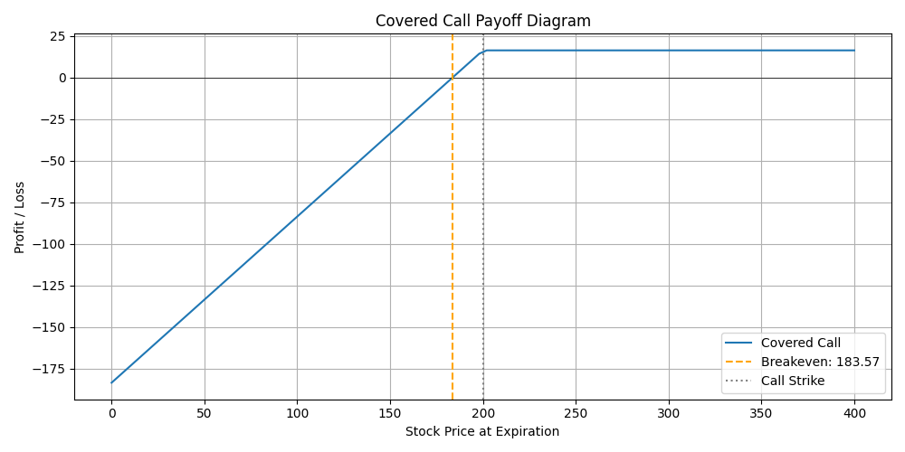
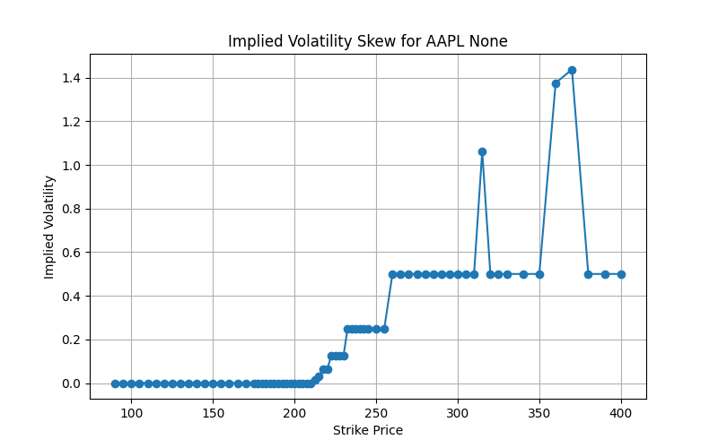
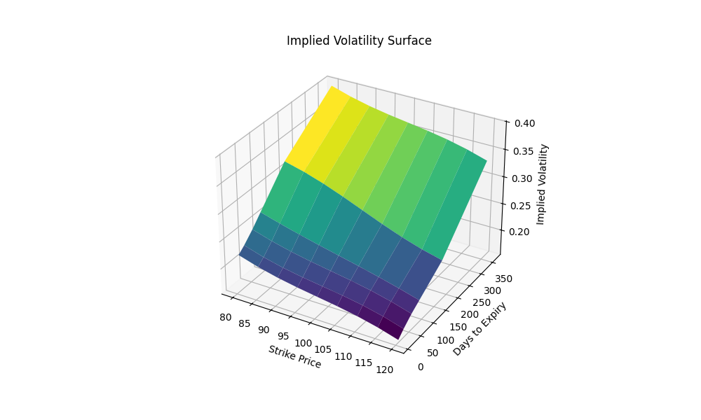
Tcker | AAPL | Greeks
Stock Price | 215 | Delta | 0.30528804986
strike | 200 | Gamma | 0.010950798845
T | 1 | Vega | 56.068090089
r | 0.05 | Theta | -0.021280375339
vol | 0.2 | Rho | 43.210559794
Type | call

 | Covered Call

K1 Spread | 0.9
K2 Spread | 1
K3 Spread | 1.1
K4 Spread | 1.2

 |  |  |  | expire date for chart | 2025-08-01

