Funda
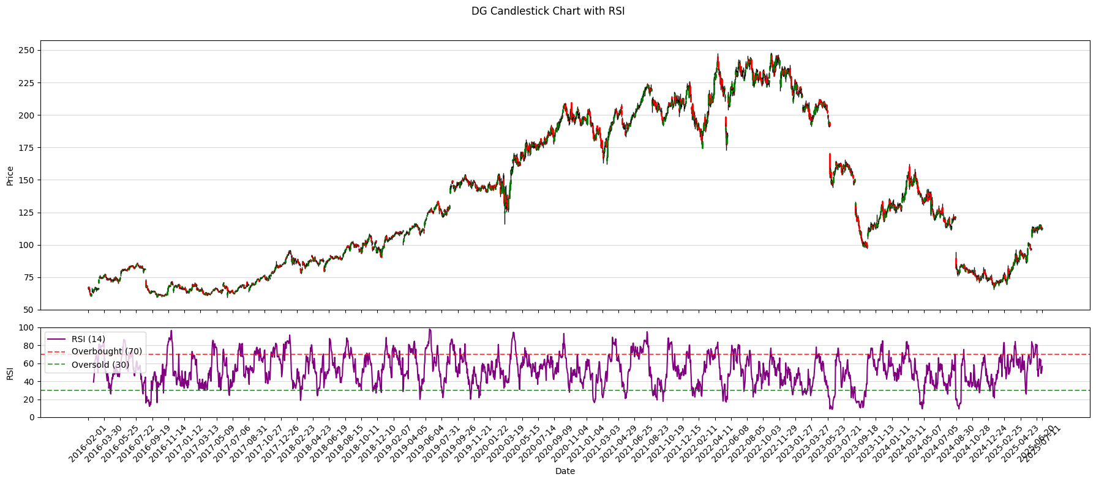
Ticker | DG |  | Dollar General Corporation is an American chain of variety stores headquartered in Goodlettsville, Tennessee.
 |  | Annual |  |  |  |  |  |  |  |  |  |  | Chart |  | DG Candlestick Chart with RSI
 |  | Date | 31/01/2016 | 31/01/2017 | 31/01/2018 | 31/01/2019 | 31/01/2020 | 31/01/2021 | 31/01/2022 | 31/01/2023 | 31/01/2024 | 31/01/2025 | Start | 31/07/2015
Pirce | 105.49 | Shares | 295.2M | 282.3M | 273.4M | 266.1M | 258.1M | 250.1M | 235.8M | 226.3M | 219.9M | 220.0M | End | 2025-07-28
MC | $23,215,247,594
EV | $23,215,247,594 | Revenue | 20.4B | 22.0B | 23.5B | 25.6B | 27.8B | 33.7B | 34.2B | 37.8B | 38.7B | 40.6B
52 Low | 66 | COGS | 14.1B | 15.2B | 16.2B | 17.8B | 19.3B | 23.0B | 23.4B | 26.0B | 27.0B | 28.6B
52 High | 127 | Opertating Icome | 1.9B | 2.1B | 2.0B | 2.1B | 2.3B | 3.6B | 3.2B | 3.3B | 2.4B | 1.7B
 |  | SG&A | 4.3B | 4.6B | 5.1B | 5.6B | 6.1B | 7.1B | 7.5B | 8.4B | 9.1B | 10.3B
 |  | R&D | 0.0M | 0.0M | 0.0M | 0.0M | 0.0M | 0.0M | 0.0M | 0.0M | 0.0M | 0.0M
Beta | 0.31 | EBITDA | 2.3B | 2.4B | 2.4B | 2.6B | 2.8B | 4.1B | 3.9B | 4.1B | 3.3B | 2.7B
P/e | 20.12 | D&A | 352.4M | 379.9M | 404.2M | 454.1M | 504.8M | 574.2M | 641.3M | 724.9M | 848.8M | 971.7M
PVGO |  | Interest exp | 86.9M | 97.8M | 97.0M | 99.9M | 100.6M | 150.4M | 157.5M | 211.3M | 326.8M | 274.3M
EV / ebita | $8.64 | Taxes | 687.9M | 714.5M | 368.3M | 425.9M | 489.2M | 749.3M | 663.9M | 700.6M | 458.2M | 314.5M
 |  | EBITA | 1.9B | 2.1B | 2.0B | 2.1B | 2.3B | 3.6B | 3.2B | 3.3B | 2.4B | 1.7B
 |  | Effective tax rate | 3.4% | 3.2% | 1.6% | 1.7% | 1.8% | 2.2% | 1.9% | 1.9% | 1.2% | 0.8%
est WACC | 6.86% | NOPAT | 1.9B | 2.0B | 2.0B | 2.1B | 2.3B | 3.5B | 3.2B | 3.3B | 2.4B | 1.7B
 |  | Net Income | 1.2B | 1.3B | 1.5B | 1.6B | 1.7B | 2.7B | 2.4B | 2.4B | 1.7B | 1.1B

Rev/p | 1.750 | Dividends |  | 281.1M | 282.9M | 306.5M | 327.6M | 355.9M | 392.2M | 493.7M | 518.0M | 519.0M
CFO/P | 0.129 | T. Equity | 5.4B | 5.4B | 6.1B | 6.4B | 6.7B | 6.7B | 6.3B | 5.5B | 6.7B | 7.4B

Chart |  | Cash and mt sec | 157.9M | 187.9M | 267.4M | 235.5M | 240.3M | 1.4B | 344.8M | 381.6M | 537.3M | 932.6M
EPS date & Estimates |  | Current assets | 3.4B | 3.7B | 4.2B | 4.7B | 5.2B | 6.9B | 6.3B | 7.6B | 8.0B | 8.2B
Ownership |  | Goodwil | 4.3B | 4.3B | 4.3B | 4.3B | 4.3B | 4.3B | 4.3B | 4.3B | 4.3B | 4.3B
Insiders |  | Intangible Assets | 1.2B | 1.2B | 1.2B | 1.2B | 1.2B | 1.2B | 1.2B | 1.2B | 1.2B | 1.2B
 |  | PPE | 2.3B | 2.4B | 2.7B | 3.0B | 3.3B | 13.4B | 4.3B | 15.9B | 0.0M | 0.0M
 |  | T. Assets | 11.3B | 11.7B | 12.5B | 13.2B | 22.8B | 25.9B | 26.3B | 29.1B | 30.8B | 31.1B
 |  | Current Liabilities | 2.0B | 2.6B | 3.0B | 3.0B | 4.5B | 5.7B | 6.0B | 5.9B | 6.7B | 6.9B
 |  | LT Debt | 3.0B | 2.7B | 2.6B | 2.9B | 2.9B | 4.1B | 4.2B | 7.0B | 6.2B | 5.7B
PVGO |  | LT Liabilities | 5.9B | 6.3B | 6.4B | 6.8B | 16.1B | 19.2B | 20.1B | 23.5B | 24.0B | 23.7B
 |  | Investment Capital | 8.2B | 7.9B | 8.5B | 9.0B | 9.4B | 9.4B | 10.1B | 12.2B | 12.4B | 12.2B
 |  | CFO |  | 1.6B | 1.8B | 2.1B | 2.2B | 3.9B | 2.9B | 2.0B | 2.4B | 3.0B
 |  | Capex |  | 560.3M | 646.5M | 734.4M | 784.8M | 1.0B | 1.1B | 1.6B | 1.7B | 1.3B
 |  | Investments | 0.0M | 0.0M | 0.0M | 0.0M | 0.0M | 0.0M | 0.0M | 0.0M | 0.0M | 0.0M
 |  | CFI |  | -550.9M | -645.0M | -731.6M | -782.5M | -1024.9M | -1065.6M | -1555.3M | 0.0M | 0.0M
 |  | CFF |  | -1024.1M | -1077.6M | -1443.9M | -1450.7M | -1715.0M | -2832.0M | -392.5M | -542.1M | -1294.4M

 |  | gross margin | 31% | 31% | 31% | 30% | 31% | 32% | 32% | 31% | 30% | 30%
 |  | EBITDA margin | 11% | 11% | 10% | 10% | 10% | 12% | 11% | 11% | 9% | 7%
 |  | NI margin | 6% | 6% | 7% | 6% | 6% | 8% | 7% | 6% | 4% | 3%
 |  | CFO margin | #VALUE! | 7% | 8% | 8% | 8% | 11% | 8% | 5% | 6% | 7%
 |  | SGA mar | 21% | 21% | 22% | 22% | 22% | 21% | 22% | 22% | 24% | 25%

 |  | Current ratio | 1.72 | 1.40 | 1.43 | 1.55 | 1.14 | 1.21 | 1.05 | 1.29 | 1.19 | 1.19
 |  | Int coverage | 22.38 | 21.09 | 20.66 | 21.18 | 22.89 | 23.64 | 20.45 | 15.75 | 7.49 | 6.25
 |  | TA / TD | 3.80 | 4.31 | 4.81 | 4.61 | 7.84 | 6.26 | 6.31 | 4.15 | 4.94 | 5.44
 |  | Leverage | 2.09 | 2.16 | 2.04 | 2.06 | 3.41 | 3.88 | 4.20 | 5.25 | 4.56 | 4.20
 |  | payout ratio | #VALUE! | 0.22 | 0.18 | 0.19 | 0.19 | 0.13 | 0.16 | 0.20 | 0.31 | 0.46
PVGO
P/E
 |  | Rev /share | 69.00 | 77.89 | 85.86 | 96.30 | 107.55 | 134.95 | 145.12 | 167.24 | 175.92 | 184.58
 |  | Div /share | #VALUE! | 1.00 | 1.04 | 1.15 | 1.27 | 1.42 | 1.66 | 2.18 | 2.36 | 2.36
 |  | Bv/share | 18.22 | 19.15 | 22.41 | 24.12 | 25.97 | 26.64 | 26.55 | 24.49 | 30.69 | 33.69
 |  | Tang BV / share | 14.15 | 14.90 | 18.02 | 19.61 | 21.32 | 21.84 | 21.47 | 19.19 | 25.23 | 28.24
 |  | Common EPS | 3.95 | 4.43 | 5.63 | 5.97 | 6.64 | 10.62 | 10.17 | 10.68 | 7.55 | 5.11

 |  | ROE | 0.45 | 0.50 | 0.51 | 0.51 | 0.87 | 1.55 | 1.61 | 2.29 | 1.12 | 0.64
 |  | ROA | 0.07 | 0.07 | 0.08 | 0.08 | 0.06 | 0.07 | 0.06 | 0.06 | 0.04 | 0.02
 |  | ROIC | 22.97% | 25.18% | 23.31% | 23.00% | 24.13% | 36.92% | 31.30% | 26.84% | 19.43% | 13.94%

Portfolio
 |  | Portfolio

Cash
IBKR Cash | $15,000
 |  |  | Portfolio Value: |  |  | $605,269
Stock Breakdown |  |  | Portfolio Growth: |  |  | 36.20%
Stocks Market Value | $590,269 |  | Portfolio Gain: |  |  | 160868.69
Investment Growth
 |  | Purchase 180 200 500 600 100 120 300 200 150 10 #REF! #REF! #REF! #REF! #REF! #REF! #REF! #REF! #REF! #REF! #REF! #REF! #REF! #REF! #REF! #REF! #REF! #REF! #REF! #REF! #REF! #REF! #REF! #REF! #REF! #REF! #REF! #REF! #REF! #REF! #REF! #REF! #REF! #REF! #RE | Price 201.7699 180.25 604.85 475.027 155.645 144.455 308.45 268.085 106.66 8.815 | Cost 18000 20000 25000 60000 10000 12000 30000 22000 7500 10000 0 0 0 0 0 0 0 0 0 0 0 0 0 0 0 0 0 0 0 0 0 0 0 0 0 0 0 0 0 0 0 0 0 0 0 0 0 0 0 0 0 0 0 0 0 0 0 0 0 0 0 0 0 0 0 0 0 0 0 0 0 0 0 0 0 0 0 0 0 0 0 0 0 0 0 0 0 0 0 0 0 0 0 0 0 0 0 0 | Market Value 20176.99 18025 30242.5 47502.7 15564.5 14445.5 30845 29489.35 5333 8815 | Gain 2176.99 -1975 5242.5 -12497.3 5564.5 2445.5 845 7489.35 -2167 -1185 | Growth 0.120943889 -0.09875 0.2097 -0.208288333 0.55645 0.203791667 0.028166667 0.340425 -0.288933333 -0.1185 | Beta 1.209 1.0147 0.9982 1.0256 0.4096 2.1201 0.4531 1.0826 0.4653 0.5848
AAPL | 18.84%
GOOG | -3.48%
SPY | 27.32%
MSFT | -14.73%
JNJ | 66.46%
NVDA | 46.31%
UNH | -6.25%
JPM | 48.87%
XOM | -25.63%
SNAP | -3.70%
META | 43.00%
DG | 6.56%
Growth | 37.46% |  |  |  |  |  |  |  | Notes
Gain | £160,868.69
Beta | 0.77

Watchlist

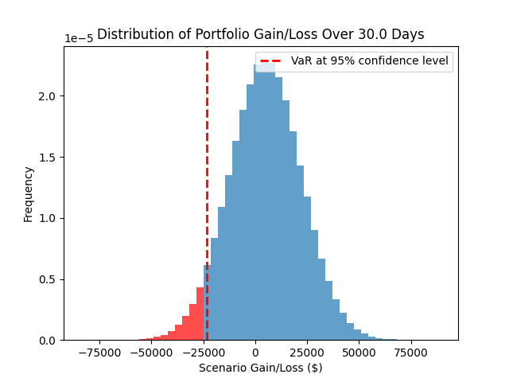
VAR |  |  | Targets
There is a 95% confidence that the portfolio will not lose more than $23,525.79 over 30.0 days. |  |  | Ticker | Price | Target |  | Stop loss | Distance from Target
 |  |  | AAPL | 213.91 | 250 |  |  | 14.4%
 |  |  | GOOG | 193.04 | 200 |  |  | 3.5%
 |  |  | SPY | 636.62 | 700 |  |  | 9.1%
 |  |  | MSFT | 511.595
 |  |  | JNJ | 166.46
 |  |  | NVDA | 175.5681
 |  |  | UNH | 281.24
 |  |  | JPM | 297.73
 |  |  | XOM | 111.55
 |  |  | SNAP | 9.6301
 |  |  | META | 714.9899
 |  |  | DG | 105.49
 |  |  | GME | 3.1

The Expected Shortfall at 95.0% confidence level is $30,782.70.

 |  |  | 0
 |  |  | 0
 |  |  | 0
 |  |  | 0
 |  |  | 0
 |  |  | 0
 |  |  | 0
 |  |  | 0
 |  |  | 0
 |  |  | 0
 |  |  | 0
 |  |  | 0

Stocks
Cost vs Market Value
Capital Allocation
 | Market Value
AAPL | 21390.98
GOOG | 19304.00
SPY | 31831.00
MSFT | 51159.50
JNJ | 16646.00
NVDA | 17556.81
UNH | 28124.00
JPM | 32750.30
XOM | 5577.50
SNAP | 9630.10
META | 35749.50
DG | 10549.00
GME | 310000.00
 | 0.00
 | 0.00
 | 0.00
 | 0.00
 | 0.00
 | 0.00
 | 0.00
 | 0.00
 | 0.00
 | 0.00
 | 0.00
 | 0.00
 | 0.00
 | 0.00
 | 0.00
 | 0.00
 | 0.00
 | 0.00
 | 0.00
 | 0.00
 | 0.00
 | 0.00
 | 0.00
 | 0.00
 | 0.00
 | 0.00
 | 0.00
 | 0.00
 | 0.00
 | 0.00
 | 0.00
 | 0.00
 | 0.00
 | 0.00
 | 0.00
 | 0.00
 | 0.00
...
 |  |  |  |  |  | Stock Tracker

Stock | Symbol | Shares | Purchase | Price | Cost | Market Value | Gain | Growth | Beta | Weight
 | AAPL | 100.00 | 180.00 | 213.91 | 18000.00 | 21390.98 | 3390.98 | 18.84% | 1.17 | 4% | Must adjust Cost vs Market Value
 | GOOG | 100.00 | 200.00 | 193.04 | 20000.00 | 19304.00 | -696.00 | -3.48% | 1.02 | 3%
 | SPY | 50.00 | 500.00 | 636.62 | 25000.00 | 31831.00 | 6831.00 | 27.32% | 1.00 | 5%
 | MSFT | 100.00 | 600.00 | 511.60 | 60000.00 | 51159.50 | -8840.50 | -14.73% | 1.05 | 9%
 | JNJ | 100.00 | 100.00 | 166.46 | 10000.00 | 16646.00 | 6646.00 | 66.46% | 0.41 | 3%
 | NVDA | 100.00 | 120.00 | 175.57 | 12000.00 | 17556.81 | 5556.81 | 46.31% | 2.14 | 3%
 | UNH | 100.00 | 300.00 | 281.24 | 30000.00 | 28124.00 | -1876.00 | -6.25% | 0.44 | 5%
 | JPM | 110.00 | 200.00 | 297.73 | 22000.00 | 32750.30 | 10750.30 | 48.87% | 1.11 | 6%
 | XOM | 50.00 | 150.00 | 111.55 | 7500.00 | 5577.50 | -1922.50 | -25.63% | 0.50 | 1%
 | SNAP | 1000.00 | 10.00 | 9.63 | 10000.00 | 9630.10 | -369.90 | -3.70% | 0.63 | 2%
 | META | 50.00 | 500.00 | 714.99 | 25000.00 | 35749.50 | 10749.50 | 43.00% | 1.26 | 6%
 | DG | 100.00 | 99.00 | 105.49 | 9900.00 | 10549.00 | 649.00 | 6.56% | 0.31 | 2%
 | GME | 100000.00 | 1.80 | 3.10 | 180000.00 | 310000.00 | 130000.00 | 72.22% | 0.56 | 53%

Port_Optimization
Inputs
Start date | 2022-12-31
End date | 2025-07-28
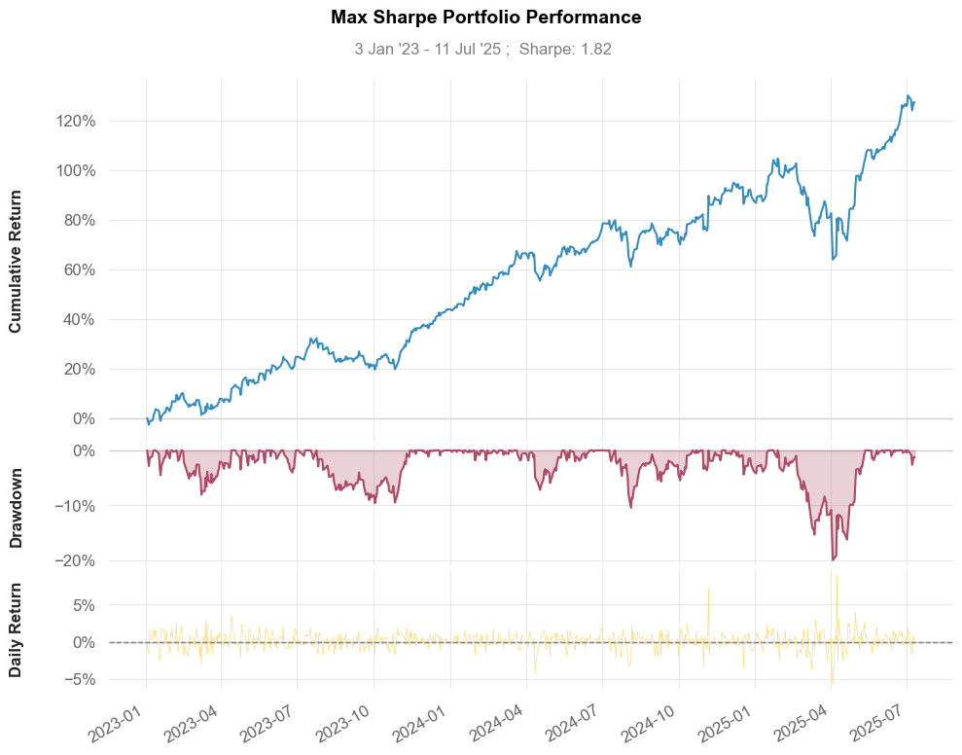
Max Vol | 0.5
min ror | 0.15

Tickers | AAPL | GME | MSFT | TSLA | JPM | SNAP
Weights | 10% | 20% | 20% | 20% | 10% | 20%

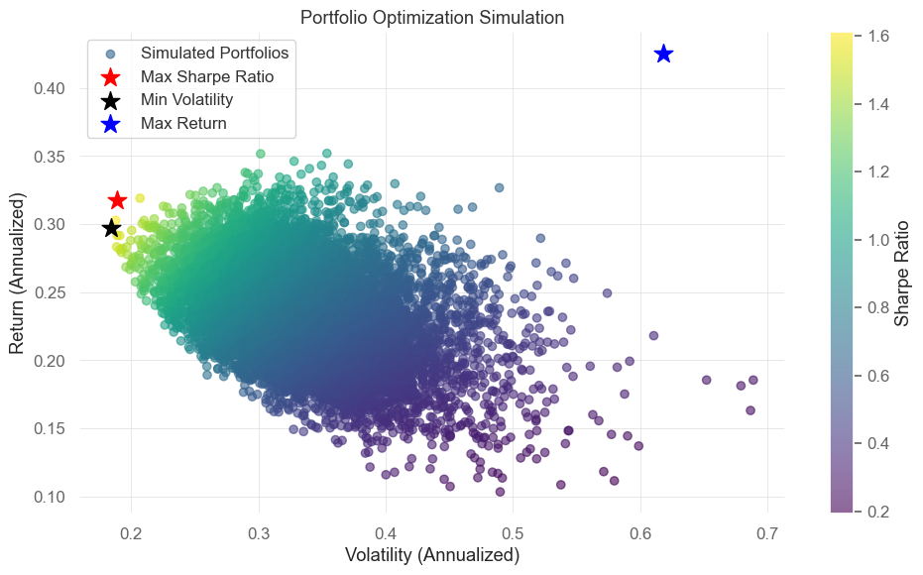

 | Stock Weights

Portfolio | AAPL | GME | MSFT | TSLA | JPM | SNAP | RoR | Volatility | Sharpe Ratio | Performance Metrics (Max Sharpe Portfolio vs SPY)
Optimal (Max Sharpe Ratio) | 0 | 0 | 0.5407 | 0.4593 | 0 | 0 | 0.3173 | 0.189 | 1.6789 |  | Benchmark (SPY) | Strategy
Optimal (Max RoR) | 0 | 0 | 0 | 0 | 0 | 1 | 0.4252 | 0.6186 | 0.6874 | Start Period | 2023-01-04 | 2023-01-04
Optimal (Min Volatility) | 0.1808 | 0.008 | 0.4401 | 0.3711 | 0 | 0 | 0.2972 | 0.1842 | 1.6134 | End Period | 2025-07-11 | 2025-07-11
Optimal (Max RoR, Vol ≤ 0.50) | 0 | 0 | 0.2269 | 0 | 0 | 0.7731 | 0.4032 | 0.5 | 0.8064 | Risk-Free Rate | 0 | 0
Optimal (Min Vol, RoR ≥ 0.15) | 0.1808 | 0.008 | 0.4401 | 0.3711 | 0 | 0 | 0.2972 | 0.1842 | 1.6134 | Time in Market | 1 | 1
 |  |  |  |  |  |  |  |  |  | Cumulative Return | 68% | 131%
 |  |  |  |  |  |  |  |  |  | CAGR﹪ | 15% | 26%
 |  |  |  |  |  |  |  |  |  | Sharpe | 1.37 | 1.86
 |  |  |  |  |  |  |  |  |  | Prob. Sharpe Ratio | 99% | 100%
 |  |  |  |  |  |  |  |  |  | Smart Sharpe | 1.37 | 1.85
 |  |  |  |  |  |  |  |  |  | Sortino | 2.08 | 2.88
 |  |  |  |  |  |  |  |  |  | Smart Sortino | 2.07 | 2.87
 |  |  |  |  |  |  |  |  |  | Sortino/√2 | 147% | 204%
 |  |  |  |  |  |  |  |  |  | Smart Sortino/√2 | 1.46 | 2.03
 |  |  |  |  |  |  |  |  |  | Omega | 1.4 | 1.4
 |  |  |  |  |  |  |  |  |  | Max Drawdown | -0.19 | -0.2
 |  |  |  |  |  |  |  |  |  | Longest DD Days | 126 | 111
 |  |  |  |  |  |  |  |  |  | Volatility (ann.) | 0.16 | 0.19
 |  |  |  |  |  |  |  |  |  | R^2 | 0.66 | 0.66
 |  |  |  |  |  |  |  |  |  | Information Ratio | 0.08 | 0.08
 |  |  |  |  |  |  |  |  |  | Calmar | 0.82 | 1.29
 |  |  |  |  |  |  |  |  |  | Skew | 0.98 | 0.46
 |  |  |  |  |  |  |  |  |  | Kurtosis | 20.48 | 7.95
 |  |  |  |  |  |  |  |  |  | Expected Daily | 0% | 0%
 |  |  |  |  |  |  |  |  |  | Expected Monthly | 2% | 3%
 |  |  |  |  |  |  |  |  |  | Expected Yearly | 19% | 32%
 |  |  |  |  |  |  |  |  |  | Kelly Criterion | 12% | 14%
 |  |  |  |  |  |  |  |  |  | Risk of Ruin | 0% | 0%
 |  |  |  |  |  |  |  |  |  | Daily Value-at-Risk | -2% | -2%
 |  |  |  |  |  |  |  |  |  | Expected Shortfall (cVaR) | -2% | -2%
 |  |  |  |  |  |  |  |  |  | Max Consecutive Wins | 1000% | 900%
 |  |  |  |  |  |  |  |  |  | Max Consecutive Losses | 600% | 600%
 |  |  |  |  |  |  |  |  |  | Gain/Pain Ratio | 0.29 | 0.4
 |  |  |  |  |  |  |  |  |  | Gain/Pain (1M) | 2.21 | 3.49
 |  |  |  |  |  |  |  |  |  | Payoff Ratio | 0.93 | 1.02
 |  |  |  |  |  |  |  |  |  | Profit Factor | 1.29 | 1.4
 |  |  |  |  |  |  |  |  |  | Common Sense Ratio | 1.3 | 1.42
 |  |  |  |  |  |  |  |  |  | CPC Index | 0.69 | 0.8
 |  |  |  |  |  |  |  |  |  | Tail Ratio | 1.01 | 1.02
 |  |  |  |  |  |  |  |  |  | Outlier Win Ratio | 3.67 | 2.83
 |  |  |  |  |  |  |  |  |  | Outlier Loss Ratio | 3.94 | 3.42
 |  |  |  |  |  |  |  |  |  | MTD | 1% | 0%
 |  |  |  |  |  |  |  |  |  | 3M | 19% | 29%
 |  |  |  |  |  |  |  |  |  | 6M | 8% | 21%
 |  |  |  |  |  |  |  |  |  | YTD | 7% | 21%
 |  |  |  |  |  |  |  |  |  | 1Y | 12% | 26%
 |  |  |  |  |  |  |  |  |  | 3Y (ann.) | 15% | 26%
 |  |  |  |  |  |  |  |  |  | 5Y (ann.) | 15% | 26%
 |  |  |  |  |  |  |  |  |  | 10Y (ann.) | 15% | 26%
 |  |  |  |  |  |  |  |  |  | All-time (ann.) | 15% | 26%
 |  |  |  |  |  |  |  |  |  | Best Day | 11% | 9%
 |  |  |  |  |  |  |  |  |  | Worst Day | -6% | -6%
 |  |  |  |  |  |  |  |  |  | Best Month | 9% | 12%
 |  |  |  |  |  |  |  |  |  | Worst Month | -6% | -6%
 |  |  |  |  |  |  |  |  |  | Best Year | 26% | 46%
 |  |  |  |  |  |  |  |  |  | Worst Year | 7% | 21%
 |  |  |  |  |  |  |  |  |  | Avg. Drawdown | -0.02 | -0.02
 |  |  |  |  |  |  |  |  |  | Avg. Drawdown Days | 13 | 11
 |  |  |  |  |  |  |  |  |  | Recovery Factor | 2.94 | 4.42
 |  |  |  |  |  |  |  |  |  | Ulcer Index | 0.04 | 0.05
 |  |  |  |  |  |  |  |  |  | Serenity Index | 2.02 | 2.72
 |  |  |  |  |  |  |  |  |  | Avg. Up Month | 0.04 | 0.05
 |  |  |  |  |  |  |  |  |  | Avg. Down Month | -0.03 | -0.04
 |  |  |  |  |  |  |  |  |  | Win Days | 0.58 | 0.57
 |  |  |  |  |  |  |  |  |  | Win Month | 0.68 | 0.77
 |  |  |  |  |  |  |  |  |  | Win Quarter | 0.82 | 0.82
 |  |  |  |  |  |  |  |  |  | Win Year | 1 | 1
 |  |  |  |  |  |  |  |  |  | Beta | - | 0.96
 |  |  |  |  |  |  |  |  |  | Alpha | - | 0.14
 |  |  |  |  |  |  |  |  |  | Correlation | - | 0.81%
 |  |  |  |  |  |  |  |  |  | Treynor Ratio | - | 1.36%

Five_Factors
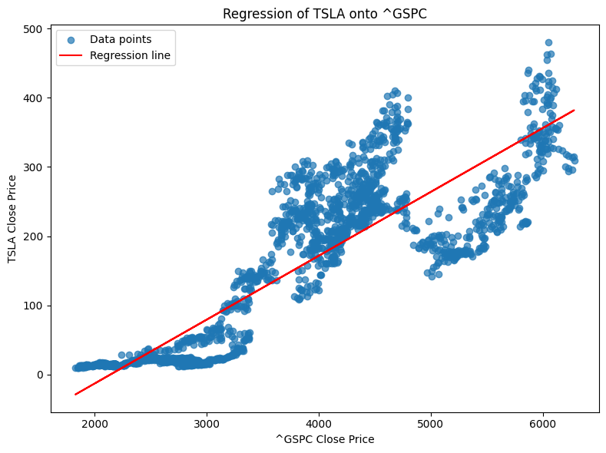
Ticker | TSLA
Index | ^GSPC |  |  |  |  |  |  |  |  | Regression of TSLA onto ^GSPC
Start date | 2016-01-01
End date | 2025-07-28
 |  | OLS | Regression | Results

 |  | Dep. | Variable: | excess_rtn | R-squared: | 0.334
 |  | Model: | OLS | Adj. | R-squared: | 0.303
 |  | Method: | Least | Squares | F-statistic: | 10.64
 |  | Date: | Mon, | 14 | Jul | 2025 | Prob | (F-statistic): | 2.65E-08
 |  | Time: | 13:43:50 | Log-Likelihood: | 52.765
 |  | No. | Observations: | 112 | AIC: | -93.53
 |  | Df | Residuals: | 106 | BIC: | -77.22
 |  | Df | Model: | 5
 |  | Covariance | Type: | nonrobust

 |  | coef | std | err | t | P>|t| | [0.025 | 0.975]

 |  | Intercept | 0.0247 | 0.015 | 1.605 | 0.111 | -0.006 | 0.055
 |  | mkt | 1.8802 | 0.357 | 5.271 | 0 | 1.173 | 2.587
 |  | smb | 0.6227 | 0.628 | 0.991 | 0.324 | -0.623 | 1.869
 |  | hml | -1.1963 | 0.54 | -2.215 | 0.029 | -2.267 | -0.126
 |  | rmw | -0.3897 | 0.777 | -0.502 | 0.617 | -1.929 | 1.15
 |  | cma | -0.3396 | 0.812 | -0.418 | 0.677 | -1.95 | 1.271

MC_Stock_returns
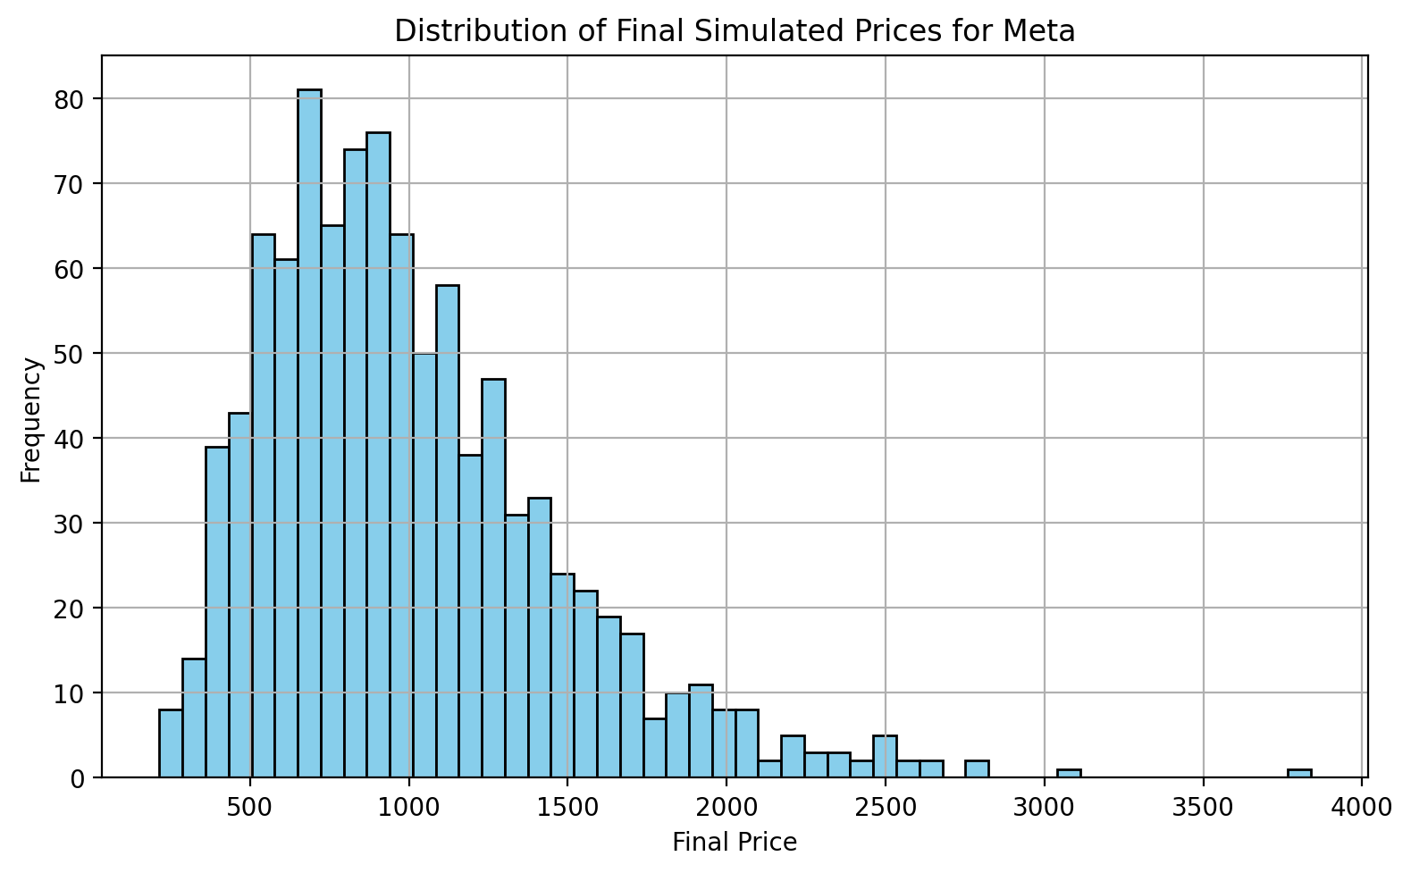
Inputs
Ticker | Meta
Start Date | 2020-01-31
End Date | 2025-07-28
Number of Simulations | 10000
Number of Trading Days | 252
threshold | 900

Output
Annualised Mean Return | 23% | Histogram Bin Lower Edge | Frequency
Annualised Volatility | 45% | 215 | 8
 |  | 287 | 14
Probability above $900.0 | 52% | 360 | 39
Probability below $900.0 | 48% | 432 | 43
 |  | 505 | 64
 |  | 577 | 61
 |  | 650 | 81
 |  | 722 | 65
 |  | 795 | 74
 |  | 867 | 76
 |  | 940 | 64
 |  | 1012 | 50
 |  | 1085 | 58
 |  | 1157 | 38
 |  | 1229 | 47
 |  | 1302 | 31
 |  | 1374 | 33
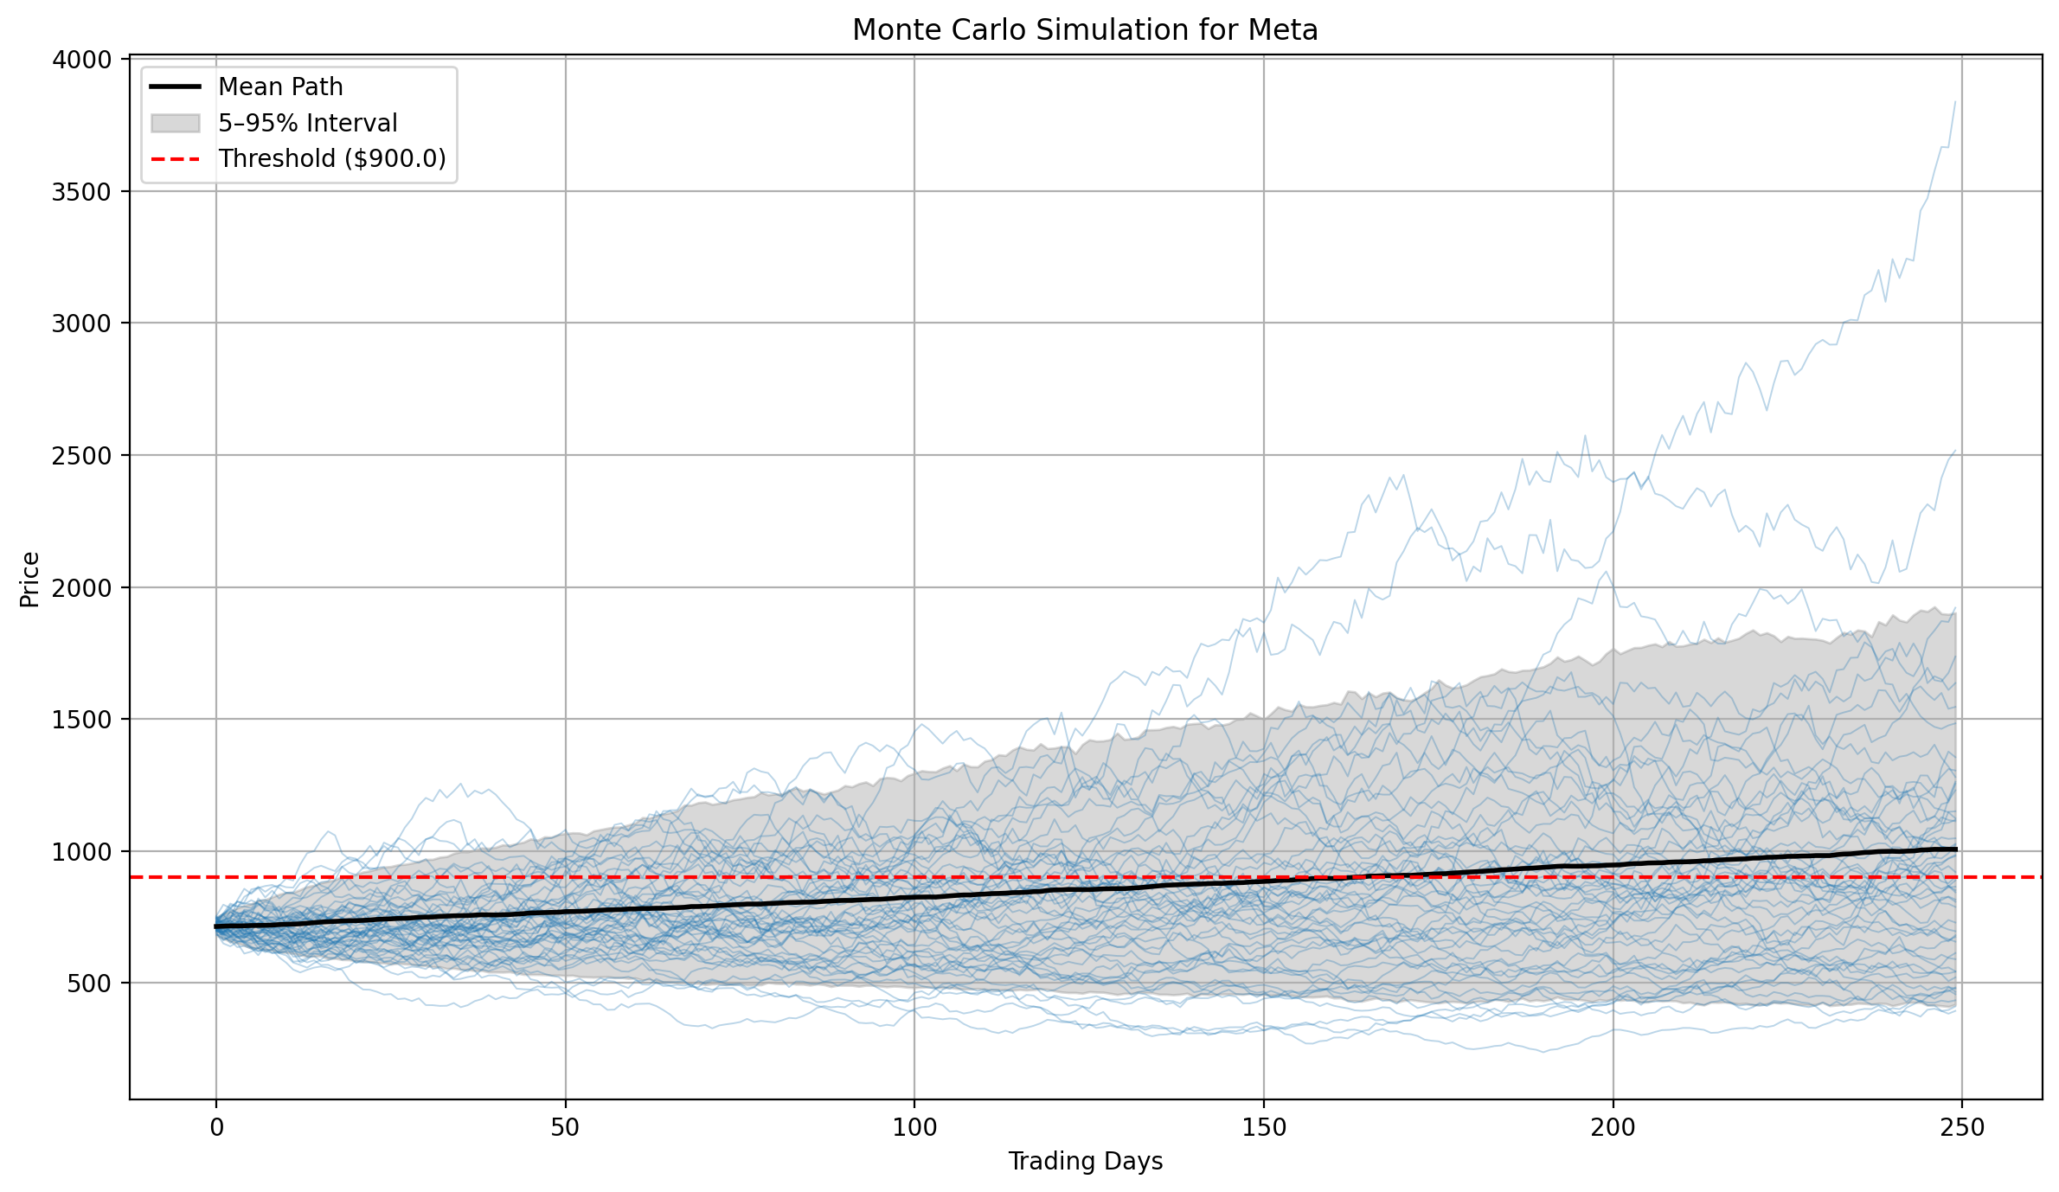
 |  | 1447 | 24
 |  | 1519 | 22
 |  | 1592 | 19
 |  | 1664 | 17
 |  | 1737 | 7
 |  | 1809 | 10
 |  | 1882 | 11
 |  | 1954 | 8
 |  | 2026 | 8
 |  | 2099 | 2
 |  | 2171 | 5
 |  | 2244 | 3
 |  | 2316 | 3
 |  | 2389 | 2
 |  | 2461 | 5
 |  | 2534 | 2
 |  | 2606 | 2
 |  | 2679 | 0
 |  | 2751 | 2
 |  | 2824 | 0
 |  | 2896 | 0
 |  | 2968 | 0
 |  | 3041 | 1
 |  | 3113 | 0
 |  | 3186 | 0
 |  | 3258 | 0
 |  | 3331 | 0
 |  | 3403 | 0
 |  | 3476 | 0
 |  | 3548 | 0
 |  | 3621 | 0
 |  | 3693 | 0
 |  | 3765 | 1

MarketSnapshot
Most Active |  |  |  |  | Gainers |  |  |  |  | Losers
ticker | lastPrice | change | percentChange |  | ticker | lastPrice | change | percentChange |  | ticker | lastPrice | change | percentChange |  | Source
LCID | 3.04 | -0.08 | -2.56% |  | STEM | 13.5 | 4.23 | 45.63% |  | MLGO | 14.66 | -3.12 | -17.57%
QS | 14.64 | 1.04 | 7.65% |  | TLN | 328.63 | 64.63 | 24.48% |  | ARWR | 16.76 | -2.09 | -11.09%
NVDA | 172.41 | -0.59 | -0.34% |  | CRSP | 65.13 | 10.04 | 18.22% |  | MOH | 182.98 | -21.27 | -10.41%
WBD | 12.75 | -0.09 | -0.70% |  | IVZ | 19.92 | 2.64 | 15.28% |  | ELV | 277.09 | -25.36 | -8.38%
TSLA | 329.65 | 10.24 | 3.21% |  | SOC | 31.69 | 3.35 | 11.82% |  | STNE | 13.67 | -1.24 | -8.32%
NU | 13.02 | -0.97 | -6.93% |  | APLD | 11.93 | 1.02 | 9.35% |  | NEGG | 29.55 | -2.24 | -7.05%
NIO | 4.39 | -0.01 | -0.23% |  | HSAI | 21.75 | 1.69 | 8.42% |  | NU | 13.02 | -0.97 | -6.93%
HOOD | 109.74 | 4.29 | 4.07% |  | IBKR | 64.05 | 4.62 | 7.77% |  | ZLAB | 33.57 | -2.47 | -6.84%
AAL | 12.51 | 0.06 | 0.48% |  | QS | 14.64 | 1.04 | 7.65% |  | PAGS | 7.92 | -0.57 | -6.71%
F | 11.16 | 0.01 | 0.09% |  | SMR | 50.25 | 3.42 | 7.30% |  | NKTR | 24.94 | -1.73 | -6.49%

Regions |  |  |  | Assets |  |  |  | Factors |  |  |  | Sectors
name | lastPrice | change |  | name | lastPrice | change |  | name | lastPrice | change |  | name | lastPrice | change
Developed ex-US | 88.36 | -0.28% |  | Commodities | 26.47 | 0.23% |  | Value | 113.97 | -0.02% |  | Technology | 260.89 | -0.07%
Emerging Markets | 61.05 | -0.21% |  | Gold | 63.13 | 0.27% |  | Quality | 184.03 | -0.24% |  | Health Care | 131.84 | -0.66%
Frontier | 27.19 | 0.00% |  | Silver | 34.61 | -0.12% |  | Momentum | 239.07 | -0.08% |  | Real Estate | 41.84 | 0.29%
Canada | 46.59 | -0.26% |  | Oil | - | - |  | Size | 156.6 | 0.16% |  | Financials | 52.54 | 0.06%
United Kingdom | 39.8 | -0.08% |  | Natural Gas | 15.85 | 0.96% |  | Growth | 434.26 | -0.04% |  | Utilities | 83.75 | 1.68%
Spain | 43.9 | -0.25% |  | U.S. Treasuries | 22.71 | 0.22% |  | ESG | 137.06 | -0.02% |  | Communication Services | 106.19 | -0.46%
Germany | 42.13 | -0.52% |  | Municipals | 103.24 | -0.02% |  | Dividend | 135.62 | 0.44% |  | Consumer Discretionary | 222.17 | 0.89%
Sweden | 44.65 | -0.73% |  | TIPS | 109.7 | 0.11% |  | Dividend Growth | 64.76 | -0.25% |  | Consumer Staples | 80.89 | -0.27%
Australia | 26.45 | 0.65% |  | EM Govt Bonds | 91.89 | 0.22% |  | High Dividend Yield | 118.89 | -0.60% |  | Industrials | 151.46 | -0.22%
China | 57.45 | 0.93% |  | U.S. Corp Investment Grade | 108.29 | 0.19% |  | International Value | 32.56 | -0.49% |  | Energy | 85.96 | -0.81%
Japan | 71.81 | -0.80% |  | U.S. High Yield | 80.25 | 0.14% |  | International Quality | 42.57 | -0.40% |  | Materials | 90.22 | 0.23%
Singapore | 27.24 | 0.33% |  |  |  |  |  | International Momentum | 44.99 | -0.22% |  | Aerospace & Defense | 196.11 | 0.13%
India | 54.5 | -0.93% |  |  |  |  |  | Large Cap | 630.67 | -0.04% |  | Biotechnology | 129.73 | -1.53%
Russia | - | - |  |  |  |  |  | Mid Cap | 63.46 | -0.06% |  | Medical Devices | 60.06 | 0.15%
Brazil | 26.85 | -3.03% |  |  |  |  |  | Small Cap | 111.87 | -0.89% |  | REITs | 24.77 | 0.16%
Mexico | 59.46 | -0.55% |  |  |  |  |  | Micro Cap | 133.75 | -0.29% |  | Semiconductor | 246.73 | 0.08%
 |  |  |  |  |  |  |  |  |  |  |  | Software | 111.06 | -0.22%

Money Market Funds |  |  |  |  |  | Source
 | 2025-07-02 | 2025-07-09 | 2025-07-16 | $ Change*
Government | 5769.29 | 5754.84 | 5750.22 | -4.61
Retail | 1831.41 | 1831.05 | 1834.55 | 3.49
Institutional | 3937.88 | 3923.78 | 3915.68 | -8.1
Prime | 1169.95 | 1178.97 | 1178.11 | -0.86
Retail | 951.02 | 955.28 | 956.88 | 1.59

Treasury and SOFR Rates |  |  |  |  |  | Source
 | 17-Jul-25 | 18-Jun-25 | 18-Jul-24
1 Year | 4.10% | 4.09% | 4.87%
2 Year | 3.91% | 3.93% | 4.47%
3 Year | 3.89% | 3.88% | 4.24%
5 Year | 4.00% | 3.98% | 4.12%
7 Year | 4.22% | 4.17% | 4.13%
10 Year | 4.46% | 4.38% | 4.20%
30 Year | 5.01% | 4.88% | 4.41%

 | 16-Jul-25 | 17-Jun-25 | 17-Jul-24
SOFR | 4.34% | 4.31% | 5.35%
30-Day Average SOFR | 4.35% | 4.30% | 5.34%
90-Day Average SOFR | 4.34% | 4.34% | 5.36%
1-month Term SOFR | 4.35% | 4.32% | 5.34%
3-month Term SOFR | 4.33% | 4.32% | 5.28%

Economic Calendar (High Impact Only) |  |  |  |  |  |  |  |  | Source |  |  |  |  |  |  | Source
Date | Time | Country | Event | Actual | Previous | Consensus | Forecast |  |  |  | Fed Rate Probability Table for Jul 30, 2025:
Tuesday July 22 2025 | 2:30:00 | AU | RBA Meeting Minutes |  |  |  |  |  |  |  | Target Rate | Current Probability% | Previous Day Probability% | Previous Week Probability%
Tuesday July 22 2025 | 13:30:00 | US | Fed Chair Powell Speech |  |  |  |  |  |  |  | 4.00 - 4.25 | 4.30% | 6.40% | 6.40%
Wednesday July 23 2025 | 15:00:00 | US | Existing Home Sales JUN |  | 4030000 | 4000000 | 4000000 |  |  |  | 4.25 - 4.50 | 95.70% | 93.60% | 93.60%
Thursday July 24 2025 | 7:00:00 | DE | GfK Consumer Confidence AUG |  | -20.3 | -19 | -20
Thursday July 24 2025 | 8:30:00 | DE | HCOB Manufacturing PMI Flash JUL |  | 49 | 49.4 | 49.5
Thursday July 24 2025 | 9:30:00 | GB | S&P Global Manufacturing PMI Flash JUL |  | 47.7 | 48 | 48.5 |  |  |  | Fed Rate Probability Table for Sep 17, 2025:
Thursday July 24 2025 | 9:30:00 | GB | S&P Global Services PMI Flash JUL |  | 52.8 | 53 | 52.9 |  |  |  | Target Rate | Current Probability% | Previous Day Probability% | Previous Week Probability%
Thursday July 24 2025 | 13:15:00 | EA | Deposit Facility Rate |  | 0.02 | 0.02 | 0.02 |  |  |  | 3.75 - 4.00 | 2.60% | 3.50% | 3.60%
Thursday July 24 2025 | 13:15:00 | EA | ECB Interest Rate Decision |  | 0.0215 | 0.0215 | 0.0215 |  |  |  | 4.00 - 4.25 | 59.90% | 54.20% | 55.40%
Thursday July 24 2025 | 13:45:00 | EA | ECB Press Conference |  |  |  |  |  |  |  | 4.25 - 4.50 | 37.50% | 42.20% | 41.00%
Friday July 25 2025 | 7:00:00 | GB | Retail Sales MoM JUN |  | -0.027 | 0.012 | 0.015
Friday July 25 2025 | 9:00:00 | DE | Ifo Business Climate JUL |  | 88.4 | 89.2 | 88.9
Friday July 25 2025 | 13:30:00 | US | Durable Goods Orders MoM JUN |  | 0.164 | -0.105 | -0.09 |  |  |  | Fed Rate Probability Table for Oct 29, 2025:
Tuesday July 29 2025 | 8:00:00 | ES | GDP Growth Rate QoQ Flash Q2 |  | 0.006 |  | 0.006 |  |  |  | Target Rate | Current Probability% | Previous Day Probability% | Previous Week Probability%
Tuesday July 29 2025 | 8:00:00 | ES | GDP Growth Rate YoY Flash Q2 |  | 0.028 |  | 0.026 |  |  |  | 3.50 - 3.75 | 1.40% | 1.90% | 2.20%
Tuesday July 29 2025 | 15:00:00 | US | JOLTs Job Openings JUN |  | 7769000 |  | 7100000 |  |  |  | 3.75 - 4.00 | 33.10% | 30.50% | 34.60%
Wednesday July 30 2025 | 6:30:00 | FR | GDP Growth Rate QoQ Prel Q2 |  | 0.001 |  | 0.003 |  |  |  | 4.00 - 4.25 | 48.00% | 47.90% | 46.80%
Wednesday July 30 2025 | 6:30:00 | FR | GDP Growth Rate YoY Prel Q2 |  | 0.006 |  | 0.006 |  |  |  | 4.25 - 4.50 | 17.60% | 19.80% | 16.50%

 |  |  |  |  |  |  |  |  |  |  | Fed Rate Probability Table for Dec 10, 2025:
 |  |  |  |  |  |  |  |  |  |  | Target Rate | Current Probability% | Previous Day Probability% | Previous Week Probability%
 |  |  |  |  |  |  |  |  |  |  | 3.25 - 3.50 | 0.90% | 1.20% | 1.50%
 |  |  |  |  |  |  |  |  |  |  | 3.50 - 3.75 | 21.80% | 19.90% | 24.50%
 |  |  |  |  |  |  |  |  |  |  | 3.75 - 4.00 | 42.70% | 41.40% | 43.00%
 |  |  |  |  |  |  |  |  |  |  | 4.00 - 4.25 | 28.40% | 30.20% | 25.90%
 |  |  |  |  |  |  |  |  |  |  | 4.25 - 4.50 | 6.30% | 7.30% | 5.10%

SIFMA U.S. Corporate Bond Statistics |  |  |  |  | Source

YTD Statistics Summary:
Issuance (as of end-June) $1,172.5 billion, +5.2% Y/Y
Trading (as of end-June) $60.4 billion ADV, +14.6% Y/Y
Outstanding (as of 1Q25) $11.4 trillion, +3.7% Y/Y

Market Metrics

Volatility (VIX): Monthly average 18.21; -11.0% M/M, +43.7% Y/Y
S&P 500 (Price): Monthly average 6,029.95; +3.8% M/M, +11.4% Y/Y
Performance (month/year): Best = Tech/Ind +9.7%/+12.0%; worst = Cons S/Cons D
Equity ADV: Monthly average 18.2 billion shares; +3.7% M/M, +53.6% Y/Y
Options ADV: Monthly average 53.8 million contracts; -1.0% M/M, +15.4% Y/Y

Market Musings

• Markets continue to show resilience after the April decline, posting a record S&P 500 level of 6,204.95 at the end of the month, +5.5% YTD.
• Volatility was muted, with the VIX peaking at only 21.60 against April’s 52.33, -43.0% vs.
• April and -2.2% to pre-April.
• Volumes were a mixed bag: equity ADV -5.6% to April/+16.3% pre; options -9.0% to April/-5.3% pre.
• Trade policy concerns continue to weigh on the USD, with the DXY (dollar index) -2.5% in June and 10.7% YTD.
• USD/EUR (reverse spot) -3.7% in June and -12.2% YTD.
• Price level indicators show stability amidst inflationary worries: CPI and Core CPI both show declines from February to April and only a slight uptick from April to May.

US Economic Survey
Key Takeaways

Monetary Policy: | 75% of our economists expect one or more rate cuts by the end of 2025 for a total decrease of roughly 50bps. The median forecaster looks for the midpoint of the target range to end 2025 at 3.926% (roughly 50 bps in cuts from current rate) and to end 2026 at 3.625% (a total of 75 bps in cuts from the current rate). Nearly 60% of our economists estimate the neutral nominal fed funds rate to be 3.0%-3.5%.

Inflation: | The median forecaster looks for core PCE inflation to end 2025 at 3.1% (year-over-year), up 0.7 pps from the last full survey in November 2024 and 0.3 pps higher than the March 2025 flash poll. The top factors influencing forecasts for core inflation estimates are trade policy, inflation expectations, and growth in domestic demand.

Economy: | The median economist forecasts real GDP will grow 0.9% in 2025; -1.0 pps from our last full survey in November 2024 and -0.6 pps from the March 2025 flash poll. Over 70% of our economists put the probability of recession from 30% to 50%. The top factors impacting US economic growth are US trade policy, US labor market developments, and US monetary policy. US trade policy also shows up near the top in both upside and downside risks to the economy.

10 year - 2 year |  |  |  | Source

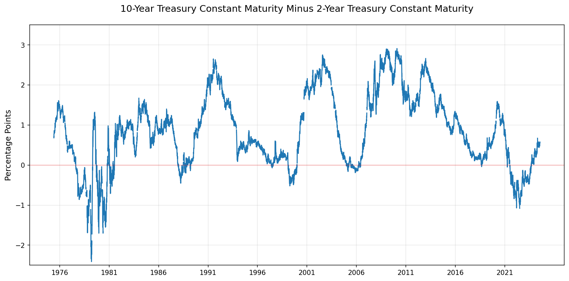

Summary Statistics
Latest Value: | 0.56%
Date Range: | 1976-06-01 to 2025-07-18
Average: | 0.85%
Min Value: | -2.41% on 1980-03-20
Max Value: | 2.91% on 2011-02-04

Treasury Rates

 | 1M | 3M | 6M | 1Y | 2Y | 3Y | 5Y | 7Y | 10Y | 20Y | 30Y
2025-07-11 | 4.37 | 4.41 | 4.31 | 4.09 | 3.90 | 3.86 | 3.99 | 4.19 | 4.43 | 4.96 | 4.96
2025-07-14 | 4.37 | 4.42 | 4.31 | 4.08 | 3.90 | 3.86 | 3.98 | 4.19 | 4.43 | 4.97 | 4.97
2025-07-15 | 4.36 | 4.42 | 4.33 | 4.12 | 3.95 | 3.93 | 4.05 | 4.26 | 4.50 | 5.02 | 5.01
2025-07-16 | 4.36 | 4.41 | 4.31 | 4.08 | 3.88 | 3.86 | 3.99 | 4.21 | 4.46 | 5.01 | 5.01
2025-07-17 | 4.36 | 4.41 | 4.31 | 4.10 | 3.91 | 3.89 | 4.01 | 4.22 | 4.47 | 5.01 | 5.01

 |  | Source

Implied ERP (Current)
Implied ERP on July 1, 2025 = 3.94% (Trailing 12 month, with adjusted payout); 4.21% (Trailing 12 month cash yield); 5.74% (Average CF yield last 10 years); 3.96% (Net cash yield); 3.56% (Normalized Earnings & Payout) (with the US treasury rate of 4.24% used as the riskfree rate in US dollars; increase each of the premiums by the default spread for the US, if you are netting that out of the treasury to get to an adjusted dollar riskfree rate of 3.84%)

Implied ERP (Previous Month)
Implied ERP in previous month = 4.02% (Trailing 12 month, with adjusted payout); 4.25% (Trailing 12 month cash yield); 5.45% (Average CF yield last 10 years); 3.98% (Net cash yield); 3.75% (Normalized Earnings & Payout) (with the US treasury rate of 4.41% used as the riskfree rate in US dollars; increase each of the premiums by the default spread for the US, if you are netting that out of the treasury to get to an adjusted dollar riskfree rate of 4.01%)

Opt_strat
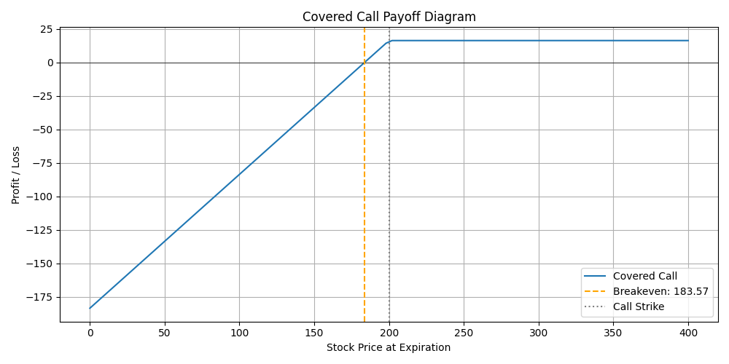
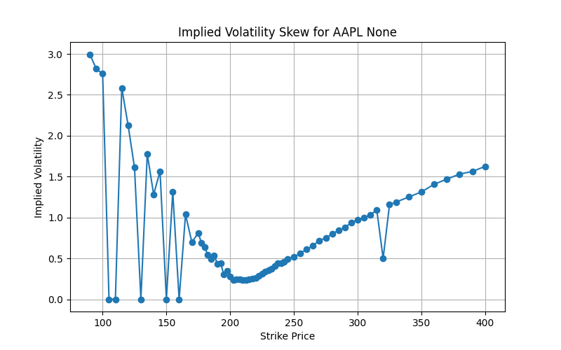
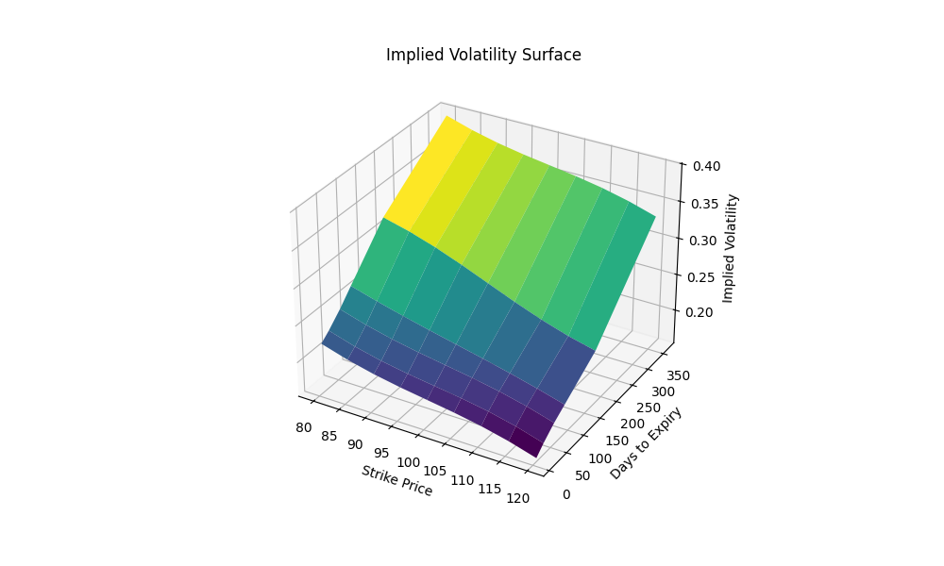
Tcker | AAPL | Greeks
Stock Price | 215 | Delta | 0.30528804986
strike | 200 | Gamma | 0.010950798845
T | 1 | Vega | 56.068090089
r | 0.05 | Theta | -0.021280375339
vol | 0.2 | Rho | 43.210559794
Type | call

 | Covered Call

K1 Spread | 0.9
K2 Spread | 1
K3 Spread | 1.1
K4 Spread | 1.2

 |  |  |  | expire date for chart | 2025-08-01

