Portfolio
 |  | Portfolio

Cash
IBKR Cash | $15,000
 |  |  | Portfolio Value: |  |  | $292,753
Stock Breakdown |  |  | Portfolio Growth: |  |  | 10.72%
Stocks Market Value | $277,753 |  | Portfolio Gain: |  |  | 28352.50
Investment Growth
 |  | Purchase 180 200 500 600 100 120 300 200 150 10 #REF! #REF! #REF! #REF! #REF! #REF! #REF! #REF! #REF! #REF! #REF! #REF! #REF! #REF! #REF! #REF! #REF! #REF! #REF! #REF! #REF! #REF! #REF! #REF! #REF! #REF! #REF! #REF! #REF! #REF! #REF! #REF! #REF! #REF! #RE | Price 201.7699 180.25 604.85 475.027 155.645 144.455 308.45 268.085 106.66 8.815 | Cost 18000 20000 25000 60000 10000 12000 30000 22000 7500 10000 0 0 0 0 0 0 0 0 0 0 0 0 0 0 0 0 0 0 0 0 0 0 0 0 0 0 0 0 0 0 0 0 0 0 0 0 0 0 0 0 0 0 0 0 0 0 0 0 0 0 0 0 0 0 0 0 0 0 0 0 0 0 0 0 0 0 0 0 0 0 0 0 0 0 0 0 0 0 0 0 0 0 0 0 0 0 0 0 | Market Value 20176.99 18025 30242.5 47502.7 15564.5 14445.5 30845 29489.35 5333 8815 | Gain 2176.99 -1975 5242.5 -12497.3 5564.5 2445.5 845 7489.35 -2167 -1185 | Growth 0.120943889 -0.09875 0.2097 -0.208288333 0.55645 0.203791667 0.028166667 0.340425 -0.288933333 -0.1185 | Beta 1.209 1.0147 0.9982 1.0256 0.4096 2.1201 0.4531 1.0826 0.4653 0.5848
AAPL |  |  |  |  |  |  |  |  | 0.12094388889
GOOG |  |  |  |  |  |  |  |  | -0.09875
SPY |  |  |  |  |  |  |  |  | 0.2097
MSFT |  |  |  |  |  |  |  |  | -0.20828833333
JNJ |  |  |  |  |  |  |  |  | 0.55645
NVDA |  |  |  |  |  |  |  |  | 0.20379166667
UNH |  |  |  |  |  |  |  |  | 0.028166666667
JPM |  |  |  |  |  |  |  |  | 0.340425
XOM |  |  |  |  |  |  |  |  | -0.28893333333
SNAP
Growth | 11.37% |  |  |  |  |  |  |  | Notes
Gain | £28,352.50
Beta | 0.99

Watchlist

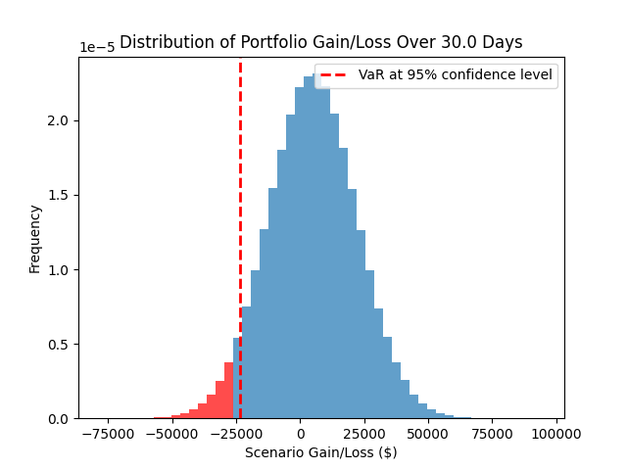
VAR |  |  | Targets
There is a 95% confidence that the portfolio will not lose more than $23,370.50 over 30.0 days. |  |  | Ticker | Price | Target |  | Stop loss | Distance from Target
 |  |  | AAPL | 213.55 | 250 |  |  | 14.6%
 |  |  | GOOG | 180.55 | 200 |  |  | 9.7%
 |  |  | SPY | 625.34 | 700 |  |  | 10.7%
 |  |  | MSFT | 498.84
 |  |  | JNJ | 156.01
 |  |  | NVDA | 159.34
 |  |  | UNH | 308.55
 |  |  | JPM | 296
 |  |  | XOM | 112.2
 |  |  | SNAP | 9.27
 |  |  | META | 719.01
 |  |  | DG | 114.11

 |  |  | 0
 |  |  | 0
 |  |  | 0
 |  |  | 0
 |  |  | 0
 |  |  | 0
 |  |  | 0
 |  |  | 0
 |  |  | 0
 |  |  | 0
 |  |  | 0
 |  |  | 0

Stocks
Cost vs Market Value
Capital Allocation
 | Market Value
AAPL | 21355.00
GOOG | 18055.00
SPY | 31267.00
MSFT | 49884.00
JNJ | 15601.00
NVDA | 15934.00
UNH | 30855.00
JPM | 32560.00
XOM | 5610.00
SNAP | 9270.00
META | 35950.50
DG | 11411.00
 | 0.00
 | 0.00
 | 0.00
 | 0.00
 | 0.00
 | 0.00
 | 0.00
 | 0.00
 | 0.00
 | 0.00
 | 0.00
 | 0.00
 | 0.00
 | 0.00
 | 0.00
 | 0.00
 | 0.00
 | 0.00
 | 0.00
 | 0.00
 | 0.00
 | 0.00
 | 0.00
 | 0.00
 | 0.00
 | 0.00
 | 0.00
 | 0.00
 | 0.00
 | 0.00
 | 0.00
 | 0.00
 | 0.00
 | 0.00
 | 0.00
 | 0.00
 | 0.00
 | 0.00
...
 |  |  |  |  |  | Stock Tracker

Stock | Symbol | Shares | Purchase | Price | Cost | Market Value | Gain | Growth | Beta | Weight
 | AAPL | 100.00 | 180.00 | 213.55 | 18000.00 | 21355.00 | 3355.00 | 18.64% | 1.17 | 8% | Must adjust Cost vs Market Value
 | GOOG | 100.00 | 200.00 | 180.55 | 20000.00 | 18055.00 | -1945.00 | -9.72% | 1.01 | 7%
 | SPY | 50.00 | 500.00 | 625.34 | 25000.00 | 31267.00 | 6267.00 | 25.07% | 1.00 | 11%
 | MSFT | 100.00 | 600.00 | 498.84 | 60000.00 | 49884.00 | -10116.00 | -16.86% | 1.05 | 18%
 | JNJ | 100.00 | 100.00 | 156.01 | 10000.00 | 15601.00 | 5601.00 | 56.01% | 0.39 | 6%
 | NVDA | 100.00 | 120.00 | 159.34 | 12000.00 | 15934.00 | 3934.00 | 32.78% | 2.14 | 6%
 | UNH | 100.00 | 300.00 | 308.55 | 30000.00 | 30855.00 | 855.00 | 2.85% | 0.46 | 11%
 | JPM | 110.00 | 200.00 | 296.00 | 22000.00 | 32560.00 | 10560.00 | 48.00% | 1.11 | 12%
 | XOM | 50.00 | 150.00 | 112.20 | 7500.00 | 5610.00 | -1890.00 | -25.20% | 0.50 | 2%
 | SNAP | 1000.00 | 10.00 | 9.27 | 10000.00 | 9270.00 | -730.00 | -7.30% | 0.62 | 3%
 | META | 50.00 | 500.00 | 719.01 | 25000.00 | 35950.50 | 10950.50 | 43.80% | 1.27 | 13%
 | DG | 100.00 | 99.00 | 114.11 | 9900.00 | 11411.00 | 1511.00 | 15.26% | 0.32 | 4%

MC_Stock_returns
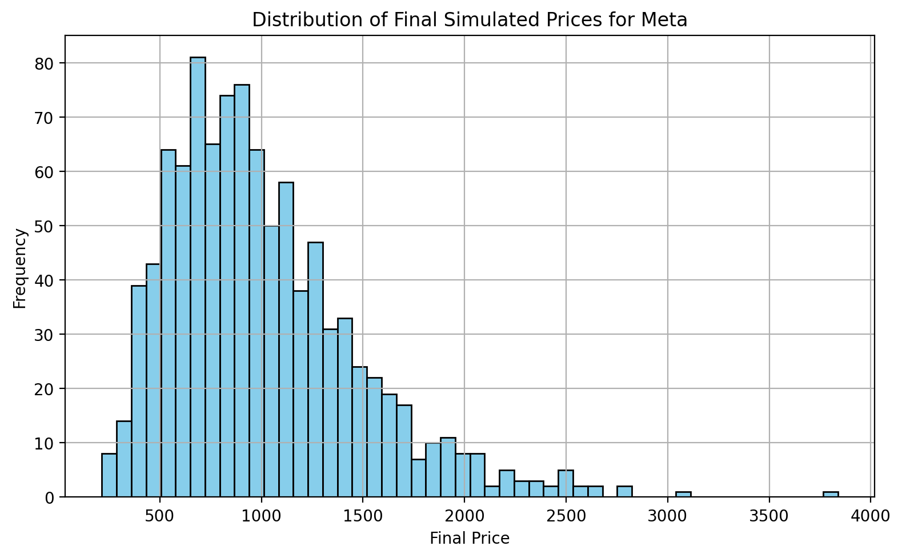
Inputs
Ticker | Meta
Start Date | 2020-01-31
End Date | 2025-07-04
Number of Simulations | 1000
Number of Trading Days | 250
threshold | 900

Output
Annualised Mean Return | 23% | Histogram Bin Lower Edge | Frequency
Annualised Volatility | 45% | 215 | 8
 |  | 287 | 14
Probability above $900.0 | 52% | 360 | 39
Probability below $900.0 | 48% | 432 | 43
 |  | 505 | 64
 |  | 577 | 61
 |  | 650 | 81
 |  | 722 | 65
 |  | 795 | 74
 |  | 867 | 76
 |  | 940 | 64
 |  | 1012 | 50
 |  | 1085 | 58
 |  | 1157 | 38
 |  | 1229 | 47
 |  | 1302 | 31
 |  | 1374 | 33
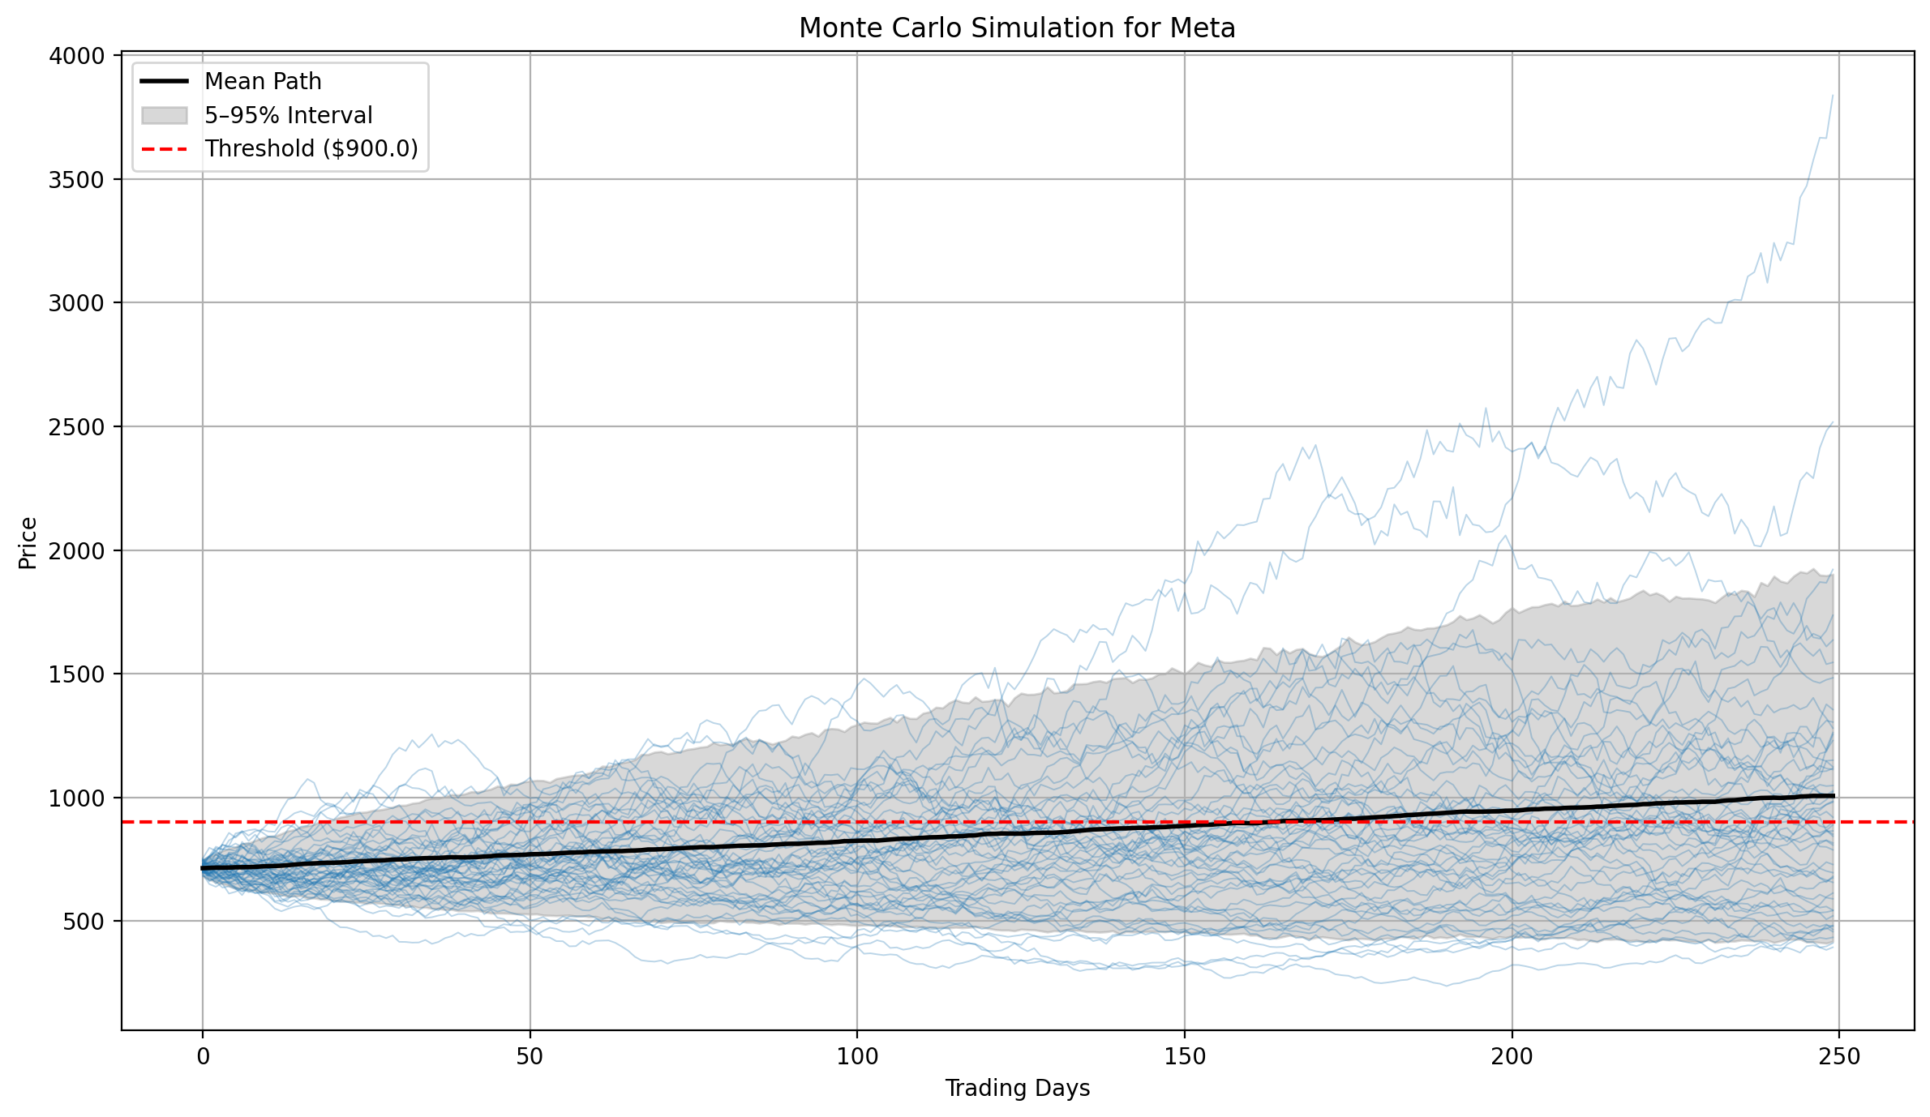
 |  | 1447 | 24
 |  | 1519 | 22
 |  | 1592 | 19
 |  | 1664 | 17
 |  | 1737 | 7
 |  | 1809 | 10
 |  | 1882 | 11
 |  | 1954 | 8
 |  | 2026 | 8
 |  | 2099 | 2
 |  | 2171 | 5
 |  | 2244 | 3
 |  | 2316 | 3
 |  | 2389 | 2
 |  | 2461 | 5
 |  | 2534 | 2
 |  | 2606 | 2
 |  | 2679 | 0
 |  | 2751 | 2
 |  | 2824 | 0
 |  | 2896 | 0
 |  | 2968 | 0
 |  | 3041 | 1
 |  | 3113 | 0
 |  | 3186 | 0
 |  | 3258 | 0
 |  | 3331 | 0
 |  | 3403 | 0
 |  | 3476 | 0
 |  | 3548 | 0
 |  | 3621 | 0
 |  | 3693 | 0
 |  | 3765 | 1

