Pitch_Patient_a
Time(s) | Pitch | Time_s F0_Hz
0.02 | 75 | 0.020031 124.790432
0.03 | 75 | 0.030031 126.810351
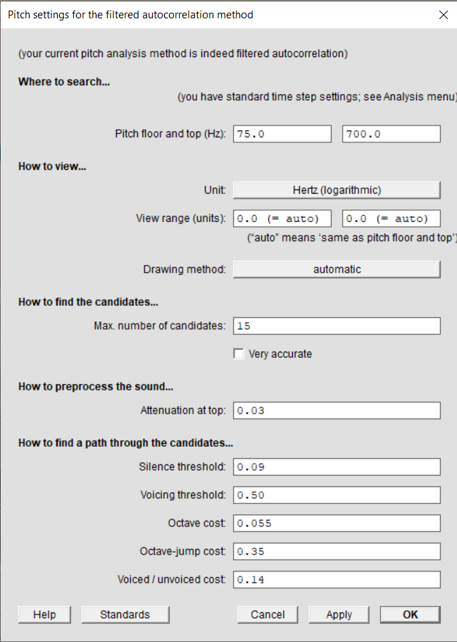
0.04 | 126.13446229 | 0.040031 144.165956
0.05 | 134.60318063 | 0.050031 156.993944
0.06 | 168.06566286 | 0.060031 167.812161
0.07 | 168.21741654 | 0.070031 169.372966
0.08 | 168.36930725 | 0.080031 172.194301
0.09 | 169.58938065 | 0.090031 172.841028
0.1 | 172.056115 | 0.100031 170.738004
0.11 | 172.99036269 | 0.110031 168.376593
0.12 | 172.056115 | 0.120031 169.154985
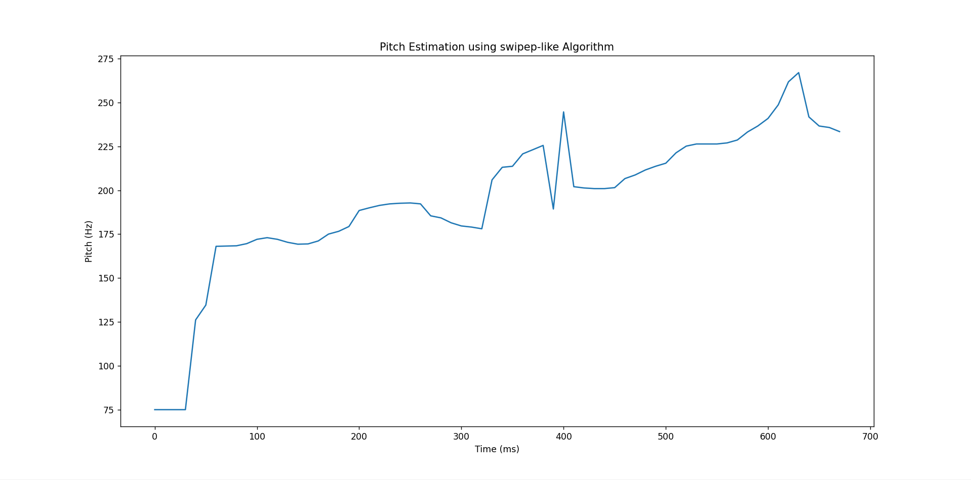
0.13 | 170.35641212 | 0.130031 169.265686
0.14 | 169.28353594 | 0.140031 171.380607
0.15 | 169.43638928 | 0.150031 174.061996
0.16 | 171.12691278 | 0.160031 176.679854
0.17 | 175.03200554 | 0.170031 180.951374
0.18 | 176.61888163 | 0.180031 185.486851
0.19 | 179.34965881 | 0.190031 189.351709
0.2 | 188.47714411 | 0.200031 191.867824
0.21 | 190.01434449 | 0.210031 192.577208
0.22 | 191.39126676 | 0.220031 192.914953
0.23 | 192.25690542 | 0.230031 192.688552
0.24 | 192.60425615 | 0.240031 191.053065
0.25 | 192.77816677 | 0.250031 186.242280
0.26 | 192.25690542 | 0.260031 92.034967
0.27 | 185.4399502 | 0.270031 91.177068
0.28 | 184.27208042 | 0.280031 89.571295
0.29 | 181.46635446 | 0.290031 88.728479
0.3 | 179.67369 | 0.300031 87.501499
0.31 | 179.02621199 | 0.310031 86.797495
0.32 | 178.05936723 | 0.320031 88.710417
0.33 | 205.90712476 | 0.330031 89.618725
0.34 | 213.09148091 | 0.340031 90.871313
0.35 | 213.66923052 | 0.350031 92.069761
0.36 | 220.72563101 | 0.360031 92.628721
0.37 | 223.12917555 | 0.370031 93.284021
0.38 | 225.55889297 | 0.380031 94.740875
0.39 | 189.32960256 | 0.390031 97.268774
0.4 | 244.64531707 | 0.400031 98.685357
0.41 | 202.04126793 | 0.410031 99.769331
0.42 | 201.31318539 | 0.420031 100.257039
0.43 | 200.95012861 | 0.430031 101.500931
0.44 | 200.95012861 | 0.440031 103.355858
0.45 | 201.49495968 | 0.450031 104.254047
0.46 | 206.65182206 | 0.460031 105.524877
0.47 | 208.71365637 | 0.470031 212.808539
0.48 | 211.55844123 | 0.480031 215.832354
0.49 | 213.66923052 | 0.490031 220.157742
0.5 | 215.411895 | 0.500031 224.300246
0.51 | 221.32407891 | 0.510031 226.768520
0.52 | 225.15211044 | 0.520031 226.757427
0.53 | 226.37466414 | 0.530031 226.509910
0.54 | 226.37466414 | 0.540031 230.721073
0.55 | 226.37466414 | 0.550031 233.515284
0.56 | 226.98842812 | 0.560031 235.777529
0.57 | 228.63327984 | 0.570031 240.589256
0.58 | 233.21834097 | 0.580031 244.679196
0.59 | 236.61057985 | 0.590031 252.552707
0.6 | 240.92034846 | 0.600031 255.368130
0.61 | 248.65219512 | 0.610031 260.658601
0.62 | 261.7787367 | 0.620031 265.969546
0.63 | 267.02850398 | 0.630031 --undefined--
0.64 | 241.79167689 | 0.640031 --undefined--
0.65 | 236.61057985 | 0.650031 --undefined--
0.66 | 235.75792219
0.67 | 233.42892379

Pitch_control_a
Time(s) | Pitch | Time_s F0_Hz
0.02 | 75 | 0.020000 259.932389
0.03 | 75 | 0.030000 259.993338 | Rovnaké nastavenia ako v Pitch_Patient_a
0.04 | 259.6609683 | 0.040000 260.461802
0.05 | 259.6609683 | 0.050000 260.524373
0.06 | 259.6609683 | 0.060000 260.778406
0.07 | 259.8954273 | 0.070000 262.000180
0.08 | 260.13009801 | 0.080000 261.258599
0.09 | 260.36498061 | 0.090000 260.992860
0.1 | 260.60007529 | 0.100000 261.292666
0.11 | 260.83538225 | 0.110000 260.986275
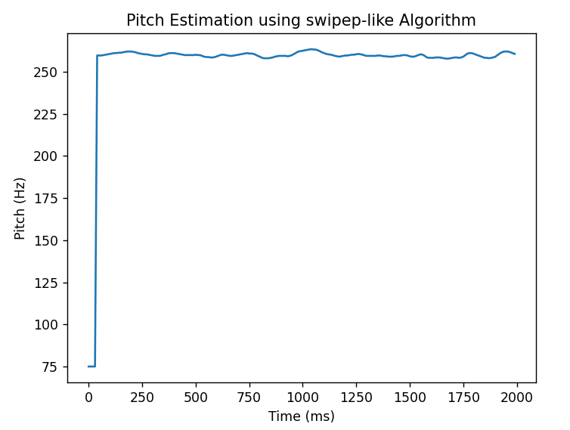
0.12 | 261.07090168 | 0.120000 261.363804
0.13 | 261.07090168 | 0.130000 261.712405
0.14 | 261.30663377 | 0.140000 263.028030
0.15 | 261.30663377 | 0.150000 262.928081
0.16 | 261.54257872 | 0.160000 262.408017
0.17 | 261.7787367 | 0.170000 262.467026
0.18 | 262.01510793 | 0.180000 262.193785
0.19 | 262.01510793 | 0.190000 261.884450
0.2 | 262.01510793 | 0.200000 261.637387
0.21 | 261.7787367 | 0.210000 261.471730
0.22 | 261.54257872 | 0.220000 261.255745
0.23 | 261.07090168 | 0.230000 260.842496
0.24 | 260.83538225 | 0.240000 261.318245
0.25 | 260.60007529 | 0.250000 261.289497
0.26 | 260.36498061 | 0.260000 260.140866
0.27 | 260.36498061 | 0.270000 259.656176
0.28 | 260.13009801 | 0.280000 259.806401
0.29 | 259.8954273 | 0.290000 259.596052
0.3 | 259.6609683 | 0.300000 259.511921
0.31 | 259.42672081 | 0.310000 259.603620
0.32 | 259.42672081 | 0.320000 260.329161
0.33 | 259.42672081 | 0.330000 260.756760
0.34 | 259.6609683 | 0.340000 260.615694
0.35 | 260.13009801 | 0.350000 261.103329
0.36 | 260.36498061 | 0.360000 261.664783
0.37 | 260.83538225 | 0.370000 261.026134
0.38 | 261.07090168 | 0.380000 261.172129
0.39 | 261.07090168 | 0.390000 260.501920
0.4 | 261.07090168 | 0.400000 262.580282
0.41 | 260.83538225 | 0.410000 262.159847
0.42 | 260.60007529 | 0.420000 262.116235
0.43 | 260.36498061 | 0.430000 261.270204
0.44 | 260.13009801 | 0.440000 260.240672
0.45 | 259.8954273 | 0.450000 260.102525
0.46 | 259.8954273 | 0.460000 259.803335
0.47 | 259.8954273 | 0.470000 260.210990
0.48 | 259.8954273 | 0.480000 260.477064
0.49 | 259.8954273 | 0.490000 261.782385
0.5 | 260.13009801 | 0.500000 260.585994
0.51 | 259.8954273 | 0.510000 260.061200
0.52 | 259.8954273 | 0.520000 259.534365
0.53 | 259.42672081 | 0.530000 260.788227
0.54 | 258.95885961 | 0.540000 260.619074
0.55 | 258.72524551 | 0.550000 258.116973
0.56 | 258.72524551 | 0.560000 259.127280
0.57 | 258.49184216 | 0.570000 259.932025
0.58 | 258.49184216 | 0.580000 259.803807
0.59 | 258.72524551 | 0.590000 260.731551
0.6 | 259.19268464 | 0.600000 260.238702
0.61 | 259.6609683 | 0.610000 260.490622
0.62 | 260.13009801 | 0.620000 260.317887
0.63 | 260.13009801 | 0.630000 260.497110
0.64 | 259.8954273 | 0.640000 260.232454
0.65 | 259.6609683 | 0.650000 259.864045
0.66 | 259.42672081 | 0.660000 260.200307
0.67 | 259.42672081 | 0.670000 260.125982
0.68 | 259.6609683 | 0.680000 260.400849
0.69 | 259.8954273 | 0.690000 261.466845
0.7 | 260.13009801 | 0.700000 261.051424
0.71 | 260.36498061 | 0.710000 261.040563
0.72 | 260.60007529 | 0.720000 261.131593
0.73 | 260.83538225 | 0.730000 260.758655
0.74 | 261.07090168 | 0.740000 261.149151
0.75 | 260.83538225 | 0.750000 261.427265
0.76 | 260.83538225 | 0.760000 260.745545
0.77 | 260.60007529 | 0.770000 260.077437
0.78 | 260.13009801 | 0.780000 259.950037
0.79 | 259.42672081 | 0.790000 259.502468
0.8 | 258.95885961 | 0.800000 259.369295
0.81 | 258.25864937 | 0.810000 259.092301
0.82 | 258.02566696 | 0.820000 259.463630
0.83 | 258.02566696 | 0.830000 258.438880
0.84 | 258.02566696 | 0.840000 259.638141
0.85 | 258.25864937 | 0.850000 263.021655
0.86 | 258.49184216 | 0.860000 263.904474
0.87 | 258.95885961 | 0.870000 260.426003
0.88 | 259.19268464 | 0.880000 260.445760
0.89 | 259.42672081 | 0.890000 261.301835
0.9 | 259.42672081 | 0.900000 259.867617
0.91 | 259.42672081 | 0.910000 257.681718
0.92 | 259.42672081 | 0.920000 260.291377
0.93 | 259.19268464 | 0.930000 260.375253
0.94 | 259.42672081 | 0.940000 260.004213
0.95 | 259.8954273 | 0.950000 260.607172
0.96 | 260.60007529 | 0.960000 262.114791
0.97 | 261.30663377 | 0.970000 262.254250
0.98 | 262.01510793 | 0.980000 263.185267
0.99 | 262.25169258 | 0.990000 262.274929
1 | 262.48849086 | 1.000000 263.449731
1.01 | 262.72550295 | 1.010000 264.543257
1.02 | 262.96272906 | 1.020000 264.784468
1.03 | 263.20016936 | 1.030000 263.933857
1.04 | 263.43782406 | 1.040000 263.753021
1.05 | 263.20016936 | 1.050000 264.810222
1.06 | 263.20016936 | 1.060000 263.076305
1.07 | 262.72550295 | 1.070000 260.775244
1.08 | 262.25169258 | 1.080000 260.851513
1.09 | 261.54257872 | 1.090000 261.794723
1.1 | 261.07090168 | 1.100000 260.806909
1.11 | 260.60007529 | 1.110000 260.463788
1.12 | 260.36498061 | 1.120000 260.127143
1.13 | 260.13009801 | 1.130000 259.890016
1.14 | 259.8954273 | 1.140000 260.320679
1.15 | 259.42672081 | 1.150000 259.767363
1.16 | 259.19268464 | 1.160000 259.652210
1.17 | 258.95885961 | 1.170000 259.777085
1.18 | 259.19268464 | 1.180000 260.404927
1.19 | 259.42672081 | 1.190000 259.841612
1.2 | 259.6609683 | 1.200000 260.300254
1.21 | 259.6609683 | 1.210000 259.920808
1.22 | 259.8954273 | 1.220000 260.355089
1.23 | 260.13009801 | 1.230000 260.662712
1.24 | 260.13009801 | 1.240000 261.218549
1.25 | 260.36498061 | 1.250000 262.235516
1.26 | 260.60007529 | 1.260000 261.294158
1.27 | 260.36498061 | 1.270000 260.605583
1.28 | 260.13009801 | 1.280000 259.862429
1.29 | 259.6609683 | 1.290000 259.493174
1.3 | 259.42672081 | 1.300000 260.265930
1.31 | 259.42672081 | 1.310000 260.213260
1.32 | 259.42672081 | 1.320000 260.613791
1.33 | 259.42672081 | 1.330000 261.121003
1.34 | 259.42672081 | 1.340000 259.968987
1.35 | 259.6609683 | 1.350000 260.726457
1.36 | 259.6609683 | 1.360000 259.604145
1.37 | 259.42672081 | 1.370000 259.378327
1.38 | 259.19268464 | 1.380000 259.487101
1.39 | 259.19268464 | 1.390000 259.298272
1.4 | 258.95885961 | 1.400000 259.856217
1.41 | 258.95885961 | 1.410000 259.497152
1.42 | 258.95885961 | 1.420000 260.238956
1.43 | 259.19268464 | 1.430000 260.285566
1.44 | 259.42672081 | 1.440000 259.534697
1.45 | 259.42672081 | 1.450000 259.399209
1.46 | 259.6609683 | 1.460000 259.226632
1.47 | 259.8954273 | 1.470000 259.862230
1.48 | 259.8954273 | 1.480000 260.049442
1.49 | 259.6609683 | 1.490000 259.772075
1.5 | 259.19268464 | 1.500000 259.187773
1.51 | 258.95885961 | 1.510000 259.067385
1.52 | 258.95885961 | 1.520000 259.936989
1.53 | 259.42672081 | 1.530000 260.220060
1.54 | 259.8954273 | 1.540000 260.379792
1.55 | 260.36498061 | 1.550000 259.828945
1.56 | 260.13009801 | 1.560000 259.703422
1.57 | 259.42672081 | 1.570000 259.029860
1.58 | 258.49184216 | 1.580000 258.466801
1.59 | 258.25864937 | 1.590000 258.964410
1.6 | 258.25864937 | 1.600000 259.364377
1.61 | 258.25864937 | 1.610000 258.779988
1.62 | 258.49184216 | 1.620000 258.606346
1.63 | 258.49184216 | 1.630000 258.354247
1.64 | 258.49184216 | 1.640000 258.786246
1.65 | 258.25864937 | 1.650000 258.307162
1.66 | 258.02566696 | 1.660000 258.242914
1.67 | 257.79289472 | 1.670000 257.856711
1.68 | 257.79289472 | 1.680000 258.997229
1.69 | 258.02566696 | 1.690000 258.970658
1.7 | 258.25864937 | 1.700000 258.611169
1.71 | 258.49184216 | 1.710000 258.845689
1.72 | 258.49184216 | 1.720000 259.124621
1.73 | 258.25864937 | 1.730000 259.357900
1.74 | 258.49184216 | 1.740000 259.989435
1.75 | 258.95885961 | 1.750000 260.711413
1.76 | 259.8954273 | 1.760000 261.044863
1.77 | 260.83538225 | 1.770000 260.783157
1.78 | 261.07090168 | 1.780000 260.969558
1.79 | 261.07090168 | 1.790000 260.439403
1.8 | 260.60007529 | 1.800000 259.809469
1.81 | 260.13009801 | 1.810000 259.850426
1.82 | 259.6609683 | 1.820000 259.102783
1.83 | 259.19268464 | 1.830000 258.726268
1.84 | 258.72524551 | 1.840000 258.650107
1.85 | 258.25864937 | 1.850000 258.248056
1.86 | 258.25864937 | 1.860000 258.845027
1.87 | 258.02566696 | 1.870000 259.656067
1.88 | 258.25864937 | 1.880000 259.409406
1.89 | 258.49184216 | 1.890000 259.630319
1.9 | 258.95885961 | 1.900000 260.137024
1.91 | 259.8954273 | 1.910000 261.562730
1.92 | 260.83538225 | 1.920000 262.021842
1.93 | 261.54257872 | 1.930000 262.205012
1.94 | 262.01510793 | 1.940000 262.299987
1.95 | 262.01510793 | 1.950000 261.593240
1.96 | 262.01510793 | 1.960000 261.772948
1.97 | 261.54257872 | 1.970000 261.890655
1.98 | 261.07090168 | 1.980000 260.837909
1.99 | 260.60007529

Formants_cotrol_a
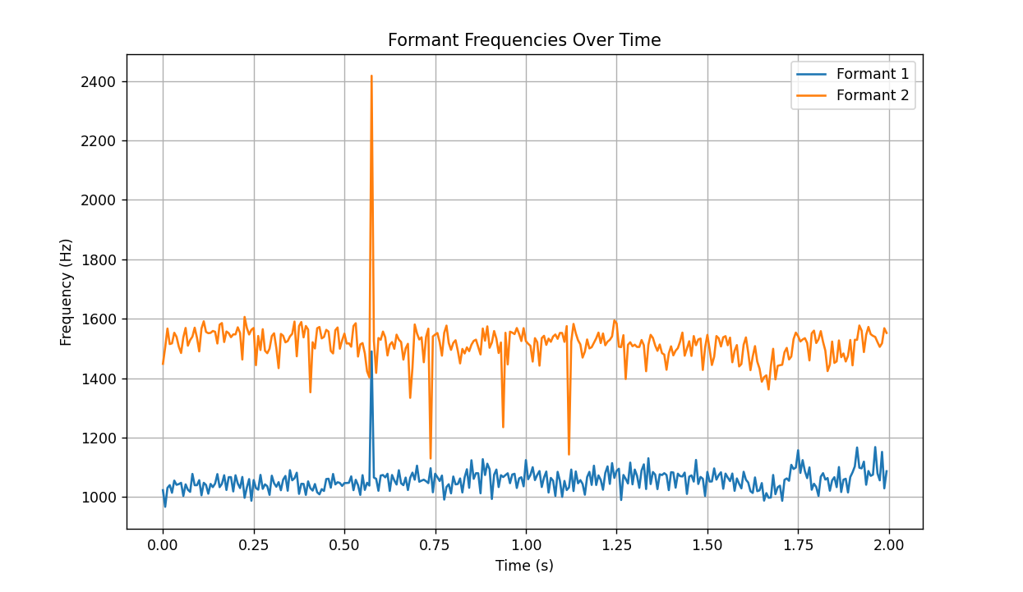
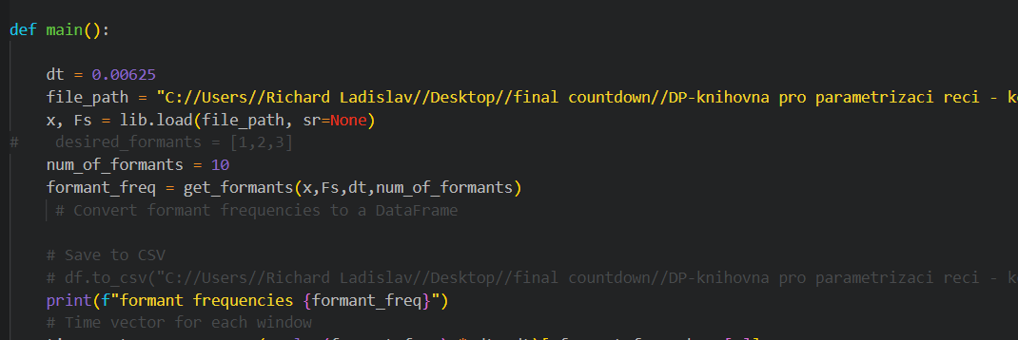
Time (s) | Formant 1 (Hz) | Formant 2 (Hz) | Formant 1 (Hz) | Formant 2 (Hz) | Time_s | F1_Hz F2_Hz | F3_Hz F4_
0 | 1023.4915098 | 1448.4068353 | 1023.4915098 | 1448.4068353 | 0.025 | 1041.974514 | 1535.759834
0.00625 | 967.50804172 | 1503.923101 | 967.50804172 | 1503.923101 | 0.03125 | 1043.481692 | 1537.981137
0.0125 | 1031.327717 | 1567.0964197 | 1031.327717 | 1567.0964197 | 0.0375 | 1044.729336 | 1539.805438
0.01875 | 1040.3993082 | 1514.8474308 | 1040.3993082 | 1514.8474308 | 0.04375 | 1049.643667 | 1523.543354
0.025 | 1014.7809544 | 1517.3444767 | 1014.7809544 | 1517.3444767 | 0.05 | 1059.837115 | 1524.534063
0.03125 | 1055.7532303 | 1552.9180555 | 1055.7532303 | 1552.9180555 | 0.05625 | 1048.180567 | 1531.379295
0.0375 | 1041.5026671 | 1539.2158511 | 1041.5026671 | 1539.2158511 | 0.0625 | 1047.131813 | 1538.740249
0.04375 | 1043.8958524 | 1506.3048663 | 1043.8958524 | 1506.3048663 | 0.06875 | 1049.746675 | 1538.730063
0.05 | 1048.2232992 | 1484.8454023 | 1048.2232992 | 1484.8454023 | 0.075 | 1055.79362 | 1411.108765
0.05625 | 1004.0921305 | 1537.1566445 | 1004.0921305 | 1537.1566445 | 0.08125 | 1072.615831 | 1537.344577
0.0625 | 1042.9870936 | 1569.1148491 | 1042.9870936 | 1569.1148491 | 0.0875 | 1063.490048 | 1538.668268
0.06875 | 1024.9292611 | 1509.4760781 | 1024.9292611 | 1509.4760781 | 0.09375 | 1059.381769 | 1554.57954
0.075 | 1017.7385304 | 1528.2153192 | 1017.7385304 | 1528.2153192 | 0.1 | 1054.077594 | 1553.921324
0.08125 | 1078.1702368 | 1539.9557489 | 1078.1702368 | 1539.9557489 | 0.10625 | 1044.35994 | 1553.32675
0.0875 | 1040.0868347 | 1569.911119 | 1040.0868347 | 1569.911119 | 0.1125 | 1042.513839 | 1550.806011
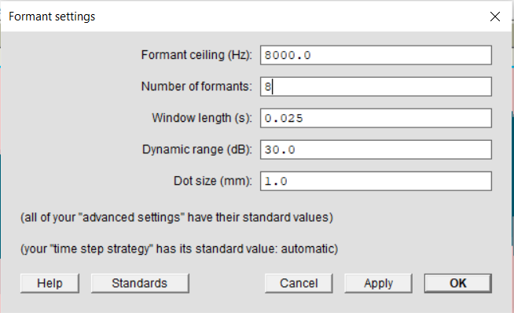
0.09375 | 1040.2305375 | 1536.6303121 | 1040.2305375 | 1536.6303121 | 0.11875 | 1040.162819 | 1552.141726
0.1 | 1057.0597559 | 1490.1995231 | 1057.0597559 | 1490.1995231 | 0.125 | 1041.474287 | 1550.976632
0.10625 | 1006.1763724 | 1567.4311576 | 1006.1763724 | 1567.4311576 | 0.13125 | 1039.460949 | 1551.737848
0.1125 | 1048.310261 | 1591.4254006 | 1048.310261 | 1591.4254006 | 0.1375 | 1025.216396 | 1545.089531
0.11875 | 1040.9524702 | 1555.7683733 | 1040.9524702 | 1555.7683733 | 0.14375 | 1034.287309 | 1550.145291
0.125 | 1011.5720573 | 1551.3827174 | 1011.5720573 | 1551.3827174 | 0.15 | 1039.670577 | 1559.005697
0.13125 | 1044.5404636 | 1552.5168059 | 1044.5404636 | 1552.5168059 | 0.15625 | 1050.873339 | 1562.318166
0.1375 | 1033.7383418 | 1558.9112733 | 1033.7383418 | 1558.9112733 | 0.1625 | 164.931633 | 1060.141847
0.14375 | 1045.6524709 | 1556.1438641 | 1045.6524709 | 1556.1438641 | 0.16875 | 231.625674 | 1065.934761
0.15 | 1077.6048039 | 1516.6787768 | 1077.6048039 | 1516.6787768 | 0.175 | 423.322408 | 1075.505064
0.15625 | 1033.5579539 | 1580.1447935 | 1033.5579539 | 1580.1447935 | 0.18125 | 510.390112 | 1067.131576
0.1625 | 1044.7655459 | 1585.5424844 | 1044.7655459 | 1585.5424844 | 0.1875 | 474.303863 | 1062.275386
0.16875 | 1073.6786352 | 1521.7101773 | 1073.6786352 | 1521.7101773 | 0.19375 | 297.048129 | 1059.072673
0.175 | 1024.1290918 | 1557.1258636 | 1024.1290918 | 1557.1258636 | 0.2 | 202.478415 | 1047.112532
0.18125 | 1067.2074584 | 1551.6181359 | 1067.2074584 | 1551.6181359 | 0.20625 | 558.662008 | 1045.735821
0.1875 | 1067.3162599 | 1538.0054049 | 1067.3162599 | 1538.0054049 | 0.2125 | 626.215405 | 1053.367861
0.19375 | 1019.2076224 | 1547.3649063 | 1019.2076224 | 1547.3649063 | 0.21875 | 722.320742 | 1065.950528
0.2 | 1073.602914 | 1547.4275543 | 1073.602914 | 1547.4275543 | 0.225 | 1027.960083 | 1542.000483
0.20625 | 1045.8976168 | 1571.301833 | 1045.8976168 | 1571.301833 | 0.23125 | 1039.073131 | 1550.671826
0.2125 | 1030.5012558 | 1552.214172 | 1030.5012558 | 1552.214172 | 0.2375 | 1037.566146 | 1535.01907
0.21875 | 1067.9239484 | 1462.803347 | 1067.9239484 | 1462.803347 | 0.24375 | 1048.0956 | 1542.818357
0.225 | 997.85921979 | 1606.2253021 | 997.85921979 | 1606.2253021 | 0.25 | 248.252733 | 1053.754949
0.23125 | 1032.5660833 | 1569.1904656 | 1032.5660833 | 1569.1904656 | 0.25625 | 1042.42016 | 1541.27479
0.2375 | 1060.7887343 | 1547.0334105 | 1060.7887343 | 1547.0334105 | 0.2625 | 1039.573669 | 1536.618679
0.24375 | 987.90814982 | 1562.9772875 | 987.90814982 | 1562.9772875 | 0.26875 | 1041.23995 | 1530.579939
0.25 | 1057.4166254 | 1568.9379801 | 1057.4166254 | 1568.9379801 | 0.275 | 1056.024924 | 1547.610904
0.25625 | 1030.7286018 | 1443.8769769 | 1030.7286018 | 1443.8769769 | 0.28125 | 1053.389647 | 1526.858181
0.2625 | 1025.1186976 | 1542.0939124 | 1025.1186976 | 1542.0939124 | 0.2875 | 1056.033069 | 1516.015288
0.26875 | 1074.8874288 | 1494.8498864 | 1074.8874288 | 1494.8498864 | 0.29375 | 1065.088905 | 1550.729082
0.275 | 1027.8905549 | 1564.8729342 | 1027.8905549 | 1564.8729342 | 0.3 | 1071.317595 | 1538.249826
0.28125 | 1043.0453247 | 1492.5130259 | 1043.0453247 | 1492.5130259 | 0.30625 | 1060.696185 | 1524.532868
0.2875 | 1036.7725393 | 1484.0908488 | 1036.7725393 | 1484.0908488 | 0.3125 | 1052.467835 | 1518.364297
0.29375 | 1007.6710995 | 1499.374512 | 1007.6710995 | 1499.374512 | 0.31875 | 1054.271347 | 1524.428087
0.3 | 1072.175712 | 1541.7160067 | 1072.175712 | 1541.7160067 | 0.325 | 1076.805563 | 1546.42078
0.30625 | 1046.7036377 | 1551.14386 | 1046.7036377 | 1551.14386 | 0.33125 | 1088.380372 | 1540.022944
0.3125 | 1034.9794883 | 1501.3393445 | 1034.9794883 | 1501.3393445 | 0.3375 | 1092.102265 | 1536.397354
0.31875 | 1050.4827185 | 1433.8256984 | 1050.4827185 | 1433.8256984 | 0.34375 | 1085.020604 | 1530.053685
0.325 | 1023.2128314 | 1548.9720431 | 1023.2128314 | 1548.9720431 | 0.35 | 1087.25108 | 1530.86104
0.33125 | 1058.9154572 | 1542.7093832 | 1058.9154572 | 1542.7093832 | 0.35625 | 1081.757467 | 1538.416728
0.3375 | 1071.4140402 | 1520.709402 | 1071.4140402 | 1520.709402 | 0.3625 | 1063.40742 | 1548.933648
0.34375 | 1021.5169559 | 1524.9585846 | 1021.5169559 | 1524.9585846 | 0.36875 | 1067.768542 | 1543.609835
0.35 | 1090.793332 | 1540.5144782 | 1090.793332 | 1540.5144782 | 0.375 | 1075.557206 | 1543.040041
0.35625 | 1056.6589172 | 1549.3918668 | 1056.6589172 | 1549.3918668 | 0.38125 | 1054.805563 | 1552.571125
0.3625 | 1063.6447699 | 1590.5018226 | 1063.6447699 | 1590.5018226 | 0.3875 | 1041.8591 | 1550.520282
0.36875 | 1082.1784874 | 1473.6641512 | 1082.1784874 | 1473.6641512 | 0.39375 | 1047.563396 | 1548.96422
0.375 | 1010.9531481 | 1575.2710236 | 1010.9531481 | 1575.2710236 | 0.4 | 1045.178592 | 1548.103917
0.38125 | 1044.9182852 | 1589.060422 | 1044.9182852 | 1589.060422 | 0.40625 | 1030.796151 | 1536.809216
0.3875 | 1044.5919396 | 1537.3477269 | 1044.5919396 | 1537.3477269 | 0.4125 | 1038.286383 | 1536.685038
0.39375 | 1007.6165257 | 1575.7236978 | 1007.6165257 | 1575.7236978 | 0.41875 | 1032.22404 | 1534.04367
0.4 | 1053.0753654 | 1563.7908691 | 1053.0753654 | 1563.7908691 | 0.425 | 1023.218064 | 1534.709349
0.40625 | 1030.0780111 | 1352.6922988 | 1030.0780111 | 1352.6922988 | 0.43125 | 1039.307187 | 1547.857707
0.4125 | 1022.0228328 | 1521.0815093 | 1022.0228328 | 1521.0815093 | 0.4375 | 1048.029131 | 1546.253763
0.41875 | 1044.0855882 | 1500.0067379 | 1044.0855882 | 1500.0067379 | 0.44375 | 1049.89223 | 1538.261622
0.425 | 1016.4258809 | 1567.9506864 | 1016.4258809 | 1567.9506864 | 0.45 | 1065.167102 | 1531.590809
0.43125 | 1009.4991612 | 1572.2799868 | 1009.4991612 | 1572.2799868 | 0.45625 | 1063.124347 | 1544.558862
0.4375 | 1027.0039592 | 1533.9560446 | 1027.0039592 | 1533.9560446 | 0.4625 | 1064.610934 | 1536.08134
0.44375 | 1020.8363276 | 1538.9072566 | 1020.8363276 | 1538.9072566 | 0.46875 | 1055.212028 | 1526.126519
0.45 | 1060.8864421 | 1562.696256 | 1060.8864421 | 1562.696256 | 0.475 | 1054.281488 | 1519.536876
0.45625 | 1061.9821962 | 1556.7919157 | 1061.9821962 | 1556.7919157 | 0.48125 | 1048.755181 | 1525.405295
0.4625 | 1031.8825249 | 1491.8388879 | 1031.8825249 | 1491.8388879 | 0.4875 | 1057.656339 | 1531.582649
0.46875 | 1077.9563148 | 1483.358558 | 1077.9563148 | 1483.358558 | 0.49375 | 1079.984609 | 1529.399581
0.475 | 1042.8738416 | 1561.2966708 | 1042.8738416 | 1561.2966708 | 0.5 | 1058.525834 | 1521.060013
0.48125 | 1050.1415306 | 1570.6808383 | 1050.1415306 | 1570.6808383 | 0.50625 | 1038.491401 | 1527.048672
0.4875 | 1047.8156102 | 1499.2445978 | 1047.8156102 | 1499.2445978 | 0.5125 | 1037.456075 | 1515.978196
0.49375 | 1037.7905024 | 1527.5558716 | 1037.7905024 | 1527.5558716 | 0.51875 | 1044.163707 | 1532.007902
0.5 | 1047.2839465 | 1549.9074457 | 1047.2839465 | 1549.9074457 | 0.525 | 1031.328275 | 1528.712705
0.50625 | 1047.6423925 | 1516.66495 | 1047.6423925 | 1516.66495 | 0.53125 | 1037.642673 | 1508.499639
0.5125 | 1048.3398735 | 1517.4720841 | 1048.3398735 | 1517.4720841 | 0.5375 | 1041.26119 | 1513.186569
0.51875 | 1069.9025067 | 1505.9519808 | 1069.9025067 | 1505.9519808 | 0.54375 | 1046.197083 | 1503.834128
0.525 | 1023.4932076 | 1575.5063428 | 1023.4932076 | 1575.5063428 | 0.55 | 1053.688184 | 1499.756588
0.53125 | 1058.4465862 | 1584.9818084 | 1058.4465862 | 1584.9818084 | 0.55625 | 1054.882208 | 1473.791779
0.5375 | 1040.418199 | 1472.8843177 | 1040.418199 | 1472.8843177 | 0.5625 | 1067.974963 | 1477.521092
0.54375 | 1007.4920435 | 1513.6682587 | 1007.4920435 | 1513.6682587 | 0.56875 | 1065.647079 | 1475.07265
0.55 | 1074.0268113 | 1518.1095724 | 1074.0268113 | 1518.1095724 | 0.575 | 1067.24062 | 1491.4379
0.55625 | 1024.3650654 | 1483.8292081 | 1024.3650654 | 1483.8292081 | 0.58125 | 319.419526 | 1087.824448
0.5625 | 1048.3938444 | 1422.9837695 | 1048.3938444 | 1422.9837695 | 0.5875 | 291.650554 | 1086.789906
0.56875 | 1038.8196477 | 1403.0173801 | 1038.8196477 | 1403.0173801 | 0.59375 | 1088.617803 | 1528.934529
0.575 | 1490.2524758 | 2417.2882602 | 1490.2524758 | 2417.2882602 | 0.6 | 1079.834885 | 1517.100893
0.58125 | 1066.0358297 | 1525.2431501 | 1066.0358297 | 1525.2431501 | 0.60625 | 1070.068144 | 1508.270739
0.5875 | 1061.6126565 | 1417.9499684 | 1061.6126565 | 1417.9499684 | 0.6125 | 1074.772301 | 1516.061449
0.59375 | 1021.3899526 | 1535.2523805 | 1021.3899526 | 1535.2523805 | 0.61875 | 1079.977631 | 1515.159905
0.6 | 1072.6894861 | 1529.3334807 | 1072.6894861 | 1529.3334807 | 0.625 | 1089.593627 | 1518.049982
0.60625 | 1074.459598 | 1556.9520435 | 1074.459598 | 1556.9520435 | 0.63125 | 1081.426909 | 1507.574606
0.6125 | 1066.5526827 | 1537.4244824 | 1066.5526827 | 1537.4244824 | 0.6375 | 1091.112 | 1521.083794
0.61875 | 1078.7560393 | 1476.4862739 | 1078.7560393 | 1476.4862739 | 0.64375 | 1088.510941 | 1530.421758
0.625 | 1020.7846152 | 1512.519497 | 1020.7846152 | 1512.519497 | 0.65 | 1083.989224 | 1524.94252
0.63125 | 1074.4984926 | 1521.5680481 | 1074.4984926 | 1521.5680481 | 0.65625 | 1080.695065 | 1528.355446
0.6375 | 1056.3722775 | 1498.8949155 | 1056.3722775 | 1498.8949155 | 0.6625 | 1069.619448 | 1514.911048
0.64375 | 1042.3770509 | 1546.5053106 | 1042.3770509 | 1546.5053106 | 0.66875 | 1074.64517 | 1527.392945
0.65 | 1090.6016044 | 1529.9277457 | 1090.6016044 | 1529.9277457 | 0.675 | 1071.049966 | 1519.332217
0.65625 | 1046.5479727 | 1521.7256039 | 1046.5479727 | 1521.7256039 | 0.68125 | 1083.857874 | 1525.704858
0.6625 | 1040.2953334 | 1462.5994325 | 1040.2953334 | 1462.5994325 | 0.6875 | 1095.974482 | 1529.752195
0.66875 | 1065.8187015 | 1500.4843188 | 1065.8187015 | 1500.4843188 | 0.69375 | 1115.815311 | 1541.511275
0.675 | 1023.9776137 | 1515.7428089 | 1023.9776137 | 1515.7428089 | 0.7 | 1107.644577 | 1536.040362
0.68125 | 1064.9458011 | 1333.9959417 | 1064.9458011 | 1333.9959417 | 0.70625 | 1085.29977 | 1532.911064
0.6875 | 1082.5476936 | 1434.8854972 | 1082.5476936 | 1434.8854972 | 0.7125 | 1072.414266 | 1528.971948
0.69375 | 1058.7840367 | 1580.8362648 | 1058.7840367 | 1580.8362648 | 0.71875 | 1085.397645 | 1536.605518
0.7 | 1105.9279168 | 1550.6107199 | 1105.9279168 | 1550.6107199 | 0.725 | 1089.454544 | 1537.225383
0.70625 | 1051.8880995 | 1530.2607616 | 1051.8880995 | 1530.2607616 | 0.73125 | 1063.771421 | 1534.414653
0.7125 | 1055.5817388 | 1537.6158878 | 1055.5817388 | 1537.6158878 | 0.7375 | 1077.92486 | 1544.183826
0.71875 | 1058.7104032 | 1453.7091891 | 1058.7104032 | 1453.7091891 | 0.74375 | 1080.558937 | 1533.779462
0.725 | 1053.6386752 | 1539.1346115 | 1053.6386752 | 1539.1346115 | 0.75 | 1078.281279 | 1538.993366
0.73125 | 1047.1587178 | 1566.6780591 | 1047.1587178 | 1566.6780591 | 0.75625 | 331.58277 | 1093.558512
0.7375 | 1097.3281393 | 1130.0102006 | 1097.3281393 | 1130.0102006 | 0.7625 | 294.618289 | 1096.316059
0.74375 | 1016.3209942 | 1540.5760869 | 1016.3209942 | 1540.5760869 | 0.76875 | 1087.883112 | 1541.345706
0.75 | 1078.7731458 | 1546.7122309 | 1078.7731458 | 1546.7122309 | 0.775 | 1051.383312 | 1530.535367
0.75625 | 1067.2282794 | 1551.9500611 | 1067.2282794 | 1551.9500611 | 0.78125 | 1036.670347 | 1533.142865
0.7625 | 1054.2597924 | 1521.1174824 | 1054.2597924 | 1521.1174824 | 0.7875 | 1055.532773 | 1534.723031
0.76875 | 1072.5723753 | 1475.8768937 | 1072.5723753 | 1475.8768937 | 0.79375 | 1063.980432 | 1518.651917
0.775 | 991.75642259 | 1552.6119739 | 991.75642259 | 1552.6119739 | 0.8 | 1060.095176 | 1511.811505
0.78125 | 1034.1073377 | 1576.9527473 | 1034.1073377 | 1576.9527473 | 0.80625 | 1058.682696 | 1495.83821
0.7875 | 1043.5281419 | 1518.7390998 | 1043.5281419 | 1518.7390998 | 0.8125 | 1054.828151 | 1484.281212
0.79375 | 1012.6765888 | 1495.2797772 | 1012.6765888 | 1495.2797772 | 0.81875 | 1063.394246 | 1489.126212
0.8 | 1069.3934218 | 1518.7197528 | 1069.3934218 | 1518.7197528 | 0.825 | 1078.187689 | 1492.89592
0.80625 | 1042.9790577 | 1527.7470985 | 1042.9790577 | 1527.7470985 | 0.83125 | 1073.725472 | 1449.577776
0.8125 | 1044.1895924 | 1492.2963952 | 1044.1895924 | 1492.2963952 | 0.8375 | 1076.751461 | 1499.104099
0.81875 | 1062.8536252 | 1449.7438079 | 1062.8536252 | 1449.7438079 | 0.84375 | 1083.435334 | 1508.666526
0.825 | 1015.678007 | 1498.5899891 | 1015.678007 | 1498.5899891 | 0.85 | 1083.825622 | 1489.592054
0.83125 | 1066.6777817 | 1483.2091012 | 1066.6777817 | 1483.2091012 | 0.85625 | 1091.354584 | 1501.745676
0.8375 | 1093.8143645 | 1503.7953866 | 1093.8143645 | 1503.7953866 | 0.8625 | 1083.623331 | 1495.115369
0.84375 | 1031.4053468 | 1490.9766697 | 1031.4053468 | 1490.9766697 | 0.86875 | 1090.876708 | 1501.364726
0.85 | 1124.1528245 | 1512.5919944 | 1124.1528245 | 1512.5919944 | 0.875 | 1080.657589 | 1502.128174
0.85625 | 1061.6960788 | 1525.5911308 | 1061.6960788 | 1525.5911308 | 0.88125 | 1072.35668 | 1460.664683
0.8625 | 1080.5655496 | 1529.6207244 | 1080.5655496 | 1529.6207244 | 0.8875 | 1113.777127 | 1500.573405
0.86875 | 1080.3606513 | 1504.4877299 | 1080.3606513 | 1504.4877299 | 0.89375 | 1101.267806 | 1517.863489
0.875 | 1012.90812 | 1479.9585501 | 1012.90812 | 1479.9585501 | 0.9 | 1062.744383 | 1496.961851
0.88125 | 1127.8038058 | 1567.2741829 | 1127.8038058 | 1567.2741829 | 0.90625 | 1062.940052 | 1507.825608
0.8875 | 1074.4070334 | 1526.1818036 | 1074.4070334 | 1526.1818036 | 0.9125 | 1070.80073 | 1513.913254
0.89375 | 1112.4682968 | 1574.3689895 | 1112.4682968 | 1574.3689895 | 0.91875 | 1089.365689 | 1522.948193
0.9 | 1093.9591616 | 1502.4426222 | 1093.9591616 | 1502.4426222 | 0.925 | 1102.09453 | 1522.262294
0.90625 | 993.83141028 | 1519.7792426 | 993.83141028 | 1519.7792426 | 0.93125 | 1115.696926 | 1525.205801
0.9125 | 1075.4008573 | 1558.6380708 | 1075.4008573 | 1558.6380708 | 0.9375 | 1084.471795 | 1525.17592
0.91875 | 1092.8019941 | 1533.0897184 | 1092.8019941 | 1533.0897184 | 0.94375 | 1077.750328 | 1523.233627
0.925 | 1033.9849046 | 1484.793686 | 1033.9849046 | 1484.793686 | 0.95 | 1073.849032 | 1521.612421
0.93125 | 1073.8582927 | 1520.2477874 | 1073.8582927 | 1520.2477874 | 0.95625 | 1078.294726 | 1531.969074
0.9375 | 1067.5308753 | 1235.2380002 | 1067.5308753 | 1235.2380002 | 0.9625 | 1078.892747 | 1540.489498
0.94375 | 1074.185499 | 1552.82582 | 1074.185499 | 1552.82582 | 0.96875 | 1084.952387 | 1546.630762
0.95 | 1080.3130675 | 1446.4453221 | 1080.3130675 | 1446.4453221 | 0.975 | 1087.568135 | 1549.702104
0.95625 | 1046.9299379 | 1556.5667238 | 1046.9299379 | 1556.5667238 | 0.98125 | 1081.982404 | 1547.681826
0.9625 | 1076.0412165 | 1553.3386579 | 1076.0412165 | 1553.3386579 | 0.9875 | 1082.073317 | 1538.413191
0.96875 | 1078.6317452 | 1548.3859877 | 1078.6317452 | 1548.3859877 | 0.99375 | 1067.753563 | 1526.184459
0.975 | 1030.8670176 | 1568.8627873 | 1030.8670176 | 1568.8627873 | 1 | 1077.82632 | 1529.576917
0.98125 | 1062.9224298 | 1549.2440628 | 1062.9224298 | 1549.2440628 | 1.00625 | 1079.195876 | 1505.417787
0.9875 | 1066.9227776 | 1524.9966822 | 1066.9227776 | 1524.9966822 | 1.0125 | 199.305339 | 1096.192586
0.99375 | 1036.4123603 | 1568.3629493 | 1036.4123603 | 1568.3629493 | 1.01875 | 471.725691 | 1106.814329
1 | 1124.6826367 | 1524.8284103 | 1124.6826367 | 1524.8284103 | 1.025 | 494.486927 | 1100.134731
1.00625 | 1060.2959066 | 1515.965717 | 1060.2959066 | 1515.965717 | 1.03125 | 1075.517335 | 1499.94635
1.0125 | 1074.5175005 | 1508.9476509 | 1074.5175005 | 1508.9476509 | 1.0375 | 1079.855039 | 1508.391427
1.01875 | 1100.741071 | 1455.9110036 | 1100.741071 | 1455.9110036 | 1.04375 | 503.207559 | 1095.077034
1.025 | 1057.41086 | 1534.7064556 | 1057.41086 | 1534.7064556 | 1.05 | 544.861981 | 1097.603393
1.03125 | 1074.6723716 | 1521.0770002 | 1074.6723716 | 1521.0770002 | 1.05625 | 523.980752 | 1091.871193
1.0375 | 1087.8510898 | 1442.2488836 | 1087.8510898 | 1442.2488836 | 1.0625 | 408.972511 | 1078.669388
1.04375 | 1034.0959483 | 1534.9381305 | 1034.0959483 | 1534.9381305 | 1.06875 | 1067.074859 | 1522.925983
1.05 | 1065.9921756 | 1542.6696555 | 1065.9921756 | 1542.6696555 | 1.075 | 1056.503037 | 1520.480827
1.05625 | 1086.153253 | 1512.2371095 | 1086.153253 | 1512.2371095 | 1.08125 | 497.199706 | 1064.312521
1.0625 | 1015.4986957 | 1533.3080418 | 1015.4986957 | 1533.3080418 | 1.0875 | 517.466719 | 1074.493037
1.06875 | 1064.7884606 | 1522.4147803 | 1064.7884606 | 1522.4147803 | 1.09375 | 464.300502 | 1076.566296
1.075 | 1055.1229667 | 1540.2331455 | 1055.1229667 | 1540.2331455 | 1.1 | 1044.328736 | 1533.412933
1.08125 | 1004.1147786 | 1547.0418019 | 1004.1147786 | 1547.0418019 | 1.10625 | 445.077735 | 1086.811484
1.0875 | 1085.0988441 | 1532.4361343 | 1085.0988441 | 1532.4361343 | 1.1125 | 179.621551 | 1070.956916
1.09375 | 1055.0121146 | 1552.2419474 | 1055.0121146 | 1552.2419474 | 1.11875 | 1044.316993 | 1543.55582
1.1 | 1000.9347601 | 1552.2197423 | 1000.9347601 | 1552.2197423 | 1.125 | 1056.883249 | 1542.203337
1.10625 | 1054.5932239 | 1522.3186052 | 1054.5932239 | 1522.3186052 | 1.13125 | 1058.649748 | 1525.689937
1.1125 | 1023.846003 | 1575.3370589 | 1023.846003 | 1575.3370589 | 1.1375 | 1058.927797 | 1532.3144
1.11875 | 1032.5867109 | 1143.4209391 | 1032.5867109 | 1143.4209391 | 1.14375 | 1072.776614 | 1523.575647
1.125 | 1092.818768 | 1523.0059939 | 1092.818768 | 1523.0059939 | 1.15 | 1070.915489 | 1514.039015
1.13125 | 1020.4997739 | 1582.685449 | 1020.4997739 | 1582.685449 | 1.15625 | 1066.361631 | 1509.394631
1.1375 | 1086.5519937 | 1551.1045157 | 1086.5519937 | 1551.1045157 | 1.1625 | 1078.664765 | 1521.239374
1.14375 | 1046.4485138 | 1527.5904058 | 1046.4485138 | 1527.5904058 | 1.16875 | 241.167439 | 1094.171543
1.15 | 1057.3428078 | 1513.9329549 | 1057.3428078 | 1513.9329549 | 1.175 | 1090.065366 | 1528.100644
1.15625 | 1044.5703216 | 1469.4564395 | 1044.5703216 | 1469.4564395 | 1.18125 | 1074.554573 | 1517.632435
1.1625 | 1008.1231949 | 1489.3794912 | 1008.1231949 | 1489.3794912 | 1.1875 | 1072.495597 | 1514.154596
1.16875 | 1067.4755695 | 1530.3361198 | 1067.4755695 | 1530.3361198 | 1.19375 | 1093.659955 | 1525.233871
1.175 | 1085.0435634 | 1500.2297164 | 1085.0435634 | 1500.2297164 | 1.2 | 158.383467 | 1112.211446
1.18125 | 1041.1756979 | 1504.34831 | 1041.1756979 | 1504.34831 | 1.20625 | 1103.822811 | 1546.738901
1.1875 | 1105.8129478 | 1519.2247393 | 1105.8129478 | 1519.2247393 | 1.2125 | 1087.006651 | 1526.498226
1.19375 | 1040.8074039 | 1534.1153736 | 1040.8074039 | 1534.1153736 | 1.21875 | 1102.914691 | 1531.160072
1.2 | 1073.2602868 | 1553.4319275 | 1073.2602868 | 1553.4319275 | 1.225 | 1107.287244 | 1528.094767
1.20625 | 1057.9093088 | 1518.2221298 | 1057.9093088 | 1518.2221298 | 1.23125 | 1095.61945 | 1526.814523
1.2125 | 1024.9163385 | 1550.4364899 | 1024.9163385 | 1550.4364899 | 1.2375 | 1081.058999 | 1516.983232
1.21875 | 1081.2658085 | 1510.7516858 | 1081.2658085 | 1510.7516858 | 1.24375 | 1090.149476 | 1532.734666
1.225 | 1103.4253257 | 1523.050955 | 1103.4253257 | 1523.050955 | 1.25 | 1087.015944 | 1531.344744
1.23125 | 1044.5800909 | 1528.9384072 | 1044.5800909 | 1528.9384072 | 1.25625 | 1091.440039 | 1530.442161
1.2375 | 1114.4996412 | 1540.6900321 | 1114.4996412 | 1540.6900321 | 1.2625 | 1108.99772 | 1536.389031
1.24375 | 1064.7712978 | 1594.4718359 | 1064.7712978 | 1594.4718359 | 1.26875 | 251.183925 | 1108.167256
1.25 | 1088.4355031 | 1584.2804175 | 1088.4355031 | 1584.2804175 | 1.275 | 1094.653737 | 1536.581494
1.25625 | 1095.654643 | 1505.9432971 | 1095.654643 | 1505.9432971 | 1.28125 | 1069.180469 | 1526.396848
1.2625 | 990.40755752 | 1504.5721631 | 990.40755752 | 1504.5721631 | 1.2875 | 1094.615688 | 1519.790589
1.26875 | 1074.6716414 | 1544.8068165 | 1074.6716414 | 1544.8068165 | 1.29375 | 1106.767865 | 1516.436932
1.275 | 1061.4621373 | 1397.3132512 | 1061.4621373 | 1397.3132512 | 1.3 | 1117.69277 | 1508.466666
1.28125 | 1046.0363624 | 1512.4595621 | 1046.0363624 | 1512.4595621 | 1.30625 | 1089.852933 | 1498.465001
1.2875 | 1116.2634757 | 1520.9707506 | 1116.2634757 | 1520.9707506 | 1.3125 | 1098.04392 | 1520.41837
1.29375 | 1043.0813015 | 1507.5214389 | 1043.0813015 | 1507.5214389 | 1.31875 | 1107.235543 | 1510.16153
1.3 | 1092.7609776 | 1512.7925301 | 1092.7609776 | 1512.7925301 | 1.325 | 1094.733187 | 1511.428772
1.30625 | 1071.7628622 | 1505.1940365 | 1071.7628622 | 1505.1940365 | 1.33125 | 1095.918594 | 1512.738423
1.3125 | 1031.3974572 | 1505.114713 | 1031.3974572 | 1505.114713 | 1.3375 | 1091.011191 | 1515.489103
1.31875 | 1089.9059713 | 1528.5105546 | 1089.9059713 | 1528.5105546 | 1.34375 | 1092.399658 | 1522.68085
1.325 | 1110.3116715 | 1511.0013689 | 1110.3116715 | 1511.0013689 | 1.35 | 1089.406756 | 1509.242869
1.33125 | 1027.1949621 | 1423.4767986 | 1027.1949621 | 1423.4767986 | 1.35625 | 1115.407535 | 1516.647435
1.3375 | 1130.9290231 | 1512.4890308 | 1130.9290231 | 1512.4890308 | 1.3625 | 90.199221 | 1121.42859
1.34375 | 1043.9615597 | 1545.9133041 | 1043.9615597 | 1545.9133041 | 1.36875 | 1098.557645 | 1509.693865
1.35 | 1084.6113436 | 1535.2585795 | 1084.6113436 | 1535.2585795 | 1.375 | 1106.695652 | 1512.573479
1.35625 | 1075.6937995 | 1510.0175719 | 1075.6937995 | 1510.0175719 | 1.38125 | 1107.188612 | 1503.860601
1.3625 | 1026.9658363 | 1492.0248921 | 1026.9658363 | 1492.0248921 | 1.3875 | 1092.015073 | 1492.428924
1.36875 | 1076.8143725 | 1513.2848646 | 1076.8143725 | 1513.2848646 | 1.39375 | 1089.723703 | 1489.829781
1.375 | 1074.2657056 | 1484.4033134 | 1074.2657056 | 1484.4033134 | 1.4 | 1098.561085 | 1491.110421
1.38125 | 1080.6383755 | 1479.4226552 | 1080.6383755 | 1479.4226552 | 1.40625 | 1085.603826 | 1489.308523
1.3875 | 1074.6033488 | 1428.4217901 | 1074.6033488 | 1428.4217901 | 1.4125 | 1094.527956 | 1496.806641
1.39375 | 1023.5569888 | 1483.654008 | 1023.5569888 | 1483.654008 | 1.41875 | 1097.081655 | 1510.882114
1.4 | 1083.9550669 | 1507.1915428 | 1083.9550669 | 1507.1915428 | 1.425 | 1094.102828 | 1505.42521
1.40625 | 1082.9535767 | 1476.8327624 | 1082.9535767 | 1476.8327624 | 1.43125 | 1091.521677 | 1516.462975
1.4125 | 1031.9130378 | 1492.567195 | 1031.9130378 | 1492.567195 | 1.4375 | 142.704276 | 1098.894094
1.41875 | 1079.0037268 | 1501.2339678 | 1079.0037268 | 1501.2339678 | 1.44375 | 227.594507 | 1115.525882
1.425 | 1070.6811338 | 1523.5735683 | 1070.6811338 | 1523.5735683 | 1.45 | 1108.745938 | 1528.140762
1.43125 | 1069.5165932 | 1553.4724546 | 1069.5165932 | 1553.4724546 | 1.45625 | 1095.595934 | 1517.153113
1.4375 | 1082.6023082 | 1475.7297473 | 1082.6023082 | 1475.7297473 | 1.4625 | 1073.609864 | 1499.817569
1.44375 | 1010.774992 | 1499.879627 | 1010.774992 | 1499.879627 | 1.46875 | 1086.221677 | 1507.157969
1.45 | 1068.8335825 | 1524.3502416 | 1068.8335825 | 1524.3502416 | 1.475 | 1073.601483 | 1503.936518
1.45625 | 1073.2414046 | 1474.9762717 | 1073.2414046 | 1474.9762717 | 1.48125 | 1085.248242 | 1506.726741
1.4625 | 1052.333343 | 1541.7978526 | 1052.333343 | 1541.7978526 | 1.4875 | 1077.183209 | 1505.870943
1.46875 | 1125.208087 | 1510.9645502 | 1125.208087 | 1510.9645502 | 1.49375 | 1073.365112 | 1506.689024
1.475 | 1044.2393945 | 1530.475149 | 1044.2393945 | 1530.475149 | 1.5 | 1079.272483 | 1513.129732
1.48125 | 1067.9530671 | 1533.415628 | 1067.9530671 | 1533.415628 | 1.50625 | 1076.692674 | 1511.625605
1.4875 | 1061.9660612 | 1427.8572276 | 1061.9660612 | 1427.8572276 | 1.5125 | 1083.64005 | 1503.3185
1.49375 | 1004.028522 | 1503.0623918 | 1004.028522 | 1503.0623918 | 1.51875 | 1094.804872 | 1512.434042
1.5 | 1084.883375 | 1545.6587878 | 1084.883375 | 1545.6587878 | 1.525 | 1096.692522 | 1521.28326
1.50625 | 1052.3824738 | 1497.071291 | 1052.3824738 | 1497.071291 | 1.53125 | 1097.227577 | 1522.888937
1.5125 | 1052.825487 | 1444.4084799 | 1052.825487 | 1444.4084799 | 1.5375 | 1101.685984 | 1524.92065
1.51875 | 1096.6469758 | 1472.2303017 | 1096.6469758 | 1472.2303017 | 1.54375 | 1089.524798 | 1516.909624
1.525 | 1058.8225775 | 1541.8556073 | 1058.8225775 | 1541.8556073 | 1.55 | 1082.660962 | 1524.710447
1.53125 | 1073.9733025 | 1534.2251638 | 1073.9733025 | 1534.2251638 | 1.55625 | 1083.214244 | 1523.114788
1.5375 | 1083.6955028 | 1506.8418454 | 1083.6955028 | 1506.8418454 | 1.5625 | 1092.068972 | 1536.070516
1.54375 | 1028.2005393 | 1537.5823056 | 1028.2005393 | 1537.5823056 | 1.56875 | 1078.440099 | 1528.954157
1.55 | 1079.2946683 | 1541.4876075 | 1079.2946683 | 1541.4876075 | 1.575 | 1088.219242 | 1508.787265
1.55625 | 1065.8960857 | 1510.8798689 | 1065.8960857 | 1510.8798689 | 1.58125 | 1069.86958 | 1492.633258
1.5625 | 1053.8805344 | 1536.5556233 | 1053.8805344 | 1536.5556233 | 1.5875 | 1069.946195 | 1491.274003
1.56875 | 1079.3996844 | 1453.6219638 | 1079.3996844 | 1453.6219638 | 1.59375 | 1083.047414 | 1482.886169
1.575 | 1021.2796063 | 1492.331881 | 1021.2796063 | 1492.331881 | 1.6 | 1084.173064 | 1487.882057
1.58125 | 1062.8994125 | 1511.4243637 | 1062.8994125 | 1511.4243637 | 1.60625 | 213.291263 | 1083.072834
1.5875 | 1045.118274 | 1439.6170196 | 1045.118274 | 1439.6170196 | 1.6125 | 435.403357 | 1096.142924
1.59375 | 1029.6074304 | 1447.5832113 | 1029.6074304 | 1447.5832113 | 1.61875 | 482.588494 | 1100.257609
1.6 | 1085.3101337 | 1512.881022 | 1085.3101337 | 1512.881022 | 1.625 | 502.618104 | 1102.684796
1.60625 | 1058.6156754 | 1537.2687665 | 1058.6156754 | 1537.2687665 | 1.63125 | 496.1118 | 1102.411864
1.6125 | 1049.3540959 | 1486.9494188 | 1049.3540959 | 1486.9494188 | 1.6375 | 328.959691 | 1065.988738
1.61875 | 1020.0211558 | 1427.0997524 | 1020.0211558 | 1427.0997524 | 1.64375 | 310.164057 | 1058.07037
1.625 | 1014.1713125 | 1472.8740943 | 1014.1713125 | 1472.8740943 | 1.65 | 559.743398 | 1083.417099
1.63125 | 1066.3351439 | 1507.9862304 | 1066.3351439 | 1507.9862304 | 1.65625 | 639.719755 | 1099.770218
1.6375 | 1020.1489749 | 1455.9023903 | 1020.1489749 | 1455.9023903 | 1.6625 | 612.688434 | 1101.650781
1.64375 | 1022.7306869 | 1432.4182483 | 1022.7306869 | 1432.4182483 | 1.66875 | 606.788621 | 1108.367597
1.65 | 1047.2871429 | 1388.12769 | 1047.2871429 | 1388.12769 | 1.675 | 604.662456 | 1091.710519
1.65625 | 988.35240192 | 1403.5072071 | 988.35240192 | 1403.5072071 | 1.68125 | 546.19378 | 1069.605874
1.6625 | 1013.6437447 | 1409.6477806 | 1013.6437447 | 1409.6477806 | 1.6875 | 542.849911 | 1075.289873
1.66875 | 997.95875084 | 1362.2630707 | 997.95875084 | 1362.2630707 | 1.69375 | 557.35081 | 1102.23559
1.675 | 998.91035662 | 1441.5095232 | 998.91035662 | 1441.5095232 | 1.7 | 526.372074 | 1103.232666
1.68125 | 1074.6053238 | 1498.9621324 | 1074.6053238 | 1498.9621324 | 1.70625 | 490.215823 | 1093.243526
1.6875 | 1010.0262638 | 1396.0180809 | 1010.0262638 | 1396.0180809 | 1.7125 | 391.704826 | 1083.760912
1.69375 | 1033.296135 | 1441.5618418 | 1033.296135 | 1441.5618418 | 1.71875 | 427.843029 | 1099.748728
1.7 | 1038.5209196 | 1443.7414179 | 1038.5209196 | 1443.7414179 | 1.725 | 314.583849 | 1100.404227
1.70625 | 987.62328745 | 1445.2730147 | 987.62328745 | 1445.2730147 | 1.73125 | 369.416914 | 1130.20438
1.7125 | 1058.2229585 | 1487.3375206 | 1058.2229585 | 1487.3375206 | 1.7375 | 255.500946 | 1147.92352
1.71875 | 1062.9724197 | 1502.0604253 | 1062.9724197 | 1502.0604253 | 1.74375 | 1144.763516 | 1525.011253
1.725 | 1054.9914674 | 1463.1051232 | 1054.9914674 | 1463.1051232 | 1.75 | 1145.087982 | 1535.747749
1.73125 | 1108.6986717 | 1472.9613754 | 1108.6986717 | 1472.9613754 | 1.75625 | 1170.400889 | 1537.040819
1.7375 | 1094.6571139 | 1531.5999175 | 1094.6571139 | 1531.5999175 | 1.7625 | 1158.397617 | 1535.457206
1.74375 | 1099.5969697 | 1553.4198695 | 1099.5969697 | 1553.4198695 | 1.76875 | 1130.13739 | 1531.269299
1.75 | 1157.7650588 | 1541.6740127 | 1157.7650588 | 1541.6740127 | 1.775 | 1096.77154 | 1527.888343
1.75625 | 1081.401883 | 1523.5731223 | 1081.401883 | 1523.5731223 | 1.78125 | 1090.011088 | 1526.473322
1.7625 | 1124.5030154 | 1530.1627328 | 1124.5030154 | 1530.1627328 | 1.7875 | 1078.286591 | 1539.139625
1.76875 | 1087.2345698 | 1534.7183414 | 1087.2345698 | 1534.7183414 | 1.79375 | 1061.808058 | 1539.720112
1.775 | 1064.047027 | 1518.4455145 | 1064.047027 | 1518.4455145 | 1.8 | 1059.018943 | 1537.186264
1.78125 | 1100.079563 | 1459.7906801 | 1100.079563 | 1459.7906801 | 1.80625 | 1049.93744 | 1530.840265
1.7875 | 1024.938033 | 1550.680791 | 1024.938033 | 1550.680791 | 1.8125 | 1047.847353 | 1524.136076
1.79375 | 1045.1256864 | 1560.128674 | 1045.1256864 | 1560.128674 | 1.81875 | 1059.705689 | 1515.407047
1.8 | 1034.1308666 | 1518.3216986 | 1034.1308666 | 1518.3216986 | 1.825 | 1082.268164 | 1514.072636
1.80625 | 1004.2148367 | 1530.8097429 | 1004.2148367 | 1530.8097429 | 1.83125 | 1080.479677 | 1510.353209
1.8125 | 1068.7500996 | 1558.3419114 | 1068.7500996 | 1558.3419114 | 1.8375 | 1074.212301 | 1478.761338
1.81875 | 1080.7259797 | 1522.2358754 | 1080.7259797 | 1522.2358754 | 1.84375 | 1071.450723 | 1483.860819
1.825 | 1059.1719013 | 1493.0725948 | 1059.1719013 | 1493.0725948 | 1.85 | 1081.313934 | 1487.17832
1.83125 | 1064.2761237 | 1423.9916957 | 1064.2761237 | 1423.9916957 | 1.85625 | 309.339244 | 1086.347671
1.8375 | 1021.589882 | 1445.7755354 | 1021.589882 | 1445.7755354 | 1.8625 | 390.779093 | 1088.901993
1.84375 | 1056.3352569 | 1523.3082185 | 1056.3352569 | 1523.3082185 | 1.86875 | 451.680506 | 1094.188742
1.85 | 1067.1553464 | 1451.5055296 | 1067.1553464 | 1451.5055296 | 1.875 | 430.400548 | 1088.282836
1.85625 | 1033.6845744 | 1456.7520231 | 1033.6845744 | 1456.7520231 | 1.88125 | 447.545518 | 1104.284948
1.8625 | 1101.2747005 | 1527.1071036 | 1101.2747005 | 1527.1071036 | 1.8875 | 1094.046186 | 1493.630097
1.86875 | 1017.2431822 | 1470.6928097 | 1017.2431822 | 1470.6928097 | 1.89375 | 1084.540576 | 1499.409612
1.875 | 1058.8817408 | 1483.3017779 | 1058.8817408 | 1483.3017779 | 1.9 | 1090.032437 | 1516.545908
1.88125 | 1061.8790967 | 1456.1806679 | 1061.8790967 | 1456.1806679 | 1.90625 | 1127.415961 | 1534.913408
1.8875 | 1015.8136634 | 1475.3289871 | 1015.8136634 | 1475.3289871 | 1.9125 | 1154.955 | 1541.504117
1.89375 | 1067.5904673 | 1528.6405131 | 1067.5904673 | 1528.6405131 | 1.91875 | 1150.608044 | 1537.979281
1.9 | 1083.4889483 | 1443.3069381 | 1083.4889483 | 1443.3069381 | 1.925 | 1134.312328 | 1535.789421
1.90625 | 1103.3028305 | 1529.3330567 | 1103.3028305 | 1529.3330567 | 1.93125 | 1129.430857 | 1535.521523
1.9125 | 1167.088349 | 1529.0679263 | 1167.088349 | 1529.0679263 | 1.9375 | 1114.403814 | 1534.001497
1.91875 | 1098.9527151 | 1577.2849014 | 1098.9527151 | 1577.2849014 | 1.94375 | 1096.391528 | 1540.447519
1.925 | 1096.7658997 | 1560.0489918 | 1096.7658997 | 1560.0489918 | 1.95 | 145.160064 | 1113.385374
1.93125 | 1119.3972346 | 1487.9601234 | 1119.3972346 | 1487.9601234 | 1.95625 | 278.550058 | 1125.81981
1.9375 | 1041.7015338 | 1545.9448957 | 1041.7015338 | 1545.9448957 | 1.9625 | 376.094155 | 1157.866468
1.94375 | 1087.9512786 | 1572.4529826 | 1087.9512786 | 1572.4529826 | 1.96875 | 232.159247 | 1147.175767
1.95 | 1071.5579002 | 1548.1016456 | 1071.5579002 | 1548.1016456 | 1.975 | 1118.322243 | 1533.816244
1.95625 | 1075.6913181 | 1542.4496468 | 1075.6913181 | 1542.4496468
1.9625 | 1168.4743308 | 1538.8102091 | 1168.4743308 | 1538.8102091
1.96875 | 1080.0098173 | 1521.3921604 | 1080.0098173 | 1521.3921604
1.975 | 1056.4866773 | 1505.4380622 | 1056.4866773 | 1505.4380622
1.98125 | 1152.3216494 | 1517.6022504 | 1152.3216494 | 1517.6022504
1.9875 | 1029.5787484 | 1568.0976522 | 1029.5787484 | 1568.0976522
1.99375 | 1087.2170122 | 1552.257474 | 1087.2170122 | 1552.257474

