hint
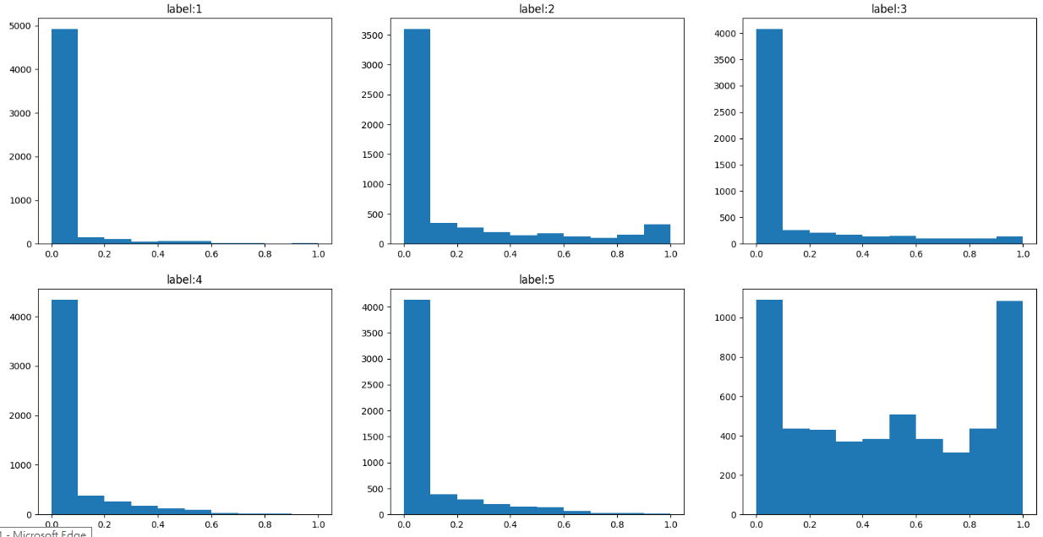
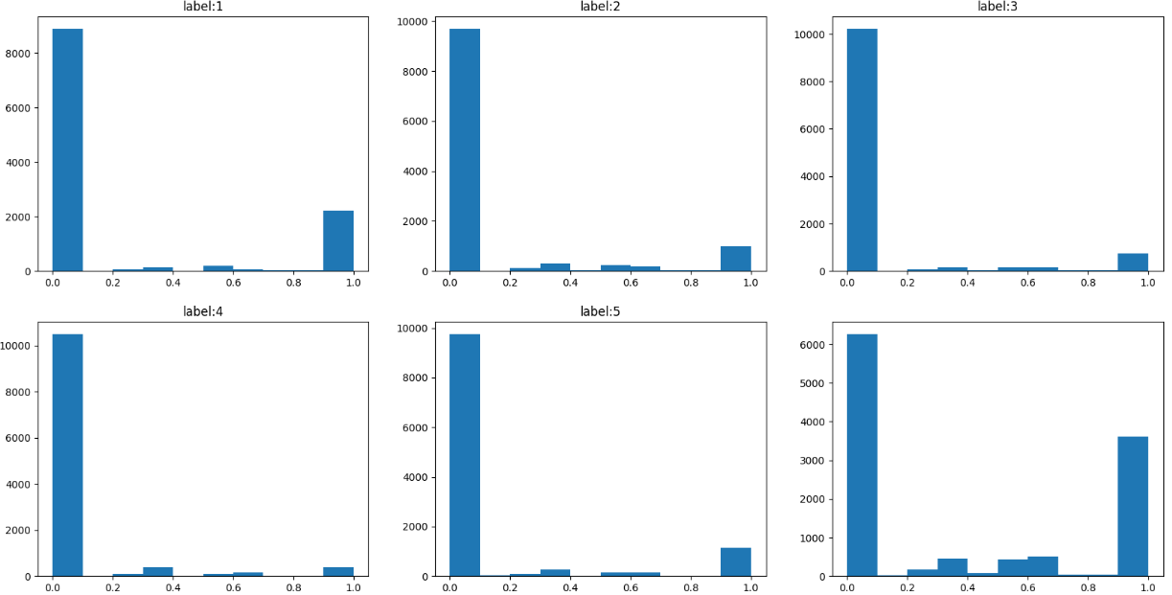
Voter | Fold 0_CV | len(data) |  | prob | label | KL_loss
all | 0.575 | 2228 |  | 0.2 | 1 | 1.6
< 7 | 0.694 | 1472 |  | 0.4 | 1 | 0.91
> 7 | 0.418 | 921 |  | 0.6 | 1 | 0.51
> 12 | 0.407 | 723 |  | 0.8 | 1 | 0.22
> 14 | 0.419 | 457

 |  |  | Voter > 7 |  |  |  | Voter < 7

