valid
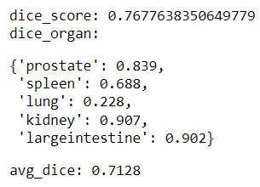
Before Scale Adjust
effb0 | ws 384
CV0 |  |  |  | LB= 0.33 | LB_norm= 0.457 |  | Hubmap
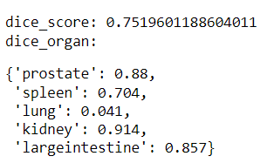
 |  |  | kidney | 0.07 |  | kidney | 0.619
 |  |  | prostate | 0.11 |  | largeintestine | 0.57
 |  |  | largeintestine | 0.03
 |  |  | spleen | 0.1
 |  |  | lung | 0.02

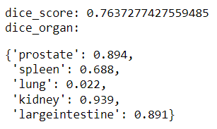
effb7 | ws 384
CV0 |  |  |  | LB= 0.37 | LB_norm= 0.51 |  | Hubmap
 |  |  | kidney | 0.06 |  | kidney | 0.488
 |  |  | prostate | 0.1 |  | largeintestine | 0.49
 |  |  | largeintestine | 0.03
 |  |  | spleen | 0.12
 |  |  | lung | 0.06

After Scale Adjust
effb7 | ws 512 | hubmap
CV0 |  |  |  | LB= 0.45 | LB_norm= 0.62 |  | Hubmap_External
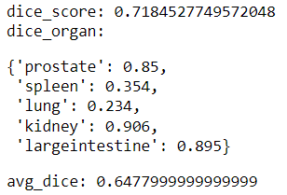
 |  |  | kidney |  |  | kidney | 0.732
 |  |  | prostate |  |  | largeintestine | 0.52
 |  |  | largeintestine
 |  |  | spleen
 |  |  | lung

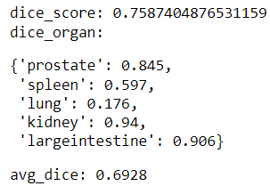
effb7 | ws 768 | hubmap |  | LB= 0.47 | LB_norm= 0.651 |  | Hubmap_External
CV0 |  |  | kidney |  |  | kidney | 0.795
 |  |  | prostate |  |  | largeintestine | 0.565
 |  |  | largeintestine
 |  |  | spleen
 |  |  | lung

info
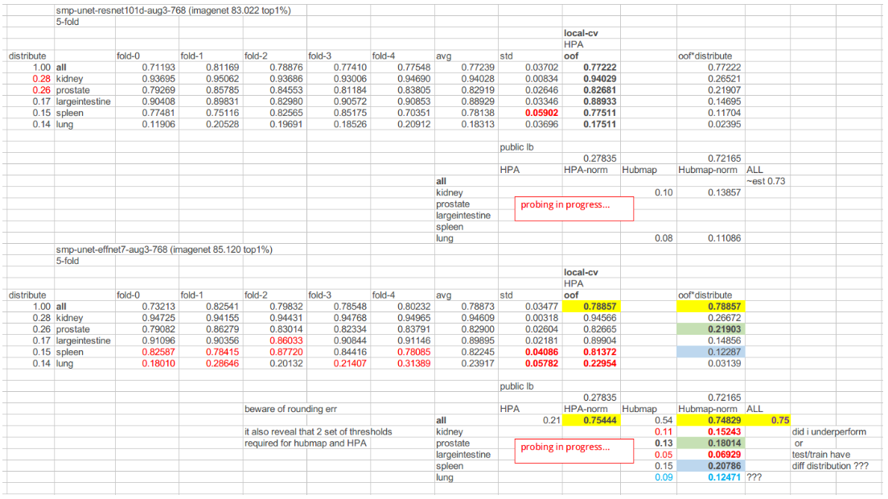
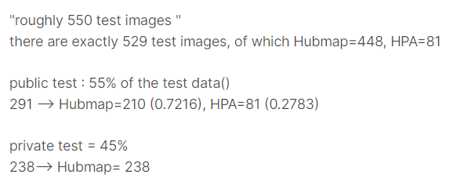

train distribution | test distribution
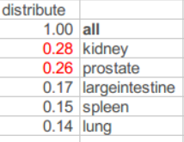
 | lung
 | spleen
 | prostate
 | kidney | 0.117
 | largeintestine | 0.05

